Sheet1
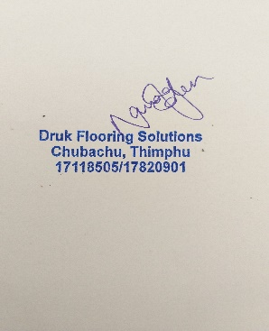
Druk Flooring Solutions
Lower Motithang
Thimphu, Bhutan
drukflooring@gmail.com
#17118505/17820901

Ref. No.: DFS/Invoice/2025/9 |  |  |  | 27th March 2025
Proforma Invoice

Client Name: Bhutan Postal Corp. Ltd
Contact Person: +97517592173
Project : Supply and Installation of Japanese Carpets

SL.NO. | Item Description | Quantity | Unit | Price (Nu) | Total (Nu)
1 | Providing & fixing Solution dyed nylon 6 (aquafina econyl) non woven polyster base fabric,SSG PVC+Glass fibre backing with overall thickness of 7 mm carpet in tiles or rolls , inlcuding manufacturer's recommended adhesives, all samples and layout design to be approved by the engineer in charge prior to installation- Boundary area | 35.29 | sqm | 3175.77 | 112072.92
2 | Providing & fixing Solution dyed nylon 6 (aquafina econyl) non woven polyster base fabric,SSG PVC+Glass fibre backing with overall thickness of 7 mm carpet in tiles or rolls , inlcuding manufacturer's recommended adhesives, all samples and layout design to be approved by the engineer in charge prior to installation - Interior area | 94.74 | sqm | 3093.33 | 293062.08
 | TOTAL |  |  |  | 405135.01

1. The company, M/s. Druk Flooring Solutions will supply the goods as per the Clients order with the specification and rate mentioned above.
2. The Client shall pay 50% of the total value of on the receipt of the Proforma Invoice as advance to confirm the order. The remaining value of the goods shall be paid upon delivery of the consignment to the client's site. Installation charge shall be paid within one week of completion of installation.
3. The Client shall hand over dry and clean zero level subfloor for installation. The site must be clear and swept, ready for installation.
4. If the company fails to supply the correct goods specified in the Proforma Invoice to the client, the company will bear all the expenses and supply the correct order to the client as per the invoice.
5. The Client cannot change the specification of the product after the order has been placed.
6. The Supplier shall make free delivery of the goods if the site is in core Thimphu Thromde area only.
7. The Client agrees to all the terms and conditions mentioned above.
8. The delivery of the goods will take about 2-3 weeks after confirmation of the order.

