house price-with sales
...
AgeOfProperty | Alley Null | Null Percentage |  | Blmngtn | Bloomington Heights
58 |  | WD | 1267 | IDOTRR | Iowa DOT and Rail Road
58 |  | CWD | 4 | MeadowV | Meadow Village
60 |  | VWD | 0 | Mitchel | Mitchell
51 |  | New | 122 | Names | North Ames
59 |  | COD | 43 | NoRidge | Northridge
59 |  | Con | 2 | NPkVill | Northpark Villa
59 |  | ConLw | 5 | NridgHt | Northridge Heights
44 |  | ConLI | 5 | NWAmes | Northwest Ames
0 |  | ConLD | 9 | OldTown | Old Town
59 |  | Oth | 3 | SWISU | South & West of Iowa State University
 | SalePrice
7879 | 34900
9000 | 35311
5925 | 37900
5000 | 39300
8500 | 40000
4130 | 52000
4118 | 52500
5600 | 55000
3636 | 55000
8712 | 55993
8212 | 58500
9571 | 60000
6120 | 60000
8400 | 60000
10020 | 61000
8281 | 62383
10800 | 64500
5720 | 66500
8967 | 67000
8248 | 67000
7500 | 68400
6324 | 68500
6627 | 72500
5232 | 73000
2001 | 75000
1491 | 75500
9000 | 76000
5350 | 76500
6402 | 78000
9600 | 79000
5000 | 79000
4270 | 79000
9100 | 79500
5586 | 79900
5825 | 79900
4608 | 80000
1477 | 80000
9000 | 80000
12180 | 80000
6240 | 80500
8410 | 81000
1890 | 81000
18000 | 81000
6040 | 82000
8400 | 82000
10206 | 82000
12342 | 82500
11900 | 82500
5330 | 82500
10625 | 83000
...
57 |  |  |  | Sawyer | Sawyer
58 |  | Total | 1460 | SawyerW | Sawyer West
60 |  |  |  | Somerst | Somerset
58 |  |  |  | StoneBr | Stone Brook
58 |  |  |  | Timber | Timberland
4 |  |  |  | Veenker | Veenker
37
38
59
44
59
58
56
1
48
10
53
60
39
49
60
56
10
36
58
...

Sheet1
YearBuilt2 | AvgSales
1872 | 122000
1875 | 94000
2 | 94000
3 | 200619.75
4 | 168000
5 | 111250
6 | 142200
7 | 291250
8 | 325000
9 | 106000
10 | 112492.6
11 | 157500
12 | 163000
13 | 135000
14 | 183500
15 | 111959.05882
16 | 130000
17 | 119466.66667
18 | 90350
19 | 126055.28571
20 | 134387.5
21 | 139800
22 | 129500
23 | 172421.42857
24 | 154833.33333
25 | 112903.33333
26 | 140813.33333
27 | 109237.5
28 | 159428.57143
29 | 105985.71429
30 | 129190.625
31 | 124144.44444
32 | 82666.666667
33 | 135557.14286
34 | 153000
35 | 103588.88889
36 | 126650
37 | 233358.5
38 | 220766.66667
39 | 161083.33333
40 | 137888.88889
41 | 131974.2
42 | 109137.5
43 | 150825
44 | 131994.44444
45 | 120900
46 | 162000
47 | 133500
48 | 122400
49 | 117200
50 | 137764.28571
51 | 111517.58333
...
1880 | 200619.75
1882 | 168000
1885 | 111250
1890 | 142200
1892 | 291250
1893 | 325000
1898 | 106000
1900 | 112492.6
1904 | 157500
1905 | 163000
1906 | 135000
1908 | 183500
1910 | 111959.05882
1911 | 130000
1912 | 119466.66667
1913 | 90350
1914 | 126055.28571
1915 | 134387.5
1916 | 139800
1917 | 129500
1918 | 172421.42857
1919 | 154833.33333
1920 | 112903.33333
1921 | 140813.33333
1922 | 109237.5
...

Sheet7
...
 | Sum of SalePrice
0 | 33329916
1 | 19234128
2 | 11091640
3 | 10441750
4 | 12837475
5 | 8736200
6 | 8021015
7 | 7348171
8 | 8782150
9 | 7307484
10 | 7881390
11 | 6263568
12 | 6042400
13 | 5952904
14 | 5868125
15 | 3941000
16 | 4032800
17 | 1681100
18 | 2539180
19 | 2257950
20 | 1943700
21 | 1703000
22 | 1473000
23 | 1005500
24 | 781000
25 | 1241000
26 | 1073300
27 | 1094360
28 | 1534750
29 | 2469900
30 | 2609912
31 | 4590305
32 | 3050924
33 | 2023300
34 | 2154050
35 | 1165000
36 | 2891450
37 | 2758200
38 | 1826880
39 | 3167859
40 | 2157920
41 | 1729150
42 | 2343550
43 | 1433550
44 | 2519233
45 | 1757800
46 | 1620750
47 | 2224550
48 | 1911800
49 | 1463232
...
Row Labels | Sum of SalePrice
0 | 33329916
1 | 19234128
2 | 11091640
3 | 10441750
4 | 12837475
5 | 8736200
6 | 8021015
7 | 7348171
8 | 8782150
9 | 7307484
10 | 7881390
11 | 6263568
12 | 6042400
13 | 5952904
14 | 5868125
15 | 3941000
16 | 4032800
17 | 1681100
18 | 2539180
19 | 2257950
20 | 1943700
21 | 1703000
22 | 1473000
23 | 1005500
24 | 781000
25 | 1241000
26 | 1073300
27 | 1094360
...

Dashboard
RR
Real Estate - Dashboard

Roof Type
Flat | 13
Gable | 1141
Gambrel | 11
Hip | 286
Mansard | 7
Shed | 2
Gentle Slope
Moderate Slope
Severe Slope
Has No Pool

1453
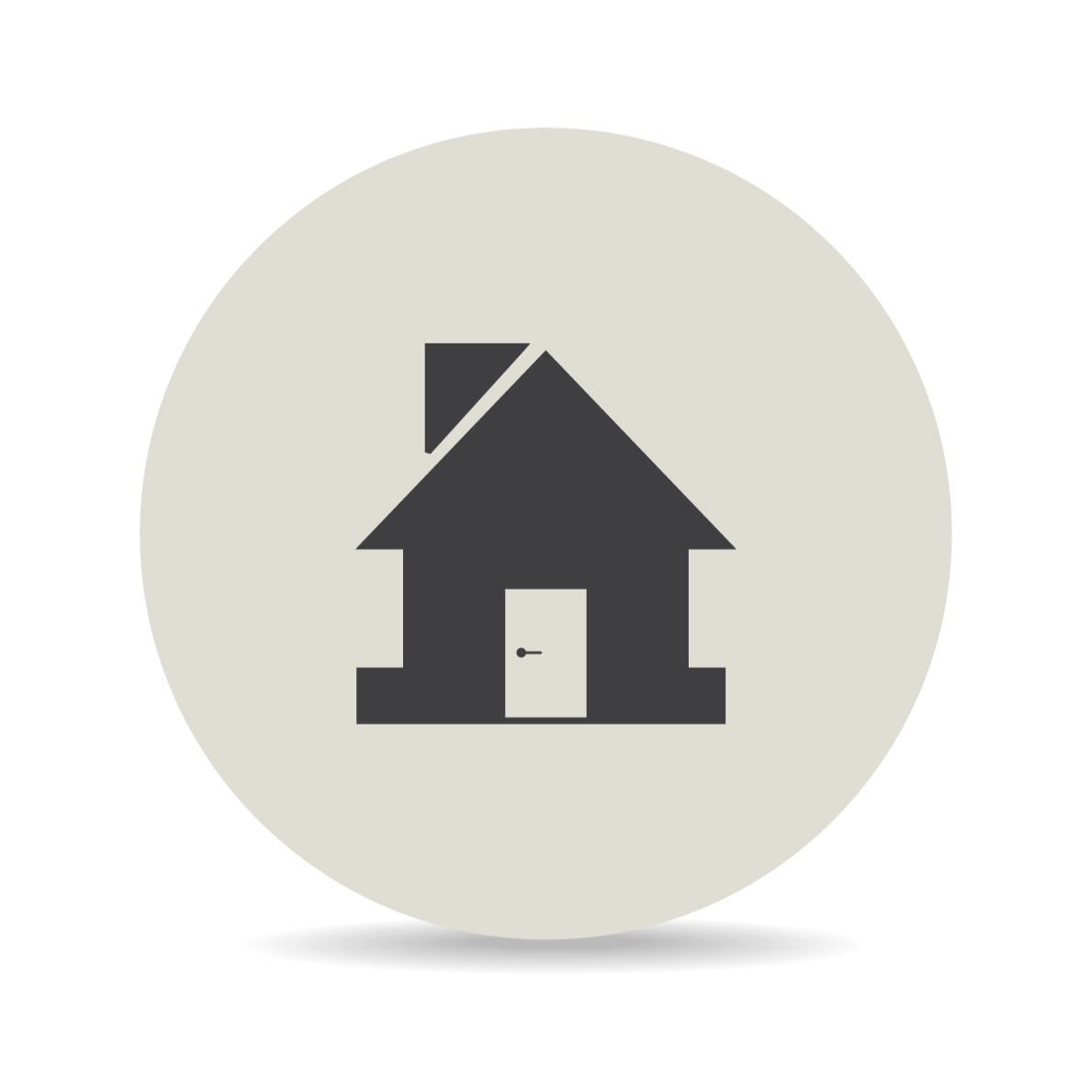

99 %

Has No Garage
1382
65
13

81

Irregularity In Shape
 | IR1 | IR2 | IR3 | Reg
Corner | 107 | 8 | 2 | 146
CulDSac | 77 | 14 | 2 | 1
FR2 | 15 | 5 | 0 | 0
FR3 | 1 | 0 | 0 | 27
Inside | 284 | 14 | 6 | 3
 | AvgSales
1872 | 94000
1875 | 200619.75
1880 | 168000
1882 | 111250
1885 | 142200
1890 | 291250
1892 | 325000
1893 | 106000
1898 | 112492.6
1900 | 157500
1904 | 163000
1905 | 135000
1906 | 183500
1908 | 111959.05882
1910 | 130000
1911 | 119466.66667
1912 | 90350
1913 | 126055.28571
1914 | 134387.5
1915 | 139800
1916 | 129500
1917 | 172421.42857
1918 | 154833.33333
1919 | 112903.33333
1920 | 140813.33333
1921 | 109237.5
1922 | 159428.57143
1923 | 105985.71429
1924 | 129190.625
1925 | 124144.44444
1926 | 82666.666667
1927 | 135557.14286
1928 | 153000
1929 | 103588.88889
1930 | 126650
1931 | 233358.5
1932 | 220766.66667
1934 | 161083.33333
1935 | 137888.88889
1936 | 131974.2
1937 | 109137.5
1938 | 150825
1939 | 131994.44444
1940 | 120900
1941 | 162000
1942 | 133500
1945 | 122400
1946 | 117200
1947 | 137764.28571
1948 | 111517.58333
...

6 %

Has No Fireplace

690

47 %

PivotTables
...
Row Labels | Count of RoofStyle
Shed | 2 | Shed | 2
Grand Total | 1460

Row Labels | Count of LotShape
IR1 | 484 | LotShape | Corner | CulDSac | FR2 | FR3 | Inside |  | Corner | CulDSac | FR2 | Inside |  | Corner | CulDSac | Inside
Corner | 107 | IR1 | 107 | 77 | 15 | 1 | 284 | 41 |  |  |  |  | 10
CulDSac | 77 | IR2 | 8 | 14 | 5 | 0 | 14
FR2 | 15 | IR3 | 2 | 2 | 0 | 0 | 6 |  |  |  |  |  | Corner | CulDSac | FR2 | FR3
FR3 | 1 | Reg | 146 | 1 | 0 | 27 | 3 |  |  |  |  | IR1 | 107 | 77 | 15 | 1
Inside | 284 |  |  |  |  |  |  |  |  |  |  | IR2
IR2 | 41 |  |  |  |  |  |  |  |  |  |  | IR3
Corner | 8 |  |  |  |  |  |  |  |  |  |  | Reg
CulDSac | 14
FR2 | 5
Inside | 14
IR3 | 10
Corner | 2
CulDSac | 2
Inside | 6
Reg | 925
Roof Type
Flat | 13
Gable | 1141
Gambrel | 11
Hip | 286
Mansard | 7
Shed | 2
Corner | 146
CulDSac | 1
FR2 | 27
FR3 | 3
Inside | 748
Grand Total | 1460

Row Labels | Count of YearBuilt | YearBuilt | Count
1872 | 1 | 1872 | 1 |  | 1872 | 1
1875 | 1 | 1875 | 1 |  | 1875 | 1
1880 | 4 | 1880 | 4 |  | 1880 | 4
1882 | 1 | 1882 | 1 |  | 1882 | 1
1885 | 2 | 1885 | 2 |  | 1885 | 2
1890 | 2 | 1890 | 2 |  | 1890 | 2
1892 | 2 | 1892 | 2 |  | 1892 | 2
 |  |  |  |  |  | 1
 |  |  |  |  |  | 1
 |  |  |  |  |  | 10
 |  |  |  |  |  | 1
 |  |  |  |  |  | 1
 |  |  |  |  |  | 1
 |  |  |  |  |  | 2
 |  |  |  |  |  | 17
 |  |  |  |  |  | 1
 |  |  |  |  |  | 3
...

