ATTENDENCE TREND
ATTENDENCE TREND
Sum of Attendance_ID | Column Labels
Row Labels | Absent | Holiday | Leave | Present | Grand Total
2025 | 505515 | 188908 | 490047 | 5821433 | 7005903
2026 | 415570 | 172525 | 376033 | 4532469 | 5496597
Grand Total | 921085 | 361433 | 866080 | 10353902 | 12502500

SHIFT WISE ATTENDENCE
SHIFT WISE ATTENDENCE
Count of Attendance | Column Labels
Row Labels | Absent | Holiday | Leave | Present | Grand Total
Day | 122 | 55 | 122 | 1449 | 1748
Evening | 90 | 31 | 86 | 1058 | 1265
Night | 156 | 63 | 139 | 1629 | 1987
Grand Total | 368 | 149 | 347 | 4136 | 5000

SALARY AS OVER TIME
SALARY & OVERTIME
Row Labels | Sum of OT_Hours | Sum of OT_Pay
Administration | 1 | 585
Animal Nutrition | 5 | 2925
Dairy Production | 1 | 585
HR | 0 | 0
IT | 1 | 585
Research | 0 | 0
Security | 1 | 585
Stores | 0 | 0
Grand Total | 9 | 5265

TOP 5 EMPLOYESS
TOP 5 EMPLOYESS
Row Labels | Sum of OT_Hours | Sum of OT_Pay
NDRI0815 | 3 | 1755
NDRI0551 | 2 | 1170
NDRI0813 | 1 | 585
NDRI0425 | 1 | 585
NDRI0428 | 1 | 585
NDRI0053 | 1 | 585
NDRI0095 | 0 | 0
NDRI0803 | 0 | 0
NDRI0298 | 0 | 0
NDRI0980 | 0 | 0
NDRI0415 | 0 | 0
NDRI0530 | 0 | 0
NDRI0849 | 0 | 0
NDRI0366 | 0 | 0
NDRI0612 | 0 | 0
NDRI0486 | 0 | 0
Grand Total | 9 | 5265

DEPARTMENT AND EMPLOYESS
DEPARTEMNT WISE EMPLOYEE
Row Labels | Count of Employee_ID
Administration | 101
Animal Nutrition | 99
Dairy Production | 86
HR | 94
IT | 95
Maintenance | 108
Quality Control | 102
Research | 112
Security | 97
Stores | 106
Grand Total | 1000

Deashboard

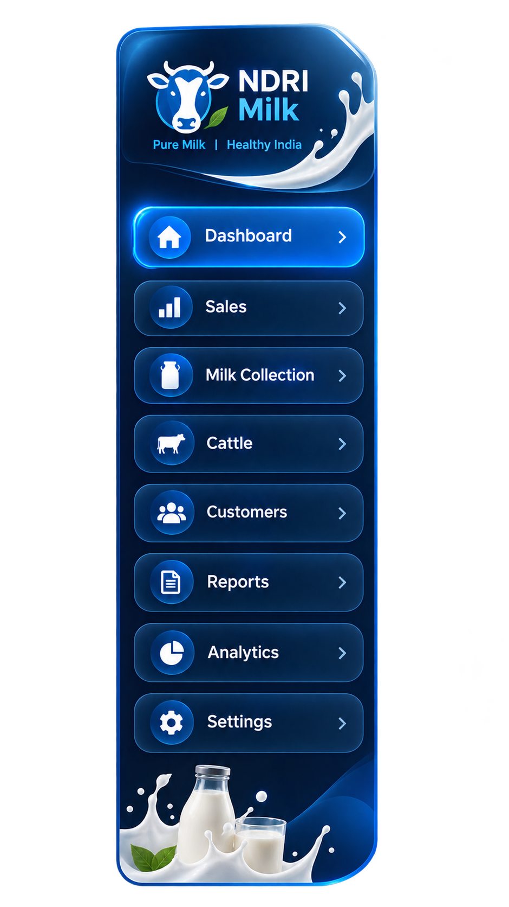
NDRI HR ANALYTICS

TOTAL EMPLOYEES
1,000
PRESENT
892
ABSENT
108
OT HOURS
4,892
TOTAL PAYROLL
₹18,74,500

śś
DEPARTEMNT WISE EMPLOYEE
 | Total
Administration | 101
Animal Nutrition | 99
Dairy Production | 86
HR | 94
IT | 95
Maintenance | 108
Quality Control | 102
Research | 112
Security | 97
Stores | 106
TOP 5 EMPLOYESS
 | Sum of OT_Hours | Sum of OT_Pay
NDRI0815 | 3 | 1755
NDRI0551 | 2 | 1170
NDRI0813 | 1 | 585
NDRI0425 | 1 | 585
NDRI0428 | 1 | 585
NDRI0053 | 1 | 585
NDRI0095 | 0 | 0
NDRI0803 | 0 | 0
NDRI0298 | 0 | 0
NDRI0980 | 0 | 0
NDRI0415 | 0 | 0
NDRI0530 | 0 | 0
NDRI0849 | 0 | 0
NDRI0366 | 0 | 0
NDRI0612 | 0 | 0
NDRI0486 | 0 | 0
SALARY & OVERTIME
 | Sum of OT_Hours | Sum of OT_Pay
Administration | 1 | 585
Animal Nutrition | 5 | 2925
Dairy Production | 1 | 585
HR | 0 | 0
IT | 1 | 585
Research | 0 | 0
Security | 1 | 585
Stores | 0 | 0

ATTENDENCE TREND
 | Absent | Holiday | Leave | Present
2025 | 505515 | 188908 | 490047 | 5821433
2026 | 415570 | 172525 | 376033 | 4532469
SHIFT WISE ATTENDENCE
 | Absent | Holiday | Leave | Present
Day | 122 | 55 | 122 | 1449
Evening | 90 | 31 | 86 | 1058
Night | 156 | 63 | 139 | 1629

