Graphs
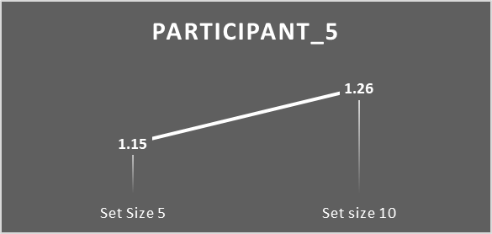
 | mean reaction time
Participant_1 | 2.76
Participant_2 | 1.89
Participant_3 | 2.13
Participant_4 | 1.68
Participant_5 | 2.21

RT comparission of set size 5 & 10
 | Set Size 5 | Set size 10
Participant_1 | 2.6 | 2.49
Participant_2 | 1.76 | 1.62
Participant_3 | 1.83 | 1.99
Participant_4 | 1.52 | 1.44
Participant_5 | 1.15 | 1.26

 | Slope Comparision
Participant_1 | 0.021
Participant_2 | 0.028
Participant_3 | 0.024
Participant_4 | 0.027
Participant_5 | 0.022

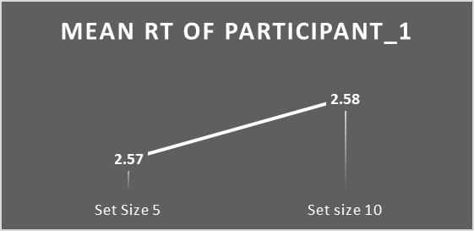
 | Set Size 5 | Set size 10
Participant_1 | 2.57 | 2.58

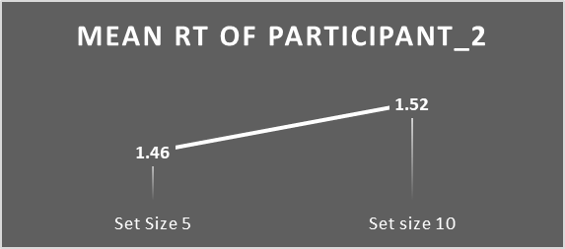
 | Set Size 5 | Set size 10
Participant_2 | 1.46 | 1.52

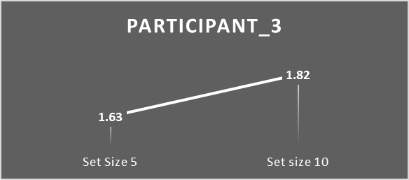
 | Set Size 5 | Set size 10
Participant_3 | 1.63 | 1.82

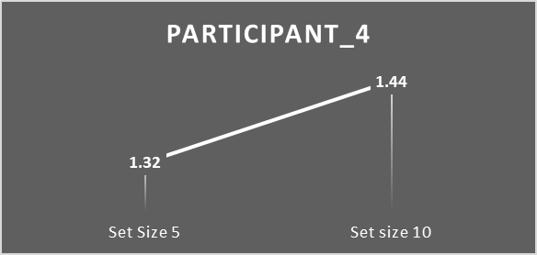
 | Set Size 5 | Set size 10
Participant_4 | 1.32 | 1.44

 | Set Size 5 | Set size 10
Participant_5 | 1.15 | 1.26

