Sheet1
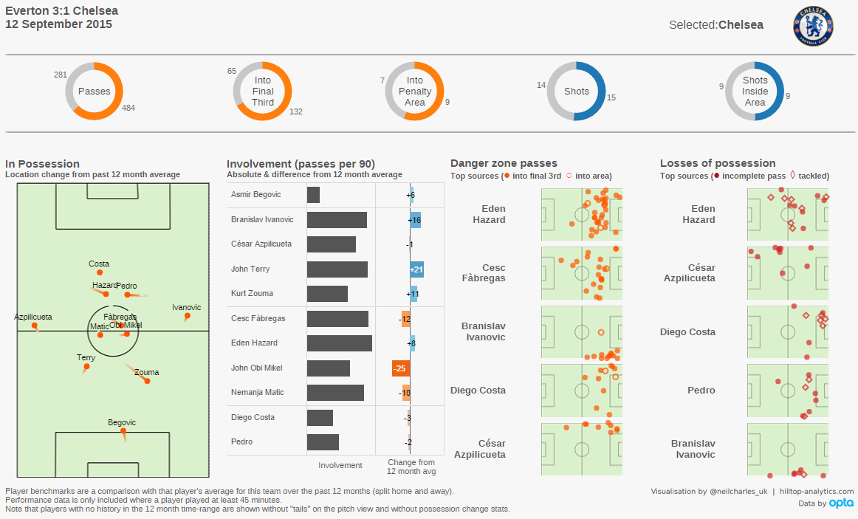

Neil Charles MatchDay dash

