0 Comms
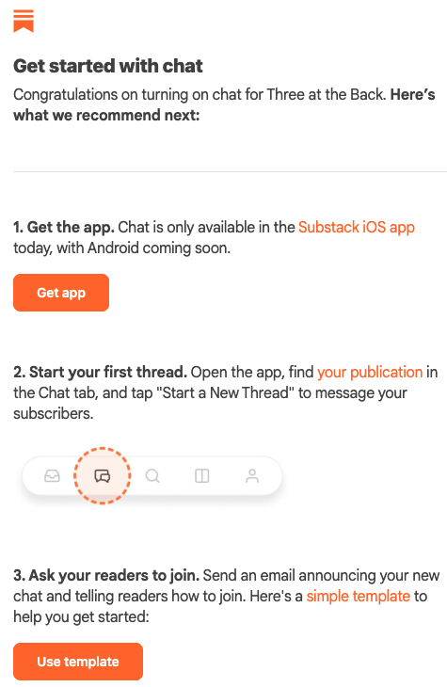
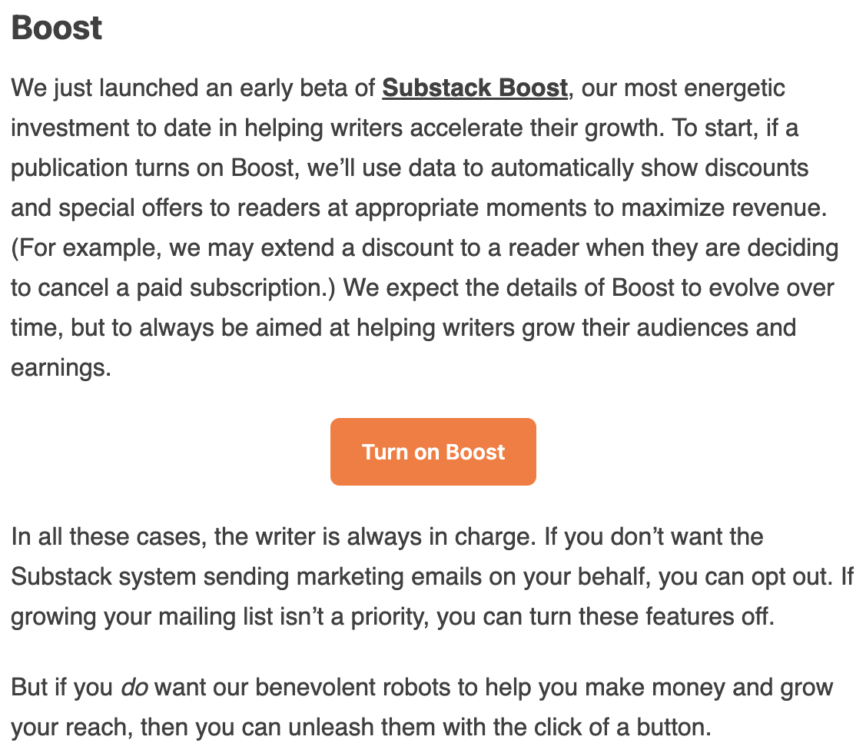
Change in the domain name | New season
We have a logo! | New format
 | iOS App launch | Going paid!!!
Tweet with @@@
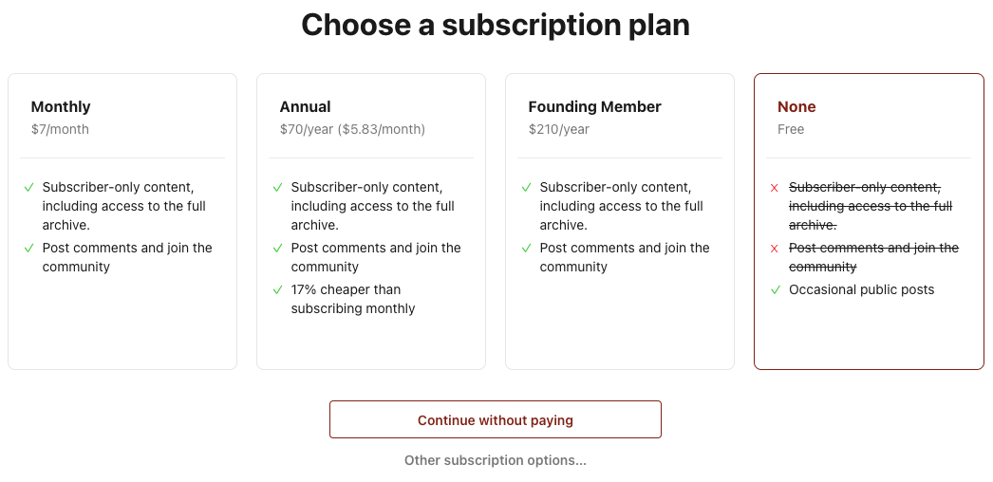
Share on Reddit
Share with LinkedIn network

Substack for Android
The Substack Android app is almost here! Join our Android waitlist to get the app first:

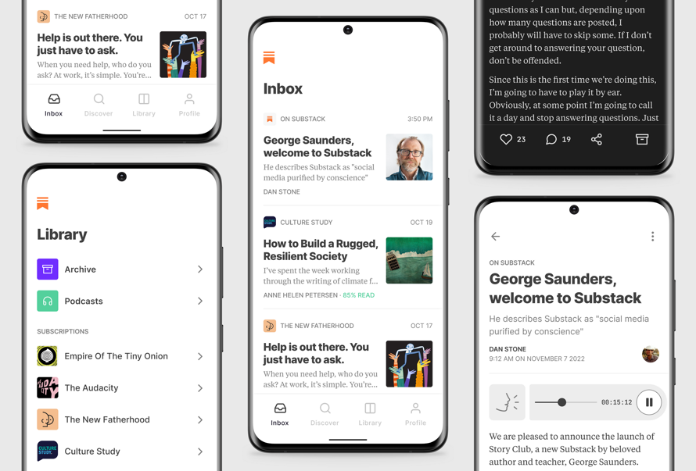
Join the Android waitlist

