style_reference
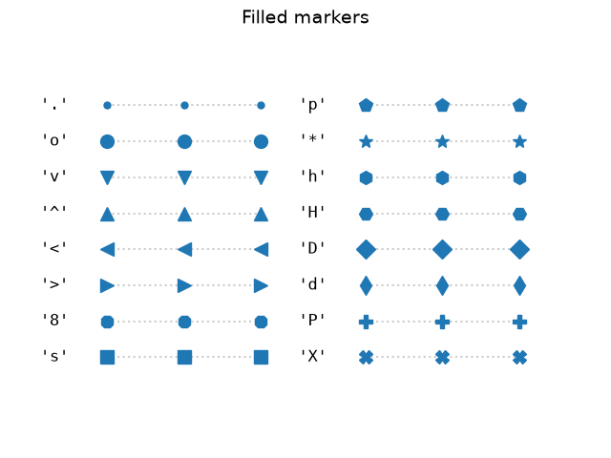
Color name | Swatch | Marker code | Meaning
black |  | o | circle
dimgray |  | s | square
gray |  | D | diamond (large)
darkgray |  | d | diamond (thin)
lightgray |  | ^ | triangle, pointing up
white |  | v | triangle, pointing down
steelblue |  | < | triangle, pointing left
royalblue |  | > | triangle, pointing right
navy |  | p | pentagon
skyblue |  | h | hexagon
teal |  | 8 | octagon
darkcyan |  | * | star
forestgreen |  | P | plus (filled)
seagreen |  | X | x (filled)
olive |  | + | plus (thin)
goldenrod |  | x | x (thin)
gold
darkorange
chocolate
firebrick
crimson
tomato
purple
indigo
mediumvioletred
brown
saddlebrown
slategray

These lists feed the dropdowns on settings_basic/settings_advanced's "value" column. They're a convenient shortlist, not an exhaustive one -- you can always type any matplotlib color name/hex code or marker code by hand instead.
Full marker reference: | https://matplotlib.org/stable/api/markers_api.html

