Sheet1
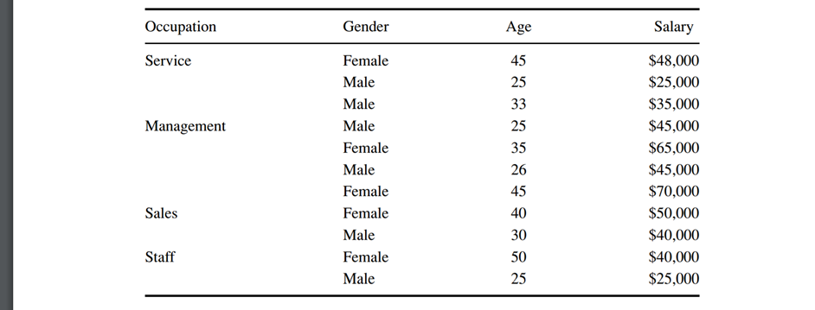
Name: Yash Navadiya
CWID: 10455328 | name: yash navadiya
 | cwid: 10455328

 |  |  |  | P(j/tL) |  |  |  | P(j/tR)
 | Split | PL | PR | L1 | L2 | L3 | L4 | L1 | L2 | L3 | L4 | 2*PL*PR | Q(s/t) | delta(s/t)
 | Service | 0.2727 | 0.7273 | 0.3333 | 0.3333 | 0.3333 | 0 | 0.125 | 0.25 | 0.375 | 0.25 | 0.3967 | 0.5833 | 0.2314
 | Management | 0.3636 | 0.6364 | 0 | 0 | 0.5 | 0.5 | 0.2857 | 0.4286 | 0.2857 | 0 | 0.4628 | 1.4286 | 0.6612
 | sales | 0.1818 | 0.8182 | 0 | 0.5 | 0.5 | 0 | 0.2222 | 0.2222 | 0.3333 | 0.2222 | 0.2975 | 0.8889 | 0.2645
 | staff | 0.1818 | 0.8182 | 0.5 | 0.5 | 0 | 0 | 0.1111 | 0.2222 | 0.4444 | 0.2222 | 0.2975 | 1.3333 | 0.3967

 | Male | 0.5455 | 0.4545 | 0.3333 | 0.3333 | 0.3333 | 0 | 0 | 0.2 | 0.4 | 0.4 | 0.4959 | 0.9333 | 0.4628
 | Female | 0.4545 | 0.5455 | 0 | 0.2 | 0.4 | 0.4 | 0.3333 | 0.3333 | 0.3333 | 0 | 0.4959 | 0.9333 | 0.4628

 | Age range(0-30)(<=30) | 0.4545 | 0.5455 | 0.4 | 0.2 | 0.4 | 0 | 0 | 0.3333 | 0.3333 | 0.3333 | 0.4959 | 0.9333 | 0.4628
 | Age range(31-40)(<=40) | 0.2727 | 0.7273 | 0 | 0.3333 | 0.3333 | 0.3333 | 0.25 | 0.25 | 0.375 | 0.125 | 0.3967 | 0.5833 | 0.2314
 | Age range(above 40)(<=50) | 0.2727 | 0.7273 | 0 | 0.3333 | 0.3333 | 0.3333 | 0.25 | 0.25 | 0.375 | 0.125 | 0.3967 | 0.5833 | 0.2314

