Sheet1
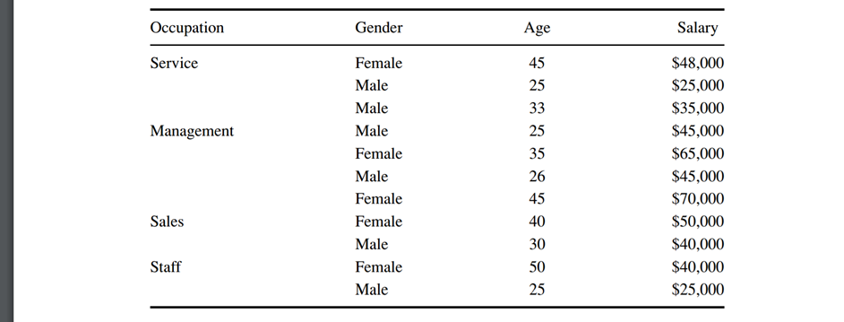
name: yash navadiya
cwid: 10455328

 |  | Step 3
 |  | Candidate Split |  | Salary Level |  |  |  |  | 1 |  |  | 2 |  |  | 3 |  |  | 4 |  |  |  |  |  | Entropy reduction
 |  |  | Child Nodes | L1 | L2 | L3 | L4 | total | pj | log2(pj) | #NAME? | pj | log2(pj) | #NAME? | pj | log2(pj) | #NAME? | pj | log2(pj) | #NAME? | ∑-pj*log2(pj) | PCT | H(T) | Information Gain

 | 1 | Occupation | Service | 1 | 1 | 1 | 0 | 3 | 0.333333333 | -1.584962501 | 0.528320834 | 0.333333333 | -1.584962501 | 0.528320834 | 0.333333333 | -1.584962501 | 0.528320834 | 0 | 0 | 0 | 1.584962501 | 27.27% | 0.4322625 | 0.7767248
 |  |  | Management | 0 | 0 | 2 | 2 | 4 | 0 | 0 | 0 | 0 | 0 | 0 | 0.5 | -1 | 0.5 | 0.5 | -1 | 0.5 | 1 | 36.36% | 0.363636364
 |  |  | Sales | 0 | 1 | 1 | 0 | 2 | 0 | 0 | 0 | 0.5 | -1 | 0.5 | 0.5 | -1 | 0.5 | 0 | 0 | 0 | 1 | 18.18% | 0.181818182
 |  |  | Staff | 1 | 1 | 0 | 0 | 2 | 0.5 | -1 | 0.5 | 0.5 | -1 | 0.5 | 0 | 0 | 0 | 0 | 0 | 0 | 1 | 18.18% | 0.181818182

 | 2 | Gender | Female | 0 | 1 | 2 | 2 | 5 | 0 | 0 | 0 | 0.2 | -2.321928095 | 0.464385619 | 0.4 | -1.321928095 | 0.528771238 | 0.4 | -1.321928095 | 0.528771238 | 1.521928095 | 45.45% | 0.691785498 | 0.379949529
 |  |  | Male | 2 | 2 | 2 | 0 | 6 | 0.333333333 | -1.584962501 | 0.528320834 | 0.333333333 | -1.584962501 | 0.528320834 | 0.333333333 | -1.584962501 | 0.528320834 | 0 | 0 | 0 | 1.584962501 | 54.55% | 0.864525

 | 3 | Age | 1 | 2 | 1 | 2 | 0 | 5 | 0.4 | -1.321928095 | 0.528771238 | 0.2 | -2.321928095 | 0.464385619 | 0.4 | -1.321928095 | 0.528771238 | 0 | 0 | 0 | 1.521928095 | 45.45% | 0.691785498 | 0.379949529
 |  |  | 2 | 0 | 1 | 1 | 1 | 3 | 0 | 0 | 0 | 0.333333333 | -1.584962501 | 0.528320834 | 0.333333333 | -1.584962501 | 0.528320834 | 0.333333333 | -1.584962501 | 0.528320834 | 1.584962501 | 27.27% | 0.4322625
 |  |  | 3 | 0 | 1 | 1 | 1 | 3 | 0 | 0 | 0 | 0.333333333 | -1.584962501 | 0.528320834 | 0.333333333 | -1.584962501 | 0.528320834 | 0.333333333 | -1.584962501 | 0.528320834 | 1.584962501 | 27.27% | 0.4322625

