Dashboard
Total Audit vs Fraud Dashboard

Big 4 Financial Risk Compliance | Built only from Regression Analysis, Histogram, Correlation & Covariance, and Descriptive Statistics

Observations |  | Correlation (r) |  | R Square | Significance F | Avg Audit Engagements |  | Avg Fraud Cases
100 |  | 0.267 |  | 7.1% | 0.0072 | 2,784.5 |  | 52.7

Regression sample size |  | Weak positive link |  | Explained variance | Overall model p-value | Descriptive mean |  | Descriptive mean

Relationship View | Correlation + Regression |  |  |  |  | Distribution View | Histogram
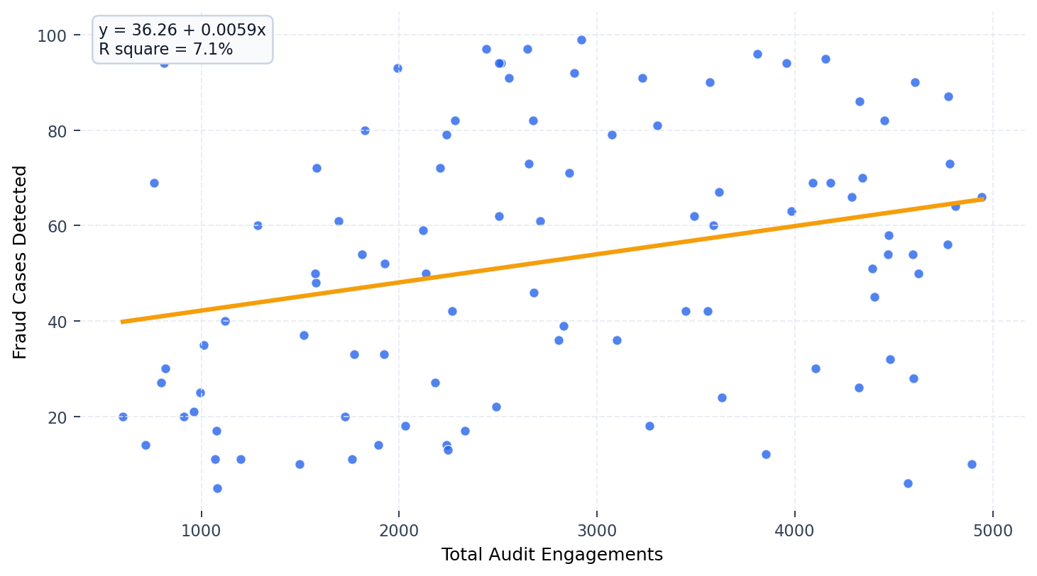
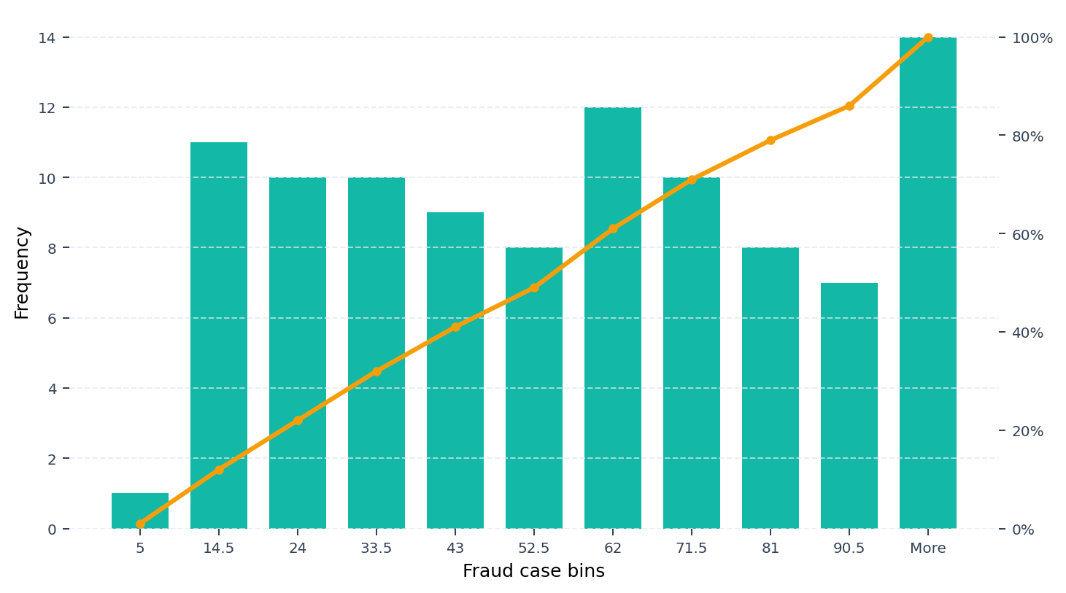

Descriptive Statistics Snapshot |  |  |  | Regression Summary |  | Correlation & Covariance Snapshot
Metric | Audit |  | Fraud | Multiple R | 0.267 | Correlation matrix
Mean | 2,784.5 |  | 52.7 | R Square | 7.1% |  | Audit |  | Fraud
Median | 2,650 |  | 54 | Adjusted R Square | 6.2% | Audit | 1.000 |  | 0.267
Std Deviation | 1,281.9 |  | 28.3 | Std Error | 27.42 | Fraud | 0.267 |  | 1.000
Minimum | 603 |  | 5 | F Statistic | 7.546
Maximum | 4,946 |  | 100 | Significance F | 0.0072 | Covariance |  | 9,606.7
Range | 4,343 |  | 95 | Intercept | 36.26 | Var(Audit) |  | 1,626,741.2
Count | 100 |  | 100 | Audit Coefficient | 0.0059 | Var(Fraud) |  | 793.5
 |  |  |  | Coeff. P-value | 0.0072 | Positive covariance and a 0.267 correlation suggest fraud detections generally rise as audit engagement volume increases.
 |  |  |  | Predicted Fraud = 36.26 + 0.0059 x Total Audit Engagements

Insight 1 |  |  |  | Insight 2 |  | Insight 3
The relationship is positive but modest: r = 0.267, indicating a weak upward association between audit volume and fraud detection. |  |  |  | The regression is statistically significant (p = 0.0072), but R square is only 7.1%, so audit volume alone explains a limited share of variation. |  | Fraud detections are widely dispersed (min 5, max 100, standard deviation 28.3), showing materially different risk profiles across observations.

Source worksheets used: Regression Analysis | Histogram | Correlation & Covariance | Descriptive Statistics

Regression Analysis
SUMMARY OUTPUT

Total_Audit_Engagements Residual Plot
Total_Audit_Engagements Line Fit Plot
 | Fraud_Cases_Detected | Predicted Fraud_Cases_Detected
2829 | 39 | 52.962675431
3589 | 60 | 57.450834775
2438 | 97 | 50.653635558
2646 | 97 | 51.881973905
2680 | 46 | 52.082759981
818 | 30 | 41.086769588
1199 | 11 | 43.336754733
4092 | 69 | 60.421287604
4156 | 95 | 60.799237864
2490 | 22 | 50.960720145
1497 | 10 | 45.096585634
2712 | 61 | 52.271735111
2885 | 92 | 53.293381909
2267 | 42 | 49.643799706
2333 | 17 | 50.033560912
3490 | 62 | 56.866192966
3264 | 18 | 55.531556108
4813 | 64 | 64.679133508
2804 | 36 | 52.815038611
2239 | 14 | 49.478446467
1581 | 72 | 45.592645351
760 | 69 | 40.744252165
2238 | 79 | 49.472540994
1760 | 11 | 46.649724985
4103 | 30 | 60.486247805
4470 | 54 | 62.65355633
2515 | 94 | 51.108356965
3852 | 12 | 59.003974127
4773 | 56 | 64.442914595
3571 | 90 | 57.344536264
2030 | 18 | 48.244202647
811 | 94 | 41.045431278
1727 | 20 | 46.454844382
4481 | 32 | 62.718516531
4287 | 66 | 61.572854804
3560 | 42 | 57.279576063
3449 | 42 | 56.62406858
4324 | 26 | 61.791357298
2245 | 13 | 49.513879304
603 | 20 | 39.817092932
3981 | 63 | 59.765780121
1119 | 40 | 42.864316907
3076 | 79 | 54.421327218
3958 | 94 | 59.629954246
1578 | 48 | 45.574928932
4570 | 6 | 63.244103612
718 | 14 | 40.496222306
4601 | 28 | 63.42717327
4775 | 87 | 64.454725541
4340 | 70 | 61.885844864
...
Regression Statistics
Multiple R | 0.26738541072
R Square | 0.071494957868
Adjusted R Square | 0.062020416621
Standard Error | 27.41923271
Observations | 100

ANOVA
 | df | SS | MS | F | Significance F
Regression | 1 | 5673.1964018 | 5673.1964018 | 7.5460073485 | 0.0071582579925
Residual | 98 | 73677.803598 | 751.81432243
Total | 99 | 79351

 | Coefficients | Standard Error | t Stat | P-value | Lower 95% | Upper 95% | Lower 95.0% | Upper 95.0%
Intercept | 36.256092821 | 6.5842189068 | 5.5065138833 | 2.9430446548E-07 | 23.189924687 | 49.322260955 | 23.189924687 | 49.322260955
Total_Audit_Engagements | 0.0059054728209 | 0.0021497901227 | 2.7469996994 | 0.0071582579925 | 0.0016392842883 | 0.010171661354 | 0.0016392842883 | 0.010171661354

RESIDUAL OUTPUT |  |  |  |  | PROBABILITY OUTPUT
Normal Probability Plot
Observation | Predicted Fraud_Cases_Detected | Residuals | Standard Residuals |  | Percentile | Fraud_Cases_Detected
1 | 52.962675431 | -13.962675431 | -0.51182076868 |  | 0.5 | 5
2 | 57.450834775 | 2.549165225 | 0.093443102032 |  | 1.5 | 6
3 | 50.653635558 | 46.346364442 | 1.698888726 |  | 2.5 | 10
4 | 51.881973905 | 45.118026095 | 1.6538623211 |  | 3.5 | 10
5 | 52.082759981 | -6.0827599808 | -0.2229718011 |  | 4.5 | 11
6 | 41.086769588 | -11.086769588 | -0.406400547 |  | 5.5 | 11
7 | 43.336754733 | -32.336754733 | -1.1853475178 |  | 6.5 | 11
8 | 60.421287604 | 8.5787123961 | 0.31446431556 |  | 7.5 | 12
9 | 60.799237864 | 34.200762136 | 1.2536752324 |  | 8.5 | 13
10 | 50.960720145 | -28.960720145 | -1.0615943999 |  | 9.5 | 14
11 | 45.096585634 | -35.096585634 | -1.2865128553 |  | 10.5 | 14
12 | 52.271735111 | 8.728264889 | 0.31994636463 |  | 11.5 | 14
13 | 53.293381909 | 38.706618091 | 1.4188434818 |  | 12.5 | 17
14 | 49.643799706 | -7.6437997057 | -0.28019382534 |  | 13.5 | 17
15 | 50.033560912 | -33.033560912 | -1.2108898915 |  | 14.5 | 18
16 | 56.866192966 | 5.1338070343 | 0.18818664628 |  | 15.5 | 18
17 | 55.531556108 | -37.531556108 | -1.3757699942 |  | 16.5 | 20
18 | 64.679133508 | -0.67913350783 | -0.024894558047 |  | 17.5 | 20
19 | 52.815038611 | -16.815038611 | -0.61637800216 |  | 18.5 | 20
20 | 49.478446467 | -35.478446467 | -1.3005104811 |  | 19.5 | 21
21 | 45.592645351 | 26.407354649 | 0.96799733132 |  | 20.5 | 22
22 | 40.744252165 | 28.255747835 | 1.0357526857 |  | 21.5 | 24
23 | 49.472540994 | 29.527459006 | 1.0823689801 |  | 22.5 | 25
24 | 46.649724985 | -35.649724985 | -1.306788927 |  | 23.5 | 26
25 | 60.486247805 | -30.486247805 | -1.1175146814 |  | 24.5 | 27
26 | 62.65355633 | -8.6535563302 | -0.31720782128 |  | 25.5 | 27
27 | 51.108356965 | 42.891643035 | 1.5722512362 |  | 26.5 | 28
28 | 59.003974127 | -47.003974127 | -1.7229942991 |  | 27.5 | 30
29 | 64.442914595 | -8.442914595 | -0.30948646334 |  | 28.5 | 30
30 | 57.344536264 | 32.655463736 | 1.1970302277 |  | 29.5 | 32
31 | 48.244202647 | -30.244202647 | -1.1086421885 |  | 30.5 | 33
32 | 41.045431278 | 52.954568722 | 1.9411213991 |  | 31.5 | 33
33 | 46.454844382 | -26.454844382 | -0.96973813177 |  | 32.5 | 35
34 | 62.718516531 | -30.718516531 | -1.126028806 |  | 33.5 | 36
35 | 61.572854804 | 4.427145196 | 0.16228300002 |  | 34.5 | 36
36 | 57.279576063 | -15.279576063 | -0.56009354399 |  | 35.5 | 37
37 | 56.62406858 | -14.62406858 | -0.53606502986 |  | 36.5 | 39
38 | 61.791357298 | -35.791357298 | -1.3119806512 |  | 37.5 | 40
39 | 49.513879304 | -36.513879304 | -1.3384656733 |  | 38.5 | 42
40 | 39.817092932 | -19.817092932 | -0.72642236707 |  | 39.5 | 42
41 | 59.765780121 | 3.2342198792 | 0.11855470771 |  | 40.5 | 42
42 | 42.864316907 | -2.8643169073 | -0.10499541355 |  | 41.5 | 45
43 | 54.421327218 | 24.578672782 | 0.90096452206 |  | 42.5 | 46
44 | 59.629954246 | 34.370045754 | 1.2598805526 |  | 43.5 | 48
45 | 45.574928932 | 2.4250710679 | 0.088894262723 |  | 44.5 | 50
46 | 63.244103612 | -57.244103612 | -2.0983601071 |  | 45.5 | 50
47 | 40.496222306 | -26.496222306 | -0.97125489557 |  | 46.5 | 50
48 | 63.42717327 | -35.42717327 | -1.2986309926 |  | 47.5 | 51
49 | 64.454725541 | 22.545274459 | 0.826427554 |  | 48.5 | 52
50 | 61.885844864 | 8.1141551365 | 0.29743534036 |  | 49.5 | 54
51 | 61.809073717 | 24.190926283 | 0.88675114926 |  | 50.5 | 54
52 | 46.265869252 | 14.734130748 | 0.5400995076 |  | 51.5 | 54
53 | 42.132038277 | -17.132038277 | -0.62799805406 |  | 52.5 | 56
54 | 54.568964038 | -18.568964038 | -0.68067051294 |  | 53.5 | 58
55 | 48.01979468 | 44.98020532 | 1.648810314 |  | 54.5 | 59
56 | 51.05520771 | 42.94479229 | 1.5741994942 |  | 55.5 | 60
57 | 51.350481351 | 39.649518649 | 1.4534067781 |  | 56.5 | 60
58 | 62.181118505 | -11.181118505 | -0.40985903425 |  | 57.5 | 61
59 | 62.246078706 | -17.246078706 | -0.63217836032 |  | 58.5 | 61
60 | 43.785570667 | 56.214429333 | 2.0606160026 |  | 59.5 | 62
61 | 57.692959161 | -33.692959161 | -1.2350610269 |  | 60.5 | 62
62 | 51.929217687 | 21.070782313 | 0.7723780484 |  | 61.5 | 63
63 | 46.944998627 | 7.0550013735 | 0.25861062544 |  | 62.5 | 64
64 | 49.295376809 | 22.704623191 | 0.83226869745 |  | 63.5 | 66
65 | 48.852466348 | 1.1475336523 | 0.042064399398 |  | 64.5 | 66
66 | 49.147739989 | -22.147739989 | -0.81185538985 |  | 65.5 | 67
67 | 47.618222528 | -14.618222528 | -0.53585073491 |  | 66.5 | 69
68 | 63.562999145 | -13.562999145 | -0.49717009337 |  | 67.5 | 69
69 | 47.033580719 | 32.966419281 | 1.2084287242 |  | 68.5 | 69
70 | 42.569043266 | -31.569043266 | -1.1572060148 |  | 69.5 | 70
71 | 49.738287271 | 32.261712729 | 1.1825967516 |  | 70.5 | 71
72 | 64.507874796 | 8.492125204 | 0.31129034482 |  | 71.5 | 72
73 | 53.151650561 | 17.848349439 | 0.65425540932 |  | 72.5 | 72
74 | 57.610282541 | 9.3897174588 | 0.34419280396 |  | 73.5 | 73
75 | 62.547257819 | 19.452742181 | 0.71306659708 |  | 74.5 | 73
76 | 42.622192522 | -37.622192522 | -1.3790923946 |  | 75.5 | 79
77 | 43.850530868 | 16.149469132 | 0.59198065195 |  | 76.5 | 79
78 | 45.551307041 | 4.4486929592 | 0.16307286245 |  | 77.5 | 80
79 | 42.610381576 | -25.610381576 | -0.93878320448 |  | 78.5 | 81
80 | 55.773680494 | 25.226319506 | 0.92470488942 |  | 79.5 | 82
81 | 41.641884033 | -21.641884033 | -0.79331255505 |  | 80.5 | 82
82 | 45.208789617 | -8.2087896172 | -0.30090429535 |  | 81.5 | 82
83 | 42.232431315 | -7.2324313154 | -0.26511456014 |  | 82.5 | 86
84 | 55.330770032 | 35.669229968 | 1.3075039086 |  | 83.5 | 87
85 | 51.037491291 | 10.962508709 | 0.40184559625 |  | 84.5 | 90
86 | 65.464561393 | 0.53543860699 | 0.019627226942 |  | 85.5 | 90
87 | 63.456700634 | 26.543299366 | 0.97298056893 |  | 86.5 | 91
88 | 46.714685187 | -13.714685187 | -0.50273035057 |  | 87.5 | 91
89 | 52.059138089 | 29.940861911 | 1.0975228232 |  | 88.5 | 92
90 | 41.937157674 | -20.937157674 | -0.7674798564 |  | 89.5 | 93
91 | 47.624128001 | 4.3758719991 | 0.16040351158 |  | 90.5 | 94
92 | 53.494167985 | 45.505832015 | 1.6680778721 |  | 91.5 | 94
93 | 63.391740433 | -9.3917404329 | -0.34426695881 |  | 92.5 | 94
94 | 40.962754659 | -13.962754659 | -0.51182367288 |  | 93.5 | 94
95 | 65.163382279 | -55.163382279 | -2.02208845 |  | 94.5 | 95
96 | 60.935063739 | 8.0649362607 | 0.29563115584 |  | 95.5 | 96
97 | 48.769789728 | 10.230210272 | 0.37500220577 |  | 96.5 | 97
98 | 58.755944268 | 37.244055732 | 1.3652312787 |  | 97.5 | 97
99 | 47.452869289 | -33.452869289 | -1.2262602077 |  | 98.5 | 99
100 | 62.671272749 | -4.6712727487 | -0.17123182593 |  | 99.5 | 100

Histogram
Histogram
Bin | Frequency | Cumulative % | Bin | Frequency | Cumulative %
5 | 1 | 1.00% | More | 14 | 14.00%
14.5 | 11 | 12.00% | 62 | 12 | 26.00%
24 | 10 | 22.00% | 14.5 | 11 | 37.00%
33.5 | 10 | 32.00% | 24 | 10 | 47.00%
43 | 9 | 41.00% | 33.5 | 10 | 57.00%
52.5 | 8 | 49.00% | 71.5 | 10 | 67.00%
62 | 12 | 61.00% | 43 | 9 | 76.00%
71.5 | 10 | 71.00% | 52.5 | 8 | 84.00%
81 | 8 | 79.00% | 81 | 8 | 92.00%
90.5 | 7 | 86.00% | 90.5 | 7 | 99.00%
More | 14 | 100.00% | 5 | 1 | 100.00%

