Relational_Diagram
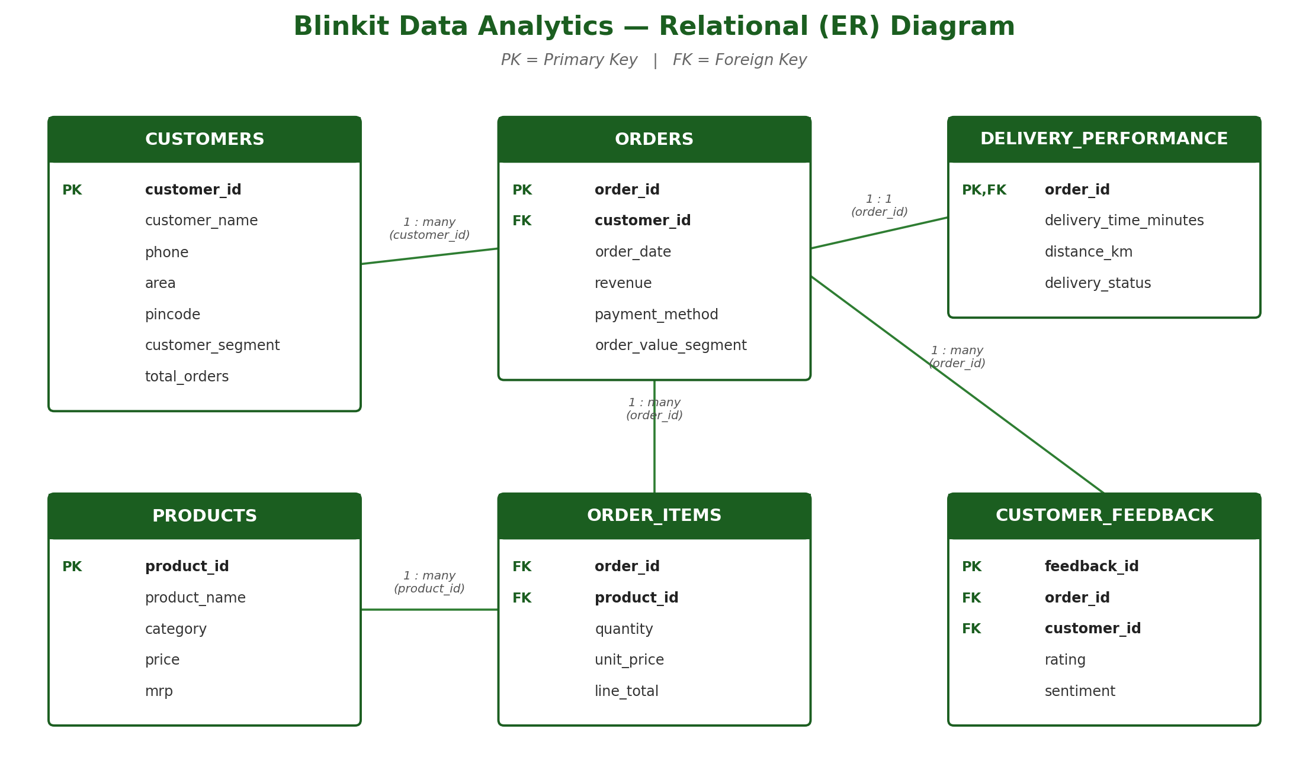

Pivot_Payment_Method
Payment Method Performance
Order count by delivery status + revenue, grouped by payment method

payment method | On Time | Significantly Delayed | Slightly Delayed | Total Orders | Total Revenue | Avg Order Value
Card | 899 | 126 | 260 | 1285 | ₹1,326,263 | ₹1,032
Cash | 869 | 123 | 265 | 1257 | ₹1,231,327 | ₹980
UPI | 856 | 118 | 240 | 1214 | ₹1,221,420 | ₹1,006
Wallet | 846 | 126 | 272 | 1244 | ₹1,193,405 | ₹959

Delivery Outcome by Payment Method

Total Revenue by Payment Method

Pivot_Customer_Segment
Customer Segment vs Order Value
How many High/Medium/Low value orders come from each customer segment

customer segment | High Value | Low Value | Medium Value | Total Orders
Regular | 474 | 429 | 417 | 1320
Premium | 438 | 406 | 424 | 1268
New | 377 | 420 | 425 | 1222
Inactive | 404 | 396 | 390 | 1190

Order-Value Mix by Customer Segment

Total Orders by Customer Segment

Pivot_Category_Sales
Category-wise Sales Performance
Total quantity sold, revenue and avg price per product category (sorted by revenue)

category | Total Quantity Sold | Total Revenue | Avg Unit Price
Dairy & Breakfast | 1114 | ₹639,222 | ₹574
Pharmacy | 973 | ₹592,369 | ₹609
Fruits & Vegetables | 966 | ₹559,053 | ₹579
Pet Care | 1003 | ₹539,889 | ₹538
Household Care | 1078 | ₹444,244 | ₹412
Personal Care | 887 | ₹394,895 | ₹445
Snacks & Munchies | 963 | ₹394,649 | ₹410
Cold Drinks & Juices | 758 | ₹392,718 | ₹518
Grocery & Staples | 895 | ₹359,938 | ₹402
Baby Care | 655 | ₹348,227 | ₹532
Instant & Frozen Food | 742 | ₹307,213 | ₹414

Revenue by Product Category

Quantity Sold by Product Category

Pivot_Monthly_Trend
Monthly Orders & Revenue Trend
Total orders, revenue, avg order value & on-time % by month

order month | Total Orders | Total Revenue | Avg Order Value | On Time Orders | On Time Pct
Mar-2023 | 120 | ₹110,990 | ₹925 | 80 | 66.7%
Apr-2023 | 238 | ₹249,383 | ₹1,048 | 162 | 68.1%
May-2023 | 276 | ₹269,445 | ₹976 | 190 | 68.8%
Jun-2023 | 232 | ₹233,673 | ₹1,007 | 176 | 75.9%
Jul-2023 | 244 | ₹237,061 | ₹972 | 171 | 70.1%
Aug-2023 | 285 | ₹303,512 | ₹1,065 | 202 | 70.9%
Sep-2023 | 262 | ₹277,585 | ₹1,059 | 189 | 72.1%
Oct-2023 | 254 | ₹263,860 | ₹1,039 | 187 | 73.6%
Nov-2023 | 265 | ₹261,475 | ₹987 | 168 | 63.4%
Dec-2023 | 268 | ₹253,628 | ₹946 | 179 | 66.8%
Jan-2024 | 270 | ₹273,091 | ₹1,011 | 191 | 70.7%
Feb-2024 | 252 | ₹260,130 | ₹1,032 | 170 | 67.5%
Mar-2024 | 251 | ₹240,662 | ₹959 | 177 | 70.5%
Apr-2024 | 241 | ₹215,255 | ₹893 | 179 | 74.3%
May-2024 | 263 | ₹264,997 | ₹1,008 | 178 | 67.7%
Jun-2024 | 248 | ₹239,157 | ₹964 | 179 | 72.2%
Jul-2024 | 256 | ₹252,368 | ₹986 | 171 | 66.8%
Aug-2024 | 251 | ₹251,256 | ₹1,001 | 173 | 68.9%
Sep-2024 | 247 | ₹231,025 | ₹935 | 167 | 67.6%
Oct-2024 | 247 | ₹255,863 | ₹1,036 | 161 | 65.2%
Nov-2024 | 30 | ₹28,000 | ₹933 | 20 | 66.7%

Monthly Revenue vs Orders

On-Time Delivery % by Month

Pivot_Area_Delivery
Area-wise Delivery Performance (Worst 20 Areas)

area | total orders | avg delivery time minutes | on time orders | significantly delayed orders | on time pct
Rourkela | 4 | 9 | 0 | 0 | 0.0%
Raipur | 5 | 12.6 | 1 | 1 | 20.0%
Jalandhar | 4 | 7.5 | 1 | 0 | 25.0%
Phusro | 4 | 12.75 | 1 | 2 | 25.0%
Kolhapur | 11 | 7.82 | 3 | 1 | 27.3%
Raichur | 3 | 8.33 | 1 | 0 | 33.3%
Siwan | 8 | 9.25 | 3 | 2 | 37.5%
Hazaribagh | 13 | 6.92 | 5 | 2 | 38.5%
Rajahmundry | 18 | 7.72 | 7 | 2 | 38.9%
Srikakulam | 5 | 8.8 | 2 | 1 | 40.0%
Ujjain | 10 | 9 | 4 | 3 | 40.0%
Sultan Pur Majra | 14 | 7.57 | 6 | 2 | 42.9%
Amravati | 7 | 10.71 | 3 | 2 | 42.9%
Nadiad | 7 | 10.43 | 3 | 2 | 42.9%
Haridwar | 14 | 8.21 | 6 | 3 | 42.9%
Madanapalle | 9 | 7.89 | 4 | 1 | 44.4%
Sonipat | 22 | 7 | 10 | 2 | 45.5%
Tiruppur | 13 | 5.54 | 6 | 1 | 46.2%
Medininagar | 17 | 9.29 | 8 | 4 | 47.1%
Bhalswa Jahangir Pur | 6 | 8.33 | 3 | 1 | 50.0%

On-Time Delivery % — Worst 20 Areas

Average Delivery Time by Area (minutes)

Pivot_Inventory_Movement
INVENTORY — PRODUCT MOVEMENT ANALYSIS

Movement_Class | Products | Units_Sold | Revenue | Revenue_Pct | Avg_Monthly_Demand | High_Wastage_Risk_Products
Fast Moving | 73 | 3576 | ₹1,939,794 | 39.0% | 2.49 | 30
Medium Moving | 123 | 4518 | ₹2,164,953 | 43.5% | 1.87 | 87
Slow Moving | 72 | 1940 | ₹867,668 | 17.4% | 1.37 | 63

Revenue by Product Movement Class

Share of Units Sold by Movement Class
Products at High Wastage Risk vs Total Products

Pivot_Category_Stock
INVENTORY — CATEGORY STOCK & WASTAGE RISK

Category | Products | Units_Sold | Revenue | Avg_Monthly_Demand | Avg_Cover_Months_At_Min | High_Wastage_Risk_Products | Wastage_Risk_Pct
Dairy & Breakfast | 30 | 1114 | ₹639,222 | 1.89 | 10.8 | 30 | 100.0%
Snacks & Munchies | 27 | 963 | ₹394,649 | 1.81 | 11.6 | 27 | 100.0%
Fruits & Vegetables | 27 | 966 | ₹559,053 | 1.82 | 13.0 | 27 | 100.0%
Cold Drinks & Juices | 22 | 758 | ₹392,718 | 1.75 | 12.2 | 20 | 90.9%
Instant & Frozen Food | 20 | 742 | ₹307,213 | 1.89 | 10.1 | 17 | 85.0%
Personal Care | 25 | 887 | ₹394,895 | 1.80 | 12.7 | 14 | 56.0%
Grocery & Staples | 24 | 895 | ₹359,938 | 1.89 | 12.5 | 12 | 50.0%
Pet Care | 25 | 1003 | ₹539,889 | 2.04 | 11.2 | 11 | 44.0%
Pharmacy | 25 | 973 | ₹592,369 | 1.98 | 11.2 | 9 | 36.0%
Household Care | 27 | 1078 | ₹444,244 | 2.03 | 10.0 | 9 | 33.3%
Baby Care | 16 | 655 | ₹348,227 | 2.08 | 9.7 | 4 | 25.0%

Wastage Risk % by Category

Average Stock Cover at Min Level (Months)

