Summary Sheet
General guidelines | Fast Validate Guidelines
Flipkart doesn't allow you to sell tobacco contained products
Flipkart doesn't allow you to list customizable products and assorted products | Macros are introduced for faster validations
 | Click on this button and check errors on Qc failed column
Catalog template guidelines
Step 1: Understand the template
Understanding column heads

Flipkart Serial Number: Every product listed on Flipkart.com has a Flipkart Serial Number (FSN). If you list a product that is already being sold on the website, it will be assigned the existing FSN. In case the product is listed for the first time on the website, a new FSN will be generated for it.
 | You can run this validation by
QC Status: All listings are verified by Flipkart for correctness of data. Following quality check (QC), your listings will be marked either 'Passed' or 'Failed'. | 1.Pressing CTRL, Shift, S buttons from keyboard
 | For more info :
QC Failed Reason (if any): The reason why a listing has been 'Failed' will be added by Flipkart in this column. | https://seller.flipkart.com/LearningCenter/node/446271

Flipkart Product Link: When listing products that are already being sold on Flipkart.com, you are required to add their Flipkart product links in this column and fill all the applicable attributes that come before the 'Brand' attribute.

Understanding rows

1st Row: You will find the attribute name here.

2nd Row: This row indicates 3 types of information: 1. The type of data you have to enter. For instance, it may show 'URL', which means you can only add a web link in the given field. More examples below. 2. A hyperlink for the possible values of the attribute concerned. 3. Attribute usage on the product page. For instance, it will tell you whether the data you enter will be used as an identifying Attribute, variant, title, or refiner.

More examples of the type of data for 2nd Row
* Text: alphanumeric value allowed
* Number: whole number only
* Decimal: decimal value allowed
* Yes/No: Only 'Yes' or 'No' allowed
* Multivalue: Multivalue needs to be separated by double colons (::) for the system to differentiate among entered values. For example, if you enter Red::Black, the system will show your product under both 'Red' and 'Black' filters on the website.

3rd Row: This row contains examples to help you fill out the catalogue.

4th Row: This section explains/defines the attributes.

5th Row onwards: You are required to start entering product data from here.

Understanding Colour Codes

Grey cells: Grey cells will be filled by Flipkart. These will contain specific feedback on the product data of your listings. For e.g., 'QC Fail Reason (if any)' will provide the reason why a listing has been marked 'Failed'. The reason is provided for you to correct the data entry before re-uploading the file. You will, however, be allowed to enter data for 'Passed' listings in grey columns E & F.

Blue cells: Blue cells have to be mandatorily filled by you or else your listing will be marked as 'Failed'.

Purple Cells: Purple cells are conditionally mandatory attributes. This information is mandatory basis the other details filled by the seller.

Green cells: Green cells indicate good-to-have attributes which are not binding on you to fill. However, the data you enter here will enhance buyer experience.

Orange cells: Orange cells contain examples to help you fill out the catalogue.

Attribute Usage
The data you provide in the catalogue file is used to uniquely identify your product and create its product page on Flipkart.com. Some examples of how attribute data is used are as follows:

Listing Attributes: Listing Attributes collect information on price, stock and shipping that are specific to the seller selling it. Following are the listings attributes and their meaning.
Product Title - This the title of the product as it appears on the website/app. This cant be edited by you
Seller SKU Id - This is your identifier of the product which you are selling. This is provided by you when you create a listing and is not editable later
Listing ID - This is an internal identifier for the marketplace. Please quote this when you raise a seller support ticket
Flipkart Serial Number (FSN) - This is an internal identifier for the marketplace. Please quote this when you raise a seller support ticket
Sub-category - This is the category of the product as decided by marketplace. This is not editable
Processing Error (if any) - All errors in your request to create or update a listing will come here. Please read these errors and correct them before re-uploading the file. Reach out to Seller Support in case you don’t understand an error
Listing Status - This is the status of the listing and can take two values only - ACTIVE, INACTIVE. You can use this to edit the selling status of the listing
Listing Archival - This allows you to archive a listing in case you don’t wish to sell the same anymore. You can unarchive the listing at a later point of time
Inactive Reason - In case a listing is made inactive by the marketplace, the reason for the same will come here. This is not editable
MRP - This is the MRP of the product. Please quote the MRP as available on the product packaging
Your Selling Price - This is the selling price of the product (before any promotions/offers get applied)
Usual Price - This is the Usual Price or anchor price of your listing. This is the price at which your listing was sold most often in last 30 days*
Final Price - This is the current final price (at the time of file generation) of the listing. This is the price post applying promotions and offers you have opted into
Fulfilment by - This is the way you would fulfill an order received on the listing. Possible options are Flipkart, Seller, Seller Smart, Flipkart & Seller Smart
System Stock Count - Current stock count for your product at the time of file generation
Your Stock Count - Quantity of item you wish to sell. You cant select any value in this field if the Fulfillment By is Flipkart, Seller Smart or Flipkart and Seller Smart
Proc Type - This is the way your will procure the product post getting an order. You cant select any value in this field if the Fulfillment By is Flipkart, Seller Smart or Flipkart and Seller Smart
Proc SLA - This is the time in days or hours that you need to pick- pack and keep the order ready. Proc SLA could be 1 or 2 days for procurement type “Instock” and Proc SLA could be 1 or 2 hours for procurement type “Express”. You can’t select any value in this if the fulfillment type is Flipkart, Seller Smart or Flipkart and Seller Smart
Shipping Provider - Your preferred way of shipping the product. You cant select any value in this field if the Fulfillment By is Flipkart, Seller Smart or Flipkart and Seller Smart
Package Length in cms - Length of the package (including the secondary packaging which you would use). Please update the value in centimeters only. You cant select any value in this field if the Fulfillment By is Flipkart
Package Breadth in cms - Breadth of the package (including the secondary packaging which you would use). Please update the value in centimeters only. You cant select any value in this field if the Fulfillment By is Flipkart
Package Height in cms - Height of the package (including the secondary packaging which you would use). Please update the value in centimeters only. You cant select any value in this field if the Fulfillment By is Flipkart
Package Weight in Kgs - Weight of the package (including the secondary packaging which you would use). Please update the value in kilograms only. You cant select any value in this field if the Fulfillment By is Flipkart
Local Delivery Charge - Shipping charge to customer for local orders. You cant select any value in this field if the Fulfillment By is Flipkart, Seller Smart or Flipkart and Seller Smart
Zonal Delivery Charge - Shipping charge to customer for zonal orders. You cant select any value in this field if the Fulfillment By is Flipkart, Seller Smart or Flipkart and Seller Smart
National Delivery Charge - Shipping charge to customer for national orders. You cant select any value in this field if the Fulfillment By is Flipkart, Seller Smart or Flipkart and Seller Smart
HSN Code - Provide applicable HSN code for the product
Tax Code - Provide applicable GST Tax code for the product
Luxury Cess - Luxury Cess to be charged
Manufacturer Details - Details of the manufacturer(s) name and address with pincode of the product
Packer Details - Details of the packer(s) name and address with pincode of the product
Importer Details - Details of the importer(s) name and address with pincode of the product
Country of Origin - The country in which the product was manufactured and or assembled
Date of Manufacturing - In case you are selling a persihable good, you need to provide a date of manufacturing for the listing you are selling
Shelf Life in Months - In case you are selling a persihable good, you need to provide a shelf life for the listing you are selling
Flipkart Plus Listings - You can mark your listing as a Plus lising and provide subsidized shipping (zero shipping fee) for your Plus customers. You can only set this field in case your seller score is above 2.5
Seller Region Restrictions - You can use this field to restrict getting national orders

Title and subtitle: The data you enter is also used to frame the title and subtitle of a product so that the buyer can easily identify it on the website. The title appears on the top of a product page, whereas the subtitle is seen within brackets.

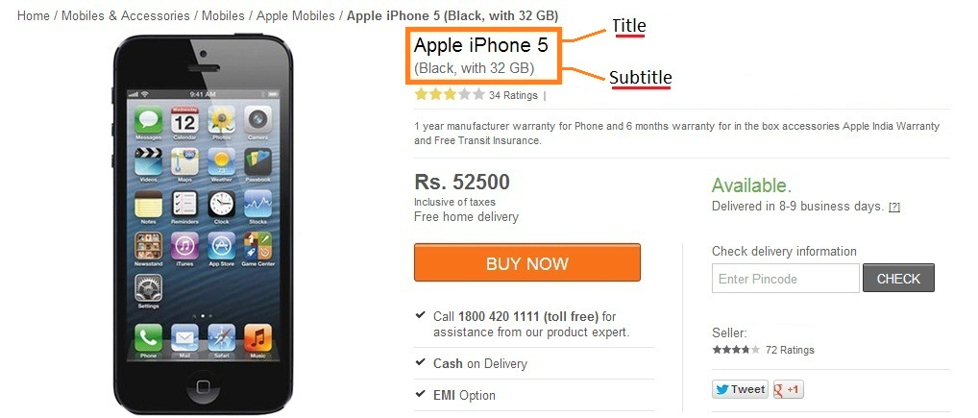

Refiners: Refiners such as Graphics Memory Type, Hard Disk Capacity, and Touchscreen simplify search and provide better visibility to a product. These are used to help a customer narrow down on a product.

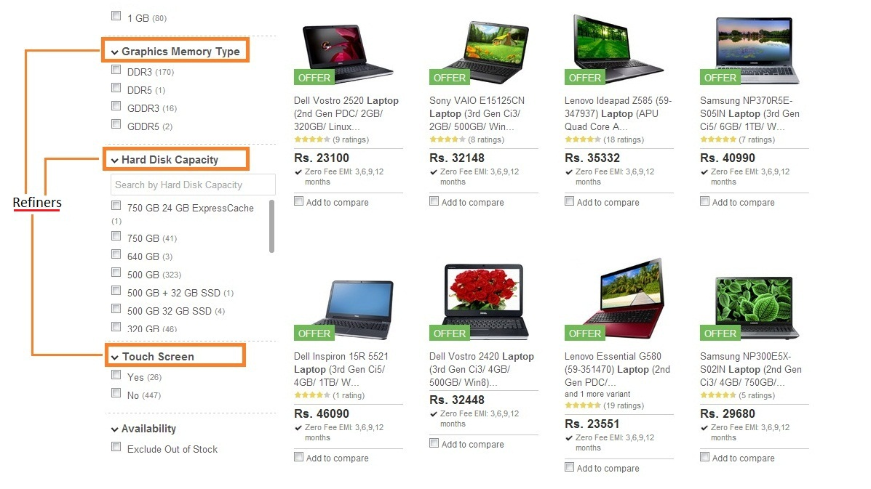

Step 2: Image Guidelines

Click the link to learn about image guidelines: https://seller.flipkart.com/LearningCenter/sub-category/566

Step 4: Fill Out the Catalogue File

* Provide as much data as possible to enhance buyer experience
* Enter values according to prescribed norms only. There are validation checks for number/decimal/character limits of the attributes
* Save the catalogue file frequently to prevent data loss due to system errors, etc. Do not rename the file.

Step 5: Upload the Catalogue File

Once you have filled out all necessary fields, upload the catalogue file by logging in to your seller account.

Reach out to Seller Support

For any queries/feedback, please email our Seller Support at ss@flipkart.com.

Happy Listing!

