classes
name | date | intime | image
Raj | 2020-02-15 | 16:37:33 | 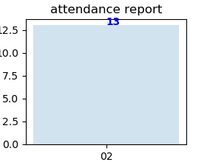
Raj | 2020-02-16 | 16:38:04
Raj | 2020-02-17 | 16:38:26
Raj | 2020-02-18 | 16:38:45
Raj | 2020-02-19 | 16:39:03
Raj | 2020-02-20 | 16:39:25
Raj | 2020-02-21 | 16:39:47

absent
name | phone | plan name | image
James | 6123457890 | classes | 