latest health
name | date | intime | image
sush | 2020-03-07 | 14:41:37 | 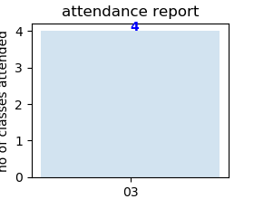
sush | 2020-03-07 | 14:41:44
sush | 2020-03-07 | 14:41:50
sush | 2020-03-07 | 14:41:55

absent
name | phone | plan name | image
Raj | 1234567890 | classes | 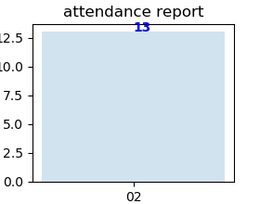
Josh | 7357108791 | personal training
John | 6543278910 | group personal training
John | 9876543210 | group personal training
James | 6123457890 | classes | 