Cross Tabulatio
Inventory Total
131174

Units Sold
67043

Items Returned
32482

Mean Shelf Duration
5452

Inventory Distribution by Location
Item Validity | Expired Inventory
Expired | 3277

Inventory Site | Inventory Total
central distribution center | 36741
downtown clinical storehouse | 26750
greenfield pharmacy outlet | 29487
metro health supply unit | 14505
northside medical depot | 23691

Item Validity | Expired Inventory
Expired | 105
Valid | 1102

PRODUCTS WITH HIGHEST REJECTION RATE
Product | % Returned
Amoxicillin | 57.13
Aspirin | 51.94
Bandage_10cm | 49.26
Ceftriaxone | 54.10
Ibuprofen | 50.43
IV_Catheter | 55.32
Lisinopril | 47.47
Metformin | 52.05
Omeprazole | 46.12
Paracetamol | 51.40
Syringe_5ml | 48.49

Product | Inventory
Ceftriaxone | 36109
Ibuprofen | 36936
Insulin | 36661
Lisinopril | 37017
Syringe_5ml | 38923

Item Validity | % Units Sold
Amoxicillin | 52.886367644
Aspirin | 51.343516557
Ceftriaxone | 51.646403944
Levothyroxine | 51.459385176
Metformin | 51.640014666

Inventory Expiry Forecast by Month
Year | (Multiple Items)

Month | Expired Inventory
January | 103
February | 60
March | 115
April | 98
May | 105
June | 97
July | 114
August | 99
September | 84
October | 112
November | 95
December | 125

Inventory Site | Inventory Total | Units Sold
central distribution center | 36741 | 18443
downtown clinical storehouse | 26750 | 13487
greenfield pharmacy outlet | 29487 | 14985
metro health supply unit | 14505 | 7301
northside medical depot | 23691 | 12827

visualisation
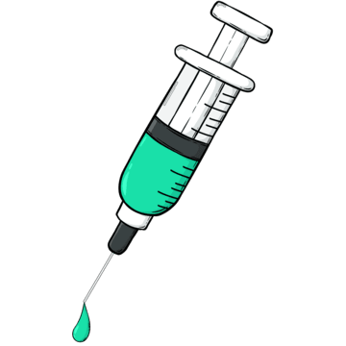
Healthcare Inventory Analysis &
Monitoring
 | Total
Total | 32482
 | Total
Total | 131174
 | Total
Total | 67043
 | Total
Total | 5452



Items Returned
Inventory Total
Units Sold
Mean Shelf Duration

PRODUCTS WITH HIGHEST REJECTION RATE
 | Total
Amoxicillin | 57.13
Aspirin | 51.94
Bandage_10cm | 49.26
Ceftriaxone | 54.10
Ibuprofen | 50.43
IV_Catheter | 55.32
Lisinopril | 47.47
Metformin | 52.05
Omeprazole | 46.12
Paracetamol | 51.40
Syringe_5ml | 48.49
Inventory Distribution by Location
 | Total
central distribution center | 36741
downtown clinical storehouse | 26750
greenfield pharmacy outlet | 29487
metro health supply unit | 14505
northside medical depot | 23691

 | Total
Expired | 105
Valid | 1102
INVENTORY EXPIRY FORECAST BY MONTH
 | Total
January | 103
February | 60
March | 115
April | 98
May | 105
June | 97
July | 114
August | 99
September | 84
October | 112
November | 95
December | 125
STORE-WISE SALES & INVENTORY COMPARISON
 | Inventory Total | Units Sold
central distribution center | 36741 | 18443
downtown clinical storehouse | 26750 | 13487
greenfield pharmacy outlet | 29487 | 14985
metro health supply unit | 14505 | 7301
northside medical depot | 23691 | 12827

