Cover


Safety
Safety performance data
Data excludes OZ Minerals and Discontinued operations as follows: BHP Mitsui Coal (sale completed 3 May 2022) and operated assets in our Petroleum business up to the date of the merger with Woodside (1 June 2022). Data in italics indicates that data has been restated since it was reported in the ESG Standards and Databook 2022. Due to the lag nature of incident reporting and subsequent verification, final results may vary post reporting.
Regional summary for FY2023
Per 1,000,000 hours worked
Region | Employee fatalities | Contractor fatalities | Employee total recordable injury frequency (TRIF) | Contractor TRIF | Employee high-potential injury frequency1 | Contractor high-potential injury frequency1
Asia | 0 | 0 | 0.0 | 0.0 | 0.0 | 0.0
Australia | 1 | 1 | 6.5 | 7.0 | 0.2 | 0.2
Europe | 0 | 0 | 0.0 | - | 0.0 | 0.0
North America | 0 | 0 | 1.9 | 4.7 | 0.0 | 0.0
South America | 0 | 0 | 1.5 | 1.3 | 0.2 | 0.1
Total | 1 | 1 | 5.0 | 4.1 | 0.2 | 0.2

Injury rates for FY2023
SASB basis – per 200,000 hours worked
 |  | Employees | Contractors
Total recordable injury frequency | Per 200,000 hours worked | 1.01 | 0.81
High-potential injury frequency1 | Per 200,000 hours worked | 0.03 | 0.04
High consequence injury frequency2 | Per 200,000 hours worked | 0.16 | 0.07
Number of recordable work-related injuries |  | 353 | 411
Number of high consequence work-related injuries2 |  | 57 | 37
Number of hours worked |  | 69,954,718 | 101,321,851

Total recordable injury frequency, high-potential injuries and high-potential injury frequency
per million hours worked
Year | Total recordable injury frequency (TRIF)3 | % change | High-potential injury (HPI)1 | % change | High-potential injury frequency (HPIF)1 | % change
FY2023 | 4.5 | 9% | 30 | 25% | 0.18 | 12%
FY2022 | 4.1 | 8% | 24 | -27% | 0.16 | -24%
FY2021 | 3.8 | -12% | 33 | -21% | 0.21 | -16%
FY2020 | 4.3 | 0% | 42 | -14% | 0.25 | -24%
FY2019 | 4.3 | -7% | 49 | -8% | 0.33 | -21%
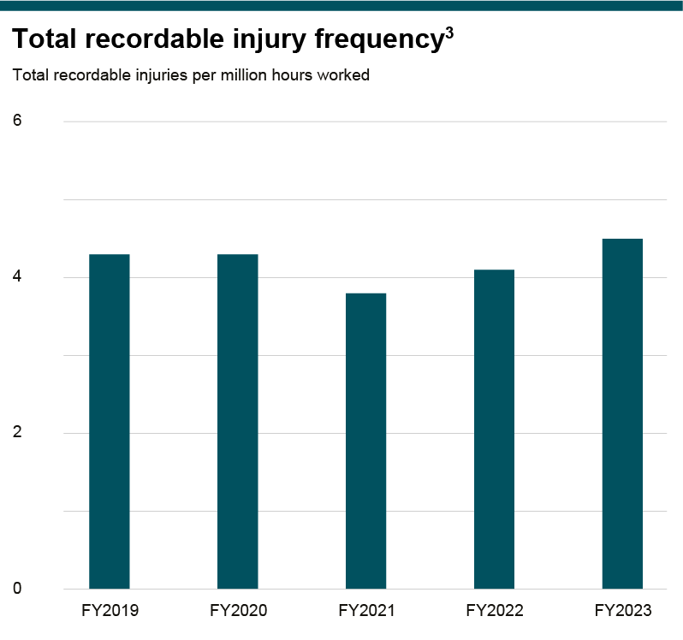

Footnotes
(1) High-potential injuries (HPI) are recordable injuries and first aid cases where there was the potential for a fatality. High-potential injury basis of calculation was revised in FY2020 from event count to injury count as part of a safety reporting methodology improvement. One additional event from FY2022 was reclassified to be an HPI post FY2022, updating the total from 23 to 24. Since the acquisition of OZ Minerals on 2 May 2023, there have been three HPIs recorded at former OZ Minerals assets.
(2) High consequence injuries are recordable injuries that result in life altering or long-term/permanent disabling injuries.
(3) Combined employee and contractor frequency per 1 million hours worked.

Health
Health performance data
Data excludes OZ Minerals and Discontinued operations as follows: BHP Mitsui Coal (sale completed 3 May 2022) and operated assets in our Petroleum business up to the date of the merger with Woodside (1 June 2022). Data in italics indicates that data has been restated since it was reported in the ESG Standards and Databook 2022. Due to the lag nature of incident reporting and subsequent verification, final results may vary post reporting. Occupational illnesses excludes COVID-19 related data.
Occupational illness incidence – total by region
Occupational illness per million hours worked
Region | FY2019 | FY2020 | FY2021 | FY2022 | FY2023
Asia | 0.0 | 0.0 | 0.0 | 0.0 | 0.2
Australia | 3.7 | 4.0 | 4.0 | 3.8 | 4.3
Europe | 0.0 | 0.0 | 0.0 | 0.0 | 0.0
North America | 0.0 | 0.2 | 0.2 | 0.0 | 1.0
South America | 1.7 | 1.0 | 1.8 | 1.1 | 1.2
Total | 2.8 | 2.7 | 3.1 | 2.7 | 3.0

Occupational illness incidence – employee by region
Occupational illness per million hours worked
Region | FY2019 | FY2020 | FY2021 | FY2022 | FY2023
Asia | 0.0 | 0.0 | 0.0 | 0.0 | 0.3
Australia | 5.3 | 6.1 | 5.6 | 4.7 | 5.2
Europe | 0.0 | 0.0 | 0.0 | 0.0 | 0.0
North America | 0.0 | 0.0 | 0.0 | 0.0 | 0.0
South America | 5.0 | 2.5 | 3.6 | 3.4 | 2.5
Total | 4.8 | 4.8 | 4.7 | 4.1 | 4.4

Occupational illness incidence – contractor by region1
Occupational illness per million hours worked
Region | FY2019 | FY2020 | FY2021 | FY2022 | FY2023
Asia | 0.0 | 0.0 | 0.0 | 0.0 | 0.0
Australia | 2.6 | 2.4 | 2.6 | 3.0 | 3.3
Europe | 0.0 | 0.0 | 0.0 | 0.0 | 0.0
North America | 0.0 | 0.6 | 0.5 | 0.0 | 1.2
South America | 0.6 | 0.5 | 1.0 | 0.3 | 0.9
Total | 1.7 | 1.5 | 1.9 | 1.7 | 2.0

Occupational illness incidence – employee
 |  | Actual numbers |  |  | Occupational illness per million employee hours worked
Year | Total occupational illness – employee | Noise-induced hearing loss | Musculoskeletal illness | Other illnesses | Noise-induced hearing loss | Musculoskeletal illness | Other illnesses | Total
FY2023 | 304 | 34 | 220 | 50 | 0.49 | 3.14 | 0.71 | 4.35
FY2022 | 269 | 46 | 169 | 54 | 0.70 | 2.58 | 0.83 | 4.11
FY2021 | 317 | 71 | 192 | 54 | 1.06 | 2.87 | 0.81 | 4.73
FY2020 | 298 | 43 | 202 | 53 | 0.69 | 3.24 | 0.85 | 4.78
FY2019 | 264 | 65 | 154 | 45 | 1.18 | 2.80 | 0.82 | 4.80

Occupational illness incidence – contractor1
 |  | Actual numbers |  |  | Occupational illness per million contractor hours worked
Year | Total occupational illness – contractor | Noise-induced hearing loss | Musculoskeletal illness | Other illnesses | Noise-induced hearing loss | Musculoskeletal illness | Other illnesses | Total
FY2023 | 202 | 0 | 143 | 59 | 0.00 | 1.41 | 0.58 | 1.99
FY2022 | 152 | 1 | 100 | 51 | 0.01 | 1.12 | 0.57 | 1.70
FY2021 | 175 | 0 | 124 | 51 | 0.00 | 1.36 | 0.56 | 1.92
FY2020 | 158 | 1 | 102 | 55 | 0.01 | 0.98 | 0.53 | 1.52
FY2019 | 160 | 0 | 104 | 56 | 0.00 | 1.09 | 0.59 | 1.68

Regional summary for FY2023
Per million hours worked
Region | Employee occupational illness incidence | Contractor occupational illness incidence
Asia | 0.3 | 0.0
Australia | 5.2 | 3.3
Europe | 0.0 | 0.0
North America | 0.0 | 1.2
South America | 2.5 | 0.9
Total | 4.3 | 2.0

Occupational exposure reduction trend over time2,3
 | FY2019 | FY2020 | FY2021 | FY2022 | FY2023
Coal mine dust exposures | 0 | 0 | 14 | 0 | 0
Silica exposures | 1783 | 1514 | 1046 | 1006 | 681
DPM (diesel) exposures | 377 | 169 | 312 | 327 | 211

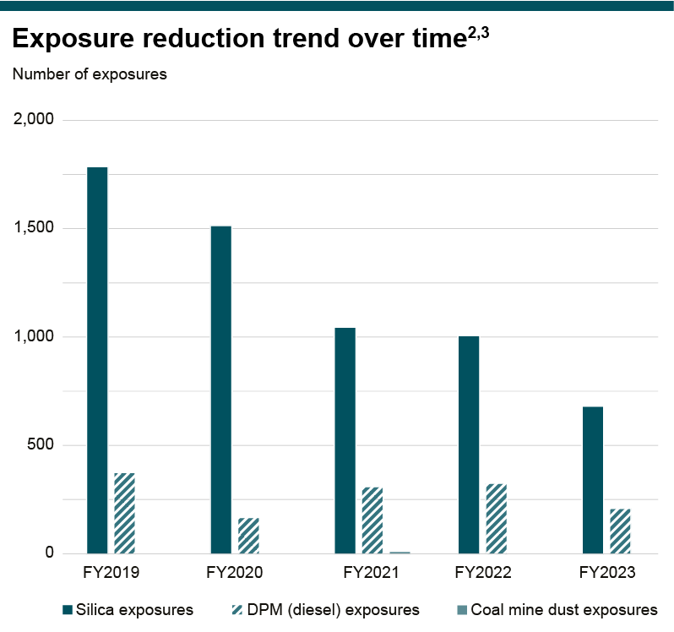

Footnotes
(1) Due to regulatory regimes and limited access to data, we do not have full oversight of the incidence of contractor noise-induced hearing loss (NIHL) cases.
(2) Occupational exposure data is presented without considering protection from the use of personal protective equipment (where required as outlined in the Our Requirements for Health standard). The data excludes Projects.
(3) As of FY2021, the Occupational Exposure Limit for Coal was reduced to 1.5 mg/m3 compared to 2.0mg/m3 in previous years.

Water
Water performance data
Data excludes OZ Minerals and Discontinued operations as follows: BHP Mitsui Coal (sale completed 3 May 2022) and operated assets in our Petroleum business up to the date of the merger with Woodside (1 June 2022). Data in italics indicates that data has been restated since it was reported in the ESG Standards and Databook 2022. Data has been rounded to the nearest 10 megalitres and in some instances the sum of totals for quality, source and destination may differ due to rounding.
FY2023 data by operated asset
Megalitres (ML)
Metric | Total | Total (Water Stress Areas) | Escondida | Legacy assets | Nickel West | NSW Energy Coal | Olympic Dam | Pampa Norte | Jansen Potash Project | BMA | Western Australia Iron Ore (WAIO)
Assets in water stress location(1) |  |  |  | Yes |  |  |  | Yes
Withdrawals | 408,540 | 29,710 | 226,190 | 1,070 | 16,160 | 13,730 | 16,340 | 28,640 | 1020 | 60,150 | 45,240
Water withdrawals by quality - Type 1 | 50,520 | 1,070 | 0 | 1,070 | 2,620 | 2,310 | 0 | 0 | 0 | 14,320 | 30,200
Water withdrawals by quality - Type 2 | 87,890 | 17,790 | 0 | 0 | 4,070 | 9,210 | 10,930 | 17,790 | 1020 | 40,530 | 4,340
Water withdrawals by quality - Type 3 | 270,120 | 10,850 | 226,190 | 0 | 9,460 | 2,210 | 5,410 | 10,850 | 0 | 5,300 | 10,700
Water withdrawals by source - Surface water | 64,590 | 1,070 | 0 | 1,070 | 170 | 10,570 | 1,950 | 0 | 880 | 49,950 | 0
Water withdrawals by source - Groundwater | 93,570 | 4,690 | 12,260 | 0 | 14,030 | 2,210 | 14,390 | 4,690 | 140 | 5,300 | 40,550
Water withdrawals by source - Sea water | 213,920 | 0 | 213,920 | 0 | 0 | 0 | 0 | 0 | 0 | 0 | 0
Water withdrawals by source - Third party | 36,450 | 23,950 | 0 | 0 | 1,960 | 950 | 0 | 23,950(2) | 0 | 4,900 | 4,690
Total water withdrawals (water stress areas)(1) | 29,710 | 29,710 | 0 | 1070 | 0 | 0 | 0 | 28,640 | 0 | 0 | 0
Discharge | 140,370 | 2,630 | 122,920 | 0 | 120 | 2,560 | 0 | 2,630 | 380 | 10,210 | 1,550
Water discharge by quality - Type 1 | 0 | 0 | 0 | 0 | 0 | 0 | 0 | 0 | 0 | 0 | 0
Water discharge by quality - Type 2 | 13,990 | 0 | 0 | 0 | 0 | 2,560 | 0 | 0 | 350 | 10,210 | 870
Water discharge by quality - Type 3 | 126,390 | 2,630 | 122,920 | 0 | 120 | 0 | 0 | 2,630 | 30 | 0 | 690
Water discharge by destination - Surface water | 14,460 | 0 | 0 | 0 | 0 | 2,560 | 0 | 0 | 350 | 10,090 | 1,460
Water discharge by destination - Groundwater | 3,950 | 2,630 | 1,290 | 0 | 0 | 0 | 0 | 2,630 | 30 | 0 | 0
Water discharge by destination - Sea water | 121,730 | 0 | 121,630 | 0 | 0 | 0 | 0 | 0 | 0 | 0 | 100
Water discharge by destination - Third party | 230 | 0 | 0 | 0 | 120 (3) | 0 | 0 | 0 | 0 | 110 | 0
Total water discharge (water stress areas)(1) | 2,630 | 2,630 | 0 | 0 | 0 | 0 | 0 | 2,630 | 0 | 0 | 0
Consumption | 307,850 | 33,710 | 115,280 | 1,860 | 16,870 | 10,200 | 15,910 | 31,850 | 240 | 49,780 | 65,860
Consumption - evaporation | 159,220 | 14,090 | 40,640 | 1,860 | 710 | 6,030 | 12,880 | 12,230 | 150 | 37,550 | 47,170
Consumption - entrainment | 128,830 | 19,360 | 72,950 | 0 | 0 | 4,170 | 2,170 | 19,360 | 10 | 11,480 | 18,690
Consumption - other | 19,810 | 270 | 1,690 | 0 | 16,160 | 0 | 860 | 270 | 80 | 750 | 0
Total consumption (water stress areas)(1) | 33,710 | 33,710 | 0 | 1860 | 0 | 0 | 0 | 31,850 | 0 | 0 | 0
Recycled / Reused (4) | 344,710 | 262,760 | 36,300 | 10 | 7,630 | 5650 | 12,740 | 262,750 | 0 | 10,520 | 9,110
Other managed water - Total withdrawals(5) | 91,220 | 31,400 | 470 | 30,610 | 0 | 0 | 830 | 790 | 0 | 13,570 | 44,950
Other managed water - Type 1 withdrawals | 51,320 | 0 | 0 | 0 | 0 | 0 | 0 | 0 | 0 | 6,370 | 44,950
Other managed water - Type 2 withdrawals | 15,420 | 7,390 | 0 | 7,390 | 0 | 0 | 830 | 0 | 0 | 7,200 | 0
Other managed water - Type 3 withdrawals | 24,480 | 24,010 | 470 | 23,220 | 0 | 0 | 0 | 790 | 0 | 0 | 0
Other managed water - Total discharge(5) | 61,000 | 32,370 | 470 | 31,580 | 0 | 0 | 790 | 790 | 0 | 5,250 | 22,120
Other managed water - Type 1 discharge | 29,060 | 6,200 | 0 | 6,200 | 0 | 0 | 740 | 0 | 0 | 0 | 22,120
Other managed water - Type 2 discharge | 9,360 | 4,060 | 0 | 4,060 | 0 | 0 | 50 | 0 | 0 | 5,250 | 0
Other managed water - Type 3 discharge | 22,580 | 22,110 | 470 | 21,320 | 0 | 0 | 0 | 790 | 0 | 0 | 0
Change in storage (6) |  |  | -620 | 0 | 110 | -520 | 680 | 0 | 220 | 6,080 | 0

Total water withdrawals7,8,9
Megalitres (ML)
Year ended 30 June 2023 | Type 1 (High Quality) | Type 2 (High Quality) | Type 3 (Low Quality) | Surface water | Groundwater | Seawater | Third-party water
2023 | 50,520 | 87,890 | 270,120 | 64,590 | 93,570 | 213,920 | 36,450
2022 | 51,650 | 67,120 | 283,830 | 68,060 | 89,510 | 222,570 | 22,480
2021 | 52,040 | 35,430 | 269,840 | 28,710 | 92,160 | 215,690 | 20,730
2020 | 48,870 | 34,330 | 248,790 | 43,450 | 112,570 | 176,000 | -
2019 | 56,870 | 36,170 | 215,030 | 48,980 | 131,130 | 127,930 | -

Total water discharges
Megalitres (ML)
Year ended 30 June 2023 | Type 1 (High Quality) | Type 2 (High Quality) | Type 3 (Low Quality) | Surface water | Groundwater | Seawater | Third-party water
2023 | – | 13,990 | 126,390 | 14,460 | 3,950 | 121,730 | 230
2022 | – | 10,870 | 128,730 | 11,280 | 1,500 | 126,670 | 150
2021 | – | 2,390 | 124,250 | 2,450 | 1,870 | 121,660 | 660
2020 | – | 3,740 | 100,670 | 3,970 | 1,510 | 98,610 | 310
2019 | – | 3,060 | 75,100 | 2,940 | 1,540 | 73,370 | 320

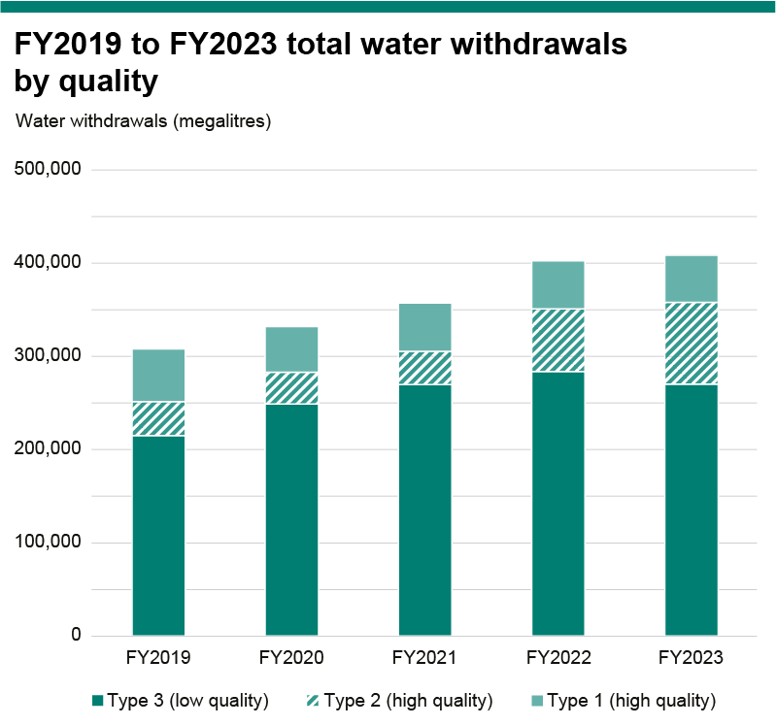
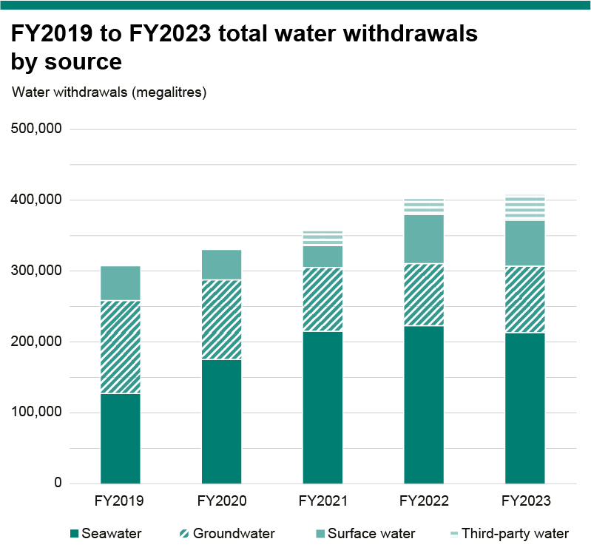

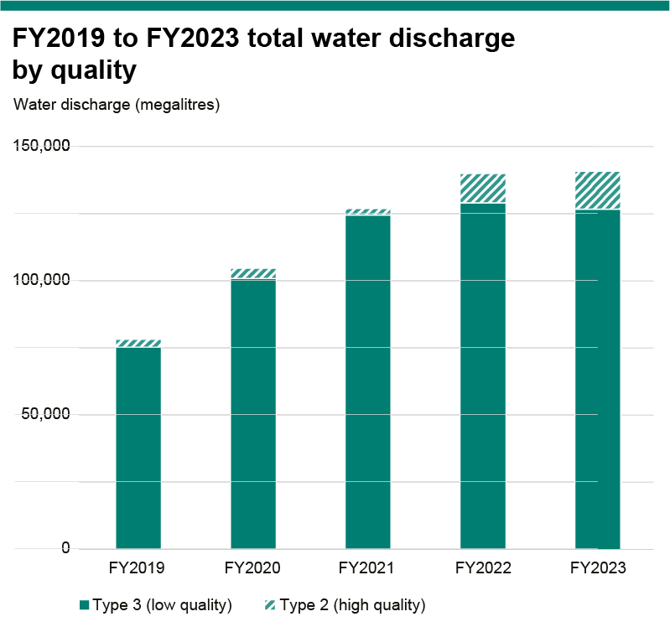
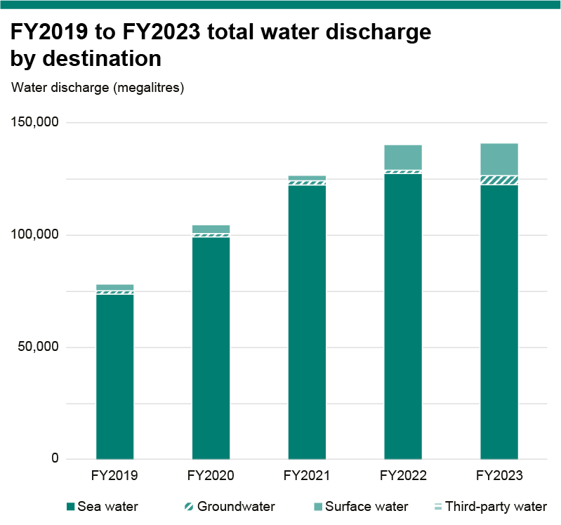

Footnotes
(1) Based on the physical risk rating from the WWF Water Risk filter and is based on the definition of water stress in the CEO Water Mandate’s ‘Corporate Water Disclosure Guidelines (2014)’. Those assets with a high or very high physical risk rating are defined as being located in a ‘water-stressed area’.
(2) This third-party water is sourced from a combination of desalinated water, groundwater and surface water sources in varying proportions across the reporting period.
(3) This volume was discharged as water supply to a neighbouring organisation.
(4) Due to the strong influence of climatic variation at BMA and its impact on the proportion of new and worked water within BMA’s mixed water stores, water recycled/reused has been calculated as the total volume of water that is returned from operational tasks to water stores. This is a deviation from the methodology outlined by ICMM Water Reporting: Good Practice Guide, to allow for a more accurate representation of water recycled/reused at BMA
(5) Other managed water was reported as diversions in prior years. From FY2022, these volumes have been reported by quality type as required by the updated ICMM guidance.
(6) Changes in water storage reported for asset where changes in storage are considered material for the operated asset.
(7) For FY2019 to FY2021, data includes rainfall and run-off volumes captured and used during the reporting year; rainfall and run-off volumes that have been captured and stored are excluded and will be reported in the future year of use. As a result of the issue of updated ICMM water reporting guidance in late FY2021, volumes of rainfall and run-off volumes captured and not used as well as volumes captured and used in the reporting year are included in FY2022 onwards data.
(8) As defined by the MCA Minerals Industry Water Accounting Framework User Guide V2.
(9) Volumes of withdrawal by source were updated for FY2019, FY2018 and FY2017 for the Nickel West operated asset at Kwinana. Previously, the total volumes of water suppled to the site by a third party, Water Corporation, was proportionately to source in alignment with the public information (48 per cent from seawater, 42 per cent from groundwater and 10 per cent from surface water). In FY2020, Water Corporation supplied BHP site-specific proportions of water sources for our Kwinana operations for the FY2017 to FY2019 period. From FY2021 all data is reported as third party source.

Climate change
Climate change performance data
For more information on the calculation methodologies, assumptions, treatment of divestments/acquisitions, and key references used in the preparation of our GHG emissions data refer to BHP Scopes 1, 2 and 3 GHG Emissions Calculation Methodology 2023, available at bhp.com/climate. Data excludes former OZ Minerals assets and functions. For energy consumption and operational GHG emissions data, divestments are BHP's interest in BHP Mitsui Coal (BMC) (sale completed on 3 May 2022), BHP’s Petroleum business (merger with Woodside completed on 1 June 2022) and Onshore US assets (sale completed on 31 October 2018). For the Total operations basis, data excludes divestments from the completion date or effective economic date (as applicable) of the divestment. Continuing operations basis excludes all data from divestments. Data on a continuing operations basis is presented from FY2020 onwards as it is the baseline year of our medium-term operational GHG emissions target. Data in italics indicates that data has been restated since it was reported in the ESG Standards and Databook 2022.
Operational energy consumption
Organisational boundary: fuel and electricity consumption refers to the annual quantity of energy consumed by BHP from the combustion of fuel and operation of our facilities, together with energy consumed resulting from the electricity, heat, steam or cooling purchased by BHP for our use. We have made our calculations based on an operational control approach in line with Greenhouse Gas Protocol Corporate Accounting and Reporting Standard. Operational energy consumption from renewable sources includes third-party supplied renewable electricity as evidenced by renewable energy certificates or supplier-provided documentation, in line with the Greenhouse Gas Protocol Scope 2 Guidance. FY2023 operational energy consumption from renewable sources includes third-party supplied renewable electricity and a small volume of hydrotreated vegetable oil associated with a trial at Western Australian Iron Ore's Yandi iron ore operations. FY2022 operational energy consumption from renewable sources has been restated from 17.1 per cent, after our Cerro Colorado copper operation surrendered renewable energy certificates for all electricity consumption in CY2022. The final validation for surrender of the rights to claim renewable energy attributes assigned via the Chilean energy market’s Renewable Energy Certificate (REC) system is expected to occur by June 2024 with respect to the FY2023 period, following finalisation by the grid coordinator. As a result, we will re-calculate our renewable energy percentage with respect to Escondida and Pampa Norte following the final validation and restate that percentage as part of our annual reporting for FY2024 if required to adjust for any difference. Operational energy intensity has been restated due to a change in methodology for calculating copper equivalent production. For FY2017 to FY2023, copper has been calculated based on FY2023 average realised product prices, to allow comparison between years equivalent production. Productio
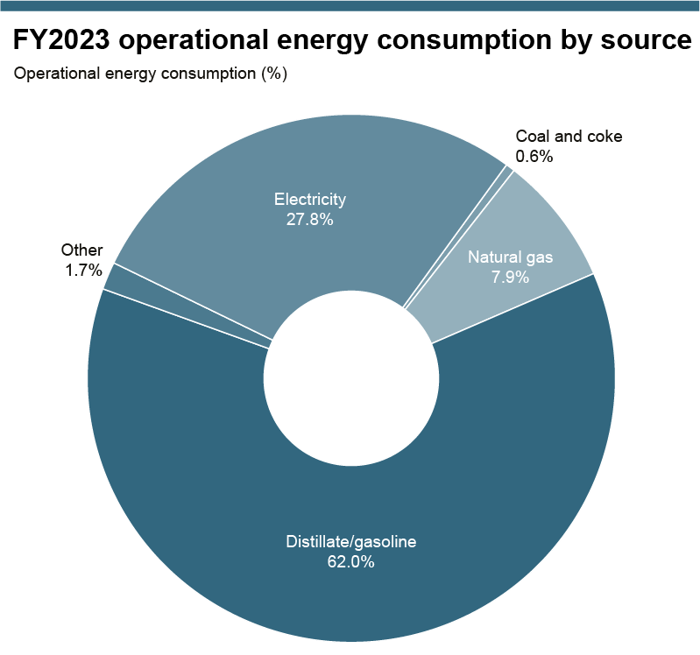

Operational energy consumption by source (PJ): Total operations basis |  |  |  |  |  |  |  | Operational energy consumption by source (PJ): Continuing operations basis
Operational energy consumption (PJ) | FY2017 | FY2018 | FY2019 | FY2020 | FY2021 | FY2022 | FY2023 | Operational energy consumption (PJ) | FY2020 | FY2021 | FY2022 | FY2023
Consumption of fuel | 112 | 115 | 114 | 114 | 118 | 112 | 99 | Consumption of fuel | 99 | 100 | 96 | 99
– Coal and coke | 1 | 1 | 1 | 1 | 1 | 1 | 1 | – Coal and coke | 1 | 1 | 1 | 1
– Natural gas | 33 | 31 | 24 | 21 | 23 | 22 | 11 | – Natural gas | 10 | 11 | 11 | 11
– Distillate/gasoline | 76 | 81 | 87 | 90 | 91 | 87 | 85 | – Distillate/gasoline | 85 | 86 | 82 | 85
– Other | 2 | 2 | 3 | 2 | 3 | 2 | 2 | – Other | 2 | 3 | 2 | 2
Consumption of electricity | 28 | 35 | 35 | 36 | 37 | 37 | 38 | Consumption of electricity | 36 | 37 | 37 | 38
Total operational energy consumption | 140 | 150 | 149 | 150 | 155 | 149 | 137 | Total operational energy consumption | 135 | 137 | 132 | 137
Consumption of electricity from grid | 24 | 31 | 31 | 32 | 33 | 33 | 34 | Consumption of electricity from grid | 32 | 32 | 33 | 34
Consumption of energy from renewable sources | 0 | 0 | 0 | 0 | 0.5 | 17.3 | 25.7 | Consumption of energy from renewable sources | 0 | 0.5 | 17.3 | 25.7
Operational energy intensity (gigajoules per tonne of copper equivalent production) | 17 | 17 | 18 | 18 | 19 | 19 | 18 | Operational energy intensity (gigajoules per tonne of copper equivalent production) | 18 | 18 | 18 | 18

Operational energy consumption by source (%): Total operations basis |  |  |  |  |  |  |  | Operational energy consumption by source (%): Continuing operations basis
Operational energy consumption (%) | FY2017 | FY2018 | FY2019 | FY2020 | FY2021 | FY2022 | FY2023 | Operational energy consumption (%) | FY2020 | FY2021 | FY2022 | FY2023
Consumption of fuel |  |  |  |  |  |  |  | Consumption of fuel
– Coal and coke | 1% | 1% | 1% | 1% | 1% | 1% | 1% | – Coal and coke | 1% | 1% | 1% | 1%
– Natural gas | 30% | 27% | 21% | 18% | 19% | 20% | 11% | – Natural gas | 11% | 11% | 11% | 11%
– Distillate/gasoline | 68% | 71% | 76% | 79% | 77% | 78% | 86% | – Distillate/gasoline | 86% | 85% | 86% | 86%
– Other | 2% | 2% | 2% | 2% | 3% | 2% | 2% | – Other | 3% | 3% | 2% | 2%
Consumption of electricity |  |  |  |  |  |  |  | Consumption of electricity
– Consumption of electricity from grid | 85% | 89% | 88% | 88% | 89% | 89% | 90% | – Consumption of electricity from grid | 88% | 89% | 89% | 90%
– Consumption of electricity from renewable sources | 0% | 0% | 0% | 0% | 1% | 47% | 67% | – Consumption of electricity from renewable sources | 0% | 1% | 47% | 67%
Operational energy consumption from renewable sources | 0% | 0% | 0% | 0% | 0% | 12% | 19% | Operational energy consumption from renewable sources | 0% | 0% | 13% | 19%

Operational greenhouse gas (GHG) emissions
Organisational boundary: Scopes 1 and 2 emissions have been calculated based on an operational control approach in accordance with the Greenhouse Gas Protocol Corporate Accounting and Reporting Standard. Scope 1 refers to direct GHG emissions from operated assets. Scope 2 refers to indirect GHG emissions from the generation of purchased or acquired electricity, steam, heat or cooling that is consumed by operated assets. Our Scope 2 emissions have been calculated using the market-based method, in line with the Greenhouse Gas Protocol Scope 2 Guidance unless otherwise specified. BHP Scope 2 emissions are not currently calculated using a residual mix emission factor (RMF); this may result in double counting of low GHG emissions or renewable electricity contributions across grid-supplied consumers. The Australian government published a RMF at the end of FY2023. We will review the RMF and its impact on our Scope 2 emissions accounting for FY2024. BHP currently uses Global Warming Potentials (GWP) from the Intergovernmental Panel on Climate Change (IPCC) Assessment Report 5 (AR5) based on a 100-year timeframe for all BHP operated assets. Minerals Americas transitioned from IPCC Assessment Report 4 (AR4) to AR5 GWP in FY2022, and all other operated assets transitioned in FY2021. FY2021 and FY2022 percentages of Scope 1 emissions covered under a GHG emissions-limiting regulation have been restated upon confirming that GHG emissions from our Jansen Potash Project were not covered under emissions-limiting regulation for those periods. Previously reported percentages were 81 per cent for FY2021 and 78 per cent for FY2022. Operational GHG emission intensity has been restated due to a change in methodology for calculating copper equivalent production. For FY2017 to FY2023 copper equivalent production has been calculated based on FY2023 average realised product prices, to allow comparison between years. Production figures used are consistent with operational GHG emissio
Operational GHG emissions: Total operations basis |  |  |  |  |  |  |  | Operational GHG emissions: Continuing operations basis
Operational GHG emissions (MtCO2-e) | FY2017 | FY2018 | FY2019 | FY2020 | FY2021 | FY2022 | FY2023 | Operational GHG emissions (MtCO2-e) | FY2020 | FY2021 | FY2022 | FY2023
Scope 1 emissions | 10.5 | 10.6 | 9.7 | 9.6 | 10.1 | 9.2 | 8.0 | Scope 1 emissions | 8.3 | 8.8 | 7.9 | 8.0
Scope 2 emissions | 5.8 | 6.4 | 6.2 | 6.3 | 6.2 | 3.1 | 1.8 | Scope 2 emissions | 6.2 | 6.1 | 3.0 | 1.8
Total operational GHG emissions | 16.3 | 17.0 | 15.9 | 15.9 | 16.3 | 12.3 | 9.8 | Total operational GHG emissions | 14.6 | 14.9 | 11.0 | 9.8
Carbon credits retired | 0 | 0 | 0 | 0 | 0.3 | 0 | 0 | Carbon credits retired | 0 | 0.3 | 0 | 0
Total operational GHG emissions (including carbon credits) | 16.3 | 17.0 | 15.9 | 15.9 | 16.0 | 12.3 | 9.8 | Total operational GHG emissions (including carbon credits) | 14.6 | 14.6 | 11.0 | 9.8
Operational GHG emissions intensity (tonnes CO2-e per tonne of copper equivalent production) | 2.0 | 1.9 | 1.9 | 1.9 | 2.0 | 1.6 | 1.3 | Operational GHG emissions intensity (tonnes CO2-e per tonne of copper equivalent production) | 1.9 | 2.0 | 1.5 | 1.3
Scope 1 emissions intensity - energy basis (tonnes CO2-e per PJ energy consumed ex. electricity) | 0.09 | 0.09 | 0.09 | 0.08 | 0.09 | 0.08 | 0.08 | Scope 1 emissions intensity - energy basis (tonnes CO2-e per PJ energy consumed ex. electricity) | 0.08 | 0.09 | 0.08 | 0.08
Scope 2 emissions intensity - energy basis (tonnes CO2-e per PJ electricity consumed) | 0.21 | 0.18 | 0.18 | 0.17 | 0.17 | 0.08 | 0.05 | Scope 2 emissions intensity - energy basis (tonnes CO2-e per PJ electricity consumed) | 0.17 | 0.17 | 0.08 | 0.05
Percentage of Scope 1 emissions covered under a GHG emissions-limiting regulation | 79% | 81% | 75% | 81% | 74% | 71% | 81% | Percentage of Scope 1 emissions covered under a GHG emissions-limiting regulation | 83% | 85% | 82% | 81%
Percentage of Scope 1 emissions from methane | 20% | 21% | 19% | 19% | 22% | 18% | 15% | Percentage of Scope 1 emissions from methane | 19% | 22% | 18% | 15%
Scope 2 emissions (location based) | 6.0 | 6.1 | 5.1 | 5.1 | 5.0 | 4.8 | 3.8 | Scope 2 emissions (location based) | 5.1 | 4.9 | 4.7 | 3.8
Material operational changes | - | - | Divestment of US Onshore | - | - | Divestment of BMC and Petroleum | -

In FY2022, the Caval Ridge operation moved to a facility-specific GHG emissions calculation methodology for fugitive emissions as detailed in the National Greenhouse and Energy Reporting (NGER) (Measurement) Determination 2008 (Method 2 - extraction of coal). When comparing FY2022 to FY2021, this methodology change reduced reported fugitive emissions by approximately 0.35 MtCO2-e. Since fugitive emissions are largely composed of methane, this methodology change was also a material contributor to the overall decrease in methane emissions reported from FY2021 to FY2022 (approximately 0.22 MtCO2-e). FY2022 Scope 1 emissions from methane and operational GHG emissions from fugitive sources have been restated from 1.7 MtCO2-e, due to minor amendments to fugitive emissions at BHP Mitsubishi Alliance as part of the annual reconciliation process for Australian regulatory reporting process.

Scope 1 emissions by greenhouse gas (MtCO2-e): Total operations basis |  |  |  |  |  |  |  | Scope 1 emissions by greenhouse gas (MtCO2-e): Continuing operations basis
Scope 1 emissions (MtCO2-e) | FY2020 | FY2021 | FY2022 | FY2023 |  |  |  | Scope 1 emissions (MtCO2-e) | FY2020 | FY2021 | FY2022 | FY2023
Carbon dioxide (CO2) | 7.8 | 7.9 | 7.5 | 6.7 |  |  |  | Carbon dioxide (CO2) | 6.7 | 6.8 | 6.5 | 6.7
Methane (CH4) | 1.8 | 2.2 | 1.6 | 1.2 |  |  |  | Methane (CH4) | 1.6 | 2.0 | 1.4 | 1.2
Nitrous oxide (N2O) | 0.0 | 0.0 | 0.0 | 0.0 |  |  |  | Nitrous oxide (N2O) | 0.0 | 0.0 | 0.0 | 0.0
Sulphur hexafluoride (SF6) | 0.0 | 0.0 | 0.0 | 0.0 |  |  |  | Sulphur hexafluoride (SF6) | 0.0 | 0.0 | 0.0 | 0.0
Nitrogen trifluoride (NF3) | 0.0 | 0.0 | 0.0 | 0.0 |  |  |  | Nitrogen trifluoride (NF3) | 0.0 | 0.0 | 0.0 | 0.0
Hydrofluorocarbons (HFCs) | 0.0 | 0.0 | 0.0 | 0.0 |  |  |  | Hydrofluorocarbons (HFCs) | 0.0 | 0.0 | 0.0 | 0.0
Total Scope 1 emissions | 9.6 | 10.1 | 9.2 | 8.0 |  |  |  | Total Scope 1 emissions | 8.3 | 8.8 | 7.9 | 8.0

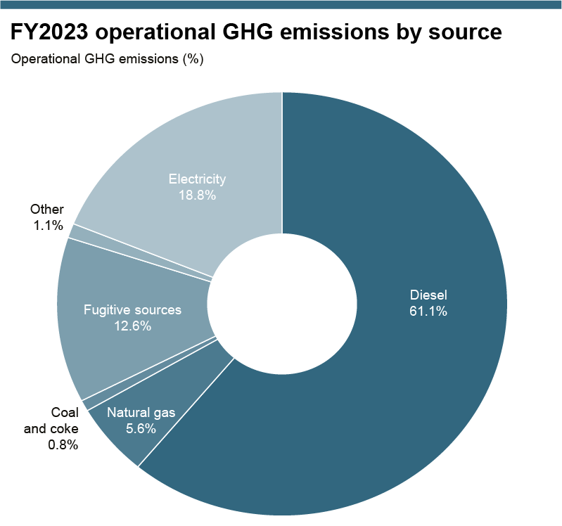

Operational GHG emissions by source (MtCO2-e): Total operations basis |  |  |  |  |  |  |  | Operational GHG emissions by source (MtCO2-e): Continuing operations basis
Operational GHG emissions (MtCO2-e) | FY2020 | FY2021 | FY2022 | FY2023 |  |  |  | Operational GHG emissions (MtCO2-e) | FY2020 | FY2021 | FY2022 | FY2023
Scope 1 |  |  |  |  |  |  |  | Scope 1
– Diesel | 6.3 | 6.4 | 6.1 | 6.0 |  |  |  | – Diesel | 6.0 | 6.0 | 5.8 | 6.0
– Natural gas | 1.1 | 1.2 | 1.1 | 0.5 |  |  |  | – Natural gas | 0.5 | 0.6 | 0.5 | 0.5
– Coal & coke | 0.1 | 0.1 | 0.1 | 0.1 |  |  |  | – Coal & coke | 0.1 | 0.1 | 0.1 | 0.1
– Fugitive sources | 2.0 | 2.3 | 1.7 | 1.2 |  |  |  | – Fugitive sources | 1.6 | 2.0 | 1.5 | 1.2
– Other | 0.1 | 0.1 | 0.1 | 0.1 |  |  |  | – Other | 0.1 | 0.1 | 0.1 | 0.1
Scope 2 (market-based) |  |  |  |  |  |  |  | Scope 2 (market-based)
– Electricity | 6.3 | 6.2 | 3.1 | 1.8 |  |  |  | – Electricity | 6.2 | 6.1 | 3.0 | 1.8
Total operational GHG emissions | 15.9 | 16.3 | 12.3 | 9.8 |  |  |  | Total operational GHG emissions | 14.6 | 14.9 | 11.0 | 9.8

In FY2023 BHP consumed a small volume of hydrotreated vegetable oil (HVO) associated with a trial at Western Australian Iron Ore's Yandi iron ore operations. As required by the GHG Protocol Corporate Accounting and Reporting Standard, BHP has reported the CO2 emissions associated with the combustion of biofuels separately to Scope 1 emissions. The CO2 emission factor for HVO was sourced from the UK Government Conversion Factors for Company Reporting 2022. This factor was chosen as the 2023 NGER Measurement Determination does not provide a CO2 factor for HVO.

Direct CO2 emissions from combustion of biofuels
CO2 emissions from combustion of biofuels (MtCO2) | FY2020 | FY2021 | FY2022 | FY2023
Hydrotreated vegetable oil (HVO) | 0 | 0 | 0 | 0.0004

Operational GHG emissions medium-term target performance
FY2020 is the base year for our current medium-term operational GHG emissions reduction target, to reduce our operational GHG emissions by at least 30 per cent from FY2020 levels by FY2030. The baseline year of our target will be adjusted for any material acquisitions and divestments, and to reflect progressive refinement of emissions reporting methodologies. For more information on adjustments made to the FY2020 baseline, see BHP Scopes 1, 2, and 3 GHG Emissions Calculation Methodology 2023, available at bhp.com/climate. The use of carbon credits will be governed by BHP's approach to carbon offsetting described at bhp.com/climate. The carbon credits retired in FY2021 have not been integrated into our FY2021 Scope 1 and Scope 2 emissions totals used to assess performance against our medium-term operational GHG emissions reduction target. Baseline and performance data has been adjusted for divestment of our interest in BMC (sale completed on 3 May 2022) and our Petroleum business (merger with Woodside completed on 1 June 2022) and for methodology changes (use of Intergovernmental Panel on Climate Change (IPCC) Assessment Report 5 (AR5) Global Warming Potentials and the transition to a facility-specific GHG emission calculation methodology for fugitives at Caval Ridge).
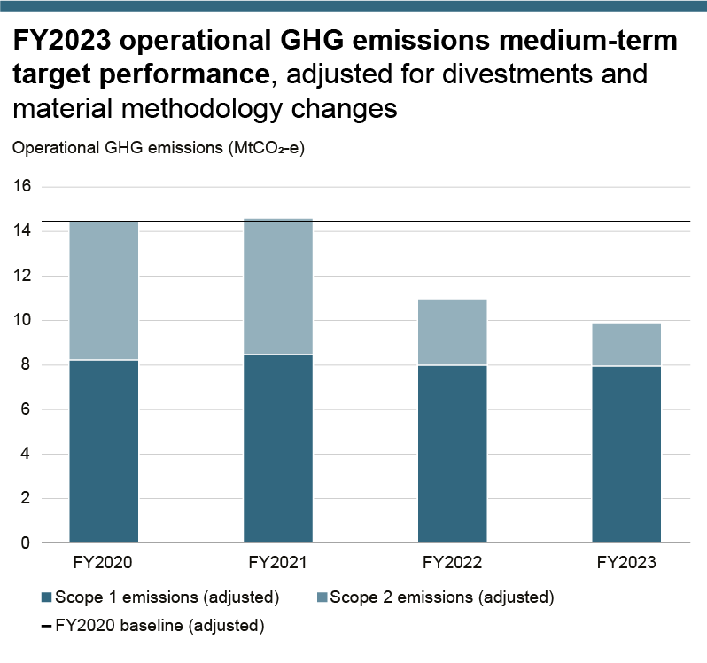

Operational GHG emissions medium-term target performance, adjusted for divestments and material methodology changes
Operational GHG emissions (MtCO2-e) | FY2020 | FY2021 | FY2022 | FY2023
Scopes 1 and 2 emissions | 14.5 | 14.6 | 11.0 | 9.8
FY2020 Baseline | 14.5

Scope 3 emissions
Scope 3 emissions have been calculated using methodologies consistent with the Greenhouse Gas Protocol Corporate Value Chain (Scope 3) Accounting and Reporting Standard (Scope 3 Standard). Organisational boundary: downstream Scope 3 emissions are estimated and reported on an equity share basis, but for upstream Scope 3 emissions the boundary is defined on a category-by-category basis due to data limitations. Scope 3 GHG emissions reporting necessarily requires a degree of overlap in reporting boundaries due to our involvement at multiple points in the life cycle of the commodities we produce and consume. For more information on the calculation methodologies, assumptions and key references used in the preparation of our Scope 3 emissions data, refer to the BHP Scopes 1, 2, and 3 GHG Emissions Calculation Methodology 2023, available at bhp.com/climate. Data from FY2020 to FY2023 has been calculated using a consistent methodology. Comparing progress in Scope 3 emission reduction between years should consider the role that divestments played in the reduction of GHG emissions. Data excludes divestments from the completion date or effective economic date (as applicable) of the divestment. Divestments reflected in the table below include the merger of our Petroleum business with Woodside (completed on 1 June 2022), divestment of our interest in the Rhourde Ouled Djemma (ROD) Integrated Development (completed in April 2022), divestment of our interest in BMC (completed on 3 May 2022), and divestment of our interest in Cerrejón (with an effective economic date of 31 December 2020). The most material changes between years occurred in Category 11 and Category 15.
Scope 3 emissions by source (MtCO2-e)
Scope 3 emissions MtCO2-e | FY2020 | FY2021 | FY2022 | FY2023 | Notes
Upstream
Category 1, Purchased goods and services (including capital goods) | 9.2 | 9.3 | 8.8 | 9.1 | In FY2023, BHP updated the spend-based data methodology to account for inflation. This new methodology was applied to data from FY2020 to FY2023 where spend-based data is used. For each reporting year, an inflation correction value was applied to the emissions factors sourced from the GHG Protocol Quantis Scope 3 Evaluator tool .This has resulted in the restatement of Category 1, which was 9.8MtCO2-e in FY2020, 10.1 MtCO2-e in FY2021 and 9.9MtCO2-e in FY2022.
Category 3, Fuel and energy related activities | 2.5 | 2.3 | 2.3 | 2.4 | In FY2023, BHP updated the emission factor used for calculating distillate and gasoline emissions in Category 3 after a more accurate emission factor was published in the National Greenhouse Accounts Factors (2022). This new emission factor was applied to FY2020 to FY2023 data, resulting in restatements. Previously reported data for Category 3 was 1.2 MtCO2-e in FY2020, 1.1 MtCO2-e for FY2021 and 1.0 MtCO2-e for FY2022.
Category 4, Upstream transportation and distribution | 4.6 | 4.8 | 4.5 | 4.4 | Includes product transport where freight costs are covered by BHP, for example under Cost and Freight (CFR) or similar terms, as well as purchased transport services for process inputs to our operations. In FY2023, BHP updated the spend-based data methodology to account for inflation. This new methodology was applied to data from FY2020 to FY2023 where spend-based data is used. For each reporting year, an inflation correction value was applied to the emissions factors sourced from the GHG Protocol Quantis Scope 3 Evaluator tool . This has resulted in the restatement of Category 4, FY2022 emissions which were previously reported as 4.6MtCO2-e.
Category 6, Business travel | 0.1 | 0.1 | 0.1 | 0.1 | In FY2023, BHP updated the spend-based data methodology to account for inflation. This new methodology was applied to data from FY2020 to FY2023 where spend-based data is used. For each reporting year, an inflation correction value was applied to the emissions factors sourced from the GHG Protocol Quantis Scope 3 Evaluator tool .
Category 7, Employee commuting | 0.2 | 0.4 | 0.3 | 0.2 | In FY2023, BHP updated the spend-based data methodology to account for inflation. This new methodology was applied to data from FY2020 to FY2023 where spend-based data is used. For each reporting year, an inflation correction value was applied to the emissions factors sourced from the GHG Protocol Quantis Scope 3 Evaluator tool .
Downstream
Category 9, Downstream transportation and distribution | 2.9 | 3.1 | 3.2 | 2.8 | This category includes GHG emissions associated with transportation of BHP's products to the customer where we do not cover the freight costs, for example under Free on Board (FOB), Ex Works (EXW) or similar terms. In FY2023, BHP commenced the portside transport of iron ore in China, and the methodology for calculating GHG emissions associated with this transport will be refined in future reporting years.
Category 10, Processing of sold products |  |  |  |  | Scope 3 GHG emissions associated with downstream processing of our zinc, gold, silver, ethane, cobalt and uranium oxide products are not currently included, as production volumes are relatively low and a large range of possible end uses apply; and/or downstream GHG emissions are estimated to be immaterial. For FY2020 to FY2022, processing/refining of petroleum products is also excluded as these GHG emissions are considered immaterial compared to the end-use product combustion reported in the ‘Use of sold products’ category.
– GHG emissions from steelmaking | 292.9 | 300.5 | 305.3 | 311.6 | All our iron ore and metallurgical coal products are assumed to be processed into steel. Allocation of steelmaking GHG emissions to BHP’s metallurgical coal is based on the global average input mass ration of metallurgical coal vs iron ore to the blast furnace-basic oxygen furnace (BF-BOF) steelmaking route. The GHG emission factor used to estimate Scope 3 GHG emissions reflects the blast furnace integrated steelmaking route into which the majority of BHP’s steelmaking raw materials portfolio is sold. The estimation also considers BHP iron ore product quality and its impact on the amount of ore required to produce steel. We will monitor and adjust, as required, the balance of intensity factors to reflect any evolution in our product quality and flows through to other pathways (such as direct reduced iron electric arc furnace (DRI-EAF)).
– Iron ore processing to crude steel | 252.8 | 260.7 | 270.8 | 282.9
– Metallurgical coal processing to crude steel | 40.1 | 39.8 | 34.5 | 28.7
– Copper processing | 1.0 | 1.0 | 1.0 | 1.1
– Nickel processing | 0.0 | 0.0 | 0.3 | 0.5
Total processing of sold products | 294.0 | 301.5 | 306.7 | 313.2
Category 11, Use of sold products
– Energy coal | 56.4 | 38.3 | 37.6 | 37.0
– Natural gas, crude oil and condensates, natural gas liquids | 40.4 | 38.1 | 35.0 | 0.0
Total use of sold products | 96.8 | 76.4 | 72.6 | 37.0
Category 15, Investments (i.e. our non-operated assets) | 2.7 | 2.7 | 2.8 | 1.3 | For BHP, this category covers the Scopes 1 and 2 GHG emissions (on an equity basis) from our assets that are not operated by BHP. See BHP Scopes 1, 2, and 3 GHG Emissions Calculation Methodology 2023 for assets included. In FY2023, all GHG emissions estimates from non-operated assets were developed from data provided directly by operators. Category 15 was restated from 2.7MtCO2-e for FY2022 due to an increase in GHG emissions reported by Tamakaya Energía SpA (Kelar Power plant).
Total Scope 3 emissions | 413.0 | 400.6 | 401.3 | 370.5
Total Scope 3 emissions (continuing operations basis) | 370.1 | 360.2 | 364.4 | 370.5 | Due to the divestment of our Petroleum business (merger with Woodside completed on 1 June 2022), divestment of our interest in the ROD Integrated Development (completed April 2022), divestment of our interest in BMC (completed on 3 May 2022), and divestment of our interest in Cerrejón (completed 31 December 2020), associated downstream Scope 3 emissions from the ‘Category 11 Use of sold products’ and ‘Category 15 Investments’ categories are removed in Total Scope 3 emissions (continuing operations basis) noting that other categories have not been removed for divestments due to the complexity of underlying data.

Additional climate change data
Power Purchase Agreements
Renewable energy consumption as evidenced by Renewable Energy Certificates (RECs), retirement of large-scale generation certificates (LGCs) (both voluntary and for renewable energy target compliance in Australia) and/or supplier-provided documentation in line with the Greenhouse Gas Protocol Scope 2 Guidance unless otherwise specified. Percentage figures calculated based on forecasted electricity consumption and renewable energy supply from Power Purchase Agreements (PPAs). Forecasted electricity consumption is subject to change and will be reviewed annually. Figures or notes in italics indicate that data or other information has been adjusted since it was previously published, for example due to a change in forecasted electricity consumption or expected retirement of LGCs, or that the information is new. Estimated percentage electricity consumption from renewable sources may not be equivalent to the reduction of BHP’s reported Scope 2 emissions for a range of reasons, including the greenhouse gas emissions reporting methodology and the source(s) of displaced volumes of power.

 |  |  |  | Type of renewable generation |  | Estimated % renewable energy consumption by asset
Supplier | Size (MWh p.a) | Start date | Duration (years) |  | Asset | FY2024 | FY2025 | FY2026 | Notes
Enel | ~3,300,000 | FY2022 | 15 | Existing and new – approximately half from new generation | Escondida (Chile) | 100% | 100% | 100% | Enel and Colbun supply electricity to both Escondida and Spence. Colbun PPA expansion option from 3 TWh to 3.3 TWh per annum has been triggered, to apply from February 2025 onwards.
Colbun | ~3,300,000 | FY2022 | 10 |  | Spence (Chile) | 91% | 95% | 90% | Enel and Colbun supply electricity to both Escondida and Spence. Colbun PPA expansion option from 3 TWh to 3.3 TWh per annum has been triggered, to apply from February 2025 onwards. Following an increase in forecasted electricity consumption, Spence will pursue options for additional electricity from renewable sources to support its aim to use 100 per cent renewable electricity by the mid-2020s. Data for FY2024 and FY2025 has been restated due to updated electricity forecasts for both Escondida and Spence.
CleanCo | Confidential | H2 FY2021 | 5 | New generation | BHP Mitsubishi Alliance (Queensland, Australia) | 39% | 48% | 24% | The term of the current PPA with CleanCo ends mid-FY2026 reflected by the lower (half-year only) percentage shown for FY2026. BMA will pursue options for additional electricity from renewable sources for H2 FY2026 onwards.
Neoen | ~613,200 | FY2026 | Confidential | New generation | Olympic Dam (South Australia, Australia) | 28% | 54% | 48%
Iberdrola | Confidential | FY2022 | Confidential | New generation |  |  |  |  | LGCs to be retired from FY2024 until the term of the current supply arrangements with Iberdrola end at the end of FY2025.
SUN Energy | ~130,000 | FY2022 | 10 | Existing generation | Nickel West (Western Australia, Australia) | 21% | 48% | 47% | Previous supplier, Risen Energy, sold generation asset to SUN Energy. LGCs to be retired from FY2024 onwards.
Southern Cross Energy Partnership – Northern Goldfields Solar Project | ~94,000 | FY2023 | 15+ | New generation |  |  |  |  | The Southern Cross Energy PPA and the TransAlta solar arrangements are under the same broader PPA for supply to Nickel West. Southern Cross Energy is a wholly owned subsidiary of the TransAlta Corporation. Nickel West has the option to take ownership of the Northern Goldfields Solar Project at the end of the PPA. LGCs to be retired from FY2024 onwards.
Enel Green Power | ~315,000 | FY2024 | 12 | New generation |  |  |  |  | LGCs to be retired from FY2024 onwards.
Alinta | ~118,000 | FY2025 | Confidential | New generation | Western Australia Iron Ore (Western Australia, Australia) | N/A | 5% | 8% | Forecasted electricity consumption at Western Australia Iron Ore includes consumption of self-generated electricity from our Yarnima gas fired power station for inland Pilbara operations, as well as third-party supply for grid connected operations. LGCs to be retired from FY2025 onwards.

Greenhouse gas (GHG) emissions intensity of BHP operated assets
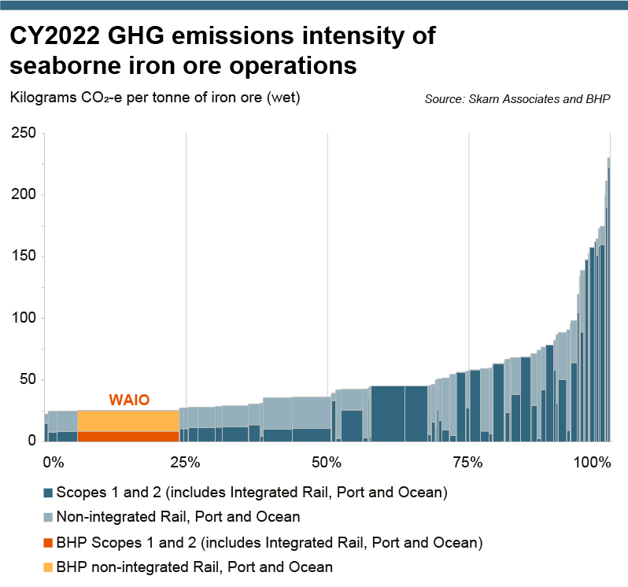
The iron ore GHG emissions intensity curve is based on CY2022 data estimates from Skarn Associates for seaborne iron ore operations. The GHG emissions intensity basis is kilograms of CO2-equivalent per tonne of iron ore (wet basis) produced per mine. BHP operations have been aggregated to Western Australia Iron Ore (WAIO) level and overlayed with reported BHP data points for CY2022 for: i) iron ore production (wet basis); ii) Scope 1 emissions; and iii) Scope 2 emissions incorporating integrated rail, port and ocean GHG emissions. Non-integrated Rail, Port and Ocean GHG emissions intensity estimates utilise Skarn Associates data across the dataset. In case of WAIO, only the GHG emissions from non-integrated Ocean freight are applicable as Rail and Port GHG emissions are included as part of Scopes 1 and 2 emissions.

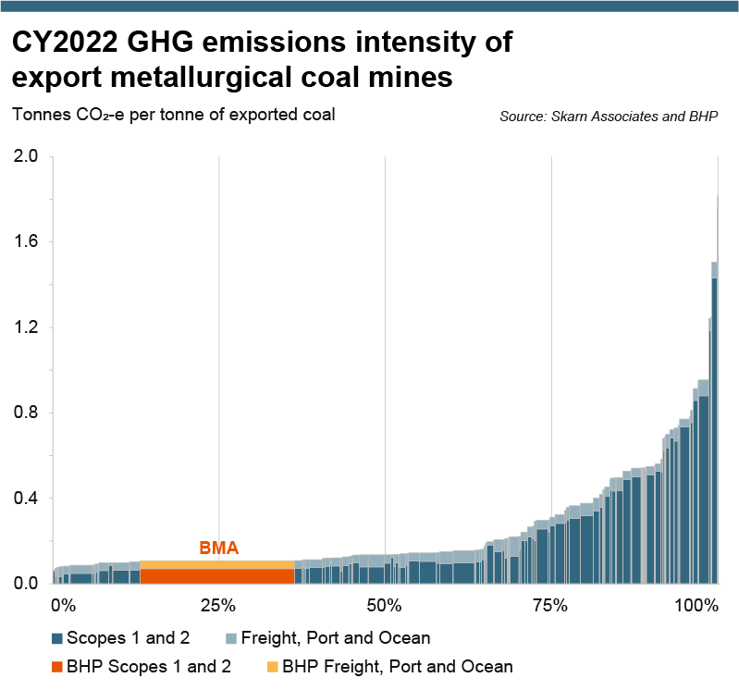
The metallurgical coal GHG emissions intensity curve is based on CY2022 data estimates from Skarn Associates. The GHG emissions intensity basis is tonnes of CO2-equivalent per tonne of exported coal produced per mine. BHP operations have been aggregated to BHP Mitsubishi Alliance (BMA) level. BMA has been overlayed with reported BHP data points for CY2022 for: i) metallurgical coal production; ii) Scope 1 emissions; and iii) Scope 2 emissions incorporating BHP operated integrated rail and port GHG emissions. GHG emissions intensity estimates for freight, port and ocean logistics of metallurgical coal products were calculated using Skarn Associates average intensities for CY2022. As BMA utilises both integrated (included in Scopes 1 and 2 emissions) and third-party rail and port services, this may result in partial double counting of GHG emissions. The data set applies IPCC AR5 CH4 global warming potential factors to all mines.

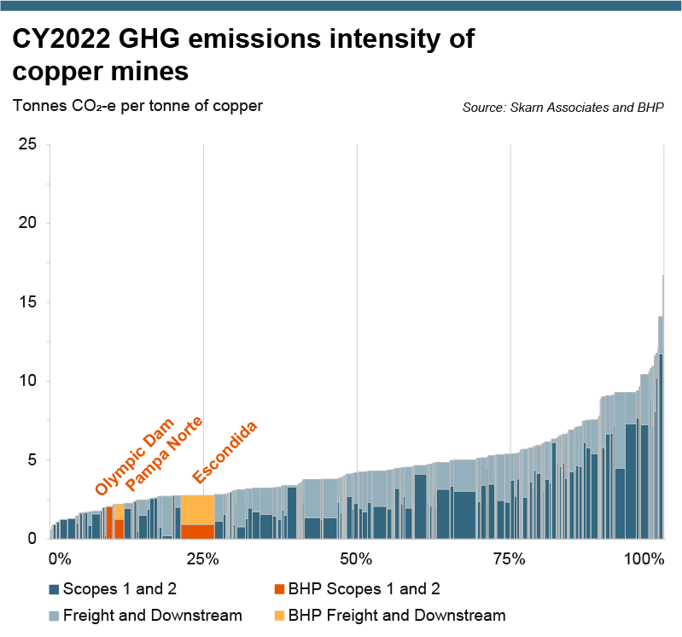
The copper mines GHG emissions intensity curve is based on CY2022 data estimates from Skarn Associates. Skarn Associates allocated GHG emissions based on the percentage of copper revenue for each mine, and change in methodology from the data presented in CY2021 previously disclosed. The GHG emissions intensity basis is tonnes of CO2-equivalent per tonne of copper production. We have overlayed Escondida, Pampa Norte (comprised of Spence and Cerro Colorado) and Olympic Dam with reported BHP data points for CY2022 for: i) production (copper – concentrate and cathode); ii) Scope 1 emissions; and iii) Scope 2 emissions. For copper cathode only, GHG emissions intensity estimates from freight only are included and utilise Skarn Associates’ average GHG emissions intensity of freight. This is to avoid double counting as smelting and refining GHG emissions would already be included in the Scopes 1 and 2 emissions of BHP assets for cathode production. Downstream GHG emissions intensity estimates of copper concentrate, relating to smelting and refining – to produce finished metal as well as GHG emissions from freight – utilise Skarn Associates’ intensity of freight, smelting and refining. For Escondida and Pampa Norte smelting and refining intensities are applied to concentrate production only, as GHG emissions would already be included in Scopes 1 and 2 emissions for cathode production. Former OZ Minerals assets are included in the Skarn Associates dataset and are displayed on the graph.

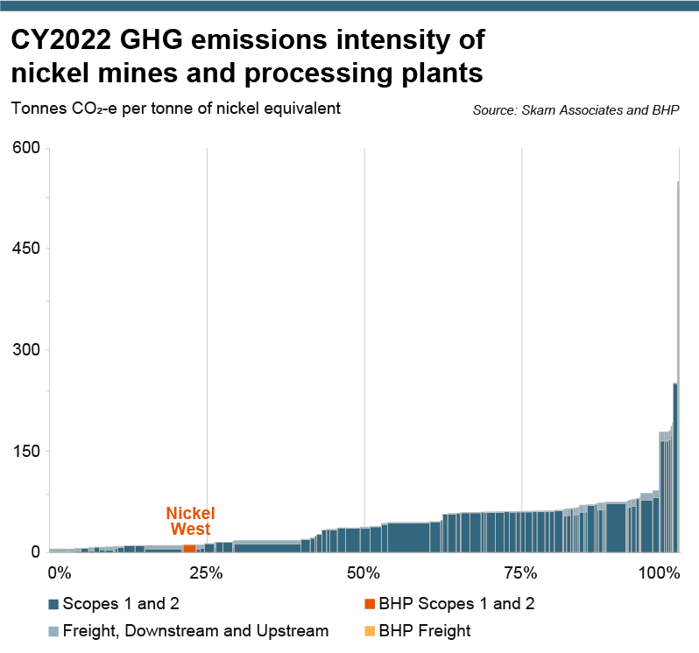
The nickel GHG emissions intensity curve is based on CY2022 data estimates from Skarn Associates. The GHG emissions intensity basis is tonnes of CO2-equivalent per tonne of nickel equivalent in finished saleable product. Under the Skarn Associates methodology, this includes processed output from the mine, concentrator and smelter (production and GHG emissions from refineries are not included). For Nickel West, this includes only production attributable to BHP ores (Mt Keith and Leinster) and excludes any production and GHG emissions from third party ores. We have overlayed Nickel West with reported BHP data points for CY2022 for: i) production attributable to BHP ores (nickel tonnes and nickel equivalent tonnes); ii) Scope 1 emissions; and iii) Scope 2 emissions. For GHG emissions, we have pro-rated Scopes 1 and 2 emissions from the Kalgoorlie smelter to account for GHG emissions attributable to BHP production only (i.e. excluding third-party feed) and excluded GHG emissions from the Kambalda concentrator. To avoid double counting, we have removed Skarn Associates’ estimated GHG emissions intensity for downstream processing (i.e. that attributable to smelting) and have not included GHG emissions from the Kwinana refinery as this is outside of the boundary of the Skarn Associates’ methodology. GHG emissions intensity estimates for Freight, Downstream and Upstream utilise Skarn Associates data across the dataset. Upstream GHG emissions are applicable to only Nickel pig iron (NPI) and Ferro-nickel (FeNi) plants’ GHG emissions relating to upstream mining and logistics reflecting the Skarn Associates’ methodology.

Carbon Credits Retired in FY2021
Project name | Project developer | Registry | Type of project | Methodology | Location | Vintage | Volume | Additional certificates
Cordillera Azul National Park REDD+ Project | CIMA, Cordillera Azul | Verra (Project ID 985) | Agriculture, Forestry and other Land Use | VM007 REDD+ Methodology Framework | Peru (Loreto, Huanuco, San Martin, Ucayali) | 2018 | 100,000 | CCB-Gold
 |  |  | Serial number 9274-78192923-78292922-VCS-VCU-263-VER-PE-14-985-08082017-07082018-1
The Kasigau Corridor REDD Project — Phase I Rukinga Sanctuary | Wildlife Works Carbon LLC | Verra (Project ID 562) | Agriculture, Forestry and other Land Use | VM0009 Methodology for Avoided Ecosystem Conversion | Kenya (Coast) | 2016 | 100,000 | CCB-Gold
 |  |  | Serial number 7540-405394960-405494959-VCU-006-MER-KE-14-562-01012016-31122016-1
The Kasigau Corridor REDD Project — Phase Il The Community Ranches | Wildlife Works Carbon LLC | Verra (Project ID 612) | Agriculture, Forestry and other Land Use | VM0009 Methodology for Avoided Ecosystem Conversion | Kenya (Coast) | 2017 | 100,000 | CCB-Gold
 |  |  | Serial number 7853-432876441-432976440-VCU-006-MER-KE-14-612-01012017-31122017-1

