Contribution of ISCO
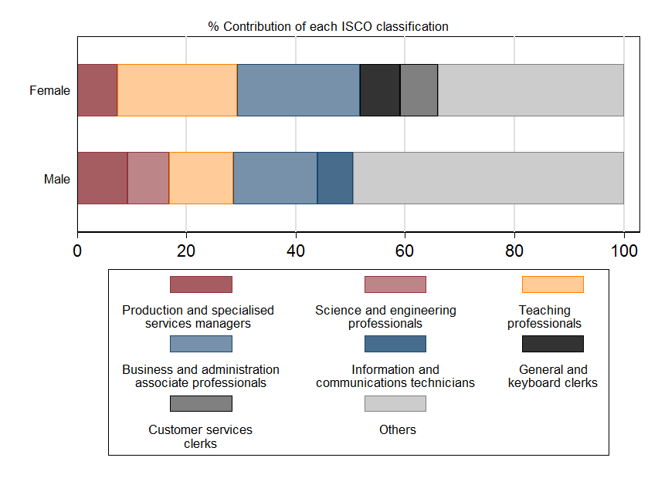
sex | year | ISCO08_Code_2digit | teleworkable | ISCO08_TITLE_2digit | employment | emp_tel | tot_emp_tele | contribution | to_present | female_others | male_others
Female | 2019 | 81 | 0 | 81 - Stationary plant and machine operators | 15.33739 | 0 | 687.4954 | 0 | 0 | 34.00268 | 49.55656
Female | 2019 | 94 | 0 | 94 - Food preparation assistants | 23.9095 | 0 | 687.4954 | 0 | 0 | 34.00268 | 49.55656
Female | 2019 | 74 | 0 | 74 - Electrical and electronic trades workers | 3.038046 | 0 | 687.4954 | 0 | 0 | 34.00268 | 49.55656
Male | 2019 | 82 | 0 | 82 - Assemblers | 5.348009 | 0 | 549.2944 | 0 | 0 | 34.00268 | 49.55656
Male | 2019 | 81 | 0 | 81 - Stationary plant and machine operators | 49.24936 | 0 | 549.2944 | 0 | 0 | 34.00268 | 49.55656
Female | 2019 | 95 | 0 | 95 - Street and related sales and service workers | 22.00904 | 0 | 687.4954 | 0 | 0 | 34.00268 | 49.55656
Male | 2019 | 72 | 0 | 72 - Metal, machinery and related trades workers | 43.14629 | 0 | 549.2944 | 0 | 0 | 34.00268 | 49.55656
Male | 2019 | 74 | 0 | 74 - Electrical and electronic trades workers | 43.07976 | 0 | 549.2944 | 0 | 0 | 34.00268 | 49.55656
Female | 2019 | 92 | 0 | 92 - Agricultural, forestry and fishery labourers | 1.942255 | 0 | 687.4954 | 0 | 0 | 34.00268 | 49.55656
Male | 2019 | 92 | 0 | 92 - Agricultural, forestry and fishery labourers | 5.512403 | 0 | 549.2944 | 0 | 0 | 34.00268 | 49.55656
Male | 2019 | 91 | 0 | 91 - Cleaners and helpers | 10.76476 | 0 | 549.2944 | 0 | 0 | 34.00268 | 49.55656
Male | 2019 | 94 | 0 | 94 - Food preparation assistants | 26.29197 | 0 | 549.2944 | 0 | 0 | 34.00268 | 49.55656
Female | 2019 | 91 | 0 | 91 - Cleaners and helpers | 18.90885 | 0 | 687.4954 | 0 | 0 | 34.00268 | 49.55656
Female | 2019 | 82 | 0 | 82 - Assemblers | 3.090423 | 0 | 687.4954 | 0 | 0 | 34.00268 | 49.55656
Male | 2019 | 95 | 0 | 95 - Street and related sales and service workers | 17.33969 | 0 | 549.2944 | 0 | 0 | 34.00268 | 49.55656
Female | 2019 | 72 | 0 | 72 - Metal, machinery and related trades workers | 4.913374 | 0 | 687.4954 | 0 | 0 | 34.00268 | 49.55656
Female | 2019 | 71 | 0.002076 | 71 - Building and related trades workers, excluding electricians | 21.93693 | 0.0455476 | 687.4954 | 0.0066252 | 0 | 34.00268 | 49.55656
Female | 2019 | 61 | 0.027052 | 61 - Market-oriented skilled agricultural workers | 9.126305 | 0.2468824 | 687.4954 | 0.0359104 | 0 | 34.00268 | 49.55656
Female | 2019 | 83 | 0.016171 | 83 - Drivers and mobile plant operators | 16.96116 | 0.2742726 | 687.4954 | 0.0398945 | 0 | 34.00268 | 49.55656
Female | 2019 | 93 | 0.040367 | 93 - Labourers in mining, construction, manufacturing and transport | 11.57834 | 0.4673805 | 687.4954 | 0.0679831 | 0 | 34.00268 | 49.55656
Male | 2019 | 71 | 0.002076 | 71 - Building and related trades workers, excluding electricians | 189.1323 | 0.392695 | 549.2944 | 0.0714908 | 0 | 34.00268 | 49.55656
Female | 2019 | 75 | 0.040527 | 75 - Food processing, wood working, garment and other craft and related trades workers | 16.07503 | 0.6514708 | 687.4954 | 0.09476 | 0 | 34.00268 | 49.55656
Male | 2019 | 61 | 0.027052 | 61 - Market-oriented skilled agricultural workers | 21.79838 | 0.589684 | 549.2944 | 0.107353 | 0 | 34.00268 | 49.55656
Female | 2019 | 73 | 0.137036 | 73 - Handicraft and printing workers | 7.178227 | 0.983676 | 687.4954 | 0.1430811 | 0 | 34.00268 | 49.55656
Female | 2019 | 54 | 0.056132 | 54 - Protective services workers | 17.81645 | 1.000071 | 687.4954 | 0.1454659 | 0 | 34.00268 | 49.55656
Female | 2019 | 62 | 0.09693 | 62 - Market-oriented skilled forestry, fishery and hunting workers | 12.13773 | 1.176508 | 687.4954 | 0.1711296 | 0 | 34.00268 | 49.55656
Male | 2019 | 22 | 0.043156 | 22 - Health professionals | 29.77077 | 1.284801 | 549.2944 | 0.2339003 | 0 | 34.00268 | 49.55656
Male | 2019 | 54 | 0.056132 | 54 - Protective services workers | 28.30929 | 1.589055 | 549.2944 | 0.2892902 | 0 | 34.00268 | 49.55656
Female | 2019 | 44 | 0.460534 | 44 - Other clerical support workers | 4.738009 | 2.182015 | 687.4954 | 0.3173862 | 0 | 34.00268 | 49.55656
Male | 2019 | 52 | 0.059097 | 52 - Sales workers | 32.68294 | 1.931451 | 549.2944 | 0.351624 | 0 | 34.00268 | 49.55656
Male | 2019 | 83 | 0.016171 | 83 - Drivers and mobile plant operators | 119.9126 | 1.939062 | 549.2944 | 0.3530096 | 0 | 34.00268 | 49.55656
Female | 2019 | 31 | 0.129403 | 31 - Science and engineering associate professionals | 19.23028 | 2.488453 | 687.4954 | 0.3619593 | 0 | 34.00268 | 49.55656
Male | 2019 | 96 | 0.056799 | 96 - Refuse workers and other elementary workers | 35.42125 | 2.011888 | 549.2944 | 0.3662677 | 0 | 34.00268 | 49.55656
Male | 2019 | 75 | 0.040527 | 75 - Food processing, wood working, garment and other craft and related trades workers | 49.79687 | 2.018113 | 549.2944 | 0.3674009 | 0 | 34.00268 | 49.55656
Female | 2019 | 96 | 0.056799 | 96 - Refuse workers and other elementary workers | 45.34912 | 2.57578 | 687.4954 | 0.3746614 | 0 | 34.00268 | 49.55656
Female | 2019 | 22 | 0.043156 | 22 - Health professionals | 64.3793 | 2.778383 | 687.4954 | 0.4041312 | 0 | 34.00268 | 49.55656
Male | 2019 | 93 | 0.040367 | 93 - Labourers in mining, construction, manufacturing and transport | 60.46157 | 2.440641 | 549.2944 | 0.4443229 | 0 | 34.00268 | 49.55656
Female | 2019 | 52 | 0.059097 | 52 - Sales workers | 52.14233 | 3.081434 | 687.4954 | 0.4482116 | 0 | 34.00268 | 49.55656
Male | 2019 | 44 | 0.460534 | 44 - Other clerical support workers | 5.416105 | 2.494301 | 549.2944 | 0.4540919 | 0 | 34.00268 | 49.55656
Male | 2019 | 62 | 0.09693 | 62 - Market-oriented skilled forestry, fishery and hunting workers | 30.25924 | 2.933022 | 549.2944 | 0.5339618 | 0 | 34.00268 | 49.55656
Male | 2019 | 73 | 0.137036 | 73 - Handicraft and printing workers | 26.68591 | 3.656933 | 549.2944 | 0.6657511 | 0 | 34.00268 | 49.55656
Male | 2019 | 51 | 0.057397 | 51 - Personal service workers | 65.91519 | 3.783362 | 549.2944 | 0.6887676 | 0 | 34.00268 | 49.55656
Female | 2019 | 51 | 0.057397 | 51 - Personal service workers | 92.37742 | 5.302225 | 687.4954 | 0.7712379 | 0 | 34.00268 | 49.55656
Male | 2019 | 32 | 0.063841 | 32 - Health associate professionals | 70.38416 | 4.493368 | 549.2944 | 0.8180255 | 0 | 34.00268 | 49.55656
Male | 2019 | 31 | 0.129403 | 31 - Science and engineering associate professionals | 40.26416 | 5.210298 | 549.2944 | 0.9485438 | 0 | 34.00268 | 49.55656
Female | 2019 | 32 | 0.063841 | 32 - Health associate professionals | 124.5022 | 7.9483 | 687.4954 | 1.156124 | 0 | 34.00268 | 49.55656
Male | 2019 | 53 | 0.371955 | 53 - Personal care workers | 17.5011 | 6.509623 | 549.2944 | 1.185088 | 0 | 34.00268 | 49.55656
Female | 2019 | 25 | 1 | 25 - Information and communications technology professionals | 8.28694 | 8.28694 | 687.4954 | 1.205381 | 0 | 34.00268 | 49.55656
Female | 2019 | 35 | 0.941498 | 35 - Information and communications technicians | 8.944593 | 8.421318 | 687.4954 | 1.224927 | 0 | 34.00268 | 49.55656
Female | 2019 | 11 | 0.967207 | 11 - Chief executives, senior officials and legislators | 9.854244 | 9.531093 | 687.4954 | 1.38635 | 0 | 34.00268 | 49.55656
Female | 2019 | 14 | 0.599566 | 14 - Hospitality, retail and other services managers | 16.66738 | 9.993196 | 687.4954 | 1.453565 | 0 | 34.00268 | 49.55656
Female | 2019 | 53 | 0.371955 | 53 - Personal care workers | 34.03255 | 12.65857 | 687.4954 | 1.841259 | 0 | 34.00268 | 49.55656
Male | 2019 | 41 | 1 | 41 - General and keyboard clerks | 10.97987 | 10.97987 | 549.2944 | 1.998904 | 1 | 34.00268 | 49.55656
Female | 2019 | 43 | 0.452423 | 43 - Numerical and material recording clerks | 35.63601 | 16.12256 | 687.4954 | 2.345116 | 0 | 34.00268 | 49.55656
Male | 2019 | 14 | 0.599566 | 14 - Hospitality, retail and other services managers | 23.51275 | 14.09745 | 549.2944 | 2.566466 | 0 | 34.00268 | 49.55656
Female | 2019 | 21 | 0.720574 | 21 - Science and engineering professionals | 25.74155 | 18.54869 | 687.4954 | 2.698009 | 1 | 34.00268 | 49.55656
Male | 2019 | 43 | 0.452423 | 43 - Numerical and material recording clerks | 33.34225 | 15.08481 | 549.2944 | 2.746216 | 0 | 34.00268 | 49.55656
Male | 2019 | 42 | 0.423398 | 42 - Customer services clerks | 43.39538 | 18.37354 | 549.2944 | 3.344934 | 1 | 34.00268 | 49.55656
Male | 2019 | 11 | 0.967207 | 11 - Chief executives, senior officials and legislators | 19.59266 | 18.95015 | 549.2944 | 3.449908 | 0 | 34.00268 | 49.55656
Female | 2019 | 12 | 0.941776 | 12 - Administrative and commercial managers | 27.4868 | 25.88642 | 687.4954 | 3.765322 | 1 | 34.00268 | 49.55656
Female | 2019 | 26 | 0.631664 | 26 - Legal, social and cultural professionals | 41.82426 | 26.41889 | 687.4954 | 3.842773 | 1 | 34.00268 | 49.55656
Female | 2019 | 24 | 0.97854 | 24 - Business and administration professionals | 31.28457 | 30.61319 | 687.4954 | 4.452857 | 1 | 34.00268 | 49.55656
Male | 2019 | 34 | 0.399093 | 34 - Legal, social, cultural and related associate professionals | 68.59455 | 27.37559 | 549.2944 | 4.983774 | 1 | 34.00268 | 49.55656
Male | 2019 | 26 | 0.631664 | 26 - Legal, social and cultural professionals | 45.01317 | 28.43321 | 549.2944 | 5.176315 | 1 | 34.00268 | 49.55656
Female | 2019 | 34 | 0.399093 | 34 - Legal, social, cultural and related associate professionals | 90.41397 | 36.08356 | 687.4954 | 5.248552 | 1 | 34.00268 | 49.55656
Male | 2019 | 25 | 1 | 25 - Information and communications technology professionals | 31.63718 | 31.63718 | 549.2944 | 5.759604 | 0 | 34.00268 | 49.55656
Male | 2019 | 24 | 0.97854 | 24 - Business and administration professionals | 32.66381 | 31.96284 | 549.2944 | 5.81889 | 1 | 34.00268 | 49.55656
Male | 2019 | 12 | 0.941776 | 12 - Administrative and commercial managers | 34.01915 | 32.03843 | 549.2944 | 5.832652 | 1 | 34.00268 | 49.55656
Male | 2019 | 35 | 0.941498 | 35 - Information and communications technicians | 37.39241 | 35.20488 | 549.2944 | 6.409111 | 0 | 34.00268 | 49.55656
Female | 2019 | 42 | 0.423398 | 42 - Customer services clerks | 111.9677 | 47.40696 | 687.4954 | 6.895604 | 1 | 34.00268 | 49.55656
Female | 2019 | 41 | 1 | 41 - General and keyboard clerks | 50.25006 | 50.25006 | 687.4954 | 7.309149 | 1 | 34.00268 | 49.55656
Female | 2019 | 13 | 0.882166 | 13 - Production and specialised services managers | 57.44791 | 50.67857 | 687.4954 | 7.371478 | 1 | 34.00268 | 49.55656
Male | 2019 | 21 | 0.720574 | 21 - Science and engineering professionals | 58.07211 | 41.84524 | 549.2944 | 7.617999 | 1 | 34.00268 | 49.55656
Male | 2019 | 13 | 0.882166 | 13 - Production and specialised services managers | 57.41167 | 50.64661 | 549.2944 | 9.220304 | 1 | 34.00268 | 49.55656
Male | 2019 | 23 | 0.991895 | 23 - Teaching professionals | 64.71249 | 64.18802 | 549.2944 | 11.68554 | 1 | 34.00268 | 49.55656
Male | 2019 | 33 | 0.804489 | 33 - Business and administration associate professionals | 105.9035 | 85.19827 | 549.2944 | 15.51049 | 1 | 34.00268 | 49.55656
Female | 2019 | 23 | 0.991895 | 23 - Teaching professionals | 151.9403 | 150.7089 | 687.4954 | 21.92143 | 1 | 34.00268 | 49.55656
Female | 2019 | 33 | 0.804489 | 33 - Business and administration associate professionals | 192.2762 | 154.6841 | 687.4954 | 22.49966 | 1 | 34.00268 | 49.55656
Female | 2019 | 100 |  | Others |  |  |  | 34.00268
Male |  | 100 |  | Others |  |  |  | 49.55656

gender_state
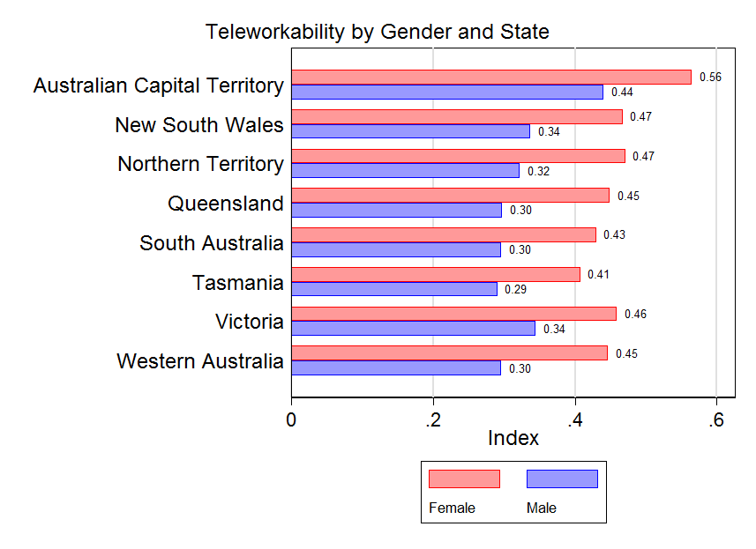
sex | state | year | teleworkable
Female | Australian Capital Territory | 2019 | 0.564507
Male | Australian Capital Territory | 2019 | 0.440727
Female | New South Wales | 2019 | 0.467302
Male | New South Wales | 2019 | 0.337034
Female | Northern Territory | 2019 | 0.471081
Male | Northern Territory | 2019 | 0.322051
Female | Queensland | 2019 | 0.449131
Male | Queensland | 2019 | 0.297035
Female | South Australia | 2019 | 0.430052
Male | South Australia | 2019 | 0.296328
Female | Tasmania | 2019 | 0.407689
Male | Tasmania | 2019 | 0.290546
Female | Victoria | 2019 | 0.458907
Male | Victoria | 2019 | 0.344261
Female | Western Australia | 2019 | 0.446789
Male | Western Australia | 2019 | 0.296309

age_full_time
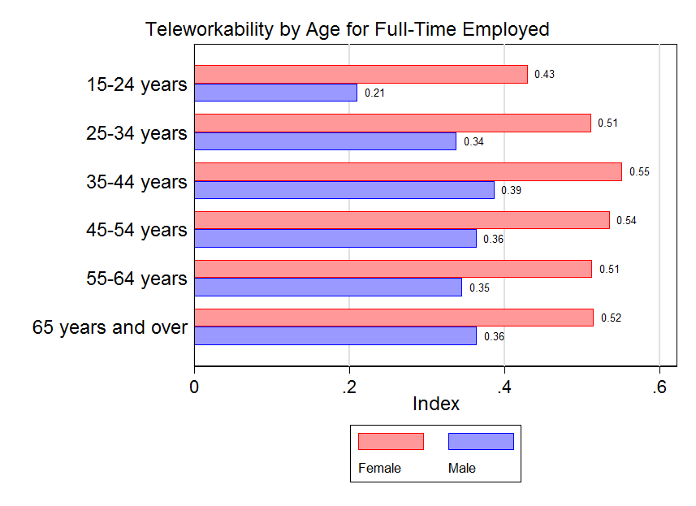
sex | age | teleworkable
Females | 15-24 years | 0.429621
Females | 25-34 years | 0.511438
Females | 35-44 years | 0.551515
Females | 45-54 years | 0.535447
Females | 55-64 years | 0.51282
Females | 65 years and over | 0.515202
Males | 15-24 years | 0.210226
Males | 25-34 years | 0.337954
Males | 35-44 years | 0.386665
Males | 45-54 years | 0.363707
Males | 55-64 years | 0.345253
Males | 65 years and over | 0.36442

age_part_time
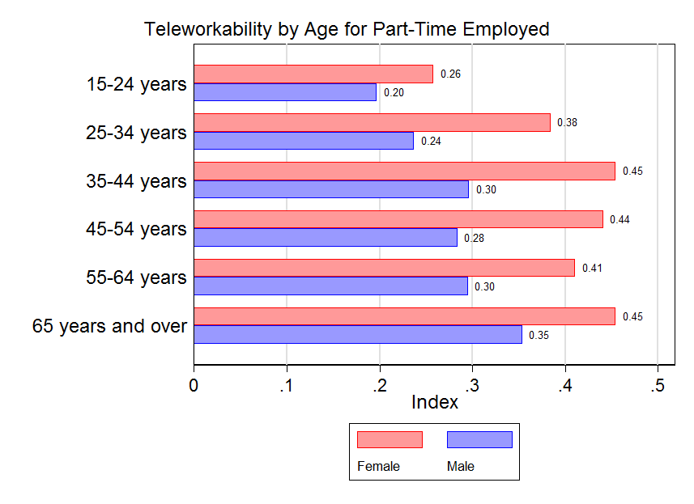
sex | age | teleworkable
Females | 15-24 years | 0.258379
Females | 25-34 years | 0.384357
Females | 35-44 years | 0.454213
Females | 45-54 years | 0.441009
Females | 55-64 years | 0.410821
Females | 65 years and over | 0.454214
Males | 15-24 years | 0.196838
Males | 25-34 years | 0.237398
Males | 35-44 years | 0.296678
Males | 45-54 years | 0.284001
Males | 55-64 years | 0.295285
Males | 65 years and over | 0.35371

