Implimentation Survey Report
 |  |  | Implimentation Survey Report

 | Site ID: |  | Site info C4 |  |  |  | Tower Height= |  |  |  | Existing Radio C5 |  | m |  | Tower Type | Existing Radio C4
Buidling Height: |  |  | Existing Radio C8 |  |  |  | Sharing Operator: |  |  |  |  | Site info C25 |  | Host : |  | Site info C23

 |  |  |  | 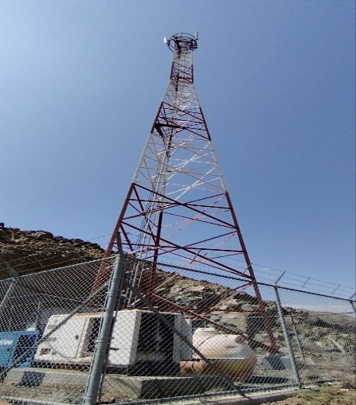 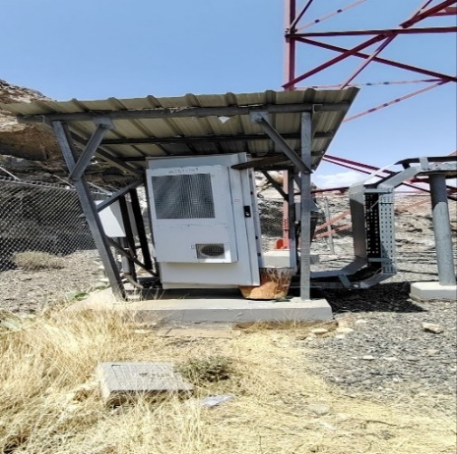 Site info C52

 | Sharing information: |  |  |  |  |  |  |  |  |  | Outdoor C83
 |  |  |  |  |  |  | Mobily |  |  | STC
 |  | Sharing Operator Antenna: |  |  |  |  | count all antenna marked as mobily in Existing Radio C38 |  |  | count all antenna marked as STC in Existing Radio C38
 |  | Sharing Operator RRU: |  |  |  |  | count all antenna marked as mobily in Existing Radio C72 |  |  | count all antenna marked as STC in Existing Radio C72
 |  | Sharing Operator MW: |  |  |  |  | SEE survey missing |  |  | SEE survey missing

 | Before Implementation:
 |  | Existing MW Antenna: |  |  |  | Existing Radio C13
 |  | count each MW with each diameter for ex.( 2x0.6 , 1x0.9 ,3x1.2….)
 |  | Total GSM Antennas: |  |  |  | Existing Radio C36
 |  | RRU Quantity: |  |  |  | Existing Radio C70
 |  | count each Radio Module with its QTY for ex .. (1xFXDB , 2xARMA…..)
 |  | Ant. Type1: |  | Existing Radio C53
 |  | for | Existing Radio C42
 |  | Ant. Qty: | count all antennas which is marked with same model in existing radio C53
 |  | Ant. Dim: | Existing Radio C54xC55xC56

 |  | Ant. Type2:
 |  | for
 |  | Ant. Qty:
 |  | Ant. Dim:

 |  | Ant. Type2:
 |  | for
 |  | Ant. Qty:
 |  | Ant. Dim:

 |  | Ant. Type2:
 |  | for
 |  | Ant. Qty:
 |  | Ant. Dim:

 | After Implementation:
 |  | Total GSM Antennas: |  |  |  | Existing Radio C36
 |  | RRU Quantity: |  |  |  | Existing Radio C70
 |  | count each Radio Module with its QTY for ex .. (1xFXDB , 2xARMA…..)

 |  | Ant. Type: |  | SEE survey Missing
 |  | for | SEE survey missing
 |  | Ant. Qty: | SEE survey Missing
 |  | Ant. Dim: | SEE survey missing

 |  | Ant. Type2:
 |  | for
 |  | Ant. Qty:
 |  | Ant. Dim:

 |  | Ant. Type2:
 |  | for
 |  | Ant. Qty:
 |  | Ant. Dim:

 |  | Ant. Type2:
 |  | for
 |  | Ant. Qty:
 |  | Ant. Dim:

 |  | New RRU Qty: |  |  | New Radio C5

 |  | Total MW Antenna: |  |  |  | SEE survey missing (New MW)
 |  | 1*0.6

 | Sector A: |  |  |  |  |  |  |  |  |  | 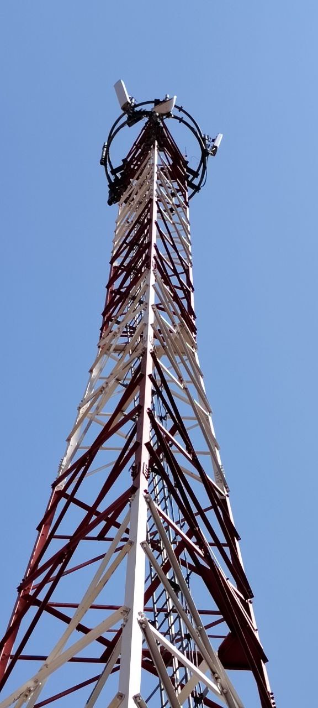 New Radio C70
 |  | Reuse existing Antenna |  |  |  |  |  |  |  | New Radio D30
 |  | Existing Radio C53

 |  | Azimuth : |  | Existing Radio C43 |  | Height: |  | Existing Radio C39
 |  | Azimuth : |  |  |  | Height:
 | Reuse existing antenna will not require mount | Mount Proposal :
 | Reuse existing antenna will not require mount | Mount Quantity :

 |  | Feeder/CPRI/Power Cable Length : |  |  |  |  | Existing Radio C91 |  | m

 |  | Azimuth : |  |  |  | Height:

 |  | Blockage Proposal (If any) : |  |  |  |  | SEE survey Mssing

 | Sector B: |  |  |  |  |  |  |  |  |  | 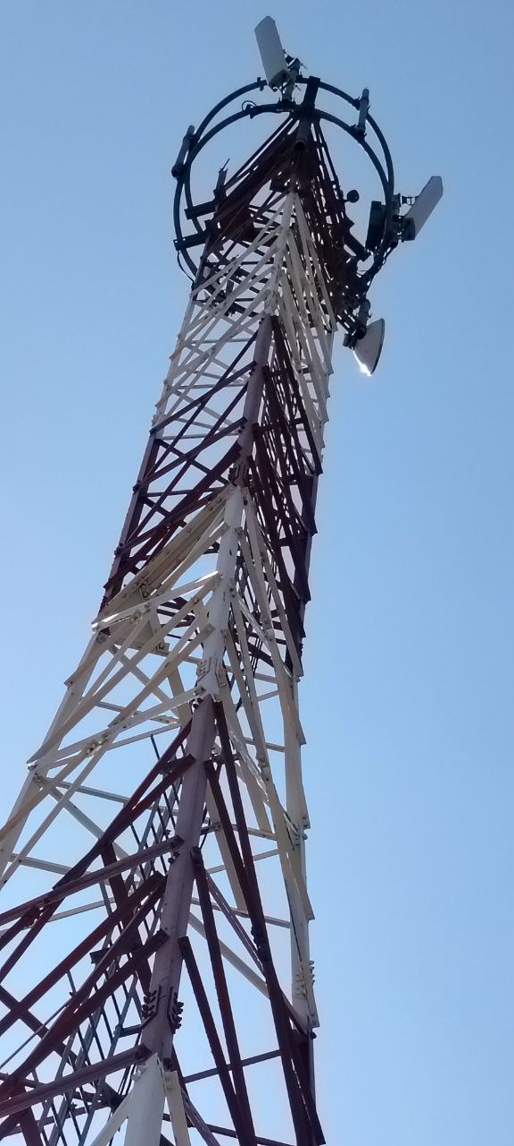 New Radio C68
 |  | Add New Antenna |  |  |  |  |  |  |  | New Radio 12
 |  | EXISTING LDX-6516DS-VTM FOR G900-L800-U900

 |  | Azimuth : |  | New RadioC14 |  | Height: |  | New RadioC15 |  | New RadioC13
 |  | Azimuth : |  |  |  | Height:
 |  | Mount Proposal : |  |  | New RadioC20
 |  | Mount Quantity : |  |  |  | sum of new antenna sude arms which is marked as sector 2inC11 new radio

 |  | Feeder/CPRI/Power Cable Length : |  |  |  |  | New RadioC44 |  | m

 |  | Azimuth : |  |  |  | Height:

 |  | Blockage Proposal (If any) : |  |  |  |  | SEE survey Missing

1 | Sector C: |  |  |  |  |  |  |  |  |  | 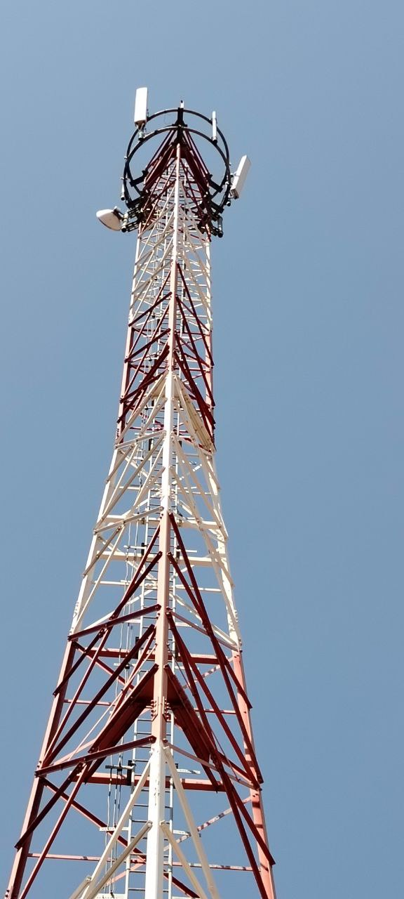
2 |  | Reuse existing Antenna
3 |  | EXISTING LDX-6516DS-VTM FOR G900-L800-U900
4
5
6 |  | Azimuth : |  | 230 |  | Height: |  | 45 |  | GSM
7 |  | Azimuth : |  |  |  | Height:
8 |  | Mount Proposal : |  |  | NO
9 |  | Mount Quantity : |  |  | NA
10 |  | INSTAL DUPLEXER BEHIND ANT
11
12 |  | Feeder/CPRI/Power Cable Length : |  |  |  |  |  |  | m
13
14
15 |  | Azimuth : |  |  |  | Height:
16
17 |  | Scenario
18 |  | Antennas must be installed As per SAF Azimuth
19 |  | New CPRI will be installed instead of dismantled ones
20
21 |  | Blockage Proposal (If any) :
22
23
24
25 | Sector D:

 |  | Azimuth : |  |  |  | Height: |  |  |  | GSM
 |  | Azimuth : |  |  |  | Height: |  |  |  | 5G
 |  | Mount Proposal :
 |  | Mount Quantity :

 |  | Feeder/CPRI/Power Cable Length : |  |  |  |  |  |  | m

 |  | Azimuth : |  |  |  | Height:

 |  | Scenario
 |  | Antennas must be installed As per SAF Azimuth
 |  | New CPRI will be installed instead of dismantled ones

 |  | Blockage Proposal (If any) :

1 | MW Outdoor Action After Implemtation |  |  |  |  |  |  |  |  |  | SEE survey Missing
2 | SEE survey Missing (MW) | Add New Antenna
3 |  | INSTAL NEW ANT MW NOKIA AZ-18 & H-25 DIR MLJI0186
4
5
6 |  | Azimuth : |  | 18 |  | Height: |  | 25
DISMANTLE ANT NEC 0,6 FOR DIR MLJI0186
7
8 |  | Mount Proposal : |  |  | YES
9 |  | Mount Quantity : |  |  | 1
10
11
12 |  | CPRI/Power Cable Length: |  |  |  |  |  |  | m
13
14
15
INSTAL NEW ANT NOKIA AZ-18 & H-25 DIR MLJI0186
16
17
18
19
20
21
22
23
24
25

 | Existing Cabinet/Rack: |  |  |  |  |  |  |  |  |  | Outdoor C83
 |  | Site info C31

 | BBU/Cards Solution: |  |  |  |  |  |  |  |  |  | 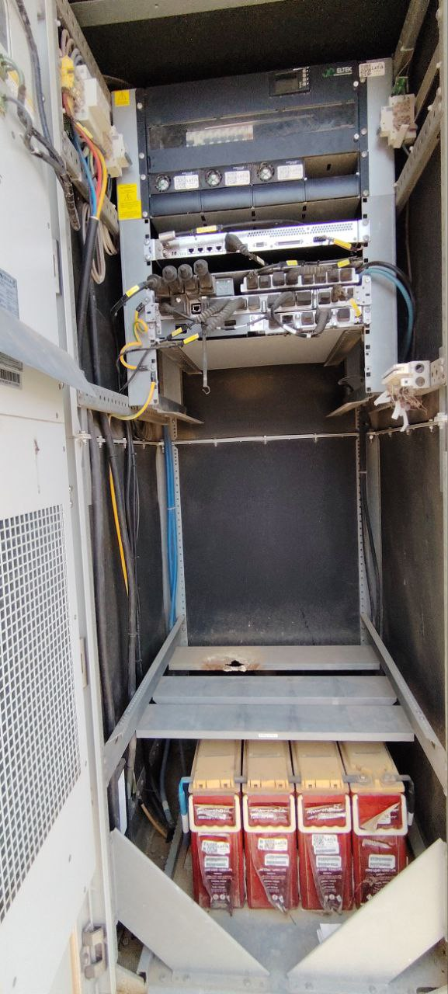 Outdoor C84

 |  | Site info C32

 | MW Indoor Action After Implemtation |  |  |  |  |  |  |  |  |  |  SEE survey Missing ( MW)
 |  | SEE survey Missing ( MW)

 | Existing DCDU: |  |  |  |  |  |  |  |  |  | Outdoor C104
 |  | Outdoor C33

 | DCDU Proposal : |  |  |  |  |  |  |  |  |  | Outdoor C105

 |  | Outdoor C34

 | Existing Circuit Breaker (CB): |  |  |  |  |  |  |  |  |  | 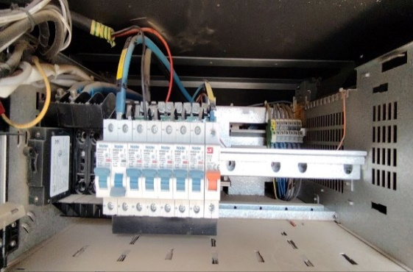 Outdoor C104
 |  | Outdoor C35

 | DC Calculation : |  |  |  |  |  |  |  |  |  | 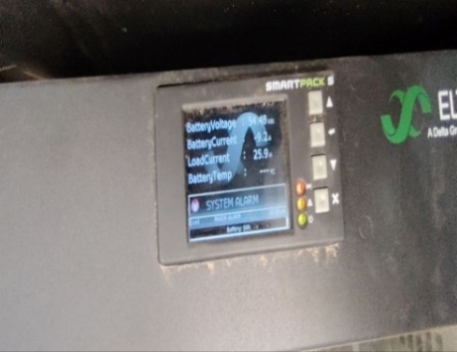 SEE survey MISSING

 |  | DC Load | =
 |  |  |  | SEE survey Missing |  | A

 |  |  |  |  |  |  |  |  |  |  | 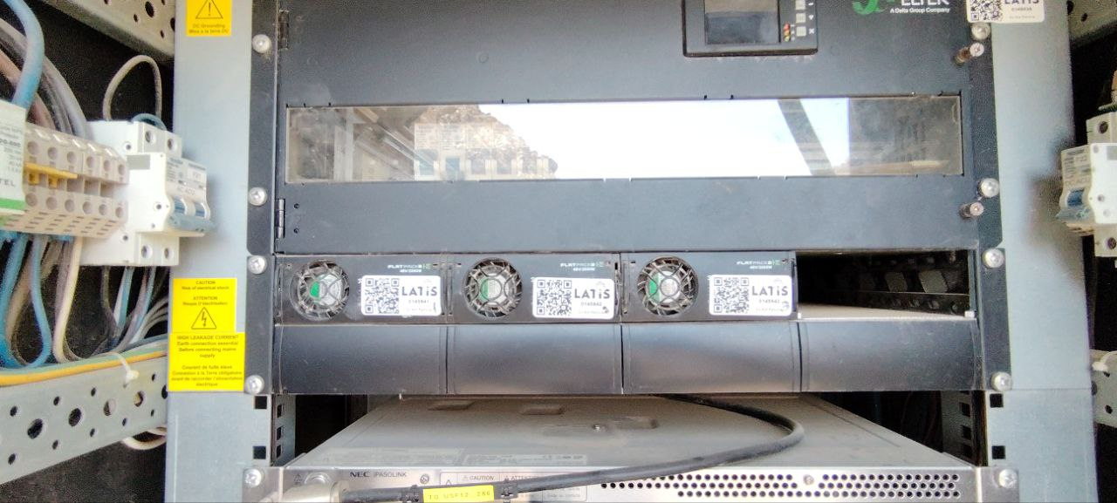 Outdoor C95

 |  | Outdoor C67 |  | Rectifier- |  |  | Outdoor C70 |  | W

 |  | Outdoor C70 | Rectifier Modules Available

 |  | Outdoor C72 | Slots free for Rectifier Module

 |  | SEE survey missing |  | Rectifier Module need to add

 |  | Rectifier Swap Scenraio : |  |  |  |  |  | SEE survey missing

 |  | Remakrs:

 | Battery : |  |  |  |  |  |  |  |  |  | 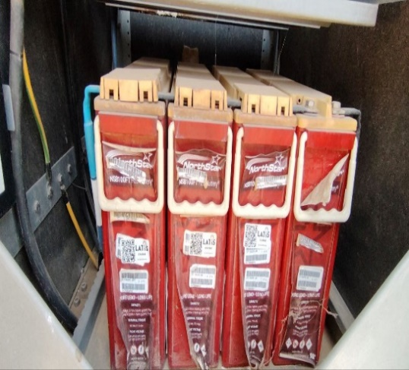 Outdoor C100

 | • BATTERY TYPE: |  |  |  |  | Outdoor C75

 | • Batteries Qty: |  |  |  |  | Outdoor C77

 | • Capacity: |  |  |  |  | Outdoor C78

 | New Battery Space Available : |  |  |  |  |  |  |  |  |  | SEE survey MISSING

 | •New BATTERY TYPE: |  |  |  |  | SEE survey missing

 | • New Batteries Qty: |  |  |  |  | SEE survey missing

 | • Capacity: |  |  |  |  | SEE survey missing

 | Remarks: ________________

 | DC cable size for battery Available : |  |  |  |  |  |  |  |  |  | 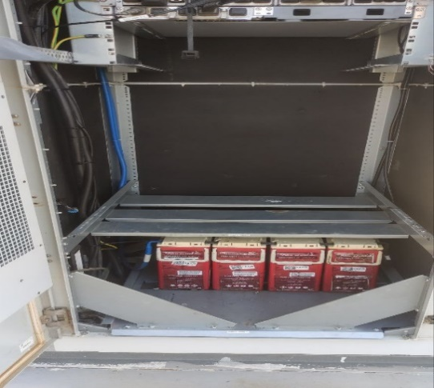 SEE survey MISSING

 |  | SEE survey missing

 | Roxtec / Free Entrnace : |  |  |  |  |  |  |  |  |  | 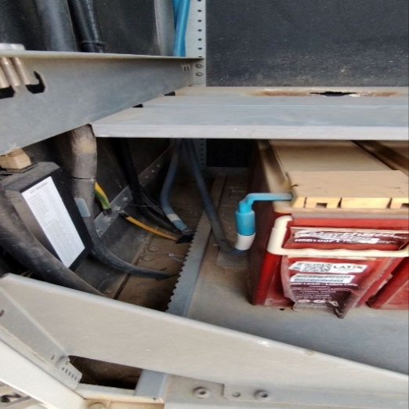 SEE survey MISSING

 | • Space Available:

 |  | SEE survey missing

 | GPS : |  |  |  |  |  |  |  |  |  | New Radio C74
 | New Radio C63

 | SCECO Breaker Information : |  |  |  |  |  |  |  |  |  | 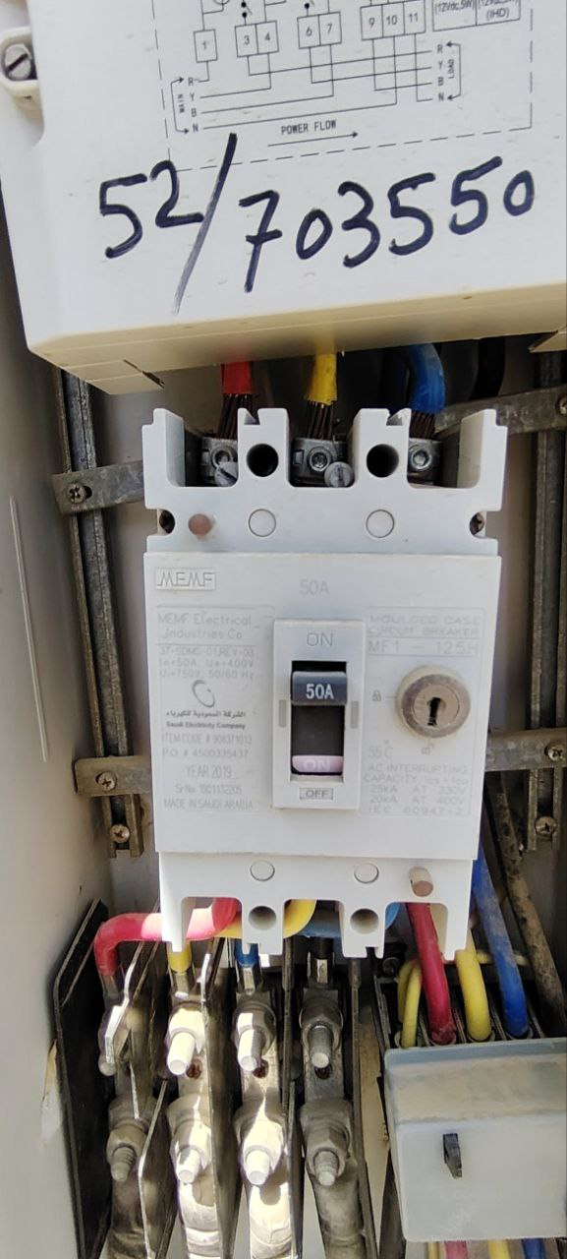 AC power C32
 | EXISTING SCECO BRAEKER

 | CAPACITY: |  | AC power C17 |  | A

 | SCECO Meter Information : |  |  |  |  |  |  |  |  |  | 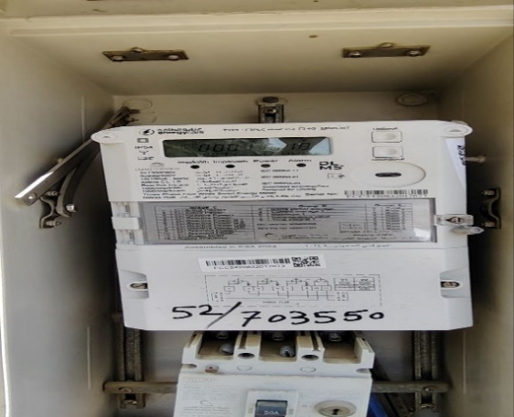 AC power C31

 | EXISTING SCECO Meter #

 | Meter CAPACITY: |  | AC power C17 |  | A

 | Transformer Information : |  |  |  |  |  |  |  |  |  | SEE survey Missing

 |  | Transformer CAPACITY: |  | SEE survey missing |  | KVA

 | Generator Information : |  |  |  |  |  |  |  |  |  | AC power C29

 |  | Generator CAPACITY: |  | AC power C6 |  | KVA

 |  | Generator Brand: |  | SEE survey missng |  | NA

 | Existing ZAIN Breaker |  |  |  |  |  |  |  |  |  | 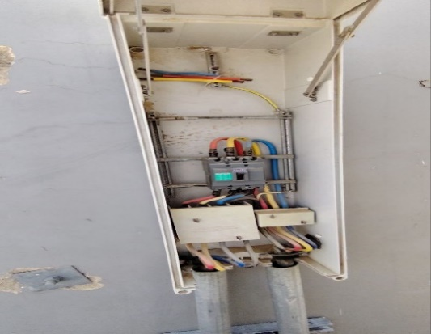 AC power C37

 | CAPACITY: |  | AC power C22 |  | A

 | Site Phases Information : |  |  |  |  |  |  |  |  |  | 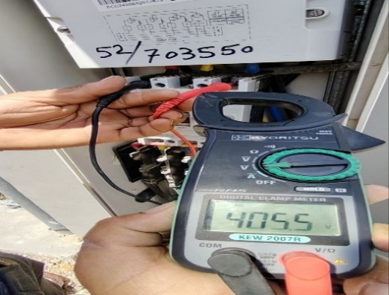 SEE survey Missing

 |  | AC powerC4 |  | VOLTAGE |  |  | PH to PH |  | SEE survey missing

 | VOLTAGE: |  | SEE survey missing |  | V

 |  |  |  |  |  |  |  |  |  |  | 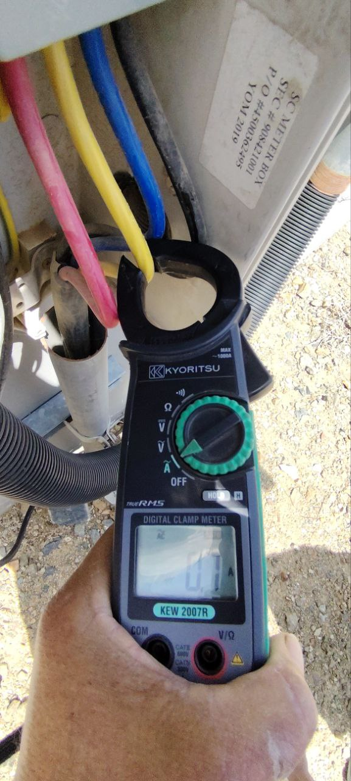  SEE survey Missing

 | EXISTING PHASE-01

 | Current: |  | SEE Survey missing |  | A

 |  |  |  |  |  |  |  |  |  |  | SEE survey Missing

 | EXISTING PHASE-02

 | Current: |  | SEE survey missing |  | A

 |  |  |  |  |  |  |  |  |  |  | SEE survey Missing

 | 1.7

 | Current: |  | SEE survey missing |  | A

 | Tenant Phases Information (incase sharing load): |  |  |  |  |  |  |  |  |  | SEE survey Missing

 | EXISTING PHASE-01

 | Current: |  | SEE survey missing |  | A

 |  |  |  |  |  |  |  |  |  |  | SEE survey Missing

 | EXISTING PHASE-02

 | Current: |  | SEE survey missing |  | A

 |  |  |  |  |  |  |  |  |  |  | SEE survey Missing

 | EXISTING PHASE-03

 | Current: |  | SEE survey missing |  | A

 | AC cable size Information : |  |  |  |  |  |  |  |  |  |  AC power C34

 | MDB to Rectifier |  |  | Outdoor C26 |  |  |  | mm2

 | AC cable size Information : |  |  |  |  |  |  |  |  |  | AC power C29

 | Generator to shelter |  |  | SEE survey missing |  |  |  | mm2

 | AC cable size Information : |  |  |  |  |  |  |  |  |  | 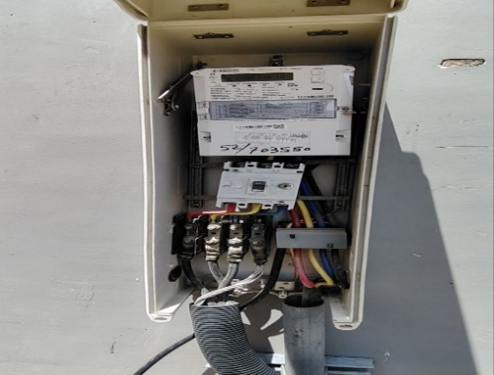 AC powerC30

 | SCECO Breaker/MCCB to Shelter |  |  | AC power C17 |  |  |  | mm2

 | ODC/shelter Aircon-1 Information : |  |  |  |  |  |  |  |  |  | 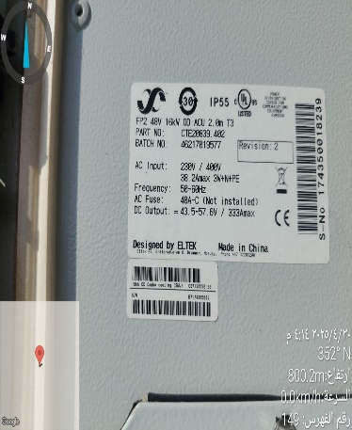 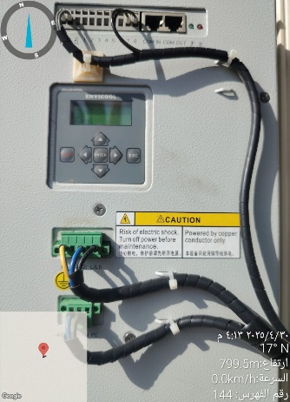 SEE survey Missing

 | Aircon-1 status: ___________________________ | SEE survey Missing | WORKING

 | Airocn Capacity:_______________________ BTU | OutdoorC20

 | ODC/shelter Aircon-2 Information : |  |  |  |  |  |  |  |  |  | NA

 | Airco-2 status: NA | SEE survey Missing

 | Airocn Capacity:_______________________ BTU | OutdoorC20 | NA

 | EXISTING SITE TEMPERATURE |  |  |  |  |  |  |  |  |  | NA

 | TEMPERATURE: |  |  |  | SEE survey Missing |  | C

