Bug Report1
Bug Report 1

Category | Field | Details
Bug ID | ID Number | #1
 | Name | The content of the site is not compatible with the games mentioned
 | Reporter | yasmin
 | Submit Date | 2025-01-13
Bug Overview | Summary | When reading what the store contains of games on the home page, user expects when entering on the shop page to purchase to find all the items available, but there is only teddy bears.
 | URL | https://jupiter.cloud.planittesting.com
 | Screenshot | 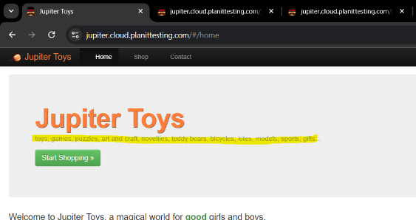 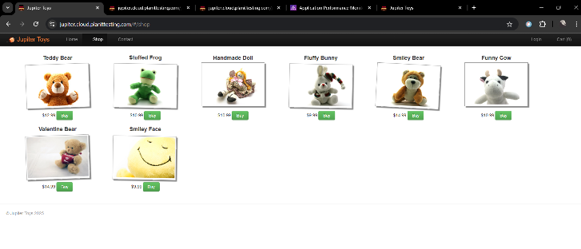
Environment | Platform | Lenovo laptop
 | Operating System | Windows 11
 | Browser | Google chrome
Bug Details | Steps to Reproduce | 1- Open a Jupiter Toys 2- Read the home page 3-Click on the shopping page
 | Expected Results | All mentioned items appear within the shop page
 | Actual result | Teddy bears only appear within the shop page
 | Description | When you enter the site and read its contents, it is expected that it includes all the items mentioned, but when you enter the shopping page, you only find teddy bears.
Bug Tracking | Severity | Low
 | Assigned to | Frontend
 | Priority | Medium
Notes

Bug Report 2
Bug Report 2

Category | Field | Details
Bug ID | ID Number | #2
 | Name | Login
 | Reporter | yasmin
 | Submit Date | 2025-01-13
Bug Overview | Summary | When you enter the home page, you find that there is a login, but there is no account registration
 | URL | https://jupiter.cloud.planittesting.com
 | Screenshot | 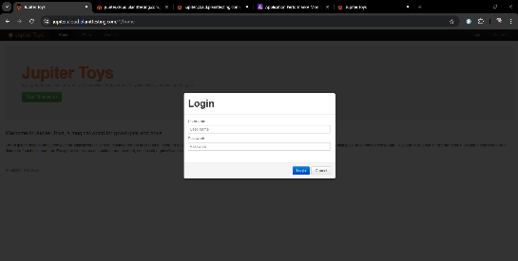
Environment | Platform | Lenovo laptop
 | Operating System | Windows 11
 | Browser | Google chrome
Bug Details | Steps to Reproduce | 1- Open a Jupiter Toys 2- Home page 3-Click on the Login
 | Expected Results | The presence of a registration page since there is a login capacity.
 | Actual result | There is only a login page
 | Description | When there is a login page, I expect that I have to register to log in, but there is actually no place to register.
Bug Tracking | Severity | Severe
 | Assigned to | Frontend
 | Priority | Critical
Notes

Bug Report 3
Bug Report 3

Category | Field | Details
Bug ID | ID Number | #3
 | Name | Accept any values ​​without adhering to the apparent format.
 | Reporter | yasmin
 | Submit Date | 2025-01-13
Bug Overview | Summary | When filling out the contact information, including an email and a phone number, I expect that he will verify the accuracy of what is entered, but even when sending random values, the delivery will complete normally.
 | URL | https://jupiter.cloud.planittesting.com
 | Screenshot | 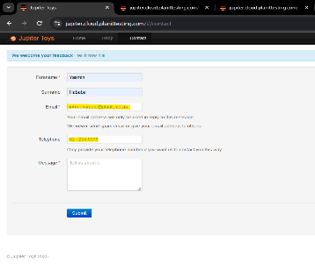 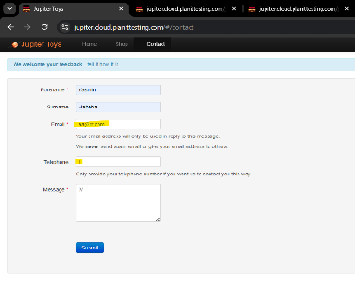
Environment | Platform | Lenovo laptop
 | Operating System | Windows 11
 | Browser | Google chrome
Bug Details | Steps to Reproduce | 1- Open a Jupiter Toys 2- Click on contact 3-Filled with all the information 4- Click on Submit
 | Expected Results | When entering contact information, verify its validity.
 | Actual result | Accept any random information without verification.
 | Description | When entering contact information, certain verification operations must be performed to confirm that the entered values ​​are correct
Bug Tracking | Severity | Low
 | Assigned to | Frontend
 | Priority | Medium
Notes

Bug Report 4
Bug Report 4

Category | Field | Details
Bug ID | ID Number | #4
 | Name | shopping cart is empty after refreshing
 | Reporter | yasmin
 | Submit Date | 2025-01-13
Bug Overview | Summary | When I started the shopping process and purchased the required items, I needed to refresh the page, but the cart returned to 0 items
 | URL | https://jupiter.cloud.planittesting.com
 | Screenshot | 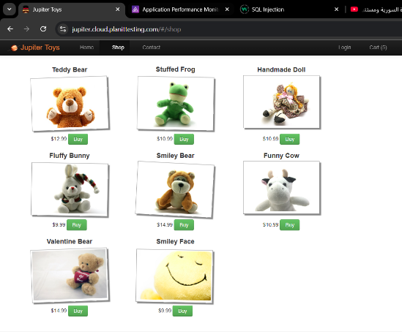 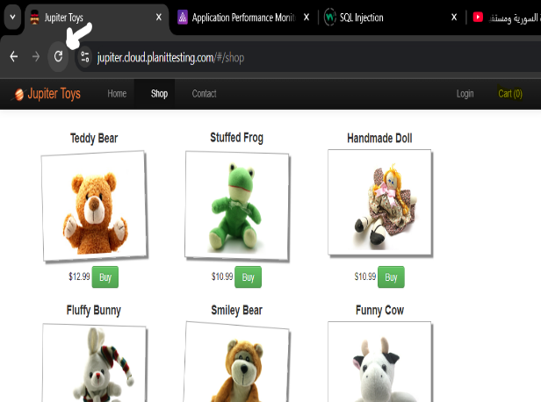
Environment | Platform | Lenovo laptop
 | Operating System | Windows 11
 | Browser | Google chrome
Bug Details | Steps to Reproduce | 1- Open a Jupiter Toys 2- Click on Start Shoping 3-Select the desired items via the Buy button 4- Refresh the page
 | Expected Results | When selecting items and placing them in the cart, the number of items must remain the same when refreshing the home page.
 | Actual result | The cart items return to 0 after each refresh.
 | Description | When you select items and place them in your shopping cart, The number of items should remain the same when you update the home page. But after updating, the cart returns to zero items.
Bug Tracking | Severity | high
 | Assigned to | Frontend
 | Priority | Medium
Notes

Bug Report 5
Bug Report 5

Category | Field | Details
Bug ID | ID Number | #5
 | Name | Decimal numbers appear
 | Reporter | yasmin
 | Submit Date | 2025-01-13
Bug Overview | Summary | When shopping, selecting all the items, and going to the shopping cart, the total price of the items contains many numbers after the decimal point
 | URL | https://jupiter.cloud.planittesting.com
 | Screenshot | 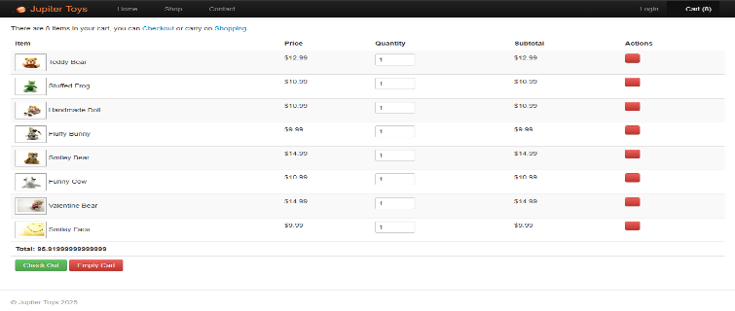
Environment | Platform | Lenovo laptop
 | Operating System | Windows 11
 | Browser | Google chrome
Bug Details | Steps to Reproduce | 1- Open a Jupiter Toys 2- Click on Start Shoping 3-Select the desired items via the Buy button 4- Go to cart page
 | Expected Results | The Total appears in a certain format so that it contains two places after the decimal point.
 | Actual result | The total appears as having many decimal places.
 | Description | When defining prices in a specific pattern, I expect the total price to be in the same format.
Bug Tracking | Severity | low
 | Assigned to | Frontend
 | Priority | low
Notes | Rounding the price to two decimal places or what is called data reduction.

Bug Report 6
Bug Report 6

Category | Field | Details
Bug ID | ID Number | #6
 | Name | Accepting more or less numbers than the number specified on the Visa card
 | Reporter | yasmin
 | Submit Date | 2025-01-13
Bug Overview | Summary | Enter the length of the card number in a way that does not match the actual card number.
 | URL | https://jupiter.cloud.planittesting.com
 | Screenshot | 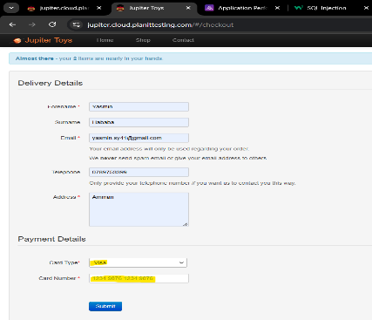 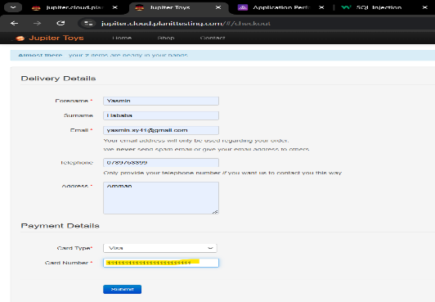
Environment | Platform | Lenovo laptop
 | Operating System | Windows 11
 | Browser | Google chrome
Bug Details | Steps to Reproduce | 1- Open a Jupiter Toys 2- Click on Start Shoping 3-Select the desired items via the Buy button 4- Go to cart page 5-Click on check out 6- Fill out all the information 7- Click on Submit
 | Expected Results | It gives an error when entering values ​​​​more than the usual ones in the Visa.
 | Actual result | Complete the purchasing process.
 | Description | When you complete the purchase process, click on checkout, fill in the delivery and payment details, choose the payment method, and fill in the card number, it does not give any alert or verification of the common card number, but rather accepts any random values ​​and completes the purchasing process.
Bug Tracking | Severity | Critical
 | Assigned to | Frontend
 | Priority | Critical
Notes | The majority of credit card issuers (Visa and Mastercard) have 16 digits displayed across their cards

Bug Report 7
Bug Report 7

Category | Field | Details
Bug ID | ID Number | #7
 | Name | 403 forbidden
 | Reporter | yasmin
 | Submit Date | 2025-01-13
Bug Overview | Summary | 403 Forbidden
 | URL | https://jupiter.cloud.planittesting.com/robots.txt
 | Screenshot | 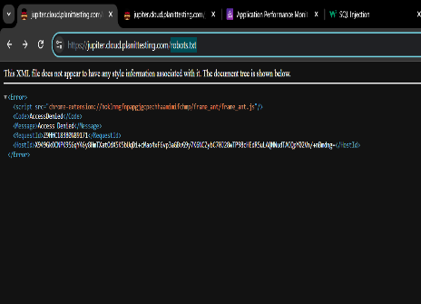
Environment | Platform | Lenovo laptop
 | Operating System | Windows 11
 | Browser | Google chrome
Bug Details | Steps to Reproduce | Write robots.txt inside the url
 | Expected Results | The page is not available OR Directory names that can or cannot be accessed
 | Actual result | A page containing RequestId and HostId
 | Description | when typing robots.txt inside the url We are here trying to access a file that helps us understand what directories we can crawl or are prohibited from accessing But here Access Denied appeared Or the so-called error 403 forbidden So we understand here You don't have the proper permissions to access the file.
Bug Tracking | Severity | Medium
 | Assigned to | Backend
 | Priority | Medium
Notes | RequestId and HostId strings appear and are mainly intended for debugging and tracking purposes. It can be used by attackers to Carrying out targeted attacks.

