Statistics
 |  | example | time in the video
descriptive | it helps to understand the data where the problem exists without predicting or building any models into that | how many centuries virat kohli scored
predictive | Based on the data avaiable it predicts the future | how many centuries virat kohli will score
prescriptive | Action to implement the predicted model | how to improve virat to score more
mean | average person age | sum all the age and divide by total record count .If total records are 180 then mean= 1/180(age1+age2+…..+age180) | 50
median | age of the average person | sort the age data and pick the middle age.If the records count is even,take the two middle age and divide by 2
By using mean and median we can come to the conclusion of how data is skewed
left skewed | mean < median
right skewed | mean > median
symmetric | mean ==median
how data is described when using data.describe() describe is to get the descriptive statistics of particular data and it is best for numerical value not for categorical value.For categorical records the values will be NaN(null value) | min,25%,50%,75%,max
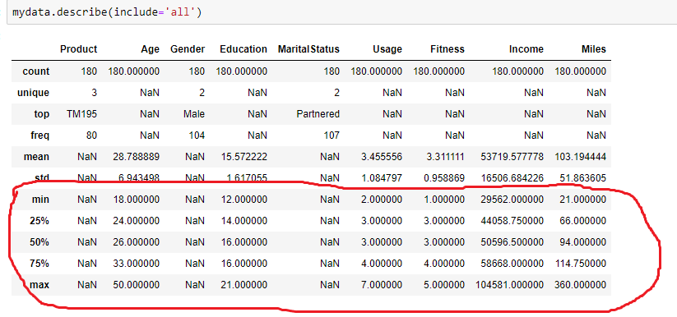

std(standard deviation) | it describes how spread the data from the average(mean)
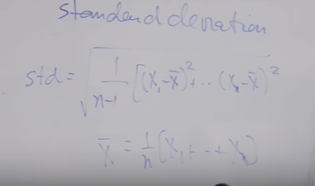

 | |x1-x-| > || represents absolute value of diffrence between data and mean value(x- (x bar))
mean absolute deviation

mean aboslute deviaiton is mostly used deviation in realtime applications

