Tabelle1
Pitch manipulation and warmth ratings for male speakers
Pitch manipulation and competence ratings for male speakers
 |  |  | (Listeners') gender independent analysis | pitch manipulaion and warmth MOS male speech |  |  | pitch manipulation competence male
 | Listeners Profile |  |  | Pitch shift | MOS |  | pitch shift | MOS |  |  |  | All manipulation levels |  | intermediate manipulation levels
Gender | Female | 30 |  | -15 | 2.90 |  | -15 | 3.13 |  |  |  | Pearson's correlation coefficient | Statistically significant? | Pearson's correlation coefficient | Statistically significant?
 | Male | 36 |  | -6 | 3.58 |  | -6 | 3.74
Age groups | 0-18 | 0 |  | 0 | 3.62 |  | 0 | 3.73 | pitch | male speech | warmth | -0.098 | no | 0.988 | no
 | 19-25 | 29 |  | 6 | 3.69 |  | 6 | 3.75
 | 26-40 | 29 |  | 15 | 2.72 |  | 15 | 2.73
 | 41- and over | 8
Female age groups | 0-18 | 0 |  |  |  |  |  |  |  |  | competence | -0.279 | no | 0.5 | no
 | 19-25 | 16
 | 26-40 | 11
 | 41- and over | 3
male age groups | 0-18 | 0 |  |  |  |  |  |  |  | female speech | warmth | -0.0431 | no | 0.992 | no
 | 19-25 | 13
 | 26-40 | 18
 | 41- and over | 5
Speech rate manipulation and warmth ratings for male speakers
English level | native English speaker | 117 |  |  |  |  |  |  |  |  | competence | -0,0867 | no | 0.999 | yes
Speech rate manipulation and competence ratings for male speakers
 | non native English speaker | 0

 |  |  |  | Duration manipulation male warmth |  |  | Duration manipulation male competence |  | speech rate | male speech | warmth | -0.185 | no | -0,998 | yes
 |  |  |  | Speech rate shift | MOS |  | Speech rate shift | MOS
 |  |  |  | -50% | 2.76 |  | -50% | 2.72
 |  |  |  | -20% | 3.89 |  | -20% | 3.56
 |  |  |  | 0.00 | 3.55 |  | 0.00 | 4.00 |  |  | competence | 0.007 | no | -0.0385 | no
 |  |  |  | 20% | 3.28 |  | 20% | 3.54
 |  |  |  | 50% | 2.72 |  | 50% | 2.74

 |  |  |  |  |  |  |  |  |  | female speech | warmth | 0.113 | no | -1 | yes

Pitch manipulation and warmth ratings for female speakers
Pitch manipulation and competence ratings for female speakers
 |  |  |  |  |  |  |  |  |  |  | competence | 0.563 | no | 0.95 | no
 |  |  |  | pitch manipulaion-warmth female |  |  | pitch manipulation competence female
 |  |  |  | Pitch shift | MOS |  | pitch shift | MOS
 |  |  |  | -15 | 2.70 |  | -15 | 2.76
 |  |  |  | -6 | 3.19 |  | -6 | 3.29
 |  |  |  | 0 | 3.70 |  | 0 | 3.67
 |  |  |  | 6 | 4.03 |  | 6 | 3.99
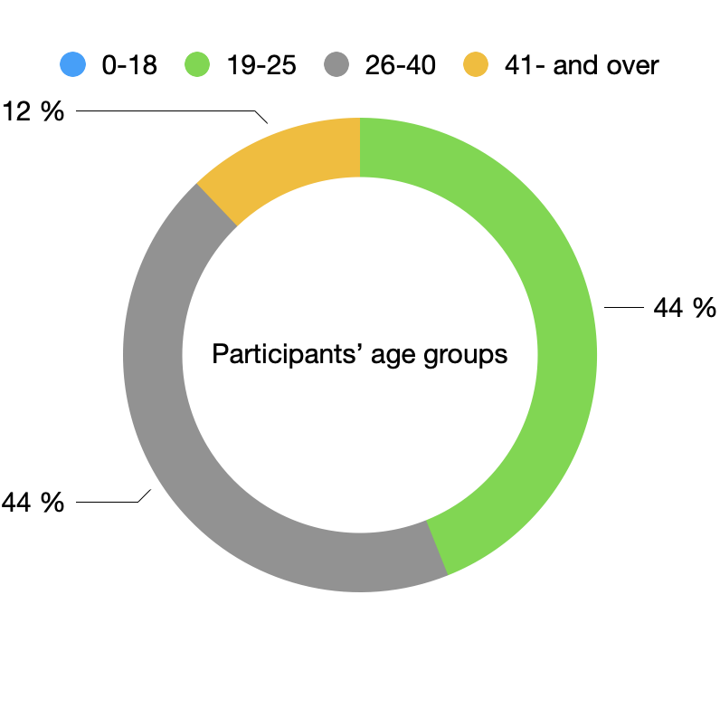
 |  |  |  | 15 | 2.27 |  | 15 | 2.30

Speech rate manipulation and warmth ratings for female speakers
Speech rate manipulation and competence ratings for female speakers

 |  |  |  | Duration manipulation female warmth |  |  | Duration manipulation female competence
 |  |  |  | Speech rate shift | MOS |  | Speech rate shift | MOS
 |  |  |  | -50% | 2.49 |  | -50% | 2.53
 |  |  |  | -20% | 3.81 |  | -20% | 3.48
 |  |  |  | 0.00 | 3.52 |  | 0.00 | 3.70
 |  |  |  | 20% | 3.23 |  | 20% | 3.76
 |  |  |  | 50% | 2.90 |  | 50% | 3.27

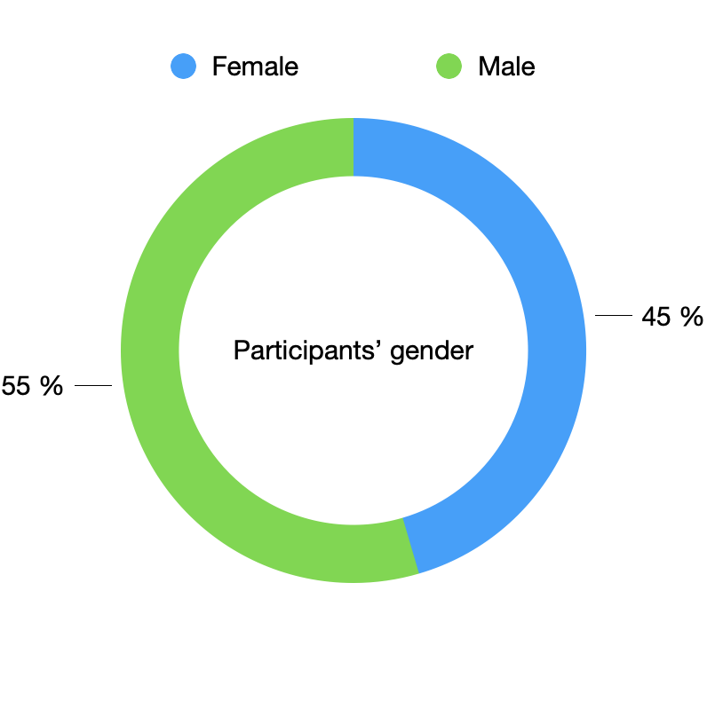

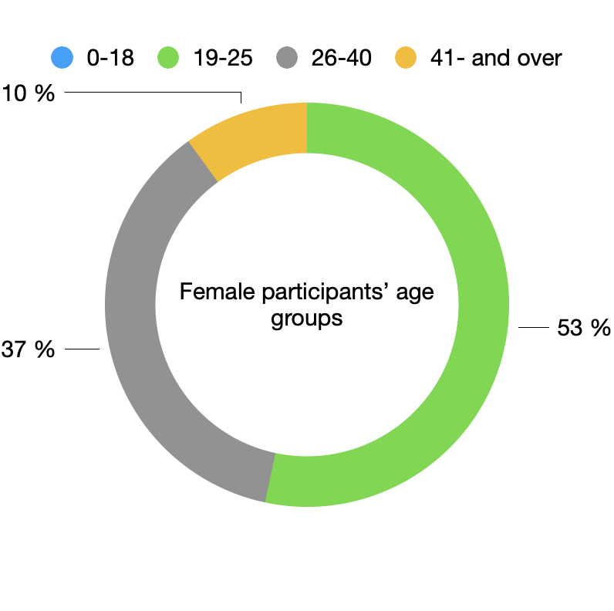

Pitch manipulation and competence ratings for male speakers
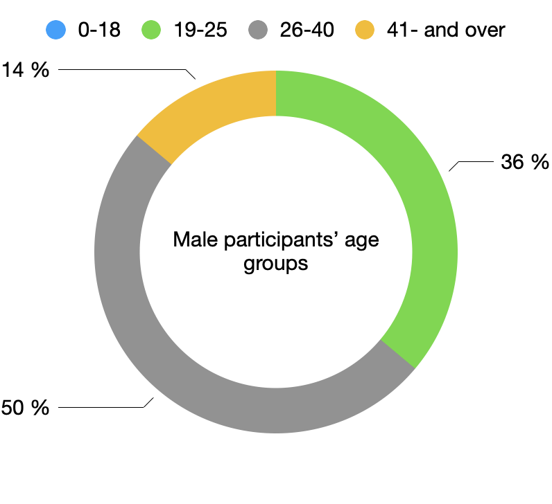
Pitch manipulation and warmth ratings from female listeners for male speakers
 |  |  |  |  |  |  |  |  |  |  |  | All manipulation levels |  | intermediate manipulation levels
 |  |  | Female listeners | pitch manipulaion-warmth male |  | pitch manipulation competence male |  |  |  |  |  | Pearson's correlation coefficient | Statistically significant? | Pearson's correlation coefficient | Statistically significant?
 |  |  |  | Pitch shift | MOS | pitch shift | MOS
 |  |  |  | -15 | 3.14 | -15 | 3.34 |  | pitch | male speech | warmth | -0,491 | no | -0,996 | no
 |  |  |  | -6 | 3.83 | -6 | 4.03
 |  |  |  | 0 | 3.56 | 0 | 3.69
 |  |  |  | 6 | 3.36 | 6 | 3.48
 |  |  |  | 15 | 2.67 | 15 | 2.63 |  |  |  | competence | -0,588 | no | -0,991 | no

 |  |  |  |  |  |  |  |  |  | female speech | warmth | 0,407 | no | 0,9999 | yes

 |  |  |  |  |  |  |  |  |  |  | competence | -0,00475 | no | 0,998 | yes
Speech rate manipulation and competence ratings for male speakers
Speech rate manipulation and warmth ratings for male speakers
 |  |  |  | Duration manipulation male warmth |  | Duration manipulation male competence
 |  |  |  | Speech rate shift | MOS | Speech rate shift | MOS
 |  |  |  | -50% | 2.64 | -50% | 2.64 |  | speech rate | male speech | warmth | -0.112 | no | -0.9997 | yes
 |  |  |  | -20% | 3.87 | -20% | 3.56
 |  |  |  | 0.00 | 3.54 | 0.00 | 4.03
 |  |  |  | 20% | 3.18 | 20% | 3.46
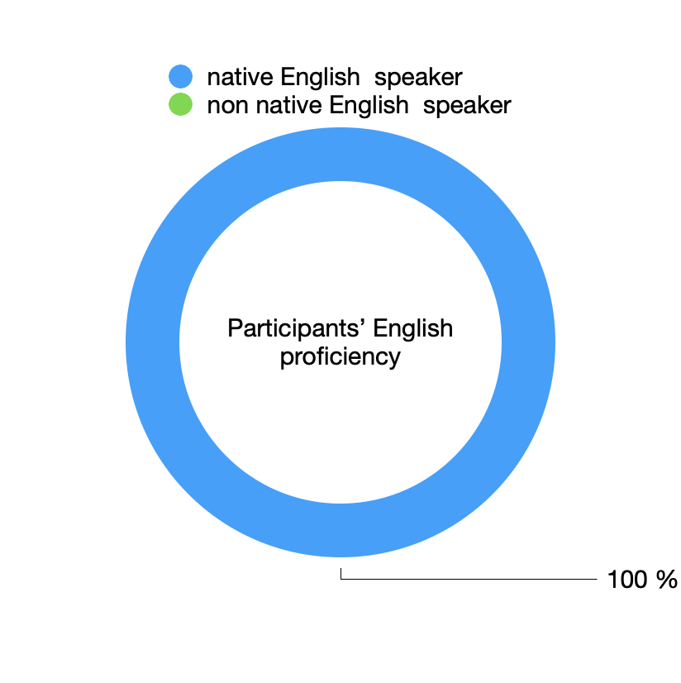
 |  |  |  | 50% | 2.72 | 50% | 2.88 |  |  |  | competence | 0.118 | no | -0.164 | no

 |  |  |  |  |  |  |  |  |  | female speech | warmth | 0,134 | no | -0,992 | no

 |  |  |  |  |  |  |  |  |  |  | competence | 0,673 | no | 0,997 | yes

Pitch manipulation and competence ratings for female speakers
Pitch manipulation and warmth ratings for female speakers
 |  |  |  | pitch manipulaion-warmth female |  | pitch manipulation competence female
 |  |  |  | Pitch shift | MOS | pitch shift | MOS
 |  |  |  | -15 | 2.60 | -15 | 2.71
 |  |  |  | -6 | 3.19 | -6 | 3.39
 |  |  |  | 0 | 3.60 | 0 | 3.70
 |  |  |  | 6 | 4.03 | 6 | 4.09
 |  |  |  | 15 | 2.35 | 15 | 2.42

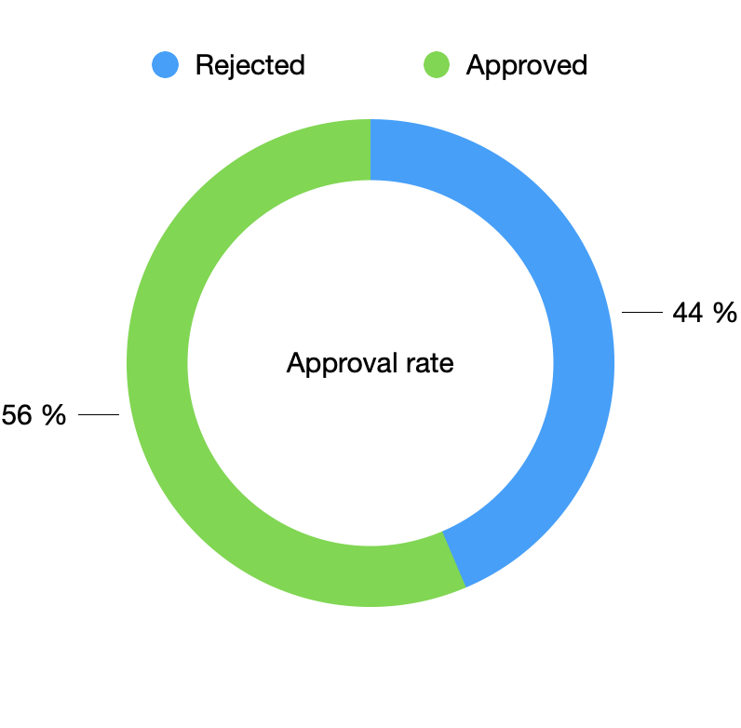

Speech rate manipulation and warmth ratings for female speakers
Speech rate manipulation and competence ratings for female speakers
 |  |  |  | Duration manipulation female warmth |  | Duration manipulation female competence
 |  |  |  | Speech rate shift | MOS | Speech rate shift | MOS
 |  |  |  | -50% | 2.52 | -50% | 2.72
 |  |  |  | -20% | 3.90 | -20% | 3.46
 |  |  |  | 0.00 | 3.49 | 0.00 | 3.76
 |  |  |  | 20% | 3.23 | 20% | 3.99
 |  |  |  | 50% | 3.00 | 50% | 3.49

Pitch manipulation and warmth ratings from female listeners for male speakers
Pitch manipulation and competence ratings for male speakers
 |  |  | Male listeners
 |  |  |  | pitch manipulaion-warmth male |  | pitch manipulation competence male
 |  |  |  | Pitch shift | MOS | pitch shift | MOS |  |  |  |  |  |  | All manipulation levels |  | intermediate manipulation levels
 |  |  |  | -15 | 2.70 | -15 | 2.95 |  |  |  |  |  |  | Pearson's correlation coefficient | Statistically significant? | Pearson's correlation coefficient | Statistically significant?
 |  |  |  | -6 | 3.37 | -6 | 3.49
 |  |  |  | 0 | 3.67 | 0 | 3.77 |  |  |  | pitch | male speech | warmth | 0.183 | no | 1 | yes
 |  |  |  | 6 | 3.97 | 6 | 3.98
 |  |  |  | 15 | 2.77 | 15 | 2.81

 |  |  |  |  |  |  |  |  |  |  |  |  | competence | 0.0362 | no | 0.997 | no

 |  |  |  |  |  |  |  |  |  |  |  | female speech | warmth | -0.113 | no | 0.974 | no

Speech rate manipulation and warmth ratings for male speakers
Speech rate manipulation and competence ratings for male speakers
 |  |  |  | Duration manipulation male warmth |  | Duration manipulation male competence |  |  |  |  |  |  | competence | -0.159 | no | 0,989 | no
 |  |  |  | Speech rate shift | MOS | Speech rate shift | MOS
 |  |  |  | -50% | 2.86 | -50% | 2.79
 |  |  |  | -20% | 3.92 | -20% | 3.56
 |  |  |  | 0.00 | 3.56 | 0.00 | 3.97 |  |  |  | speech rate | male speech | warmth | -0.235 | no | -0.982 | no
 |  |  |  | 20% | 3.38 | 20% | 3.60
 |  |  |  | 50% | 2.72 | 50% | 2.63

 |  |  |  |  |  |  |  |  |  |  |  |  | competence | -0.0824 | no | 0.0885 | no

 |  |  |  |  |  |  |  |  |  |  |  | female speech | warmth | 0.086 | no | -0.995 | no

 |  |  |  |  |  |  |  |  |  |  |  |  | competence | 0.455 | no | 0.436 | no
Pitch manipulation and warmth ratings for female speakers
Pitch manipulation and competence ratings for female speakers
 |  |  |  | pitch manipulaion-warmth female |  | pitch manipulation competence female
 |  |  |  | Pitch shift | MOS | pitch shift | MOS
 |  |  |  | -15 | 2.79 | -15 | 2.81
 |  |  |  | -6 | 3.19 | -6 | 3.21
 |  |  |  | 0 | 3.78 | 0 | 3.65
 |  |  |  | 6 | 4.03 | 6 | 3.91
 |  |  |  | 15 | 2.20 | 15 | 2.20

Speech rate manipulation and warmth ratings for female speakers
Speech rate manipulation and competence ratings for female speakers
 |  |  |  | Duration manipulation female warmth |  | Duration manipulation female competence
 |  |  |  | Speech rate shift | MOS | Speech rate shift | MOS
 |  |  |  | -50% | 2.47 | -50% | 2.37
 |  |  |  | -20% | 3.74 | -20% | 3.50
 |  |  |  | 0.00 | 3.53 | 0.00 | 3.66
 |  |  |  | 20% | 3.23 | 20% | 3.57
 |  |  |  | 50% | 2.81 | 50% | 3.08

