Instructions
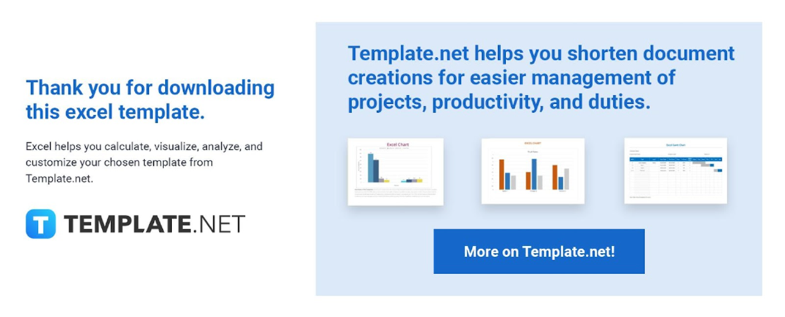

The following are instructions on how to use the template.

1. Edit or add content like inserting rows and columns to the template.
2. There are no locked-up cells for easier editing of cell names.
3. Feel free to change any formula available.

Should you need assistance, please contact our Customer Support Team using the chat box found on the website.

