Diagrams
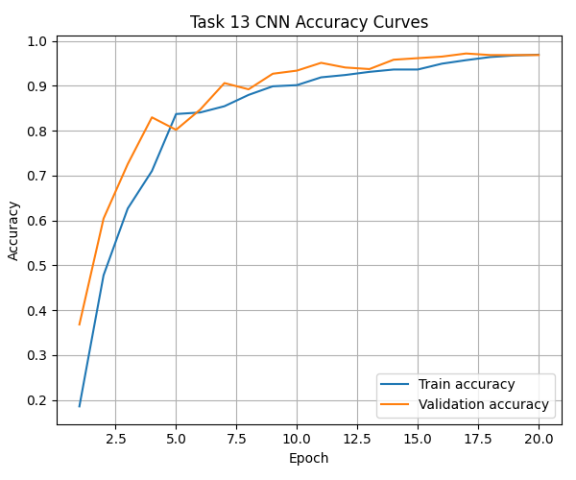
Diagrams and Descriptions

Train vs validation loss: `data-science-13-training-curves.png` (left panel).

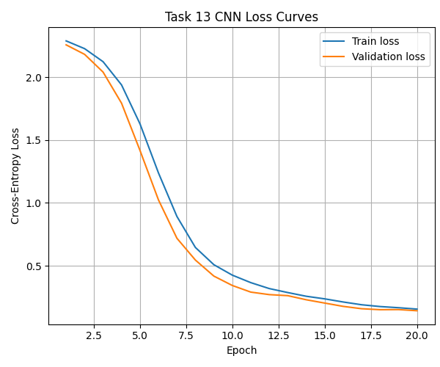

Train vs validation metric (accuracy): `data-science-13-training-curves.png` (right panel).

