Diagrams
Diagram File | Description
data-science-12-training-curves.png | Train vs validation loss curve: `data-science-12-training-curves.png` (left panel).
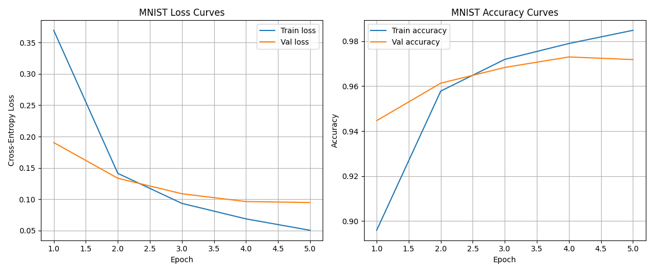

data-science-12-training-curves.png | Train vs validation accuracy curve: `data-science-12-training-curves.png` (right panel).

