Diagrams
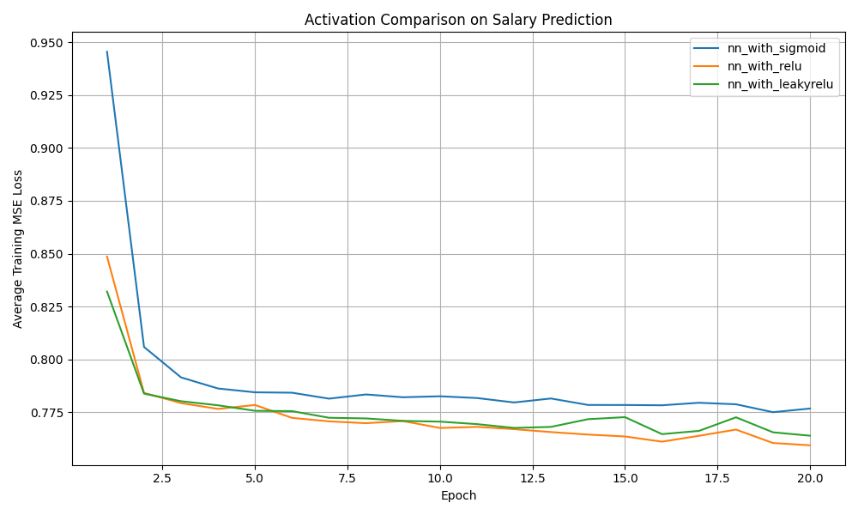
Diagram File | Description
data-science-6-losses.png | Train loss curve (all hypotheses): `data-science-6-losses.png`.

