Diagrams
Diagram File | Description
data-science-9-training-curves.png | Train vs validation loss curve: `data-science-9-training-curves.png` (left panel).
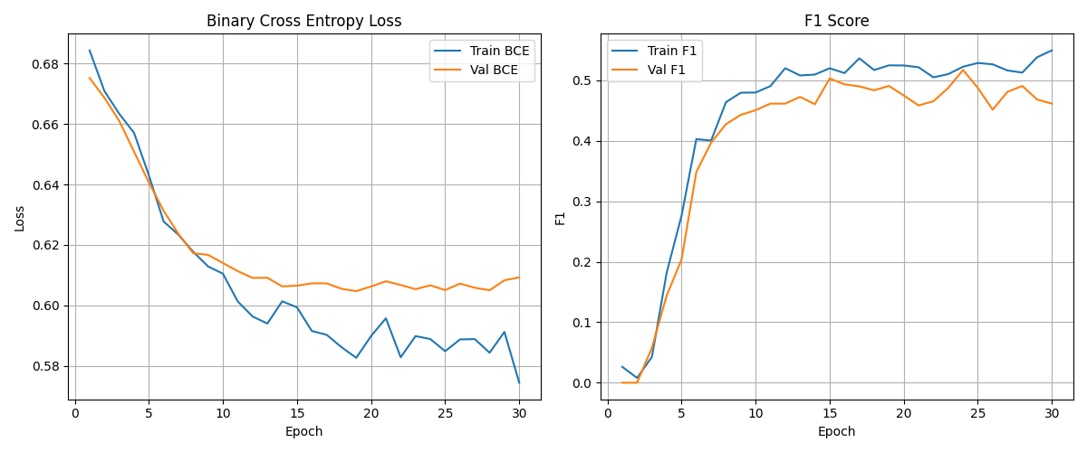

data-science-9-training-curves.png | Train vs validation F1 curve: `data-science-9-training-curves.png` (right panel).

