Diagrams
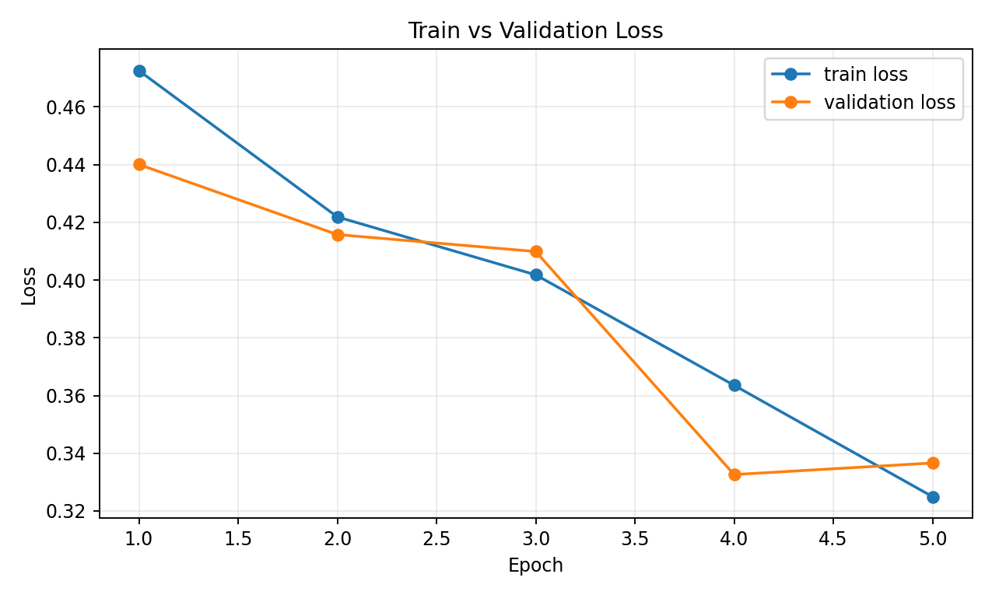
Training Diagnostics

Diagram 1: Train vs Validation Metric (Dice). Shows how segmentation quality evolves across epochs and helps detect underfitting/overfitting.

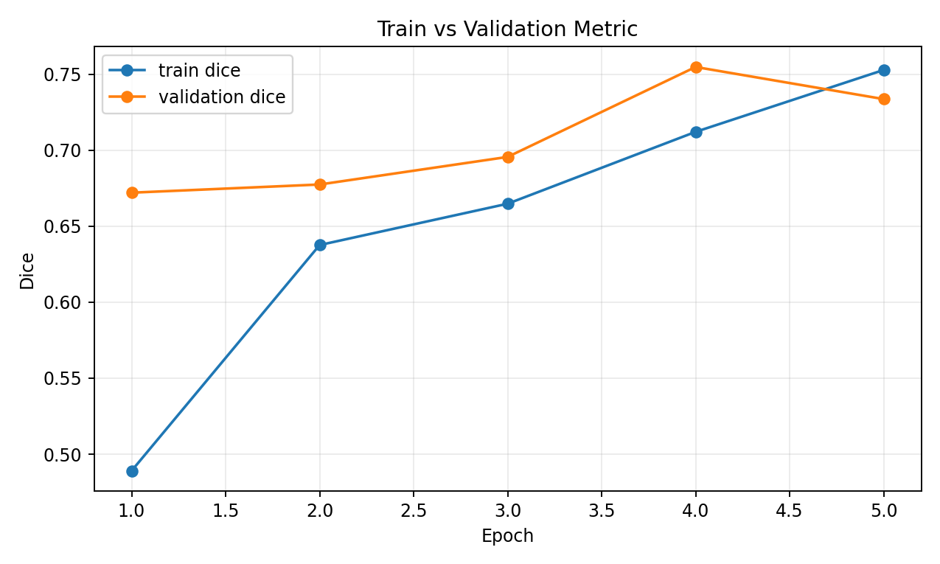

Diagram 2: Train vs Validation Loss. Shows optimization behavior and divergence/convergence between train and validation objectives.

