Diagrams
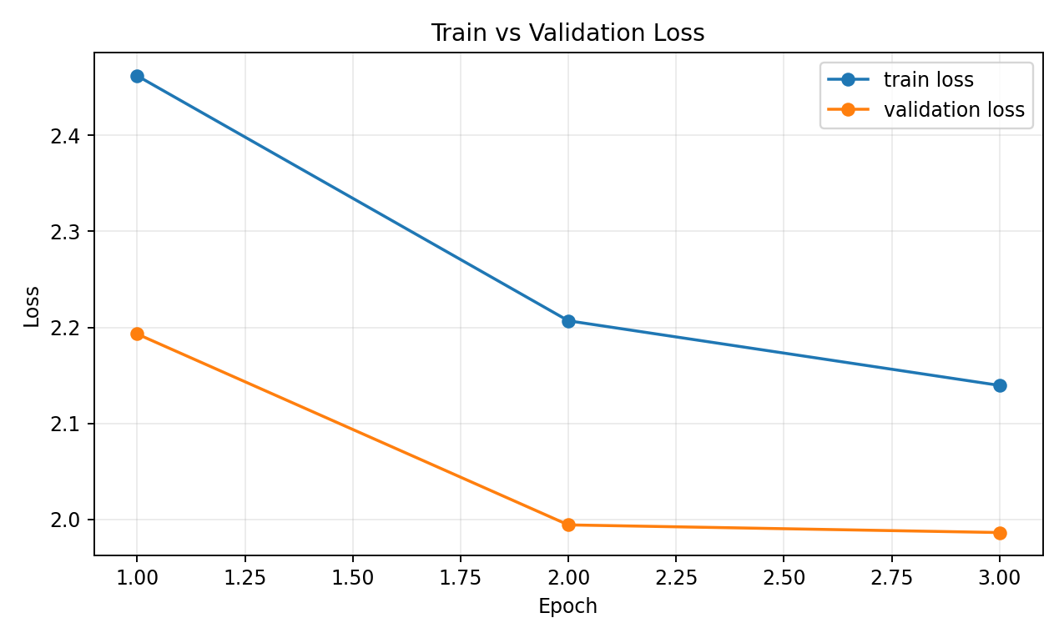
Training Diagnostics

Diagram 1: Train vs Validation metric (Mean IoU). This shows how the semantic segmentation quality changes over epochs on train and validation data.

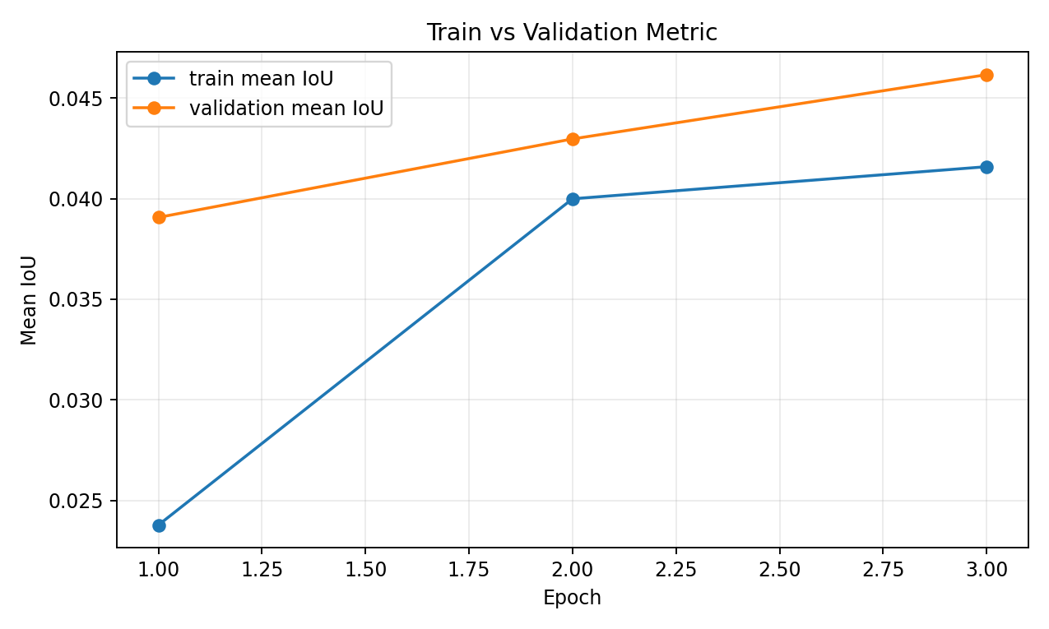

Diagram 2: Train vs Validation loss. This shows optimization progress and whether the model starts overfitting.

