Rapor Sayfası
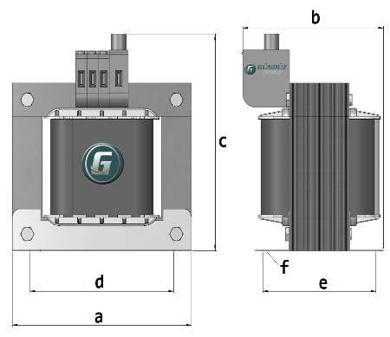
Trafo Tipi : | Izolasyon Trafosu TriFaz Hesap Ozeti |  |  |  |  | Tarih : | 2020-11-29
Değerler
Güç : | 1000.0 VA |  | Primer Agirlik(Al) : | 0.865 kg |  | Karkas Ölçüleri : | 85.0 x 140.0 x 72.0
Sac kk : | 7.0 |  | Sekonder Agirlik(Al): | 31.152 kg |  | Trafo Ölçüleri : | 255.0 x 225.0 x 213.0 x 203.0 x 187.0
Sac © | 0.5 mm |  | Primer Agirlik(Cu) : | 0.0 kg |  | Klemens & Ayak : | TRV4S / 35 / 27 - 180 Kose / 31
Gauss : | 10500.0 |  | Sekonder Agirlik(Cu) : | 0.0 kg |  | Sac Agirlik : | 16.631 kg
Frekans : | 50.0 Hz |  | Toplam Agirlik : | 32.017kg

Primer |  |  |  |  | Sekonder
 |  |  | 442.0 V ( 446.5833V ) |  |  |  |  | 522.0 V ( 529.1042V )

 | Cap : 5.0 Tel :Al |  |  |  |  | Cap : 0.0 Tel :Al
 | Kesit :19.635 |  | 92.0 sp |  |  | Kesit :85.0 |  | 109.0 sp
 | Akim :31.416 |  |  |  |  | Akim :136.0
 | Tel Ag. :0.0 kg |  |  |  |  | Tel Ag. :31.152 kg
 | Kat :14 |  | 544.0 V ( 548.5208V ) |  |  | Kat :6 |  | 0.0 V ( 0.0V )

 | Cap : 0.0 Tel :Al |  |  |  |  | Cap : 0.0 Tel :Al
 | Kesit :0.0 |  | 113.0 sp |  |  | Kesit :0.0 |  | 0.0 sp
 | Akim :0.0 |  |  |  |  | Akim :0.0
 | Tel Ag. :0.0 kg |  |  |  |  | Tel Ag. :0.0 kg
 | Kat :0 |  | 0.0 V ( 0.0V ) |  |  | Kat :0

 | Cap : 0.0 Tel :Al
 | Kesit :0.0 |  | 0.0 sp
 | Akim :0.0
 | Tel Ag. :0.0 kg
 | Kat :0 |  | 233.0 V ( 233.0V )

 | Cap : 4.0 Tel :Al
 | Kesit :12.566 |  | 48.0 sp
 | Akim :20.106
 | Tel Ag. :0.865 kg
 | Kat :17

 | IZOLASYON DEGERLERI
 | Primer Kademe | Tur | Ekran
 | 0.19 | 4 | Yok
 | VA Kademe | Tur | Ekstra
 | Yok | Yok | Yok
 | Primer-Sekonder | Tur
 | 0.19 | 0
 | NÜVE ÖLÇÜLERİ
 | a | b | c | d | e | f
 | 255.0 mm | 206.0 mm | 240.0 mm
 | TRAFO ÖLÇÜLERİ
 | a | b | c | d | e | f
 | 255.0 mm | 225.0 mm | 213.0 mm | 203.0 mm | 187.0 mm | 0.0 mm

