Script Running Steps
Steps

Setup
1 | Copy Script
 | Copy the project folder to your local computer (anywhere is fine, I usually just paste it to desktop)
 | Z:\IPD\Public\REVIEWS\Co-op\2024\Yaxy\LinkedIn Scraper Project

2 | Open the script
 | a. | Open VS Code (ask IT to install for you if not installed yet, along with Python extensions)
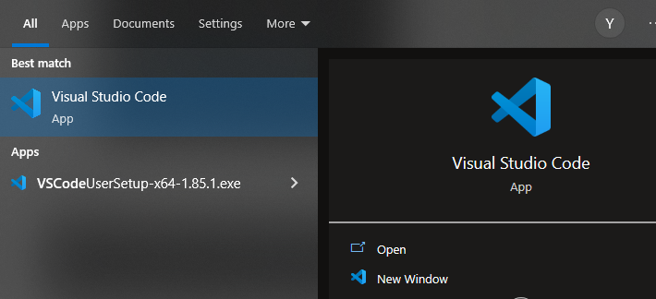

 | b. | Click "File" -> "Open Folder" -> select the "LinkedIn Scrapper Project" from your local computer
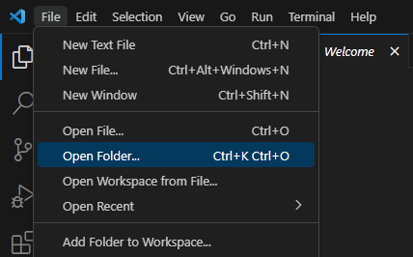
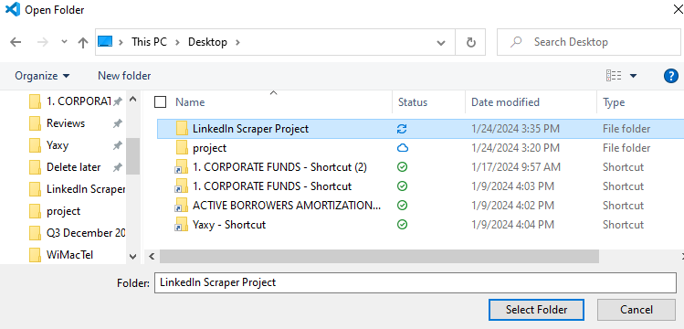

3 | Create virtual environment
 | On your keyboard, press Ctrl + Shift + P
 | Then, follow the below picture and select the ones highlighted in blue

 | Now click "main.py", if you see this at the bottom right, that means you have successfully activate the virtual environment

2 | Install Libraries
 | Run the following commands to install necessary libraries

 | you can run command "pip list" to check if the libraries are succesfully installed

3 | In variables.py, update the following paths:
 | a. | Update chrome_driver_path
 |  | There is a chromedriver in the project folder already, update the chrome_driver_path in the "variables.py" file accordingly
 |  | e.g.

 |  | Just in case the chromedriver does not work, you can always download it again from "https://googlechromelabs.github.io/chrome-for-testing/"
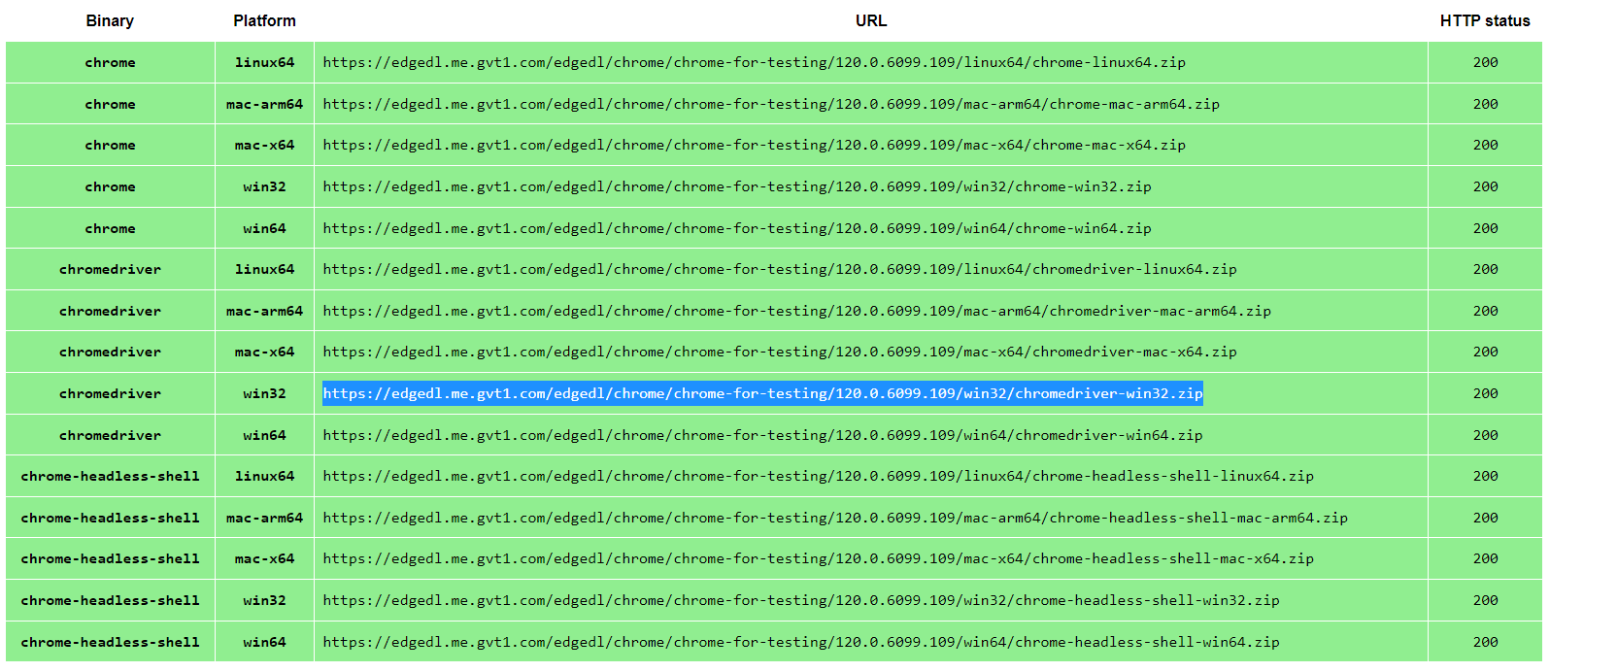

 |  | Copy and paste that link into the search bar,download and unzip the file, and get the location of the "chromedriver.exe"

 | b. | Update excel_file_path
 |  | This will be the path of your source file
 |  | e.g.

 |  | Make sure that the source file has the correct format:
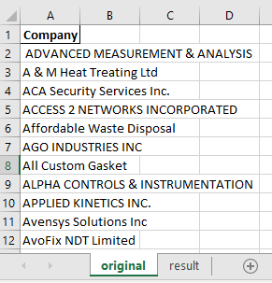

 |  | When you done, make sure you close the file!!!

Run
1 | Double click on "main.py" to open it
2 | Ctrl + F5
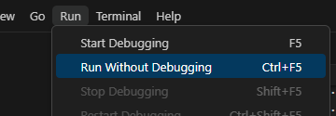

3 | A LinkedIn page will pop up, it will login itself using a company account.
 | Usually you can just rest and chill now, the computer will do the rest, but there might be a case when LinkedIn detects non-human behaviour and asks for a security check
 | In this case, do the security check manually, and the computer will take it from there


 | * While the script is running, try to maximize the LinkedIn screen, it will speed up the script running time a lot

