Pivot Table 1
income_group_num | AVERAGE of wat_bas_n | AVERAGE of wat_lim_n | AVERAGE of wat_unimp_n | AVERAGE of wat_sur_n
1 | 62.82 | 16.55 | 15.21 | 5.42
2 | 82.21 | 5.69 | 7.90 | 4.29
3 | 96.43 | 1.56 | 1.48 | 0.57
4 | 99.56 | 0.18 | 0.24 | 0.02
 | #DIV/0! | #DIV/0! | #DIV/0! | #DIV/0!
Grand Total | 89.86 | 3.87 | 4.42 | 1.92

Water access by income group Average share of the population at each national water service level across income groups

income_group_num | AVERAGE of pop_u %
1 | 36.04465338
2 | 48.78990351
3 | 64.68569565
4 | 79.35545728

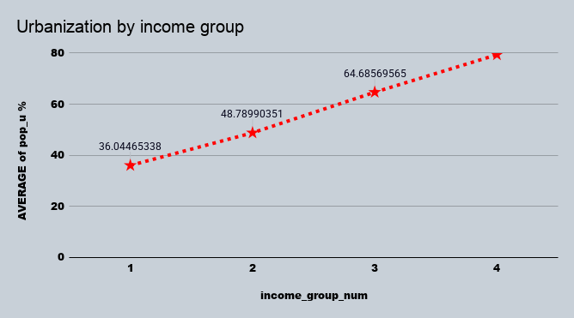

income_group_num | SUM of pop_n (th)
1 | 590425162.1
2 | 3399310231
3 | 2547637907
4 | 1212076068

Population by income group

Global 2020 Report.
Urban vs Rural Population Share by Country Population Size
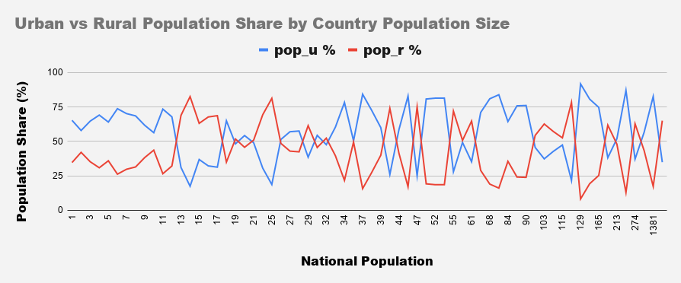
pop_n | pop_world | pop_u_val
7786713708 | 7821000000 | 4375331317

Metric | Value
Dataset Population | 7786713708
World Population | 7821000000
Population % Difference | 34286292
Percentage Difference | 0.4393506011
Coverage Percentage | 99.56161243

FEATURES | MAX | MIN | mean | median | mode | QRTL 1 | QRTL 3 | IQR | STDEV
wat_bas_n (Basic water) | 100 | 37 | 89.86729858 | 97 | 100 | 85.5 | 100 | 14.5 | 15.11452855
wat_lim_n (Limited water) | 37.42696287 | 0 | 3.865265345 | 0.4707829181 | 0 | 0 | 4.851219157 | 4.851219157 | 6.960846633
wat_unimp_n (Unimproved water) | 33.53911377 | 0 | 4.418010654 | 0.8536474704 | 0 | 0.03390622265 | 5.279309922 | 5.245403699 | 7.174477036
wat_sur_n (Surface water) | 30.36979308 | 0 | 1.915488584 | 0 | 0 | 0 | 1.878301993 | 1.878301993 | 3.923973987

NATIONAL_WATER_ACCESS
Feature | Low (Min) | Open (Q1) | Close (Q3) | High (Max)
wat_bas_n | 37 | 85.5 | 100 | 100
wat_lim_n | 0 | 0 | 4.851219157 | 37.42696287
wat_unimp_n | 0 | 0.03390622265 | 5.279309922 | 33.53911377
wat_sur_n | 0 | 0 | 1.878301993 | 30.36979308

FEATURES | MAX | MIN | mean | median | mode | QRTL 1 | QRTL 3 | IQR | STDEV
wat_bas_u (Basic water) | 100 | 49.66166495 | 94.68983975 | 98.10662849 | 100 | 92.56287752 | 99.94941803 | 7.38654051 | 8.03886161
wat_lim_u (Limited water) | 34.27978009 | 0 | 3.281838654 | 0.5 | 0 | 0 | 3.966347184 | 3.966347184 | 5.63506705
wat_unimp_u (Unimproved water) | 19.83580681 | 0 | 1.71878521 | 0.3498740029 | 0 | 0 | 2.059001302 | 2.059001302 | 3.23457032
wat_sur_u (Surface water) | 6.362160532 | 0 | 0.3131148443 | 0 | 0 | 0 | 0.1597056849 | 0.1597056849 | 0.8696316426

URBAN_WATER_ACCESS
Feature | Low (Min) | Open (Q1) | Close (Q3) | High (Max)
wat_bas_u (Basic water) | 49.66166495 | 92.56287752 | 99.94941803 | 100
wat_lim_u (Limited water) | 0 | 0 | 3.966347184 | 34.27978009
wat_unimp_u (Unimproved water) | 0 | 0 | 2.059001302 | 19.83580681
wat_sur_u (Surface water) | 0 | 0 | 0.1597056849 | 6.362160532

FEATURES | MAX | MIN | mean | median | mode | QRTL 1 | QRTL 3 | IQR | STDEV
wat_bas_r (Basic water) | 100 | 21.98279234 | 81.33591803 | 90.73161683 | 100 | 64.8254211 | 99.11924249 | 34.29382139 | 21.50663741
wat_lim_r (Limited water) | 42.16438068 | 0 | 5.836562548 | 1.812330835 | 0 | 0 | 8.553175126 | 8.553175126 | 8.704765846
wat_unimp_r (Unimproved water) | 51.21598167 | 0 | 8.732261484 | 3.229749713 | 0 | 0.1584109169 | 13.2663393 | 13.10792838 | 11.82849434
wat_sur_r (Surface water) | 40.51813242 | 0 | 4.224039638 | 0.2196897375 | 0 | 0 | 6.157471481 | 6.157471481 | 6.847951395

Rural_Water_access
Feature | Low (Min) | Open (Q1) | Close (Q3) | High (Max)
wat_bas_r (Basic water) | 21.98279234 | 64.8254211 | 99.11924249 | 100
wat_lim_r (Limited water) | 0 | 0 | 8.553175126 | 42.16438068
wat_unimp_r (Unimproved water) | 0 | 0.1584109169 | 13.2663393 | 51.21598167
wat_sur_r (Surface water) | 0 | 0 | 6.157471481 | 40.51813242

Feature | Low (Min) | Open (Q1) | Close (Q3) | High (Max)
wat_bas_n | 37 | 85.5 | 100 | 100
wat_lim_n | 0 | 0 | 4.8512191565 | 37.42696287
wat_unimp_n | 0 | 0.033906222645 | 5.279309922 | 33.53911377
wat_sur_n | 0 | 0 | 1.8783019933 | 30.36979308
wat_bas_u (Basic water) | 49.66166495 | 92.56287752 | 99.94941803 | 100
wat_lim_u (Limited water) | 0 | 0 | 3.9663471835 | 34.27978009
wat_unimp_u (Unimproved water) | 0 | 0 | 2.0590013015 | 19.83580681
wat_sur_u (Surface water) | 0 | 0 | 0.1597056849 | 6.362160532
wat_bas_r (Basic water) | 21.98279234 | 64.825421095 | 99.119242488 | 100
wat_lim_r (Limited water) | 0 | 0 | 8.5531751255 | 42.16438068
wat_unimp_r (Unimproved water) | 0 | 0.15841091693 | 13.266339298 | 51.21598167
wat_sur_r (Surface water) | 0 | 0 | 6.157471481 | 40.51813242

National Water Access by National Population Size(M)

Urban Water Access by Urban Population Share %

Rural Water Access by Rural Population Share %

Chart1
ACCESS_TO_WATER_SERVICES

access distribution dashboard
Feature | Low (Min) | Open (Q1) | Close (Q3) | High (Max)
wat_bas_n | 37 | 85.5 | 100 | 100
wat_lim_n | 0 | 0 | 4.8512191565 | 37.42696287
wat_unimp_n | 0 | 0.033906222645 | 5.279309922 | 33.53911377
wat_sur_n | 0 | 0 | 1.8783019933 | 30.36979308
wat_bas_u (Basic water) | 49.66166495 | 92.56287752 | 99.94941803 | 100
wat_lim_u (Limited water) | 0 | 0 | 3.9663471835 | 34.27978009
wat_unimp_u (Unimproved water) | 0 | 0 | 2.0590013015 | 19.83580681
wat_sur_u (Surface water) | 0 | 0 | 0.1597056849 | 6.362160532
wat_bas_r (Basic water) | 21.98279234 | 64.825421095 | 99.119242488 | 100
wat_lim_r (Limited water) | 0 | 0 | 8.5531751255 | 42.16438068
wat_unimp_r (Unimproved water) | 0 | 0.15841091693 | 13.266339298 | 51.21598167
wat_sur_r (Surface water) | 0 | 0 | 6.157471481 | 40.51813242

Distribution of Water Access Service Levels Across National, Urban and Rural Areas

ORDERED AND AGGREGATED POPvsACC
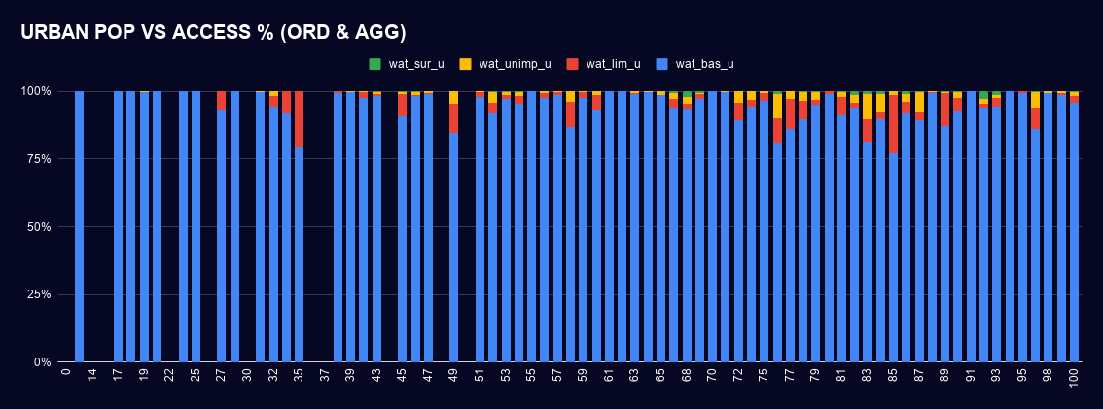
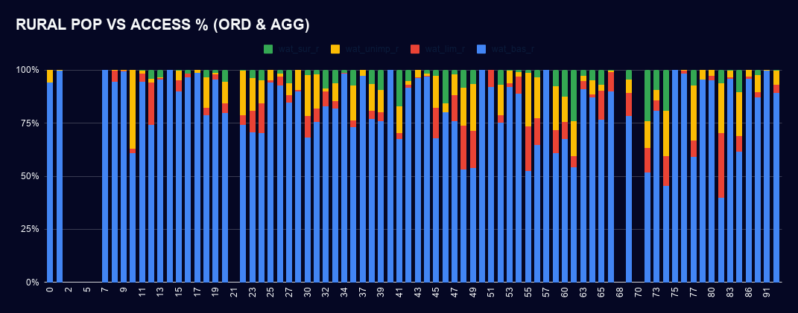
COMMENT
Analysis | Independent variable | Main observation
National | Population size | No clear, consistent relationship
Urban | Urban population share | Basic access remains dominant across most groups
Rural | Rural population share | Higher rural shares appear to coincide with more lower-level access

