General
 |  |  |  |  | N:\Design\_Forms\AC\New AC OfferV5.4D.xlsm
Costing

 |  | Brand |  | Discount
Project Name |  | Gree | VRF
Pricing | Inclusive | Yes | Duct
Sales |  |  | Installation
Design |  | Gree | Split
Reference | IMG_0000 | Gree | AHU
Date |  | Gree | Chiller
Revision |  | Gree | Package
City | Karak | Gree | HP
Type | Commercial | Gree | FCU
 |  |  | Split Copper
 |  | Gree | CCU

 | Maintenance & Warranty
Factory Warranty | 1
Preventive Maintenance No. of Years | 1
Visits Per Year | 1

CP



To The Kind Attention of: Mr.
Project name:
Ref: IMG_0000
Date: 09-22-2026 | 2026-09-22 11:41:19

Introduction Gree
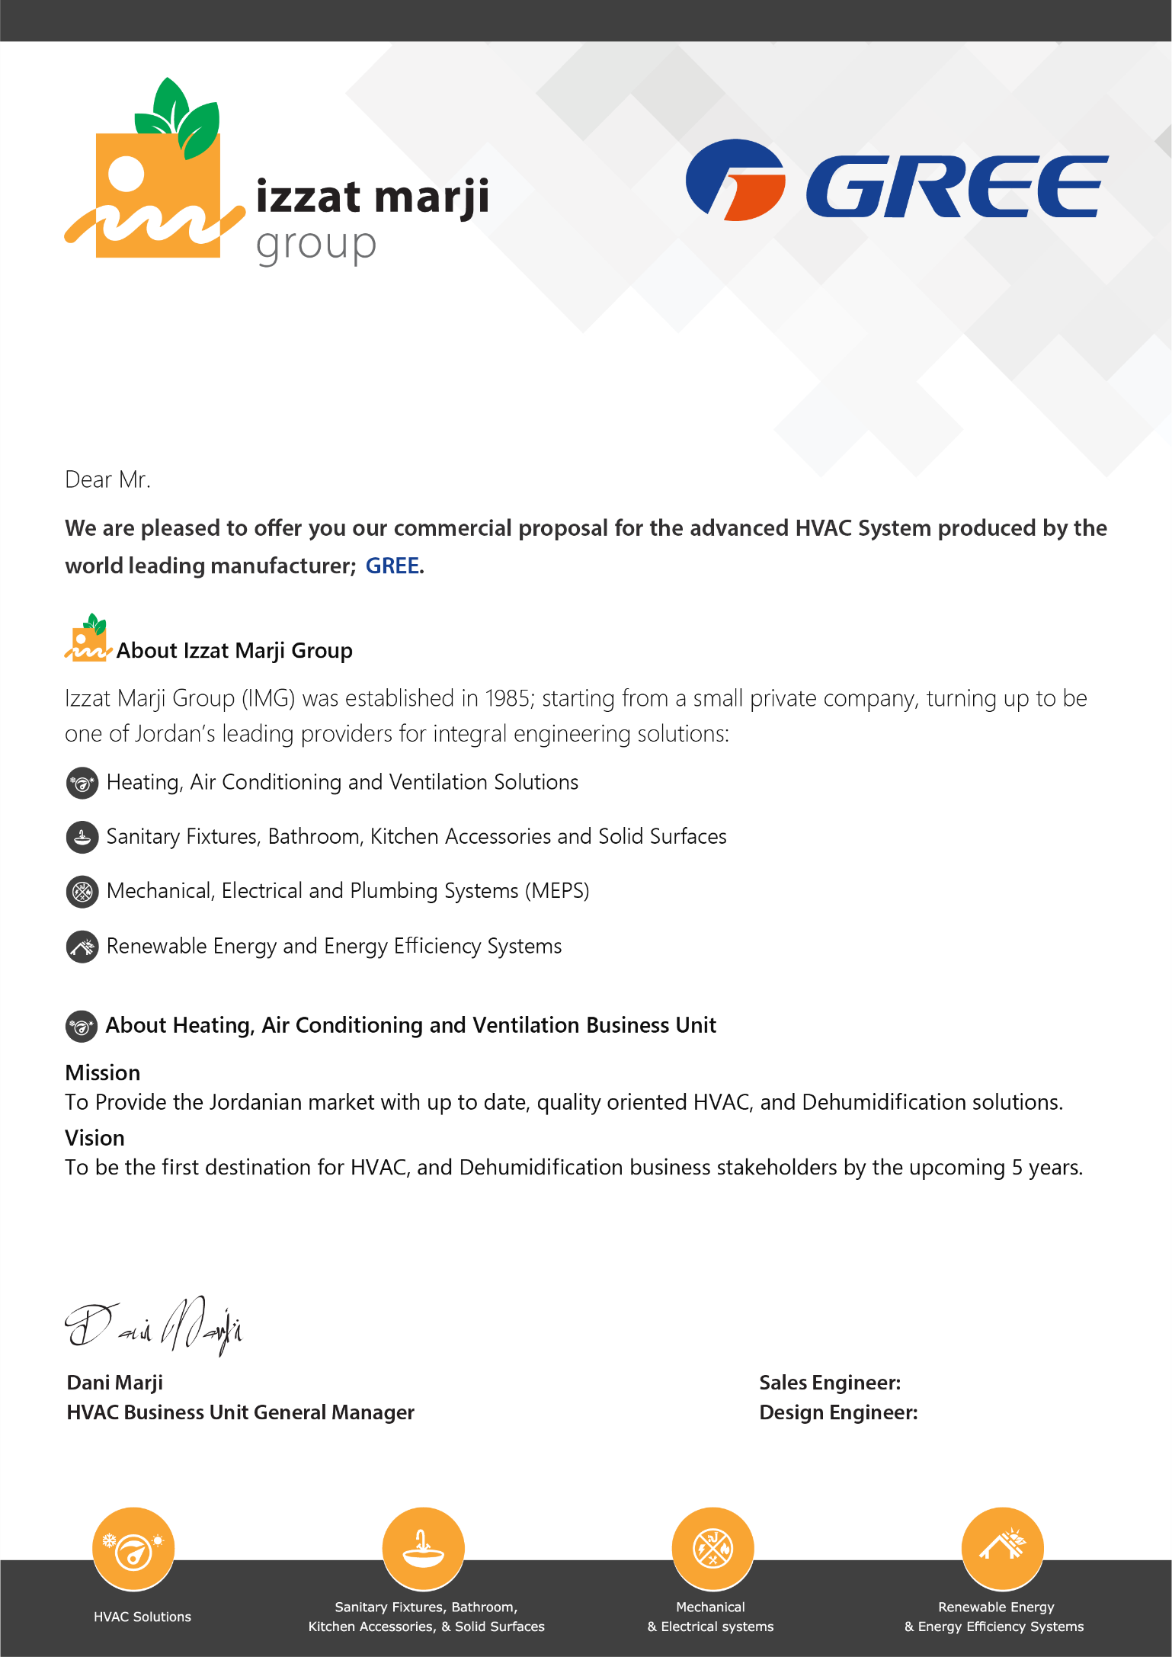

XXX XXXX

XXX XXXX
XXX XXXX

Sum(Total)
 |  |  |  |  | IMG_0000
IMG_0000 |  |  |  |  | JD/Ton (List) | JD/Ton (Net) |  | Modification History |  | V# | Done By | Date | Revied and Verified by | Date | V# | AC_V#
 | VRF System | Description | Total Price (JD) | Total Net Price
 |  | Outdoor Units | 0 | 0
 |  | Indoor Units | 0 | 0
 |  | Controllers | 0 | 0
 |  | Copper networks & installation | 0 | 0
 |  | Total Price | 0 | 0

 | Split System | Description | Total Price (JD) | Total Net Price (JD)
 |  | AC Split Units | 0 | 0
 |  | Copper Pipes | 0 | 0
 |  | Total Price | 0 | 0

 | Total Price (JD) |  | - | -

 | Design Criteria |  | Value
 | Outdoor Temperature (Summer/Winter) |  | 38 ˚C / 0 ˚C
 | Indoor temperature(Cooling/Heating) |  | ___˚C DB ,___˚C WB / 21 ˚C in Heating
 | U-Value for walls |  | W/m².C
 | U-Value for roof |  | W/m².C
 | U-Value for windows |  | W/m².C
 | Windows shading Coefficient
 | Ventilation rate |  | ___ l/s/person+___l/s.m²
- | Selection of units capacities was done according to schedule of equipment in drawing No.---------
- | Selection of units was done according to criteria of 38 ˚C DB outdoor , 23˚C DB &16˚C WB indoor.

 | Terms & Conditions: |  |  |  |  |  | Reference | Link
- | The offer is valid for 15 days from offer date. |  |  |  |  |  | DWG
- | Prices are in Jordanian Dinars including customs duties, and current sales tax by 16%. |  |  |  |  |  | Emails
 | Prices do not include: |  |  |  |  |  | Prices
- | Civil works,Electric power works, transformers, relays,Ventilation fans,Installation of transmission cables, and the supply and installation of control cables,Drain works and Duct Works. |  |  |  |  |  | Specs
 |  |  |  |  |  |  | Files
 | Payment Terms: |  |  |  |  |  | Software
- | Payment terms are negotiable and depend on the final approved Project Schedule by the client.

 | Material Delivery Duration: To be agreed.
 | Installation Duration: To be agreed.
 | Warranty Terms:
- | 5 years Factory Warranty for the Compressor against manufacturing defects.
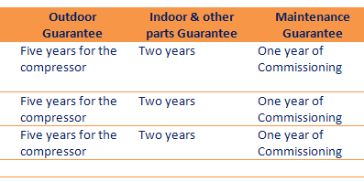
- | 1 year Factory Warranty for other AC Components against manufacturing defects. |  |  |  |  |  |  |  | · The ducted, cassette & floor ceiling units new prices include 7 meters copper pipes instead of 4 meters.
- | 1 year against installation defects. |  |  |  |  |  |  |  | · Discount policy will not be changed.
- | Agreement terms to be applied.

Tel: +(962) 6 55 202 84 - Fax: +(962) 6 55 202 94
P.O. Box: 88, Amman 11822 – Jordan, E-mail: info@marji.jo
Visit our web site: www.marji.jo

تمديدات التدفئة المركزية
تمديدات المياه الباردة والساخنة
أنابيب EUROFLEX الألمانية
الخطوط الرئيسية
الأضافات

Copper
 |  | Copper for Split System
Code | Description |  | Qty (m) | Unit Price (JD) | Total Price (JD) | Unit Net Price (JD) | Total Net Price (JD)

CP/SPT/FR | Free Copper Pipes |  | 0 | 0 | 0

CP/SPT/INS | Installation and Extra Copper Pipes |  | 0 | 25

 |  |  | 0 | TOTAL | 0 | TOTAL NET | 0

 |  | Terms & Conditions:
 | - | The calculated amount of the copper pipes is an approximate amount, the actual will be remeasured on the site after installing indoor and outdoor units and a report with the total amount of the copper will be submitted.
 | - | The distance assumed in the roof between the shaft and the outdoor unit is 5m for each unit. |  |  | For Mitsubishi

 | - | the price includes 7m for ducted , 7m for cassette and floor ceiling , for extra piping, a charge of 25 JD/m length is to be added. |  |  | For AC Split units, the price include 5m copper pipe for high wall ,ducted , cassette and floor ceiling , for extra piping, a charge of 25 JD/m length is to be added.

 | - | For High Wall and Free stand units, the price include 4m aluminum kit, if extra piping is required, the Aluminum kit is to be returned for 10JD and a copper pipe will be laid between the outdoor and indoor units with a cost of 25 JD/m length is to be added.

تمديدات التدفئة المركزية
تمديدات المياه الباردة والساخنة
أنابيب EUROFLEX الألمانية
الخطوط الرئيسية
الأضافات

Sum Duct
 | Model | Description | Qty | Unit Price | Total Price |  | اجور اشراف BTB |  | 1 | Prices are in Jordanian Dinars including customs duties, and sales tax of 16%
 |  |  |  |  |  | Net Price | price list | عدد الاجهزة | 2 | Prices are in Jordanian Dinars including customs duties, excluding sales tax
 | Duct | DUCT WORKS |  | 0 | 0 |  | 0 | 0_5 | 3 | Prices are in Jordanian Dinars excluding customs duties and sales tax
 |  | - Fully duct insulation according to American standard as per submitted drawings |  |  |  | 500 | 650 | 6 _20 | 4 | Prices are in JD excluding customs duties and sales tax
 |  |  |  |  |  | 1000 | 1300 | اكتر من 20 | 5 | Prices are in Jordanian Dinars including customs duties, and sales tax of 16%. For tax exempted goods you are granted an extra discount of 25% on the above prices for the delivery at Zarqa free zone.
 |  | - Supply and return air outlets as per submitted drawings

 | Fans | Fan Installation Fees |  | 70 | 0

 | Silencers | Silencers |  | 520 | 0

 | Silencers | Round Silencers |  | 550 | 0 | Maximum Discount 15%

 |  |  |  | TOTAL | -
 |  |  |  | TOTAL NET | -

 | *Prices are in Jordanian Dinars including customs duties, and sales tax by 16%.
 | *Prices are based on the attached submitted drawings.
 | *Prices are excluded:
 | - Ventilation Fans
 | - Wall openings, wooden frames (if required) and Gypsum board openings
 | - Access Panels for: AC Units, VCD`s, …)
 | Duct Work specifications:
 | 1. All ductwork of galvanized steel sheets G90, galvanized Z275
 | 2. All Supply and return outlets are white color by default (RAL 9016).
 | 3. Provide access door by the client where required for maintenance in locations easily accessible, As per the following locations: At each Volume damper/splitter damper/fire damper Into apparatus casings to facilitate maintenance and cleaning for all components in Reference to our design drawings
 | 4. Install volume control dampers in accessible locations at all branch connections and wherever necessary to adjust the flow of air to secure the correct distribution as per the submitted drawings.
 | 5. Duct external insulation is 1" thickness of Fiber Glass, 24 kg/m3 density.
 | 6. Duct insulation is 1" thickness of Fiber Glass, 24 kg/m3 density for the fresh air duct, and for the exhaust in the case of a ducted return to the unit.
 | 7. The plenum boxes include internal thermal insulation with minimum 6mm thickness.
 | 8. The Duct System is supported by all Fixings from the World Class Leader Fischer
Option | 9. The first 2 meters of the duct include internal sound liner with 1" thickness .

تمديدات التدفئة المركزية
تمديدات المياه الباردة والساخنة
أنابيب EUROFLEX الألمانية
الخطوط الرئيسية
الأضافات

