IO-Pins-Dima
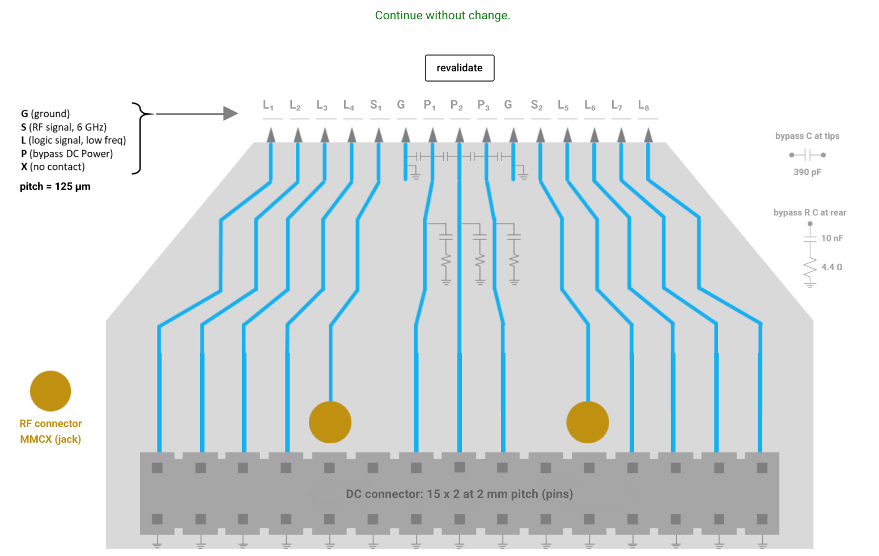
Pin | Name | Block | Purpuse | Direction | Attribute(analog/digital) | shared(between TOP_ANN and stand alone block) | Summary -MCP
1 | vssx | TOP_ANN | ground | in | ground | yes | 4*2=8 | ground
2 | vssx | TOP_ANN | ground | in | ground | yes | 4*2=8 | RF
3 | vssx | TOP_ANN | ground | in | ground | yes | 6+10=16 | Power/Biases | seperate between the powers + add the inputs for the stand alone blocks - maybe all of them from the sipo
4 | vssx | TOP_ANN | ground | in | ground | yes | 8*2+6*2=28 | digital
5 | vssx | TOP_ANN | ground | in | ground | yes | 60 pins
6 | vssx | TOP_ANN | ground | in | ground | yes
7 | vssx | TOP_ANN | ground | in | ground | yes | Package
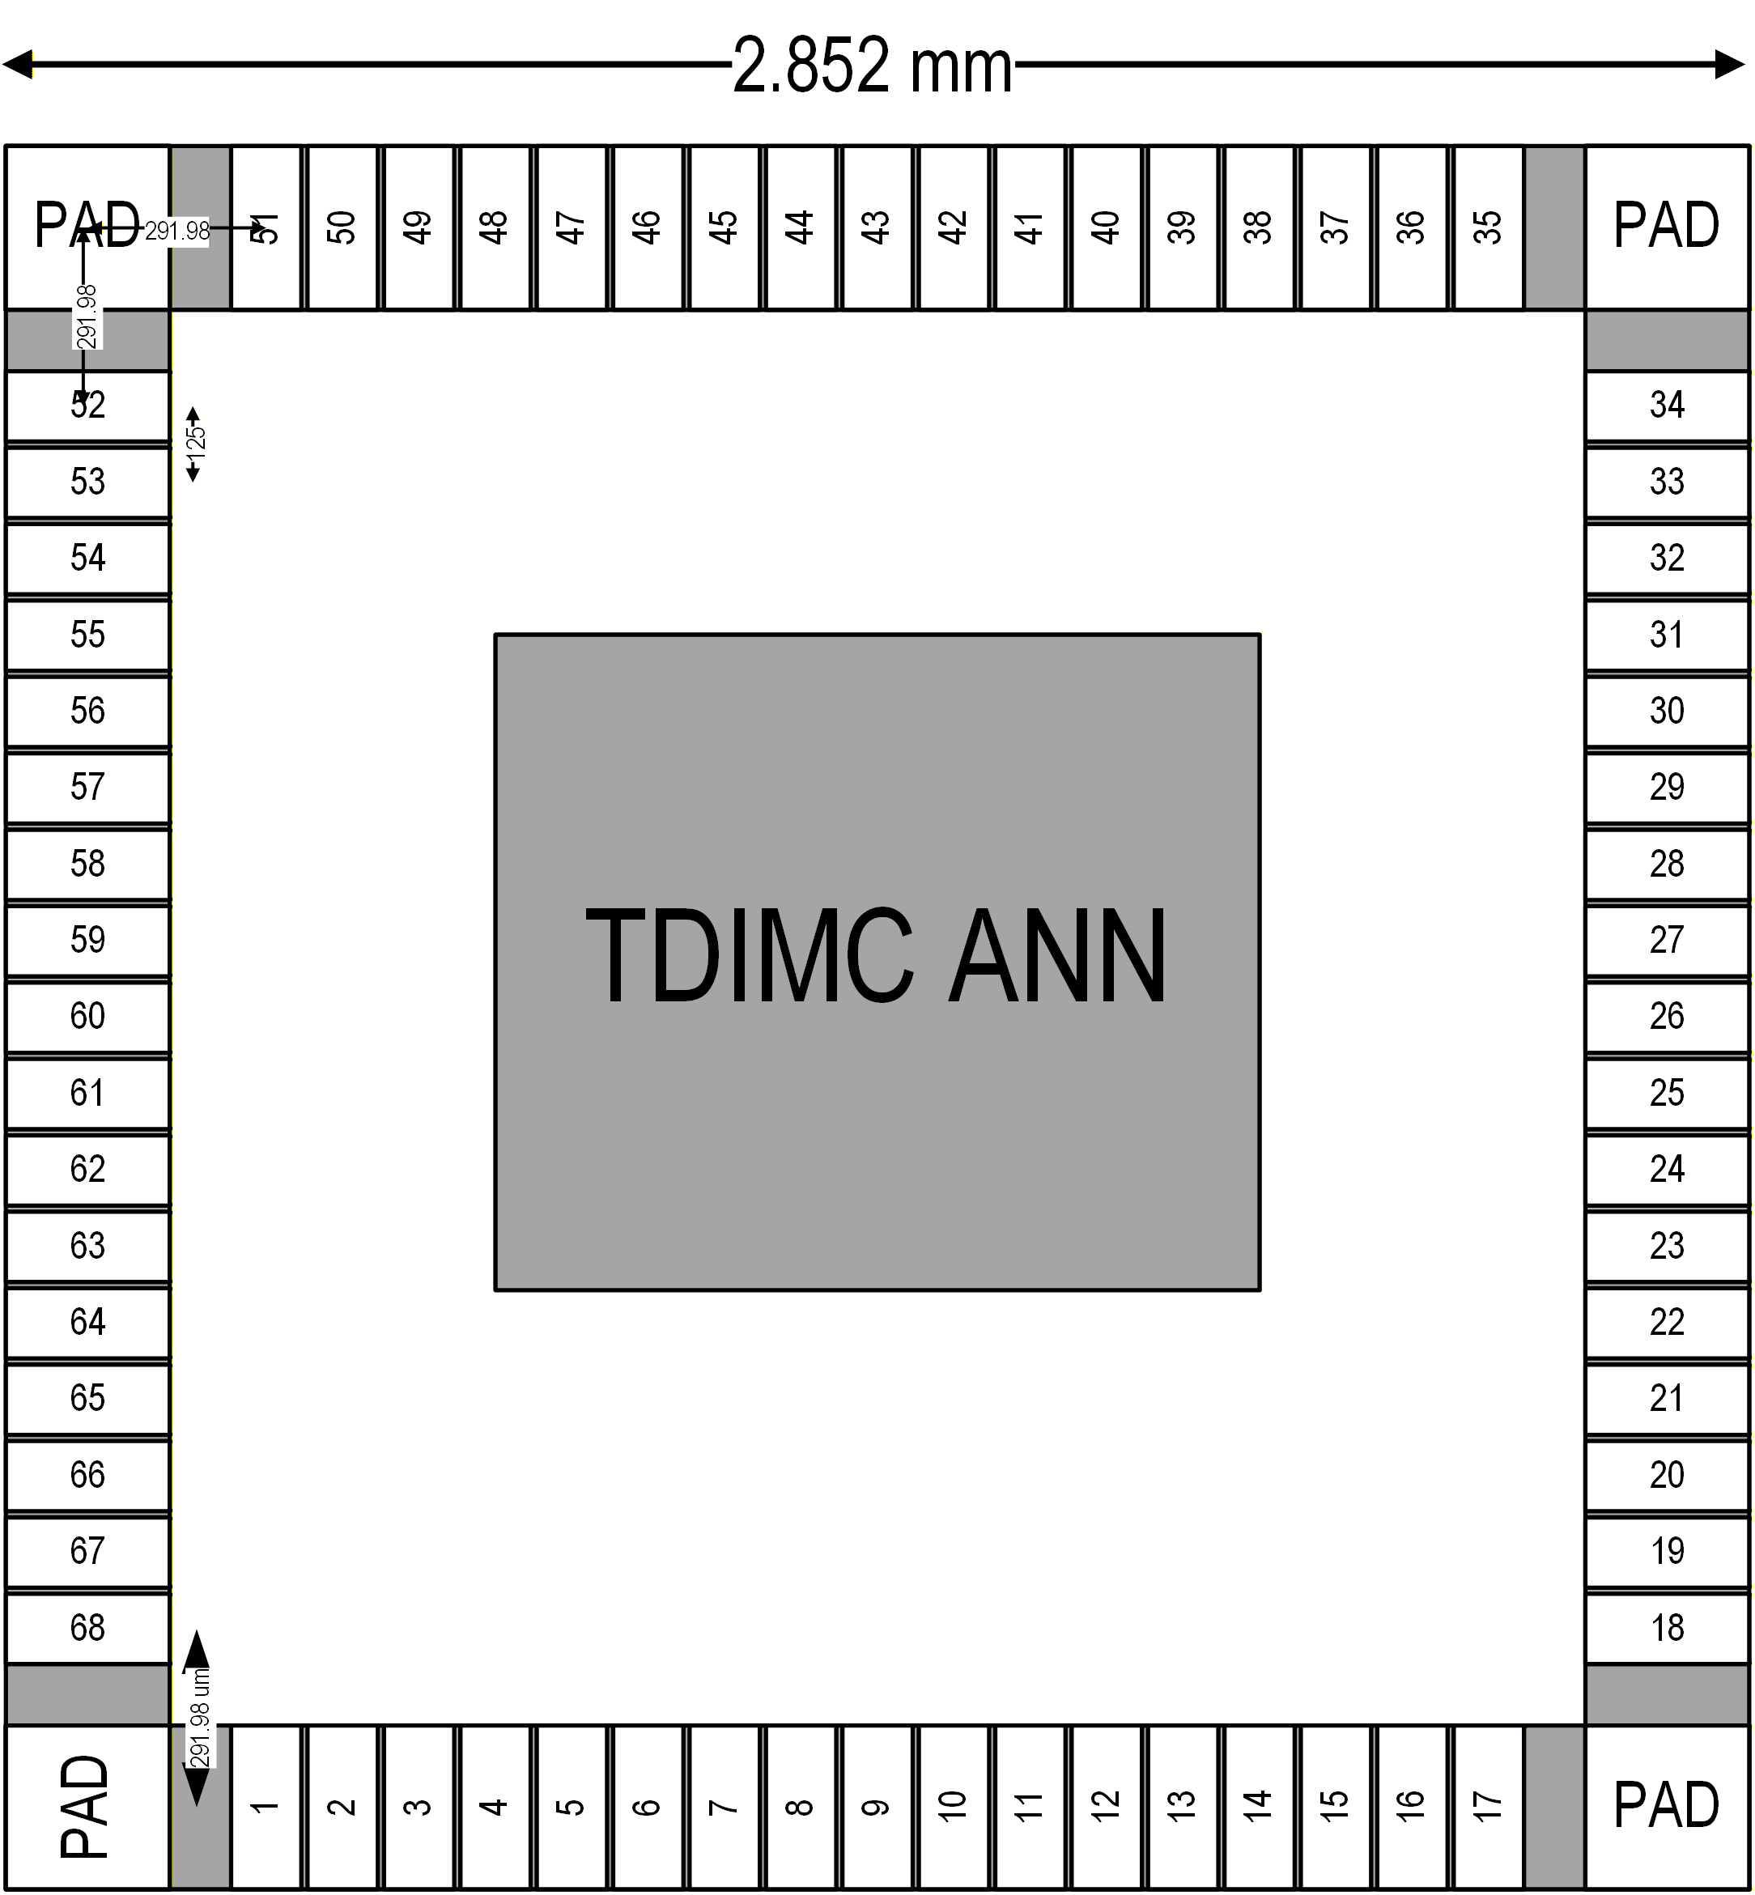
8 | vssx | TOP_ANN | ground | in | ground | yes | 8
9 | vccx | TOP_ANN | power | in | power | yes
10 | vccx | TOP_ANN | power | in | power | yes
11 | vccy | TOP_ANN | power | in | power | yes
12 | vcch_wl | TOP_ANN | power | in | power | yes
13 | vcch_bl | TOP_ANN | power | in | power | yes
14 | delta_vb | TOP_ANN | bias | in | power | yes
15 | lvr_vb | TOP_ANN | bias | in | analog | yes
16 | lvr_vcm | TOP_ANN | bias | in | analog | yes
17 | bl_pad | TOP_ANN | dft | in/out | analog | yes
18 | tdc_vb | TOP_ANN | bias | in | analog | yes
19 | v_erase | TOP_ANN | bias | in | analog | yes
20 | v_read | TOP_ANN | bias | in | analog | yes
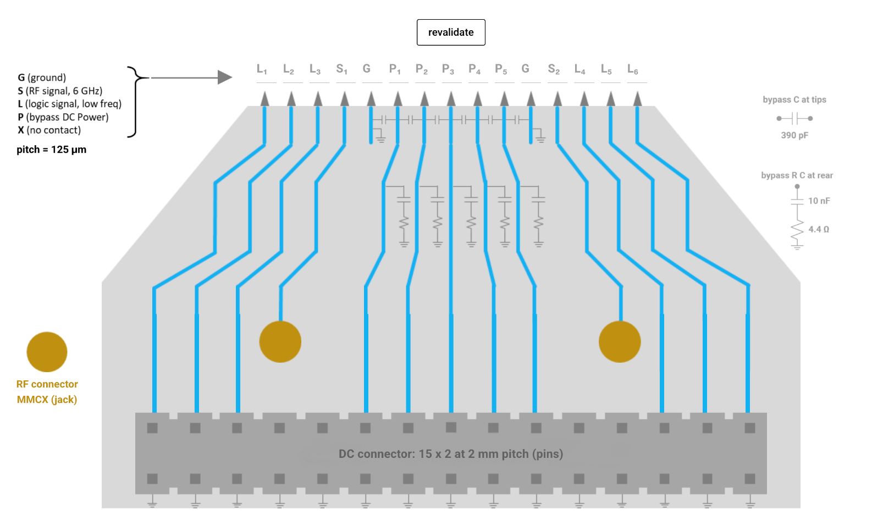
21 | v_write | TOP_ANN | bias | in | analog | yes
22 | vtc_vb | TOP_ANN | bias | in | analog | yes
23 | vth | TOP_ANN | bias | in | analog | yes
24 | bl_vdc | TOP_ANN | bias | in | analog | yes
25 | clk_piso | TOP_ANN | clock | in | digital | yes
26 | clk_sipo | TOP_ANN | clock | in | digital | no
27 | sipo_in | TOP_ANN | data | in | digital | no
28 | reset | TOP_ANN | logic | in | digital | no
29 | s0 | TOP_ANN | logic | in | digital | no
30 | s1 | TOP_ANN | logic | in | digital | no
31 | s2 | TOP_ANN | logic | in | digital | no
32 | set | TOP_ANN | logic | in | digital | no
33 | shift | TOP_ANN | logic | in | digital | yes
34 | cs | TOP_ANN | logic | in | digital | no
35 | rst_dsa | TOP_ANN | logic | in | digital | no
36 | rst_piso | TOP_ANN | logic | in | digital | yes
37 | rst_sipo | TOP_ANN | logic | in | digital | no
38 | s0_dft | TOP_ANN | logic | in | digital | no
39 | s1_dft | TOP_ANN | logic | in | digital | no
40 | b0_dft | TOP_ANN | logic | in | digital | no
41 | b1_dft | TOP_ANN | logic | in | digital | no
42 | b2_dft | TOP_ANN | logic | in | digital | no
43 | piso_out | TOP_ANN | logic | out | digital | no
44 | sipo_out | TOP_ANN | logic | out | digital | no
45 | reset_sa | Stand Alone | logic | in | digital | no
46 | set_sa | Stand Alone | logic | in | digital | no
47 | clk_sa | Stand Alone | clk | in | digital | no
48 | input_sa | Stand Alone | data | in | digital | no
49 | s0_dft_sa | Stand Alone | logic | in | digital | no
50 | s1_dft_sa | Stand Alone | logic | in | digital | no
51 | piso_out_sa | Stand Alone | logic | out | digital | no
52 | clk | TOP_ANN | clock | in | RF | no
53 | pulse | TOP_ANN | pulse | in | RF | no
54 | dft0 | TOP_ANN | logic | out | RF | no
55 | dft1 | TOP_ANN | logic | out | RF | no
56 | dft_0_sa | Stand Alone | dft | out | RF | no
57 | dft_1_sa | Stand Alone | dft | out | RF | no
58
59
60
61 |  |  |  |  |  |  |  |  |  |  |  |  |  |  |  |  |  |  |  |  |  |  |  |  |  |  |  |  |  |  |  |  |  |  |  | E(xtra) |  | Note:
62 |  |  |  |  |  |  |  |  |  |  |  |  |  |  |  | E | L | L | L | L | S | G | B | B | B | G | S | L | L | L | L | E |  |  |  | L(ogic) |  | Pad numbers do not correspond to pin list
63 |  |  |  |  |  |  |  |  |  |  |  |  |  |  |  |  | s0_dft | s1_dft | piso_out | sipo_out |  | vssx | vtc_vb | bl_pad | tdc_vb | vssx |  | v_erase | rst_sipo | rst_dsa | cs |  |  |  |  | G(round)
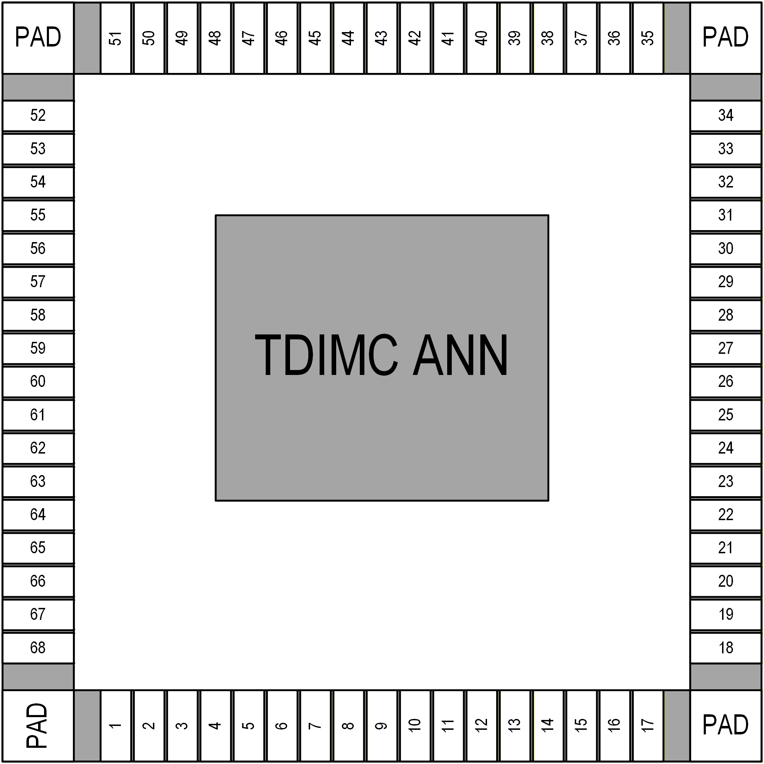
64 |  |  |  |  |  |  |  |  |  |  |  |  |  |  |  |  |  |  |  |  |  |  |  |  |  |  |  |  |  |  |  |  |  |  |  | B(ias)
65 |  |  |  |  |  |  |  |  |  |  |  |  |  |  |  |  |  |  |  |  |  |  |  |  |  |  |  |  |  |  |  |  |  |  |  | S(ignal)
66 |  |  |  |  |  |  |  |  |  |  |  |  |  |  |  |  |  |  |  |  |  |  |  |  |  |  |  |  |  |  |  |  |  |  |  | P(ower)
67

 |  |  |  |  |  |  |  |  |  |  |  |  | E |  |  |  |  |  |  |  |  |  |  |  |  |  |  |  |  |  |  |  |  |  | E |  |  | PVPP: General Analog/High Voltage
 |  |  |  |  |  |  |  |  |  |  |  |  | L | b0_dft |  |  |  |  |  |  |  |  |  |  |  |  |  |  |  |  |  |  |  | s0 | L |  |  | PAL: Logic/RF
 |  |  |  |  |  |  |  |  |  |  |  |  | L | b1_dft |  |  |  |  |  |  |  |  |  |  |  |  |  |  |  |  |  |  |  | s1 | L |  |  | PVDI: vccx
 |  |  |  |  |  |  |  |  |  |  |  |  | L | b2_dft |  |  |  |  |  |  |  |  |  |  |  |  |  |  |  |  |  |  |  | s2 | L |  |  | PVDA: vccy
 |  |  |  |  |  |  |  |  |  |  |  |  | S | dft0_s1 |  |  |  |  |  |  |  |  |  |  |  |  |  |  |  |  |  |  |  | dft0 | S |  |  | PV0F: vssx
 |  |  |  |  |  |  |  |  |  |  |  |  | G | vssx |  |  |  |  |  |  |  |  |  |  |  |  |  |  |  |  |  |  |  | vssx | G
 |  |  |  |  |  |  |  |  |  |  |  |  | B | vth |  |  |  |  |  |  |  |  |  |  |  |  |  |  |  |  |  |  |  | delta_vb | B
 |  |  |  |  |  |  |  |  |  |  |  |  | B | v_read |  |  |  |  |  |  |  |  |  |  |  |  |  |  |  |  |  |  |  | vccy | B
 |  |  |  |  |  |  |  |  |  |  |  |  | P | vccy |  |  |  |  |  |  |  |  |  |  |  |  |  |  |  |  |  |  |  | vccx | P
 |  |  |  |  |  |  |  |  |  |  |  |  | B | v_write |  |  |  |  |  |  |  |  |  |  |  |  |  |  |  |  |  |  |  | vcch_wl | B
 |  |  |  |  |  |  |  |  |  |  |  |  | B | bl_vdc |  |  |  |  |  |  |  |  |  |  |  |  |  |  |  |  |  |  |  | vcch_bl | B
 |  |  |  |  |  |  |  |  |  |  |  |  | G | vssx |  |  |  |  |  |  |  |  |  |  |  |  |  |  |  |  |  |  |  | vssx | G
 |  |  |  |  |  |  |  |  |  |  |  |  | S | dft1_sa |  |  |  |  |  |  |  |  |  |  |  |  |  |  |  |  |  |  |  | dft1 | S
 |  |  |  |  |  |  |  |  |  |  |  |  | L | reset_sa |  |  |  |  |  |  |  |  |  |  |  |  |  |  |  |  |  |  |  | clk_piso | L
 |  |  |  |  |  |  |  |  |  |  |  |  | L | set_sa |  |  |  |  |  |  |  |  |  |  |  |  |  |  |  |  |  |  |  | shift | L
 |  |  |  |  |  |  |  |  |  |  |  |  | L | clk_sa |  |  |  |  |  |  |  |  |  |  |  |  |  |  |  |  |  |  |  | rst_piso | L
 |  |  |  |  |  |  |  |  |  |  |  |  | E |  |  |  |  |  |  |  |  |  |  |  |  |  |  |  |  |  |  |  |  |  | E

 |  |  |  |  |  |  |  |  |  |  |  |  |  |  |  |  | s0_dft_sa | s1_dft_s1 | piso_out_sa | input_sa | pulse | vssx | lvr_vcm | vccx | lvr_vb | vssx | clk | set | reset | sipo_in | clk_sipo
 |  |  |  |  |  |  |  |  |  |  |  |  |  |  |  | E | L | L | L | L | S | G | B | P | B | G | S | L | L | L | L | E

 |  |  |  |  |  |  |  |  |  |  |  |  |  |  |  |  |  |  |  |  |  |  |  |  |  |  |  |  | ??
 |  |  |  |  |  |  |  |  |  |  |  |  |  |  |  |  |  |  |  | ?? | c |  |  | c |  |  | c |  | c | c | c | c
 |  |  |  |  |  |  |  |  |  |  |  |  |  |  |  |  | label | label | label | label | v | v | v | v | v | v | v | v | label | label | label |  |  |  |  | E(xtra) |  | Note:
 |  |  |  |  |  |  |  |  |  |  |  |  |  |  |  | E | L | L | L | L | S | G | B | B | B | G | S | L | L | L | L | E |  |  |  | L(ogic) |  | Pad numbers do not correspond to pin list
 |  |  |  |  |  |  |  |  |  |  |  |  |  |  |  |  | s0_dft | s1_dft | rst_dsa | s3_dft | dft0 | vssx | vtc_vb | delta_vb | tdc_vb | vssx | dft1 | v_erase | s2_dft | reset | b2_dft |  |  |  |  | G(round)
 |  |  |  |  |  |  |  |  |  |  |  |  |  |  |  |  |  |  |  |  |  |  |  |  |  |  |  |  |  |  |  |  |  |  |  | B(ias)
 |  |  |  |  |  |  |  |  |  |  |  |  |  |  |  |  |  |  |  |  |  |  |  |  |  |  |  |  |  |  |  |  |  |  |  | S(ignal)
 |  |  |  |  |  |  |  |  |  |  |  |  |  |  |  |  |  |  |  |  |  |  |  |  |  |  |  |  |  |  |  |  |  |  |  | P(ower)

 |  |  |  |  |  |  |  |  |  |  |  |  | E |  |  |  |  |  |  |  |  |  |  |  |  |  |  |  |  |  |  |  |  |  | E |  |  |  |  | PVPP: General Analog/High Voltage
 |  |  |  |  |  |  |  |  |  |  | c | label | L | s0 |  |  |  |  |  |  |  |  |  |  |  |  |  |  |  |  |  |  |  | rst_piso | L | label | c | serial_out?? |  | PAL: Logic/RF
 |  |  |  |  |  |  |  |  |  |  | c | label | L | s1 |  |  |  |  |  |  |  |  |  |  |  |  |  |  |  |  |  |  |  | piso_out | L | label | c |  |  | PVDI: vccx
 |  |  |  |  |  |  |  |  |  |  | c | label | L | s2 |  |  |  |  |  |  |  |  |  |  |  |  |  |  |  |  |  |  |  | shift | L | label | c |  |  | PVDA: vccy
 |  |  |  |  |  |  |  |  |  |  | c | label | S | clk |  |  |  |  |  |  |  |  |  |  |  |  |  |  |  |  |  |  |  | clk_piso | S | label | c |  |  | PV0F: vssx
 |  |  |  |  |  |  |  |  |  |  |  | v | G | vssx |  |  |  |  |  |  |  |  |  |  |  |  |  |  |  |  |  |  |  | vssx | G | v
 |  |  |  |  |  |  |  |  |  |  |  | v | B | vth |  |  |  |  |  |  |  |  |  |  |  |  |  |  |  |  |  |  |  | bl_pad | B | v | c
 |  |  |  |  |  |  |  |  |  |  |  | v | B | v_read |  |  |  |  |  |  |  |  |  |  |  |  |  |  |  |  |  |  |  | vccy | B | v
 |  |  |  |  |  |  |  |  |  |  |  | v | P | vccy |  |  |  |  |  |  |  |  |  |  |  |  |  |  |  |  |  |  |  | vccx | P | v
 |  |  |  |  |  |  |  |  |  |  | c | v | B | lvr_vcm |  |  |  |  |  |  |  |  |  |  |  |  |  |  |  |  |  |  |  | vcch_wl | B | v
 |  |  |  |  |  |  |  |  |  |  | c | v | B | lvr_vb |  |  |  |  |  |  |  |  |  |  |  |  |  |  |  |  |  |  |  | vcch_bl | B | v
 |  |  |  |  |  |  |  |  |  |  |  | v | G | vssx |  |  |  |  |  |  |  |  |  |  |  |  |  |  |  |  |  |  |  | vssx | G | v
 |  |  |  |  |  |  |  |  |  |  | c | label | S | pulse |  |  |  |  |  |  |  |  |  |  |  |  |  |  |  |  |  |  |  |  | S |  | c
 |  |  |  |  |  |  |  |  |  |  | c | label | L | b1_dft |  |  |  |  |  |  |  |  |  |  |  |  |  |  |  |  |  |  |  |  | L
 |  |  |  |  |  |  |  |  |  |  | c | label | L | set |  |  |  |  |  |  |  |  |  |  |  |  |  |  |  |  |  |  |  |  | L
 |  |  |  |  |  |  |  |  |  |  | c | label | L | b0_dft |  |  |  |  |  |  |  |  |  |  |  |  |  |  |  |  |  |  |  |  | L
 |  |  |  |  |  |  |  |  |  |  |  |  | E |  |  |  |  |  |  |  |  |  |  |  |  |  |  |  |  |  |  |  |  |  | E

 |  |  |  |  |  |  |  |  |  | reset_sa |  | s0_dft_sa | s1_dft_s1

 |  |  |  |  |  |  |  |  |  |  | clk_sa |  |  |  |  |  | sipo_in | clk_sipo | sipo_out | cs | rst_sipo | vssx | v_write | vccx | bl_vdc | vssx
 |  |  |  |  |  |  |  |  |  | set_sa |  |  |  |  |  | E | L | L | L | L | S | G | B | P | B | G | S | L | L | L | L | E
 |  |  |  |  |  |  |  |  |  |  |  | dft1_sa |  |  |  |  | label | label | label | label | label | v | v | v | v | v
 |  |  |  |  |  |  |  |  |  |  |  |  |  |  |  |  | c | c |  |  | c |  | c |  | c |  | c | c
 |  |  |  |  |  |  |  |  |  | dft0_s1 | input_sa | piso_out_sa

 |  |  |  |  |  |  |  |  |  |  |  |  |  |  |  |  |  |  |  | PAL-R | PAL-R | PAL-R | PAL-R | PAL-R | PV0F | PVDI | PAL-R | PVPP-PAD | PV0F | PAL-R | PAL-R | PAL-R | PAL-R | PAL-R
 |  |  |  |  |  |  |  |  |  |  |  |  |  |  |  |  |  |  |  | v | v | v | v | v | v | v | v | v | v | v | v | v | v | v
 |  |  |  |  |  |  |  |  |  |  |  |  |  |  |  |  |  |  |  | PAL-R | PAL-R | PAL-R | PAL-R | PAL-PAD | PV0F | PAL-R | PAL-R | PAL-R | PV0F | PAL-PAD | PVPP-PAD | PAL-R | PAL-R | PAL-R
 |  |  |  |  |  |  |  |  |  |  |  |  |  |  |  |  |  |  |  | 1 | 2 | 3 | 4 | 5 | 6 | 7 | 8 | 9 | 10 | 11 | 12 | 13 | 14 | 15
 |  |  |  |  |  |  |  |  |  |  |  |  |  |  |  |  |  |  |  | L | L | L | L | S | G | P | P | P | G | S | L | L | L | L
 |  |  |  |  |  |  |  |  |  |  |  |  |  |  |  |  |  |  |  | s0_dft | s1_dft | rst_dsa | s3_dft | dft0_buff | vssx | vtc_vb | delta_vb | tdc_vb | vssx | dft1_buff | v_erase | s2_dft | reset | b2_dft
 |  |  |  |  |  |  |  |  |  |  |  |  |  | PAL-R | v | PAL-R | 1 | L | s0_p |  |  |  |  |  |  |  |  |  |  |  |  |  |  |  | rst_piso | L | 1 | PAL-R | v | PAL-R
 |  |  |  |  |  |  |  |  |  |  |  |  |  | PAL-R | v | PAL-R | 2 | L | s1_p |  |  |  |  |  |  |  |  |  |  |  |  |  |  |  | piso_out | L | 2 | PAL-PAD | v | PAL-R
 |  |  |  |  |  |  |  |  |  |  |  |  |  | PAL-R | v | PAL-R | 3 | L | s2_p |  |  |  |  |  |  |  |  |  |  |  |  |  |  |  | shift | L | 3 | PAL-R | v | PAL-R
 |  |  |  |  |  |  |  |  |  |  |  |  |  | PAL-R | v | PAL-R | 4 | S | clk |  |  |  |  |  |  |  |  |  |  |  |  |  |  |  | clk_piso | S | 4 | PAL-R | v | PAL-PAD
 |  |  |  |  |  |  |  |  |  |  |  |  |  | PV0F | v | PV0F | 5 | G | vssx |  |  |  |  |  |  |  |  |  |  |  |  |  |  |  | vssx | G | 5 | PV0F | v | PV0F
 |  |  |  |  |  |  |  |  |  |  |  |  |  | PVPP-PAD | v | PAL-R | 6 | P | vth |  |  |  |  |  |  |  |  |  |  |  |  |  |  |  | pad | P | 6 | PVPP-PAD | v | PVPP-PAD
 |  |  |  |  |  |  |  |  |  |  |  |  |  | PVDI | v | PVPP-PAD | 7 | P | v_read |  |  |  |  |  |  |  |  |  |  |  |  |  |  |  | vccy | P | 7 | PVDA | v | PVPP-PAD
 |  |  |  |  |  |  |  |  |  |  |  |  |  | PVDA | v | PVDA | 8 | P | vccy |  |  |  |  |  |  |  |  |  |  |  |  |  |  |  | vccx | P | 8 | PVDI | v | PVDI
 |  |  |  |  |  |  |  |  |  |  |  |  |  | PVPP-PAD | v | PAL-R | 9 | P | lvr_cm |  |  |  |  |  |  |  |  |  |  |  |  |  |  |  | vcch_wl | P | 9 | PVPP-PAD | v | PVDA
 |  |  |  |  |  |  |  |  |  |  |  |  |  | PVPP-PAD | v | PAL-R | 10 | P | lvr_vb |  |  |  |  |  |  |  |  |  |  |  |  |  |  |  | vcch_bl | P | 10 | PVPP-PAD | v | PVPP-PAD
 |  |  |  |  |  |  |  |  |  |  |  |  |  | PV0F | v | PV0F | 11 | G | vssx |  |  |  |  |  |  |  |  |  |  |  |  |  |  |  | vssx | G | 11 | PV0F | v | PV0F
 |  |  |  |  |  |  |  |  |  |  |  |  |  | PAL-R | v | PAL-R | 12 | S | pulse |  |  |  |  |  |  |  |  |  |  |  |  |  |  |  |  | S | 12 |  |  | PAL-PAD
 |  |  |  |  |  |  |  |  |  |  |  |  |  | PAL-R | v | PAL-R | 13 | L | b1_dft |  |  |  |  |  |  |  |  |  |  |  |  |  |  |  |  | L | 13 |  |  | PAL-R
 |  |  |  |  |  |  |  |  |  |  |  |  |  | PAL-R | v | PAL-R | 14 | L | set |  |  |  |  |  |  |  |  |  |  |  |  |  |  |  |  | L | 14 |  |  | PAL-R
 |  |  |  |  |  |  |  |  |  |  |  |  |  | PAL-R | v | PAL-R | 15 | L | b0_dft |  |  |  |  |  |  |  |  |  |  |  |  |  |  |  |  | L | 15 |  |  | PAL-R
 |  |  |  |  |  |  |  |  |  |  |  |  |  |  |  |  |  |  |  | sipo_in | clk_sipo | sipo_out | cs |  | vssx | v_write | vccx | bl_vdc | vssx |  | rst_sipo
 |  |  |  |  |  |  |  |  |  |  |  |  |  |  |  |  |  |  |  | L | L | L | L | S | G | P | P | P | G | S | L | L | L | L
 |  |  |  |  |  |  |  |  |  |  |  |  |  |  |  |  |  |  |  | 1 | 2 | 3 | 4 | 5 | 6 | 7 | 8 | 9 | 10 | 11 | 12 | 13 | 14 | 15
 |  |  |  |  |  |  |  |  |  |  |  |  |  |  |  |  |  |  |  | PAL-R | PAL-R | PAL-PAD | PAL-R |  | PV0F | PVPP-PAD | PVDI | PVPP-PAD | PV0F |  | PAL-R
 |  |  |  |  |  |  |  |  |  |  |  |  |  |  |  |  |  |  |  | v | v | v | v |  | v | v | v | v | v |  | v
 |  |  |  |  |  |  |  |  |  |  |  |  |  |  |  |  |  |  |  | PAL-R | PAL-R | PAL-R | PAL-R | PAL-PAD | PV0F | PAL-R | PVDA | PAL-R | PV0F | PAL-PAD | PAL-R | PAL-R | PAL-R | PAL-R

