IO-Pins-Dima
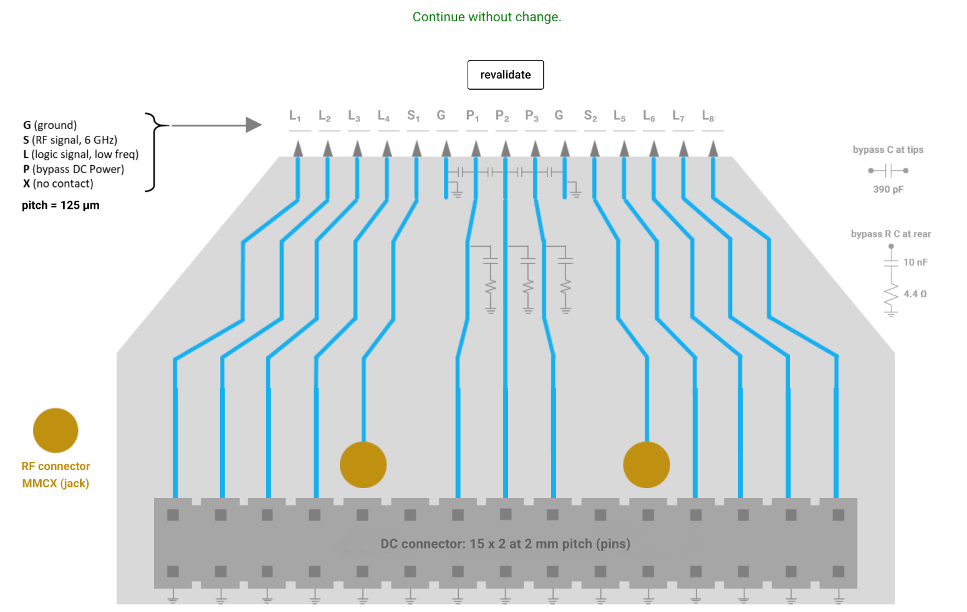
Pin | Name | Block | Purpuse | direction | Attribute(analog/digital) | shared(between TOP_ANN and stand alone block) | Summary -MCP
1 | vssx | TOP_ANN | ground | in | ground | yes | 4*2=8 | ground
2 | vssx | TOP_ANN | ground | in | ground | yes | 4*2=8 | RF
3 | vssx | TOP_ANN | ground | in | ground | yes | 6+10=16 | Power/Biases | seperate between the powers + add the inputs for the stand alone blocks - maybe all of them from the sipo
4 | vssx | TOP_ANN | ground | in | ground | yes | 8*2+6*2=28 | digital
5 | vssx | TOP_ANN | ground | in | ground | yes | 60 pins
6 | vssx | TOP_ANN | ground | in | ground | yes
7 | vssx | TOP_ANN | ground | in | ground | yes | Package
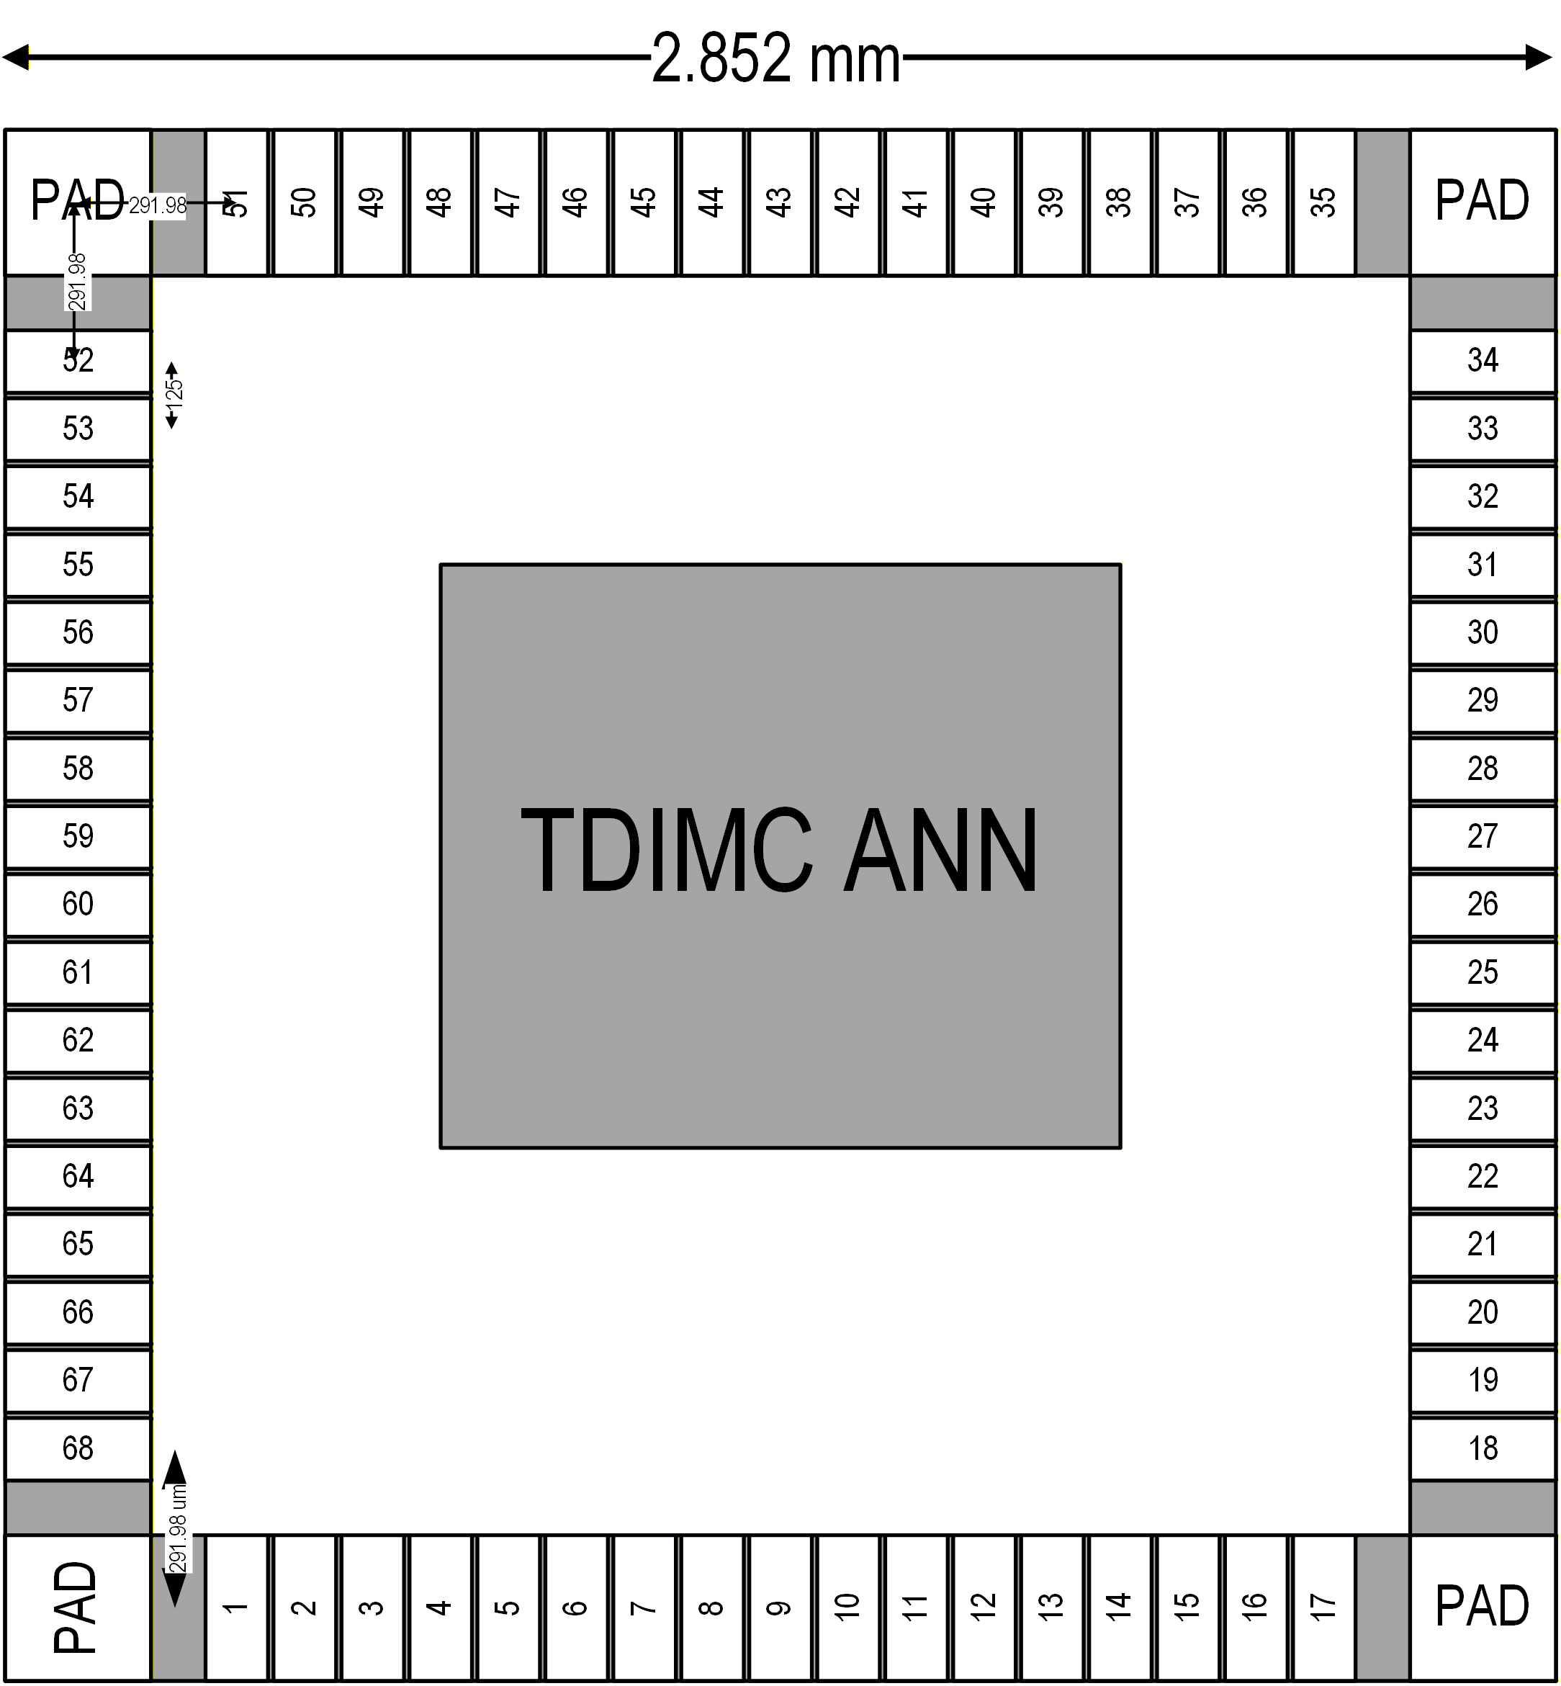
8 | vssx | TOP_ANN | ground | in | ground | yes | 8
9 | vccx | TOP_ANN | power | in | power | yes
10 | vccx | TOP_ANN | power | in | power | yes
11 | vccy | TOP_ANN | power | in | power | yes
12 | vcch_wl | TOP_ANN | power | in | power | yes
13 | vcch_bl | TOP_ANN | power | in | power | yes
14 | delta_vb | TOP_ANN | bias | in | power | yes
15 | lvr_vb | TOP_ANN | bias | in | analog | yes
16 | lvr_vcm | TOP_ANN | bias | in | analog | yes
17 | bl_pad | TOP_ANN | dft | in/out | analog | yes
18 | tdc_vb | TOP_ANN | bias | in | analog | yes
19 | v_erase | TOP_ANN | bias | in | analog | yes
20 | v_read | TOP_ANN | bias | in | analog | yes
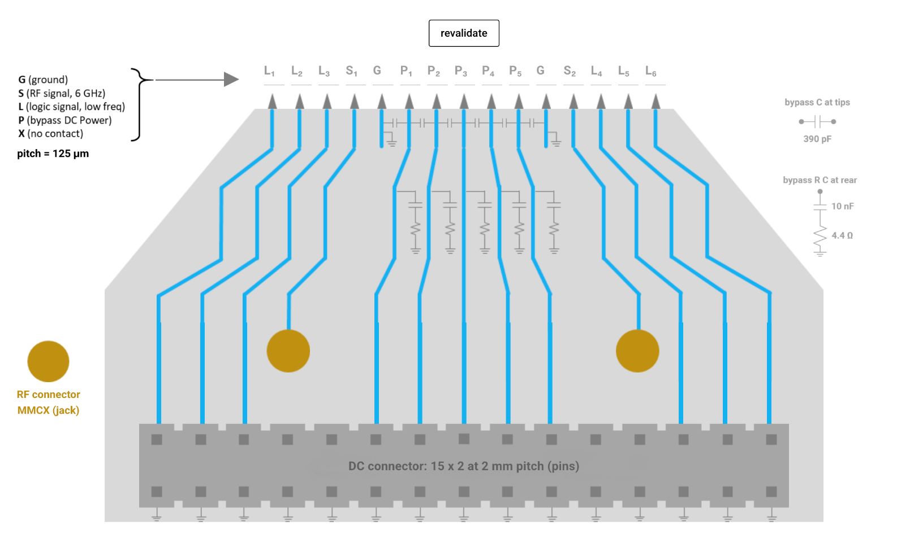
21 | v_write | TOP_ANN | bias | in | analog | yes
22 | vtc_vb | TOP_ANN | bias | in | analog | yes
23 | vth | TOP_ANN | bias | in | analog | yes
24 | bl_vdc | TOP_ANN | bias | in | analog | yes
25 | clk_piso | TOP_ANN | clock | in | digital | yes
26 | clk_sipo | TOP_ANN | clock | in | digital | no
27 | sipo_in | TOP_ANN | data | in | digital | no
28 | reset | TOP_ANN | logic | in | digital | no
29 | s0 | TOP_ANN | logic | in | digital | no
30 | s1 | TOP_ANN | logic | in | digital | no
31 | s2 | TOP_ANN | logic | in | digital | no
32 | set | TOP_ANN | logic | in | digital | no
33 | shift | TOP_ANN | logic | in | digital | yes
34 | cs | TOP_ANN | logic | in | digital | no
35 | rst_dsa | TOP_ANN | logic | in | digital | no
36 | rst_piso | TOP_ANN | logic | in | digital | yes
37 | rst_sipo | TOP_ANN | logic | in | digital | no
38 | s0_dft | TOP_ANN | logic | in | digital | no
39 | s1_dft | TOP_ANN | logic | in | digital | no
40 | b0_dft | TOP_ANN | logic | in | digital | no
41 | b1_dft | TOP_ANN | logic | in | digital | no
42 | b2_dft | TOP_ANN | logic | in | digital | no
43 | piso_out | TOP_ANN | logic | out | digital | no
44 | sipo_out | TOP_ANN | logic | out | digital | no
45 | reset_sa | Stand Alone | logic | in | digital | no
46 | set_sa | Stand Alone | logic | in | digital | no
47 | clk_sa | Stand Alone | clk | in | digital | no
48 | input_sa | Stand Alone | data | in | digital | no
49 | s0_dft_sa | Stand Alone | logic | in | digital | no
50 | s1_dft_sa | Stand Alone | logic | in | digital | no
51 | piso_out_sa | Stand Alone | logic | out | digital | no
52 | clk | TOP_ANN | clock | in | RF | no
53 | pulse | TOP_ANN | pulse | in | RF | no
54 | dft0 | TOP_ANN | logic | out | RF | no
55 | dft1 | TOP_ANN | logic | out | RF | no
56 | dft_0_sa | Stand Alone | dft | out | RF | no
57 | dft_1_sa | Stand Alone | dft | out | RF | no
58
59
60
61 |  |  |  |  |  |  |  |  |  |  |  |  |  |  |  |  |  |  |  |  |  |  |  |  |  |  |  |  |  |  |  |  |  |  |  | E(xtra) |  | Note:
62 |  |  |  |  |  |  |  |  |  |  |  |  |  |  |  | E | L | L | L | L | S | G | B | B | B | G | S | L | L | L | L | E |  |  |  | L(ogic) |  | Pad numbers do not correspond to pin list
63 |  |  |  |  |  |  |  |  |  |  |  |  |  |  |  |  | s0_dft | s1_dft | piso_out | sipo_out |  | vssx | vtc_vb | bl_pad | tdc_vb | vssx |  | v_erase | rst_sipo | rst_dsa | cs |  |  |  |  | G(round)
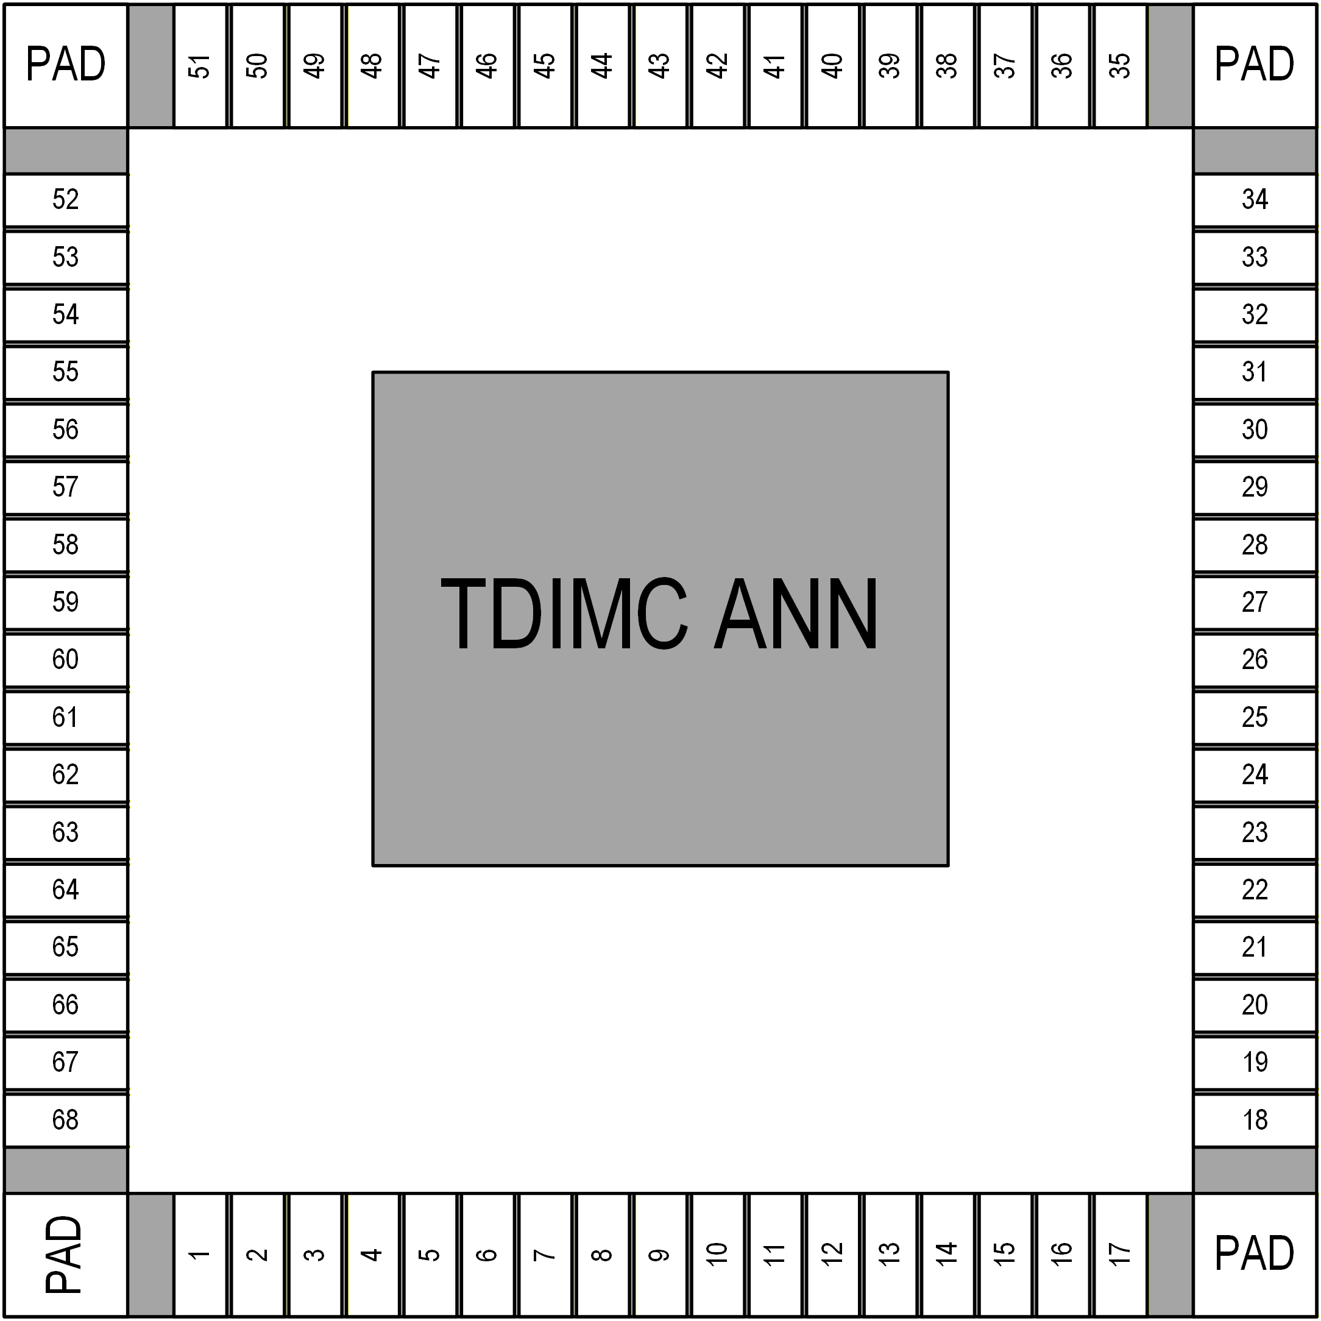
64 |  |  |  |  |  |  |  |  |  |  |  |  |  |  |  |  |  |  |  |  |  |  |  |  |  |  |  |  |  |  |  |  |  |  |  | B(ias)
65 |  |  |  |  |  |  |  |  |  |  |  |  |  |  |  |  |  |  |  |  |  |  |  |  |  |  |  |  |  |  |  |  |  |  |  | S(ignal)
66 |  |  |  |  |  |  |  |  |  |  |  |  |  |  |  |  |  |  |  |  |  |  |  |  |  |  |  |  |  |  |  |  |  |  |  | P(ower)
67

 |  |  |  |  |  |  |  |  |  |  |  |  | E |  |  |  |  |  |  |  |  |  |  |  |  |  |  |  |  |  |  |  |  |  | E |  |  | PVPP: General Analog/High Voltage
 |  |  |  |  |  |  |  |  |  |  |  |  | L | b0_dft |  |  |  |  |  |  |  |  |  |  |  |  |  |  |  |  |  |  |  | s0 | L |  |  | PAL: Logic/RF
 |  |  |  |  |  |  |  |  |  |  |  |  | L | b1_dft |  |  |  |  |  |  |  |  |  |  |  |  |  |  |  |  |  |  |  | s1 | L |  |  | PVDI: vccx
 |  |  |  |  |  |  |  |  |  |  |  |  | L | b2_dft |  |  |  |  |  |  |  |  |  |  |  |  |  |  |  |  |  |  |  | s2 | L |  |  | PVDA: vccy
 |  |  |  |  |  |  |  |  |  |  |  |  | S | dft0_s1 |  |  |  |  |  |  |  |  |  |  |  |  |  |  |  |  |  |  |  | dft0 | S |  |  | PV0F: vssx
 |  |  |  |  |  |  |  |  |  |  |  |  | G | vssx |  |  |  |  |  |  |  |  |  |  |  |  |  |  |  |  |  |  |  | vssx | G
 |  |  |  |  |  |  |  |  |  |  |  |  | B | vth |  |  |  |  |  |  |  |  |  |  |  |  |  |  |  |  |  |  |  | delta_vb | B
 |  |  |  |  |  |  |  |  |  |  |  |  | B | v_read |  |  |  |  |  |  |  |  |  |  |  |  |  |  |  |  |  |  |  | vccy | B
 |  |  |  |  |  |  |  |  |  |  |  |  | P | vccy |  |  |  |  |  |  |  |  |  |  |  |  |  |  |  |  |  |  |  | vccx | P
 |  |  |  |  |  |  |  |  |  |  |  |  | B | v_write |  |  |  |  |  |  |  |  |  |  |  |  |  |  |  |  |  |  |  | vcch_wl | B
 |  |  |  |  |  |  |  |  |  |  |  |  | B | bl_vdc |  |  |  |  |  |  |  |  |  |  |  |  |  |  |  |  |  |  |  | vcch_bl | B
 |  |  |  |  |  |  |  |  |  |  |  |  | G | vssx |  |  |  |  |  |  |  |  |  |  |  |  |  |  |  |  |  |  |  | vssx | G
 |  |  |  |  |  |  |  |  |  |  |  |  | S | dft1_sa |  |  |  |  |  |  |  |  |  |  |  |  |  |  |  |  |  |  |  | dft1 | S
 |  |  |  |  |  |  |  |  |  |  |  |  | L | reset_sa |  |  |  |  |  |  |  |  |  |  |  |  |  |  |  |  |  |  |  | clk_piso | L
 |  |  |  |  |  |  |  |  |  |  |  |  | L | set_sa |  |  |  |  |  |  |  |  |  |  |  |  |  |  |  |  |  |  |  | shift | L
 |  |  |  |  |  |  |  |  |  |  |  |  | L | clk_sa |  |  |  |  |  |  |  |  |  |  |  |  |  |  |  |  |  |  |  | rst_piso | L
 |  |  |  |  |  |  |  |  |  |  |  |  | E |  |  |  |  |  |  |  |  |  |  |  |  |  |  |  |  |  |  |  |  |  | E

 |  |  |  |  |  |  |  |  |  |  |  |  |  |  |  |  | s0_dft_sa | s1_dft_s1 | piso_out_sa | input_sa | pulse | vssx | lvr_vcm | vccx | lvr_vb | vssx | clk | set | reset | sipo_in | clk_sipo
 |  |  |  |  |  |  |  |  |  |  |  |  |  |  |  | E | L | L | L | L | S | G | B | P | B | G | S | L | L | L | L | E

 |  |  |  |  |  |  |  |  |  |  |  |  |  |  |  |  |  |  |  |  |  |  |  |  |  |  |  |  | ??
 |  |  |  |  |  |  |  |  |  |  |  |  |  |  |  |  |  |  |  | ?? | c |  |  | c |  |  | c |  | c | c | c | c
 |  |  |  |  |  |  |  |  |  |  |  |  |  |  |  |  | label | label | label | label | v | v | v | v | v | v | v | v | label | label | label |  |  |  |  | E(xtra) |  | Note:
 |  |  |  |  |  |  |  |  |  |  |  |  |  |  |  | E | L | L | L | L | S | G | B | B | B | G | S | L | L | L | L | E |  |  |  | L(ogic) |  | Pad numbers do not correspond to pin list
 |  |  |  |  |  |  |  |  |  |  |  |  |  |  |  |  | s0_dft | s1_dft | rst_dsa | s3_dft | dft0 | vssx | vtc_vb | delta_vb | tdc_vb | vssx | dft1 | v_erase | s2_dft | reset | b2_dft |  |  |  |  | G(round)
 |  |  |  |  |  |  |  |  |  |  |  |  |  |  |  |  |  |  |  |  |  |  |  |  |  |  |  |  |  |  |  |  |  |  |  | B(ias)
 |  |  |  |  |  |  |  |  |  |  |  |  |  |  |  |  |  |  |  |  |  |  |  |  |  |  |  |  |  |  |  |  |  |  |  | S(ignal)
 |  |  |  |  |  |  |  |  |  |  |  |  |  |  |  |  |  |  |  |  |  |  |  |  |  |  |  |  |  |  |  |  |  |  |  | P(ower)

 |  |  |  |  |  |  |  |  |  |  |  |  | E |  |  |  |  |  |  |  |  |  |  |  |  |  |  |  |  |  |  |  |  |  | E |  |  |  |  | PVPP: General Analog/High Voltage
 |  |  |  |  |  |  |  |  |  |  | c | label | L | s0 |  |  |  |  |  |  |  |  |  |  |  |  |  |  |  |  |  |  |  | rst_piso | L | label | c | serial_out?? |  | PAL: Logic/RF
 |  |  |  |  |  |  |  |  |  |  | c | label | L | s1 |  |  |  |  |  |  |  |  |  |  |  |  |  |  |  |  |  |  |  | piso_out | L | label | c |  |  | PVDI: vccx
 |  |  |  |  |  |  |  |  |  |  | c | label | L | s2 |  |  |  |  |  |  |  |  |  |  |  |  |  |  |  |  |  |  |  | shift | L | label | c |  |  | PVDA: vccy
 |  |  |  |  |  |  |  |  |  |  | c | label | S | clk |  |  |  |  |  |  |  |  |  |  |  |  |  |  |  |  |  |  |  | clk_piso | S | label | c |  |  | PV0F: vssx
 |  |  |  |  |  |  |  |  |  |  |  | v | G | vssx |  |  |  |  |  |  |  |  |  |  |  |  |  |  |  |  |  |  |  | vssx | G | v
 |  |  |  |  |  |  |  |  |  |  |  | v | B | vth |  |  |  |  |  |  |  |  |  |  |  |  |  |  |  |  |  |  |  | bl_pad | B | v | c
 |  |  |  |  |  |  |  |  |  |  |  | v | B | v_read |  |  |  |  |  |  |  |  |  |  |  |  |  |  |  |  |  |  |  | vccy | B | v
 |  |  |  |  |  |  |  |  |  |  |  | v | P | vccy |  |  |  |  |  |  |  |  |  |  |  |  |  |  |  |  |  |  |  | vccx | P | v
 |  |  |  |  |  |  |  |  |  |  | c | v | B | lvr_vcm |  |  |  |  |  |  |  |  |  |  |  |  |  |  |  |  |  |  |  | vcch_wl | B | v
 |  |  |  |  |  |  |  |  |  |  | c | v | B | lvr_vb |  |  |  |  |  |  |  |  |  |  |  |  |  |  |  |  |  |  |  | vcch_bl | B | v
 |  |  |  |  |  |  |  |  |  |  |  | v | G | vssx |  |  |  |  |  |  |  |  |  |  |  |  |  |  |  |  |  |  |  | vssx | G | v
 |  |  |  |  |  |  |  |  |  |  | c | label | S | pulse |  |  |  |  |  |  |  |  |  |  |  |  |  |  |  |  |  |  |  |  | S |  | c
 |  |  |  |  |  |  |  |  |  |  | c | label | L | b1_dft |  |  |  |  |  |  |  |  |  |  |  |  |  |  |  |  |  |  |  |  | L
 |  |  |  |  |  |  |  |  |  |  | c | label | L | set |  |  |  |  |  |  |  |  |  |  |  |  |  |  |  |  |  |  |  |  | L
 |  |  |  |  |  |  |  |  |  |  | c | label | L | b0_dft |  |  |  |  |  |  |  |  |  |  |  |  |  |  |  |  |  |  |  |  | L
 |  |  |  |  |  |  |  |  |  |  |  |  | E |  |  |  |  |  |  |  |  |  |  |  |  |  |  |  |  |  |  |  |  |  | E

 |  |  |  |  |  |  |  |  |  | reset_sa |  | s0_dft_sa | s1_dft_s1

 |  |  |  |  |  |  |  |  |  |  | clk_sa |  |  |  |  |  | sipo_in | clk_sipo | sipo_out | cs | rst_sipo | vssx | v_write | vccx | bl_vdc | vssx
 |  |  |  |  |  |  |  |  |  | set_sa |  |  |  |  |  | E | L | L | L | L | S | G | B | P | B | G | S | L | L | L | L | E
 |  |  |  |  |  |  |  |  |  |  |  | dft1_sa |  |  |  |  | label | label | label | label | label | v | v | v | v | v
 |  |  |  |  |  |  |  |  |  |  |  |  |  |  |  |  | c | c |  |  | c |  | c |  | c |  | c | c
 |  |  |  |  |  |  |  |  |  | dft0_s1 | input_sa | piso_out_sa

 |  |  |  |  |  |  |  |  |  |  |  |  |  |  |  |  |  |  |  | PAL-R | PAL-R | PAL-R | PAL-R | PAL-R | PV0F | PVDI | PAL-R | PVPP-PAD | PV0F | PAL-R | PAL-R | PAL-R | PAL-R | PAL-R
 |  |  |  |  |  |  |  |  |  |  |  |  |  |  |  |  |  |  |  | v | v | v | v | v | v | v | v | v | v | v | v | v | v | v
 |  |  |  |  |  |  |  |  |  |  |  |  |  |  |  |  |  |  |  | PAL-R | PAL-R | PAL-R | PAL-R | PAL-PAD | PV0F | PAL-R | PAL-R | PAL-R | PV0F | PAL-PAD | PVPP-PAD | PAL-R | PAL-R | PAL-R
 |  |  |  |  |  |  |  |  |  |  |  |  |  |  |  |  |  |  |  | 8 | 7 | 6 | 5 | 4 | 3 | 2 | 1 | 68 | 67 | 66 | 65 | 64 | 63 | 62
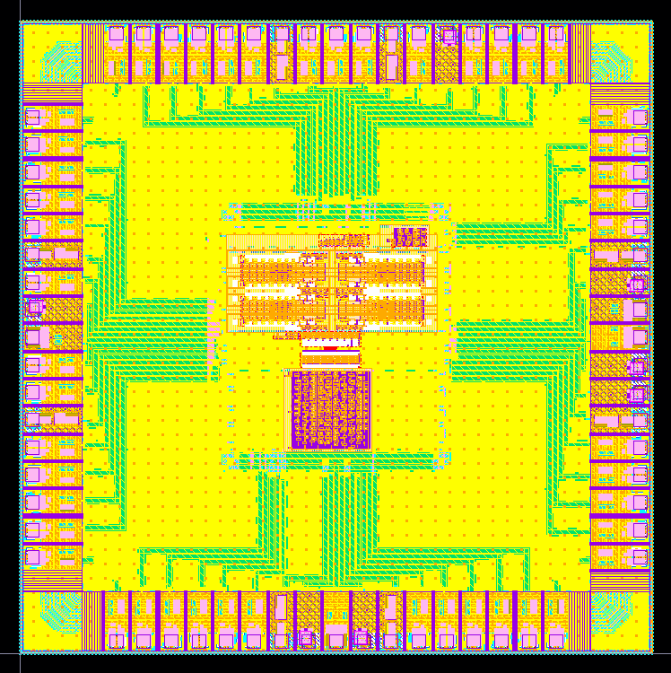
9
8
7
6
5
4
3
2
1
68
67
66
65
64
63
62
61
 |  |  |  |  |  |  |  |  |  |  |  |  |  |  |  |  |  |  |  | L | L | L | L | S | G | P | P | P | G | S | L | L | L | L
10
60
 |  |  |  |  |  |  |  |  |  |  |  |  |  |  |  |  |  |  |  | s0_dft | s1_dft | rst_dsa | s3_dft | dft0_buff | vssx | vtc_vb | delta_vb | tdc_vb | vssx | dft1_buff | v_erase | s2_dft | reset | b2_dft
11
59
 |  |  |  |  |  |  |  |  |  |  |  |  |  | PAL-R | v | PAL-R | 11 | L | s0_p |  |  |  |  |  |  |  |  |  |  |  |  |  |  |  | rst_piso | L | 59 | PAL-R | v | PAL-R
13
12
588
 |  |  |  |  |  |  |  |  |  |  |  |  |  | PAL-R | v | PAL-R | 12 | L | s1_p |  |  |  |  |  |  |  |  |  |  |  |  |  |  |  | piso_out | L | 58 | PAL-PAD | v | PAL-R
14
57
56
 |  |  |  |  |  |  |  |  |  |  |  |  |  | PAL-R | v | PAL-R | 13 | L | s2_p |  |  |  |  |  |  |  |  |  |  |  |  |  |  |  | shift | L | 57 | PAL-R | v | PAL-R
15
55
 |  |  |  |  |  |  |  |  |  |  |  |  |  | PAL-R | v | PAL-R | 14 | S | clk |  |  |  |  |  |  |  |  |  |  |  |  |  |  |  | clk_piso | S | 56 | PAL-R | v | PAL-PAD
16
54
 |  |  |  |  |  |  |  |  |  |  |  |  |  | PV0F | v | PV0F | 15 | G | vssx |  |  |  |  |  |  |  |  |  |  |  |  |  |  |  | vssx | G | 55 | PV0F | v | PV0F
17
53
 |  |  |  |  |  |  |  |  |  |  |  |  |  | PVPP-PAD | v | PAL-R | 16 | P | vth |  |  |  |  |  |  |  |  |  |  |  |  |  |  |  | pad | P | 54 | PVPP-PAD | v | PVPP-PAD
18
52
 |  |  |  |  |  |  |  |  |  |  |  |  |  | PVDI | v | PVPP-PAD | 17 | P | v_read |  |  |  |  |  |  |  |  |  |  |  |  |  |  |  | vccy | P | 53 | PVDA | v | PVPP-PAD
19
51
 |  |  |  |  |  |  |  |  |  |  |  |  |  | PVDA | v | PVDA | 18 | P | vccy |  |  |  |  |  |  |  |  |  |  |  |  |  |  |  | vccx | P | 52 | PVDI | v | PVDI
20
50
 |  |  |  |  |  |  |  |  |  |  |  |  |  | PVPP-PAD | v | PAL-R | 19 | P | lvr_cm |  |  |  |  |  |  |  |  |  |  |  |  |  |  |  | vcch_wl | P | 51 | PVPP-PAD | v | PVDA
21
49
48
 |  |  |  |  |  |  |  |  |  |  |  |  |  | PVPP-PAD | v | PAL-R | 20 | P | lvr_vb |  |  |  |  |  |  |  |  |  |  |  |  |  |  |  | vcch_bl | P | 50 | PVPP-PAD | v | PVPP-PAD
23
22
47
 |  |  |  |  |  |  |  |  |  |  |  |  |  | PV0F | v | PV0F | 21 | G | vssx |  |  |  |  |  |  |  |  |  |  |  |  |  |  |  | vssx | G | 49 | PV0F | v | PV0F
24
46
 |  |  |  |  |  |  |  |  |  |  |  |  |  | PAL-R | v | PAL-R | 22 | S | pulse |  |  |  |  |  |  |  |  |  |  |  |  |  |  |  |  | S | 48 |  |  | PAL-PAD
25
45
 |  |  |  |  |  |  |  |  |  |  |  |  |  | PAL-R | v | PAL-R | 23 | L | b1_dft |  |  |  |  |  |  |  |  |  |  |  |  |  |  |  |  | L | 47 |  |  | PAL-R
26
44
 |  |  |  |  |  |  |  |  |  |  |  |  |  | PAL-R | v | PAL-R | 24 | L | set |  |  |  |  |  |  |  |  |  |  |  |  |  |  |  |  | L | 46 |  |  | PAL-R
 |  |  |  |  |  |  |  |  |  |  |  |  |  | PAL-R | v | PAL-R | 25 | L | b0_dft |  |  |  |  |  |  |  |  |  |  |  |  |  |  |  |  | L | 45 |  |  | PAL-R
27
28
31
32
29
30
34
33
35
39
37
36
38
43
42
41
40
 |  |  |  |  |  |  |  |  |  |  |  |  |  |  |  |  |  |  |  | sipo_in | clk_sipo | sipo_out | cs |  | vssx | v_write | vccx | bl_vdc | vssx |  | rst_sipo
 |  |  |  |  |  |  |  |  |  |  |  |  |  |  |  |  |  |  |  | L | L | L | L | S | G | P | P | P | G | S | L | L | L | L
 |  |  |  |  |  |  |  |  |  |  |  |  |  |  |  |  |  |  |  | 28 | 29 | 30 | 31 | 32 | 33 | 34 | 35 | 36 | 37 | 38 | 39 | 40 | 41 | 42
 |  |  |  |  |  |  |  |  |  |  |  |  |  |  |  |  |  |  |  | PAL-R | PAL-R | PAL-PAD | PAL-R |  | PV0F | PVPP-PAD | PVDI | PVPP-PAD | PV0F |  | PAL-R
 |  |  |  |  |  |  |  |  |  |  |  |  |  |  |  |  |  |  |  | v | v | v | v |  | v | v | v | v | v |  | v
 |  |  |  |  |  |  |  |  |  |  |  |  |  |  |  |  |  |  |  | PAL-R | PAL-R | PAL-R | PAL-R | PAL-PAD | PV0F | PAL-R | PVDA | PAL-R | PV0F | PAL-PAD | PAL-R | PAL-R | PAL-R | PAL-R

 |  |  |  |  |  |  |  |  |  |  |  |  |  |  |  |  |  |  |  |  | PAL-R | PAL-R | PAL-R | PAL-R | PAL-R | PV0F | PVDI | PAL-R | PVPP-PAD | PV0F | PAL-R | PAL-R | PAL-R | PAL-R | PAL-R
 |  |  |  |  |  |  |  |  |  |  |  |  |  |  |  |  |  |  |  |  | v | v | v | v | v | v | v | v | v | v | v | v | v | v | v |  |  |  |  | GND |  | Power | signals | empty
 |  |  |  |  |  |  |  |  |  |  |  |  |  |  |  |  |  |  |  |  | PAL-R | PAL-R | PAL-R | PAL-R | PAL-PAD | PV0F | PAL-R | PAL-R | PAL-R | PV0F | PAL-PAD | PVPP-PAD | PAL-R | PAL-R | PAL-R
 |  |  |  |  |  |  |  |  |  |  |  |  |  |  |  |  |  |  |  |  | 8 | 7 | 6 | 5 | 4 | 3 | 2 | 1 | 68 | 67 | 66 | 65 | 64 | 63 | 62
 |  |  |  |  |  |  |  |  |  |  |  |  |  |  |  |  |  |  |  |  | L | L | L | L | S | G | P | P | P | G | S | L | L | L | L
 |  |  |  |  |  |  |  |  |  |  |  |  |  |  |  |  |  |  |  |  | s0_dft | s1_dft | rst_dsa | s3_dft | dft0_buff | vssx | vtc_vb | delta_vb | tdc_vb | vssx | dft1_buff | v_erase | s2_dft | reset | b2_dft
 |  |  |  |  |  |  |  |  |  |  |  |  |  |  | PAL-R | v | PAL-R | 11 | L | s0_p |  |  |  |  |  |  |  |  |  |  |  |  |  |  |  | rst_piso | L | 59 | PAL-R | v | PAL-R
 |  |  |  |  |  |  |  |  |  |  |  |  |  |  | PAL-R | v | PAL-R | 12 | L | s1_p |  |  |  |  |  |  |  |  |  |  |  |  |  |  |  | piso_out | L | 58 | PAL-PAD | v | PAL-R
 |  |  |  |  |  |  |  |  |  |  |  |  |  |  | PAL-R | v | PAL-R | 13 | L | s2_p |  |  |  |  |  |  |  |  |  |  |  |  |  |  |  | shift | L | 57 | PAL-R | v | PAL-R
 |  |  |  |  |  |  |  |  |  |  |  |  |  |  | PAL-R | v | PAL-R | 14 | S | clk |  |  |  |  |  |  |  |  |  |  |  |  |  |  |  | clk_piso | S | 56 | PAL-R | v | PAL-PAD
 |  |  |  |  |  |  |  |  |  |  |  |  |  |  | PV0F | v | PV0F | 15 | G | vssx |  |  |  |  |  |  |  |  |  |  |  |  |  |  |  | vssx | G | 55 | PV0F | v | PV0F
 |  |  |  |  |  |  |  |  |  |  |  |  |  |  | PVPP-PAD | v | PAL-R | 16 | P | vth |  |  |  |  |  |  |  |  |  |  |  |  |  |  |  | pad | P | 54 | PVPP-PAD | v | PVPP-PAD
 |  |  |  |  |  |  |  |  |  |  |  |  |  |  | PVDI | v | PVPP-PAD | 17 | P | v_read |  |  |  |  |  |  |  |  |  |  |  |  |  |  |  | vccy | P | 53 | PVDA | v | PVPP-PAD
 |  |  |  |  |  |  |  |  |  |  |  |  |  |  | PVDA | v | PVDA | 18 | P | vccy |  |  |  |  |  |  |  |  |  |  |  |  |  |  |  | vccx | P | 52 | PVDI | v | PVDI
 |  |  |  |  |  |  |  |  |  |  |  |  |  |  | PVPP-PAD | v | PAL-R | 19 | P | lvr_cm |  |  |  |  |  |  |  |  |  |  |  |  |  |  |  | vcch_wl | P | 51 | PVPP-PAD | v | PVDA
 |  |  |  |  |  |  |  |  |  |  |  |  |  |  | PVPP-PAD | v | PAL-R | 20 | P | lvr_vb |  |  |  |  |  |  |  |  |  |  |  |  |  |  |  | vcch_bl | P | 50 | PVPP-PAD | v | PVPP-PAD
 |  |  |  |  |  |  |  |  |  |  |  |  |  |  | PV0F | v | PV0F | 21 | G | vssx |  |  |  |  |  |  |  |  |  |  |  |  |  |  |  | vssx | G | 49 | PV0F | v | PV0F
 |  |  |  |  |  |  |  |  |  |  |  |  |  |  | PAL-R | v | PAL-R | 22 | S | pulse |  |  |  |  |  |  |  |  |  |  |  |  |  |  |  |  | S | 48 |  |  | PAL-PAD
 |  |  |  |  |  |  |  |  |  |  |  |  |  |  | PAL-R | v | PAL-R | 23 | L | b1_dft |  |  |  |  |  |  |  |  |  |  |  |  |  |  |  |  | L | 47 |  |  | PAL-R
 |  |  |  |  |  |  |  |  |  |  |  |  |  |  | PAL-R | v | PAL-R | 24 | L | set |  |  |  |  |  |  |  |  |  |  |  |  |  |  |  |  | L | 46 |  |  | PAL-R
 |  |  |  |  |  |  |  |  |  |  |  |  |  |  | PAL-R | v | PAL-R | 25 | L | b0_dft |  |  |  |  |  |  |  |  |  |  |  |  |  |  |  |  | L | 45 |  |  | PAL-R
 |  |  |  |  |  |  |  |  |  |  |  |  |  |  |  |  |  |  |  |  | sipo_in | clk_sipo | sipo_out | cs |  | vssx | v_write | vccx | bl_vdc | vssx |  | rst_sipo
 |  |  |  |  |  |  |  |  |  |  |  |  |  |  |  |  |  |  |  |  | L | L | L | L | S | G | P | P | P | G | S | L | L | L | L
 |  |  |  |  |  |  |  |  |  |  |  |  |  |  |  |  |  |  |  |  | 28 | 29 | 30 | 31 | 32 | 33 | 34 | 35 | 36 | 37 | 38 | 39 | 40 | 41 | 42
 |  |  |  |  |  |  |  |  |  |  |  |  |  |  |  |  |  |  |  |  | PAL-R | PAL-R | PAL-PAD | PAL-R |  | PV0F | PVPP-PAD | PVDI | PVPP-PAD | PV0F |  | PAL-R
 |  |  |  |  |  |  |  |  |  |  |  |  |  |  |  |  |  |  |  |  | v | v | v | v |  | v | v | v | v | v |  | v
 |  |  |  |  |  |  |  |  |  |  |  |  |  |  |  |  |  |  |  |  | PAL-R | PAL-R | PAL-R | PAL-R | PAL-PAD | PV0F | PAL-R | PVDA | PAL-R | PV0F | PAL-PAD | PAL-R | PAL-R | PAL-R | PAL-R

Pinout_Dima (2)


Pin | Name | Purpose | Direction | Attribute | Voltage Domain | Frequency | Type | Comment | Specs
1 | delta_vb | bias | in | Analog | [VSS,VDD]
2 | vtc_vb | bias | in | Analog | [VSS-VDD] |  |  |  |  | Summary -MCP
3 | vssx | Ground | in | Ground | VSS |  |  |  |  | 4*2=8 | ground
4 | dft0_buff | dft | out | Digital |  |  |  |  |  | 5 | RF
5 | s3_dft | control | in | Digital |  |  |  |  |  | 6+10=16 | Power/Biases
6 | rst_dsa | reset | in | Digital |  |  |  |  |  | 21 | digital
7 | s1_dft | control | in | Digital |  |  |  |  |  | 50pins
8 | s0_dft | control | in | Digital
9 | Unused
10 | Unused
11 | s0_p | control | in | Digital
12 | s1_p | control | in | Digital
13 | s2_p | control | in | Digital
14 | clk | Clock | in | Digital
15 | vssx | Ground | in | Ground | VSS
16 | vth | bias | in | Analog | [VSS,VDD]
17 | v_read | bias | in | Analog | [VDD,3.3V]
18 | vccy | Power | in | Power | VDD (1.8V)
19 | lvr_cm | bias | in | Analog | [VSS,VDD]
20 | lvr_vb | bias | in | Analog | [VSS,VDD]
21 | vssx | Ground | in | Ground | VSS
22 | pulse | control | in | Digital
23 | b1_dft | control | in | Digital
24 | set | control | in | Digital
25 | b0_dft | control | in | Digital
26 | Unused
27 | Unused
28 | sipo_in | data | in
29 | clk_sipo | Clock | in
30 | sipo_out | data | out
31 | cs | control | in
32 | Unused
33 | vssx | Ground | in | Ground | VSS
34 | v_write | bias | in | Analog | [VSS,5V]
35 | vccx | Power | in | Power | VDD (1.8V)
36 | bl_vdc | bias | in | Analog | [VSS,VDD]
37 | vssx | Ground | in | Ground | VSS
38 | Unused
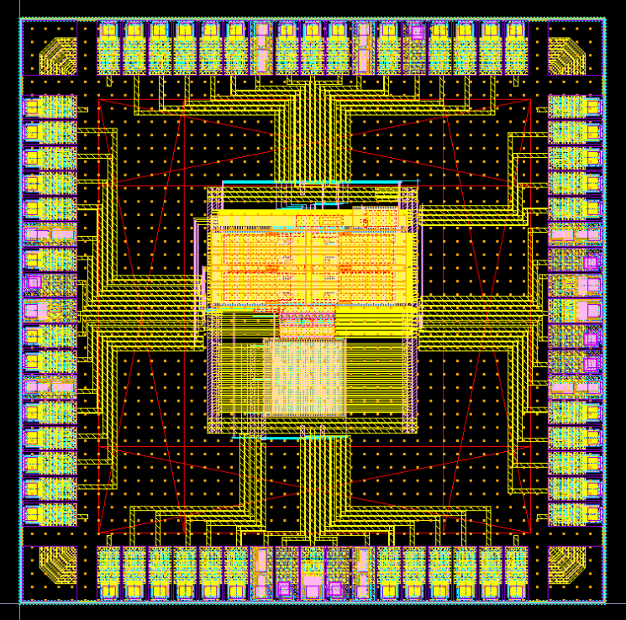
39 | Unused
40 | Unused
41 | Unused
42 | Unused
43 | Unused
44 | Unused
45 | Unused
46 | Unused
47 | Unused
48 | Unused
49 | vssx | Ground | in | Ground | VSS
50 | vcch_bl | Power | in | Power | [VSS,7V] |  |  | to pass the 7
51 | vcch_wl | Power | in | Power | [VSS,5V] |  |  | to pass the 5
52 | vccx | Power | in | Power | VDD (1.8V)
53 | vccy | Power | in | Power | VDD (1.8V)
54 | pad | bias | in/out | Analog
55 | vssx | Ground | in | Ground | VSS
56 | clk_piso | Clock | in | Digital
57 | shift | control | in | Digital
58 | piso_out | data | out | Digital
59 | rst_piso | reset | in | Digital
60 | Unused
61 | Unused
62 | b2_dft | control | in | Digital
63 | reset | reset | in | Digital
64 | s2_dft | control | in | Digital
65 | v_erase | Power | in | Analog | [VSS,7V] |  |  | for short period
66 | dft1_buff | dft | out | Digital
67 | vssx | Ground | in | Ground | VSS
68 | tdc_vb | bias | in | Analog | [VSS,VDD]

Blocks Interface - Digital
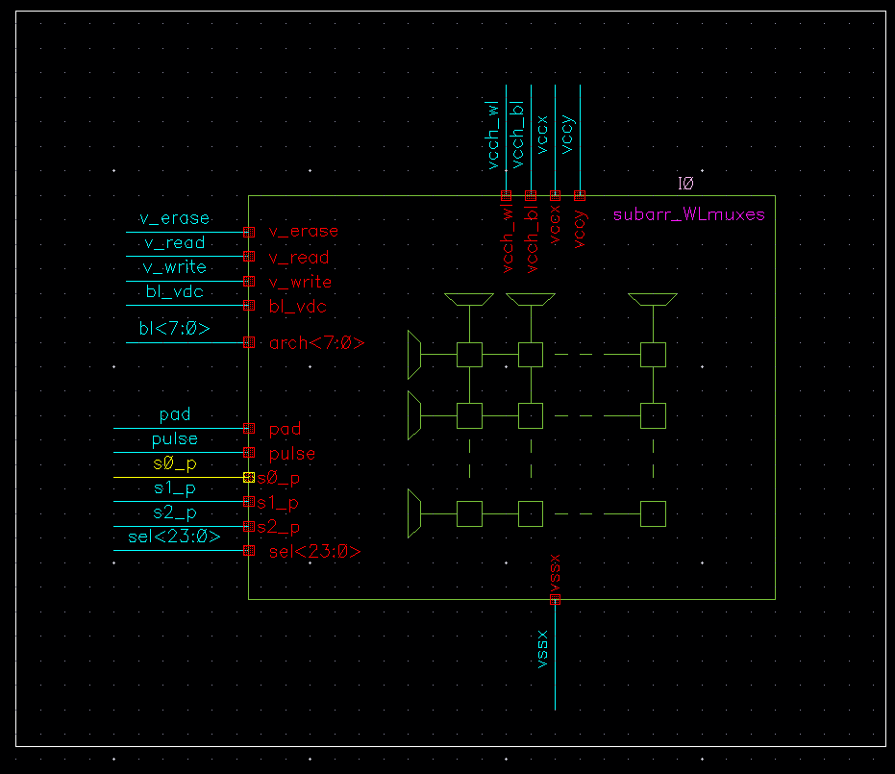
Pin | Name | Block | Purpose | Direction | Attribute | Voltage Domain | block |  | Digital blocks list
1 | delta_vb |  | bias | in | Analog | [VSS,VDD]
2 | vtc_vb |  | bias | in | Analog | [VSS-VDD]
3 | vssx | Top | Ground | in | Ground | VSS |  |  | dft per ADC
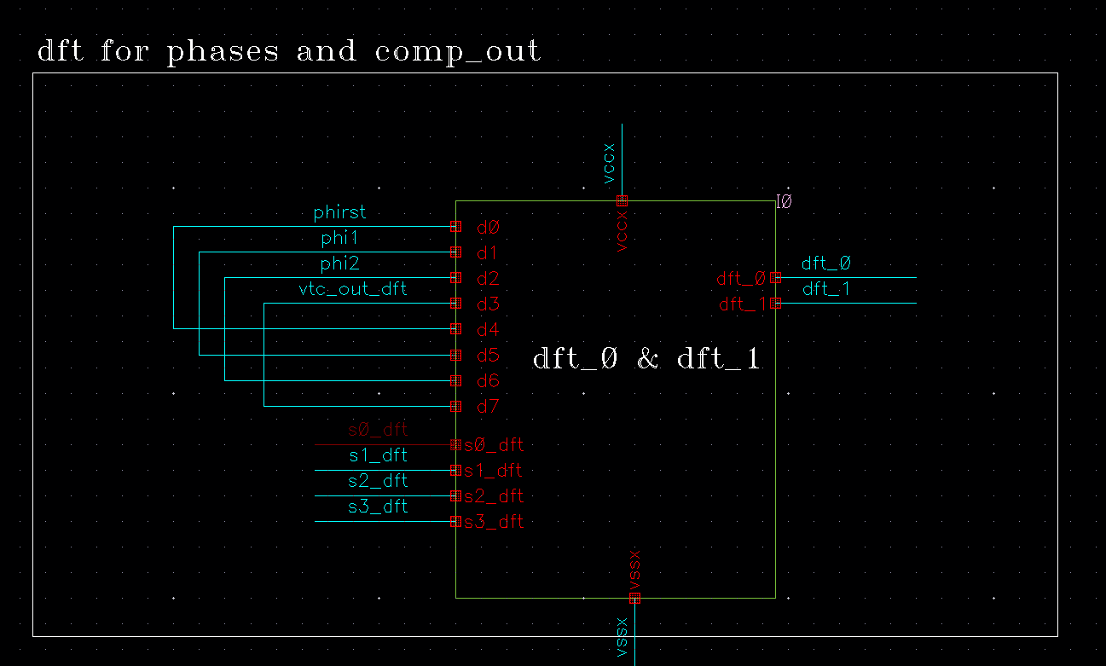
4 | dft0_buff | Top | dft | out | Digital |  | DFT - All | We're intersted with the blue for now.
5 | s3_dft | Top | control | in | Digital |  | dft per ADC
6 | rst_dsa | Top | reset | in | Digital |  | DSA
7 | s1_dft | IO | control | in | Digital |  | dft per ADC
8 | s0_dft | IO | control | in | Digital |  | dft per ADC
9 | Unused | Top
10 | Unused | Top
11 | s0_p | Top | control | in | Digital |  | Array with Muxes
12 | s1_p | Top | control | in | Digital |  | Array with Muxes
13 | s2_p | SPI0/1 | control | in | Digital |  | Array with Muxes
14 | clk | SPI | Clock | in | Digital |  | Clock Generator
15 | vssx | SPI | Ground | in | Ground | VSS
16 | vth | SPI0 | bias | in | Analog | [VSS,VDD]
17 | v_read | SPI0/1 | bias | in | Analog | [VDD,3.3V]
18 | vccy | SPI | Power | in | Power | VDD (1.8V)
19 | lvr_cm | SPI | bias | in | Analog | [VSS,VDD]
20 | lvr_vb | SPI0 | bias | in | Analog | [VSS,VDD] |  |  | DSA
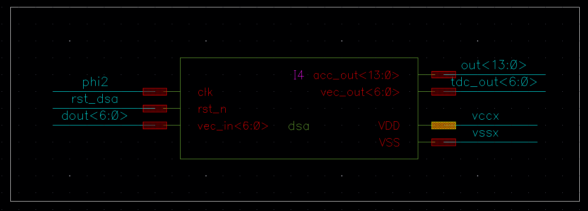
21 | vssx | SPI1 | Ground | in | Ground | VSS
22 | pulse | SPI0/1 | control | in | Digital |  | Array with Muxes
Pin | PISO_WR | SPI |  | in
23 | b1_dft | SPI | control | in | Digital |  | DFT - All
24 | set |  | control | in | Digital |  | Clock Generator
25 | b0_dft | Top | control | in | Digital |  | DFT - All
26 | Unused | Top
27 | Unused | Top
28 | sipo_in | Array | data | in |  |  | SIPO
29 | clk_sipo | Array | Clock | in |  |  | SIPO
30 | sipo_out | Array | data | out |  |  | SIPO
31 | cs | Array | control | in |  |  | SIPO
32 | Unused | Array
33 | vssx | Array | Ground | in | Ground | VSS
34 | v_write | Array | bias | in | Analog | [VSS,5V]
35 | vccx | Array | Power | in | Power | VDD (1.8V) |  |  | SIPO
36 | bl_vdc | Array | bias | in | Analog | [VSS,VDD]
37 | vssx | Array | Ground | in | Ground | VSS
38 | Unused | Top
39 | Unused | Top
40 | Unused | Top
41 | Unused | Top
42 | Unused | Top
43 | Unused | Top
44 | Unused | Top
45 | Unused | Top
46 | Unused | Top
47 | Unused | Top
48 | Unused | Top
49 | vssx |  | Ground | in | Ground | VSS
50 | vcch_bl |  | Power | in | Power | [VSS,7V]
51 | vcch_wl | Spare | Power | in | Power | [VSS,5V]
52 | vccx | Spare | Power | in | Power | VDD (1.8V)
53 | vccy |  | Power | in | Power | VDD (1.8V)
54 | pad |  | bias | in/out | Analog |  |  |  | PISO
55 | vssx |  | Ground | in | Ground | VSS
56 | clk_piso |  | Clock | in | Digital |  | PISO
57 | shift |  | control | in | Digital |  | PISO
58 | piso_out |  | data | out | Digital |  | PISO
59 | rst_piso |  | reset | in | Digital |  | PISO
60 | Unused | Top
61 | Unused | Top
62 | b2_dft |  | control | in | Digital |  | DFT- All
63 | reset |  | reset | in | Digital |  | Clock Generator
64 | s2_dft |  | control | in | Digital |  | dft per ADC
65 | v_erase |  | Power | in | Analog | [VSS,7V]
66 | dft1_buff | Reset | dft | out | Digital |  | DFT - All
67 | vssx | Top | Ground | in | Ground | VSS
68 | tdc_vb | Top | bias | in | Analog | [VSS,VDD]

 |  |  |  |  |  |  |  |  | DFT - ALL

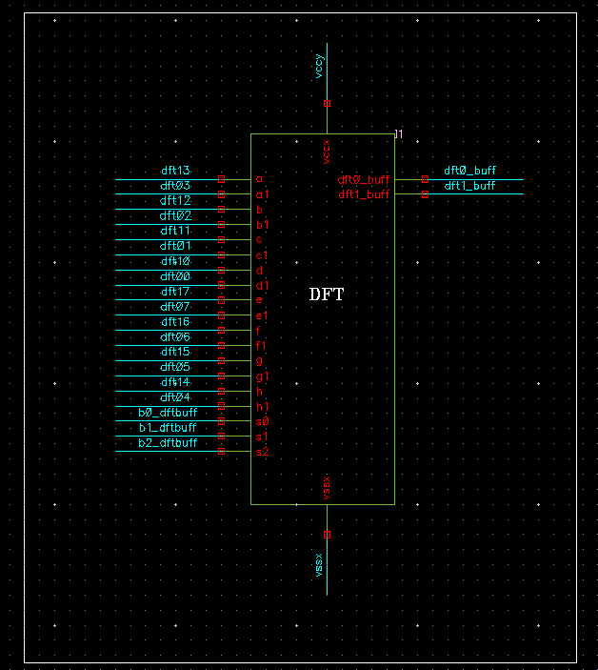

 |  |  |  |  |  |  |  |  | Clk Generator

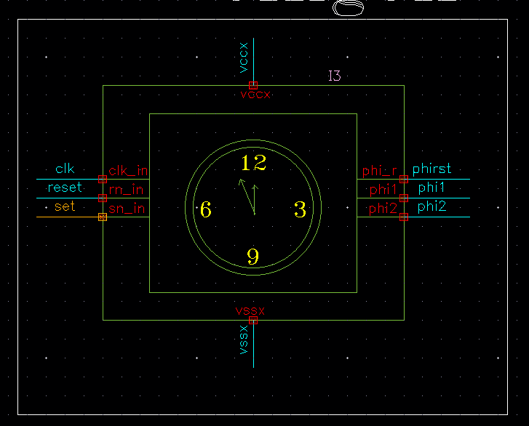

 |  |  |  |  |  |  |  |  | Array with muxes

Interface - Dima
Pin | Name | Block | Purpuse | Direction
#0# | vccx | All | Power | in |  | General Notes:
#0# | vssx | All | Ground | in |  | 1- all digital inputs (such as the select bit for all of the muxes) comes from the controller
1 | input | TDC | data | in |  | 2- dft block ---> dft controller
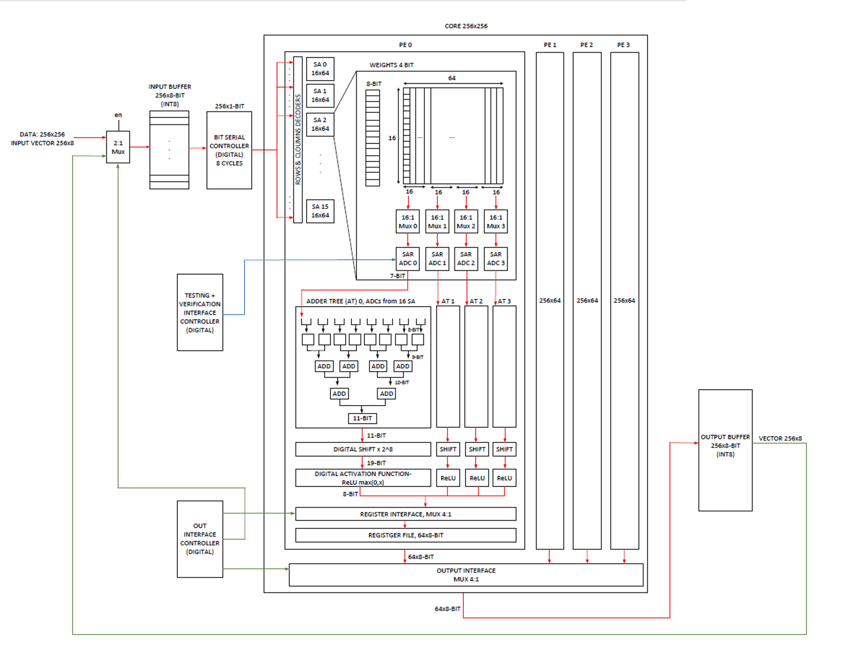
2 | ref | TDC | pulse | in | Need another 1bit/2bits MSB --> another block | 3- Digital shift & accumlate : Synthesized
3 | bias | TDC | bias | in
4 | B<0> | TDC | logic | out
5 | B<1> | TDC | logic | out
6 | B<2> | TDC | logic | out
7 | B<3> | TDC | logic | out
8 | B<4> | TDC | logic | out
9 | B<5> | TDC | logic | out
10 | B<6> | TDC | logic | out
14 | bias | TDC_ref | bias | in
15 | phase | TDC_ref | logic | in
16 | out | TDC_ref | logic | out
17 | input | VTC | data | in
18 | phi1 | VTC | logic | in | replace the comp with inv & control its threshold
19 | phi2 | VTC | logic | in | Add a precharging phase -> phi3
20 | phir | VTC | logic | in | IDAC?
21 | vth | VTC | bias | in | Fix the voltage drop: bootstrap & charge injection
22 | comp_bias | VTC | bias | in
23 | discharge_bias | VTC | bias | in
24 | out | VTC | logic | out
25 | input | LVR | data | in | no comp --> only transistors --> reduce power
26 | bias | LVR | bias | in
27 | ref | LVR | bias | in
28 | out | LVR | data | out
29 | clk | Clk Gen | logic | in
30 | reset | Clk Gen | logic | in
31 | set | Clk Gen | logic | in
32 | phi1 | Clk Gen | logic | out
33 | phi2 | Clk Gen | logic | out
34 | phir | Clk Gen | logic | out
35 | v_read | WL_mux | bias | in
36 | v_write | WL_mux | bias | in
37 | s0 | WL_mux | logic | in | voltages are analog ---- selectors are from controller (pulses already?)
38 | s1 | WL_mux | logic | in | Last TO: s0,s1,s2 were shared between WL & BL for the decoding
39 | s2 | WL_mux | logic | in
40 | sel | WL_mux | logic | in
41 | out | WL_mux | data | out
42 | vcch_WL | WL_mux | power | in
43 | pad | BL_mux | analog | in/out
44 | BL | BL_mux | data | in
45 | v_erase | BL_mux | bias | in
46 | arch | BL_mux | data | in/out
47 | s0 | BL_mux | logic | in
48 | s1 | BL_mux | logic | in
49 | s2 | BL_mux | logic | in
50 | sel | BL_mux | logic | in
51 | out | BL_mux | data | out
52 | vcch_BL | BL_mux | power | in
53
54
55
56
57
58
59
60
61

