1. FOGOffset&MSG
from ME TPI reports, pick out the stability failed HI, retest the TPI.
then, keep the HI no moved, do the DFS
get the MicStabilityFOGOffset to be reference
combine it with MSG

 | Name | FinalFrontMicStabilityFOGOffset
 | 1800801007 | 1800801005 | 1800801010
 | 4.00 | 4.00 | 4.00

 | Name | FinalBackMicStabilityFOGOffset
 | 1800801007 | 1800801005 | 1800801010
 | 4.00 | 4.00 | 4.00

 | Name | MicStabEXPOffAGCICFG
 | 1800801007 | 1800801005 | 1800801010
 | 1.00 | 1.00 | 1.00
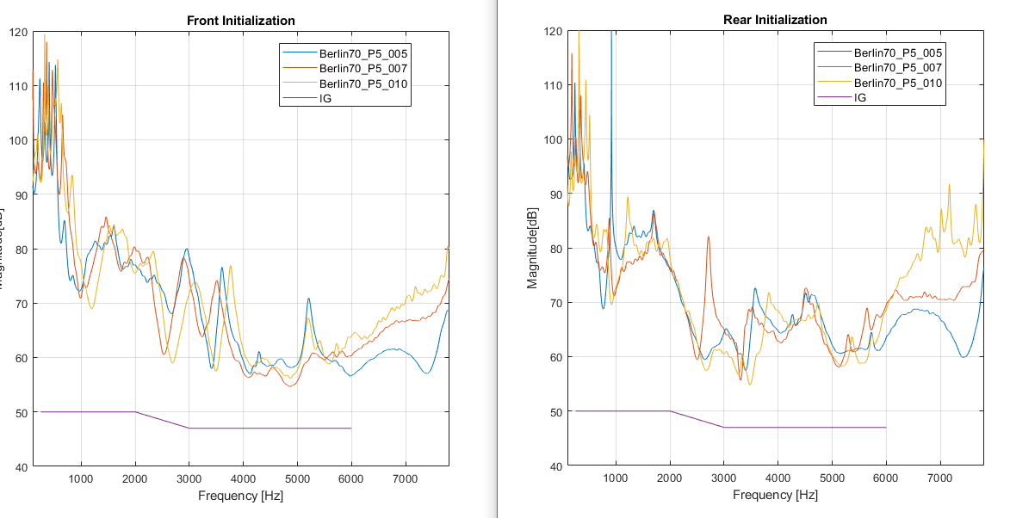

VA877-DW stability failure

 | Name | FinalFrontMicStabilityFOGOffset |  | and the unstable frequency can match the MSG_DFS
 | 1800801240 | 1800801239 |  |  | #240: 3981 or 5012
 | 1.00 | 0 |  |  | #239: 3981 or 5012

 | Name | FinalBackMicStabilityFOGOffset
 | 1800801240 | 1800801239
 | 4.00 | 4

 | Name | MicStabEXPOffAGCICFG
 | 1800801240 | 1800801239
 | 1.00 | 1
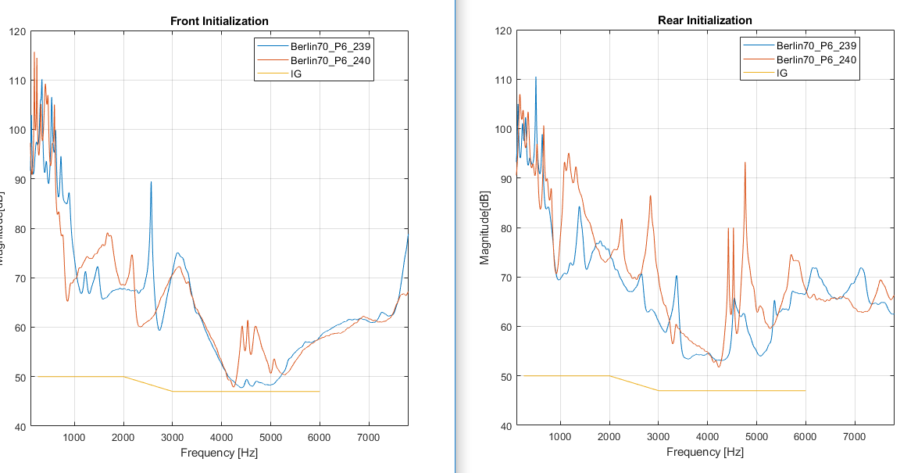

change the jig to Delhi, the result is the same
 | so jig is not the root cause

do the MicStabilityFOGOffset and MSG_DFS have connection?

 |  |  |  |  |  | Name | FinalFrontMicStabilityFOGOffset
 |  |  |  |  |  | 1800801007 | 1800801005 | 1800801010
 |  |  |  |  |  | 4.00 | 4.00 | 4.00
 |  |  |  |  |  | 1800801240 | 1800801239
 |  |  |  |  |  | 1.00 | 0

 |  |  |  |  |  | Name | FinalBackMicStabilityFOGOffset
 |  |  |  |  |  | 1800801007 | 1800801005 | 1800801010
 |  |  |  |  |  | 4.00 | 4.00 | 4.00
 |  |  |  |  |  | 1800801240 | 1800801239
 |  |  |  |  |  | 4.00 | 4

 |  |  |  |  |  | it seems their offset are same, but the MSG_DFS is different.
 |  |  |  |  |  | so this offset is for a reference when HI is stable

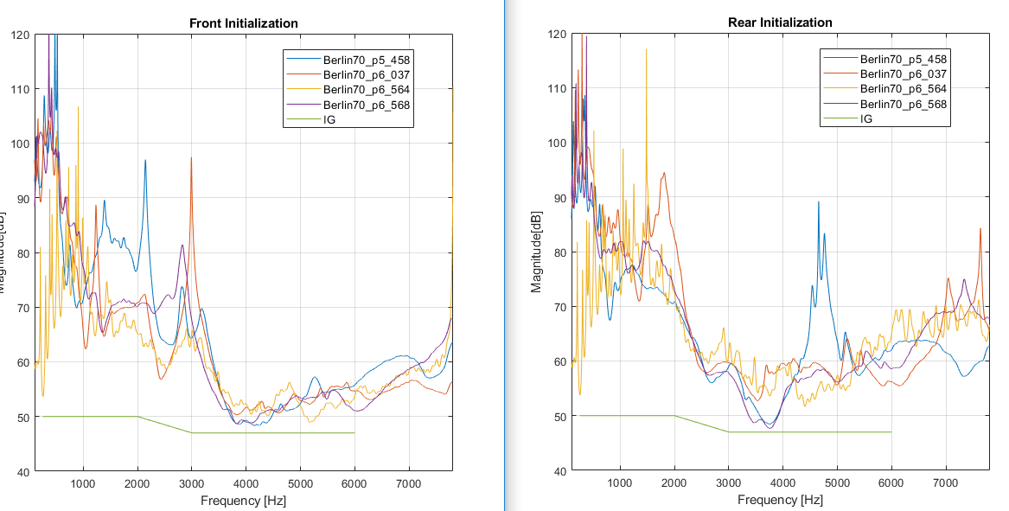
LS977-DW stability failure
 |  |  |  |  |  |  |  |  | Name | FinalFrontMicStabilityFOGOffset
 |  |  |  |  |  |  |  |  | 1458 | 2564 | 3568 | 0037
 |  |  |  |  |  |  |  |  | 3.00 | 0 | 2 | 4

 |  |  |  |  |  |  |  |  | Name | FinalBackMicStabilityFOGOffset
 |  |  |  |  |  |  |  |  | 1458 | 2564 | 3568 | 0037
 |  |  |  |  |  |  |  |  | 4.00 | 2 | 4 | 4

 |  |  |  |  |  |  |  |  | Name | MicStabEXPOffAGCICFG
 |  |  |  |  |  |  |  |  | 1458 | 2564 | 3568 | 0037
 |  |  |  |  |  |  |  |  | 1.00 | 1 | 1 | 1

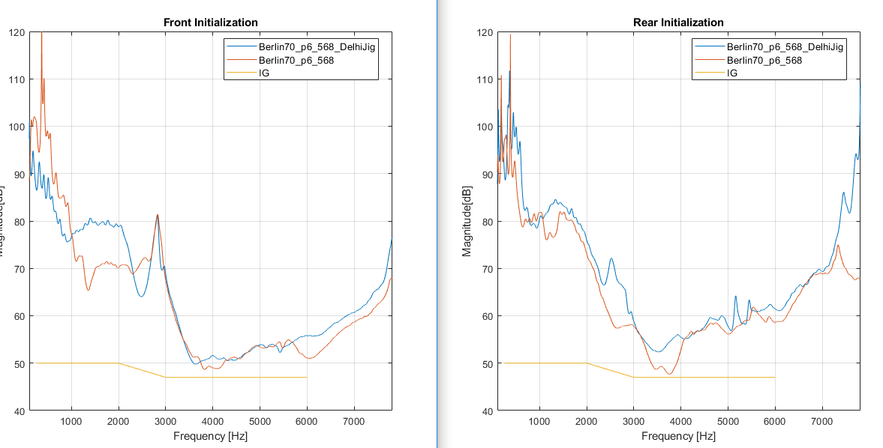
 |  |  |  |  |  |  |  |  | using the Delhi Jig
 |  |  |  |  |  |  |  |  |  | check if it can improve the performance

 |  |  |  |  |  |  |  |  | Name | FinalFrontMicStabilityFOGOffset
 |  |  |  |  |  |  |  |  | 3568 | Delhi Jig
 |  |  |  |  |  |  |  |  | 2.00 | 4

 |  |  |  |  |  |  |  |  | Name | FinalBackMicStabilityFOGOffset
 |  |  |  |  |  |  |  |  | 3568 | Delhi Jig
 |  |  |  |  |  |  |  |  | 4.00 | 4

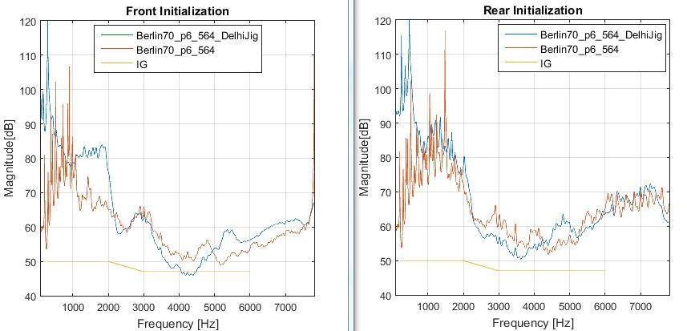

 |  |  |  |  |  |  |  |  | Name | FinalFrontMicStabilityFOGOffset
 |  |  |  |  |  |  |  |  | 2564 | Delhi Jig
 |  |  |  |  |  |  |  |  | 0.00 | 0

 |  |  |  |  |  |  |  |  | Name | FinalBackMicStabilityFOGOffset
 |  |  |  |  |  |  |  |  | 2564 | Delhi Jig
 |  |  |  |  |  |  |  |  | 2.00 | 2

 |  |  |  |  |  |  |  |  |  | prove it again: jig is not the root cause

2. RS_vs_BT skin
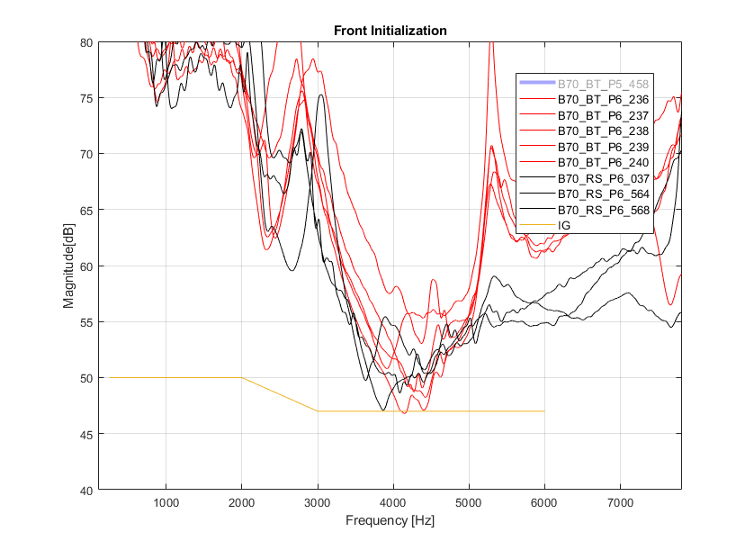
compare the stability of Resound and beltone skin
 |  |  |  |  | FinalFrontMicStabilityFOGOffset
 |  |  |  | BT | P5#458 | P6#240 | P6#239 | P6#237 | P6#238 | P6#236
 |  |  |  |  | 1 | 1 | 0 | 2 | 4 | 4
 |  |  |  | RS | P6#564 | P6#568 | P6#037
 |  |  |  |  | 0 | 3 | 4

 |  |  |  | peak frequency:
 |  |  |  | RS | 3k-4k Hz
 |  |  |  | BT | 4k-5k Hz

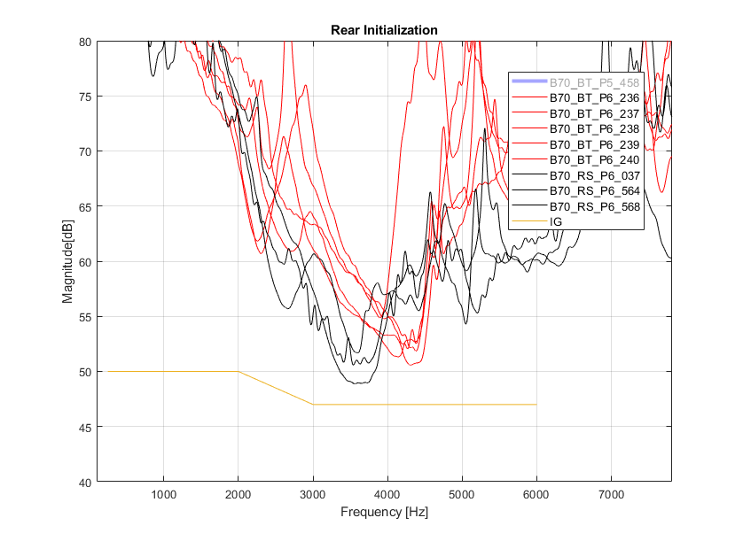

 |  |  |  |  | FinalBackMicStabilityFOGOffset
 |  |  |  | BT | P5#458 | P6#240 | P6#239 | P6#237 | P6#238 | P6#236
 |  |  |  |  | 4 | 4 | 4 | 4 | 4 | 4
 |  |  |  | RS | P6#564 | P6#568 | P6#037
 |  |  |  |  | 1 | 4 | 4

replace failed BT HI skin with passed RS

P6 | FinalFrontMicStabilityFOGOffset |  | P6 | FinalBackMicStabilityFOGOffset
#037_original | 4 |  | #037_original | 4
#037_with BT skin | 3 |  | #037_with BT skin | 4
#037_recover | 4 |  | #037_recover | 4
#037_replace 2 | 0 |  | #037_replace 2 | 1
#037_replace 3 | 4 |  | #037_replace 3 | 2
#037_replace 4 | 0 |  | #037_replace 4 | 2
#037_recover_2 | 4 |  | #037_recover_2 | 4

 |  | first time, replace the skin with BT, the stability go worse a little bit
 |  | then recover to RS, stability return ok
 |  | replace to BT again, and repeat the disassembly, the performance not good
 |  | after several time skin replacement, once recover to RS skin, stability is good
 |  | For these two housing, RS is better ( RS:+1=1p)

replace failed BT HI skin with RS

P6 | FinalFrontMicStabilityFOGOffset |  | P6 | FinalBackMicStabilityFOGOffset
#240_original | 1 |  | #240_original | 4
#240_with RS skin | 4 |  | #240_with RS skin | 4
#240_recover | 4 |  | #240_recover | 4
#240_replace 2 | 4 |  | #240_replace 2 | 4
#240_replace 3 | 4 |  | #240_replace 3 | 4
#240_recover_2 | 4 |  | #240_recover_2 | 4

 |  | replace with this RS skin, stability become better obviously
 |  | recover to BT skin, stability problem seems fixed, the peak frequency shift
 |  | replace to RS several times, MSG keeps higher than BT
 |  | recover to BT again, the MSG lower
 |  | For these two housing, RS is better (RS:+1=2p)

