1. FOGOffset&MSG
from ME TPI reports, pick out the stability failed HI, retest the TPI.
then, keep the HI no moved, do the DFS
get the MicStabilityFOGOffset to be reference
combine it with MSG

 | Name | FinalFrontMicStabilityFOGOffset
 | 1800801007 | 1800801005 | 1800801010
 | 4.00 | 4.00 | 4.00

 | Name | FinalBackMicStabilityFOGOffset
 | 1800801007 | 1800801005 | 1800801010
 | 4.00 | 4.00 | 4.00

 | Name | MicStabEXPOffAGCICFG
 | 1800801007 | 1800801005 | 1800801010
 | 1.00 | 1.00 | 1.00
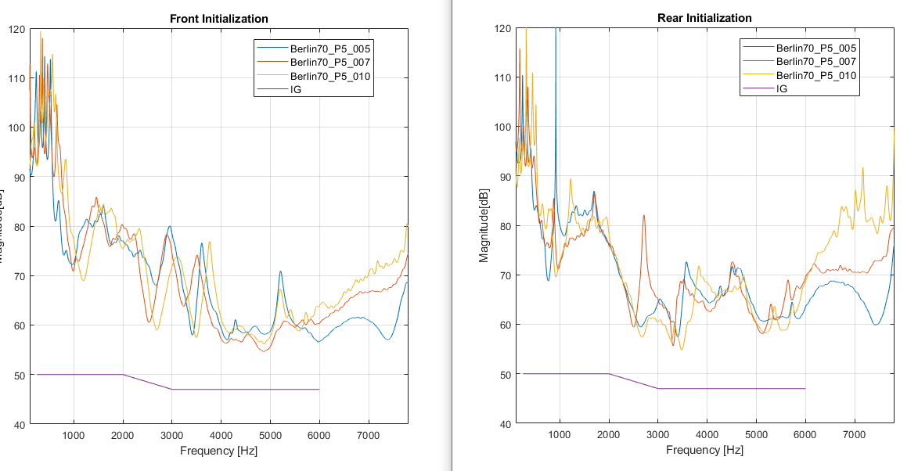

VA877-DW stability failure

 | Name | FinalFrontMicStabilityFOGOffset |  | and the unstable frequency can match the MSG_DFS
 | 1800801240 | 1800801239 |  |  | #240: 3981 or 5012
 | 1.00 | 0 |  |  | #239: 3981 or 5012

 | Name | FinalBackMicStabilityFOGOffset
 | 1800801240 | 1800801239
 | 4.00 | 4

 | Name | MicStabEXPOffAGCICFG
 | 1800801240 | 1800801239
 | 1.00 | 1
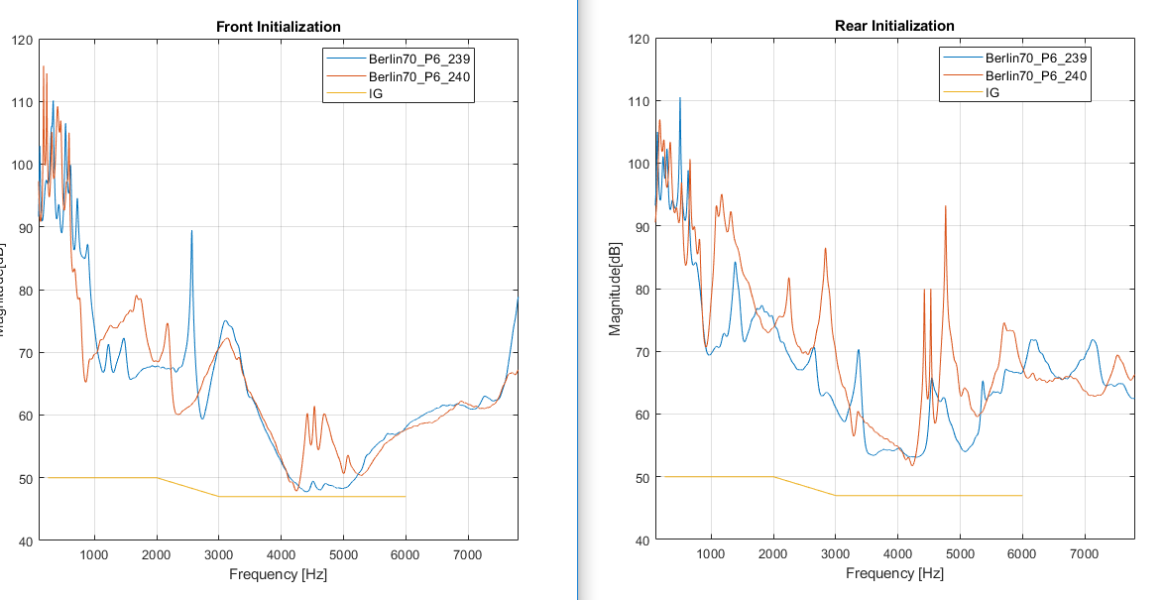

change the jig to Delhi, the result is the same
 | so jig is not the root cause

do the MicStabilityFOGOffset and MSG_DFS have connection?

 |  |  |  |  |  | Name | FinalFrontMicStabilityFOGOffset
 |  |  |  |  |  | 1800801007 | 1800801005 | 1800801010
 |  |  |  |  |  | 4.00 | 4.00 | 4.00
 |  |  |  |  |  | 1800801240 | 1800801239
 |  |  |  |  |  | 1.00 | 0

 |  |  |  |  |  | Name | FinalBackMicStabilityFOGOffset
 |  |  |  |  |  | 1800801007 | 1800801005 | 1800801010
 |  |  |  |  |  | 4.00 | 4.00 | 4.00
 |  |  |  |  |  | 1800801240 | 1800801239
 |  |  |  |  |  | 4.00 | 4

 |  |  |  |  |  | it seems their offset are same, but the MSG_DFS is different.
 |  |  |  |  |  | so this offset is for a reference when HI is stable

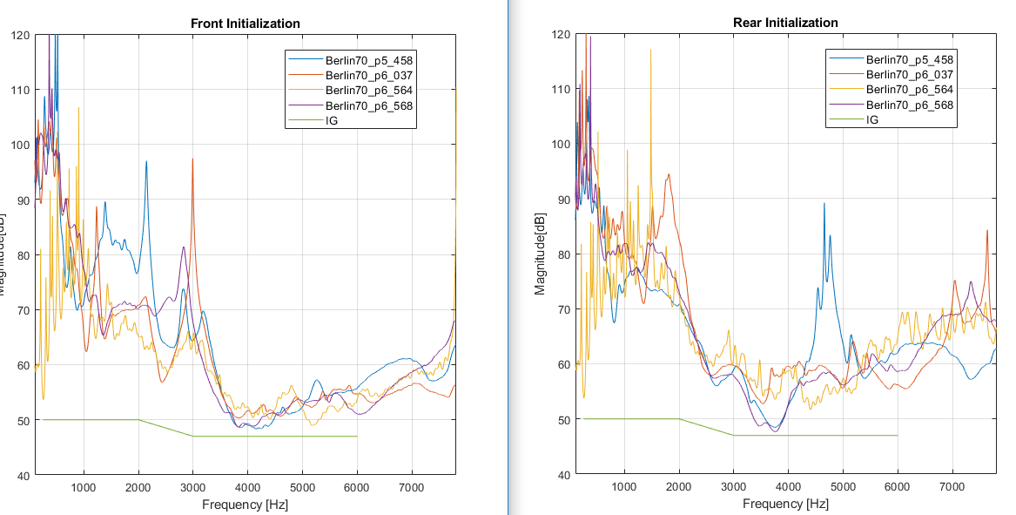
LS977-DW stability failure
 |  |  |  |  |  |  |  |  | Name | FinalFrontMicStabilityFOGOffset
 |  |  |  |  |  |  |  |  | 1458 | 2564 | 3568 | 0037
 |  |  |  |  |  |  |  |  | 3.00 | 0 | 2 | 4

 |  |  |  |  |  |  |  |  | Name | FinalBackMicStabilityFOGOffset
 |  |  |  |  |  |  |  |  | 1458 | 2564 | 3568 | 0037
 |  |  |  |  |  |  |  |  | 4.00 | 2 | 4 | 4

 |  |  |  |  |  |  |  |  | Name | MicStabEXPOffAGCICFG
 |  |  |  |  |  |  |  |  | 1458 | 2564 | 3568 | 0037
 |  |  |  |  |  |  |  |  | 1.00 | 1 | 1 | 1

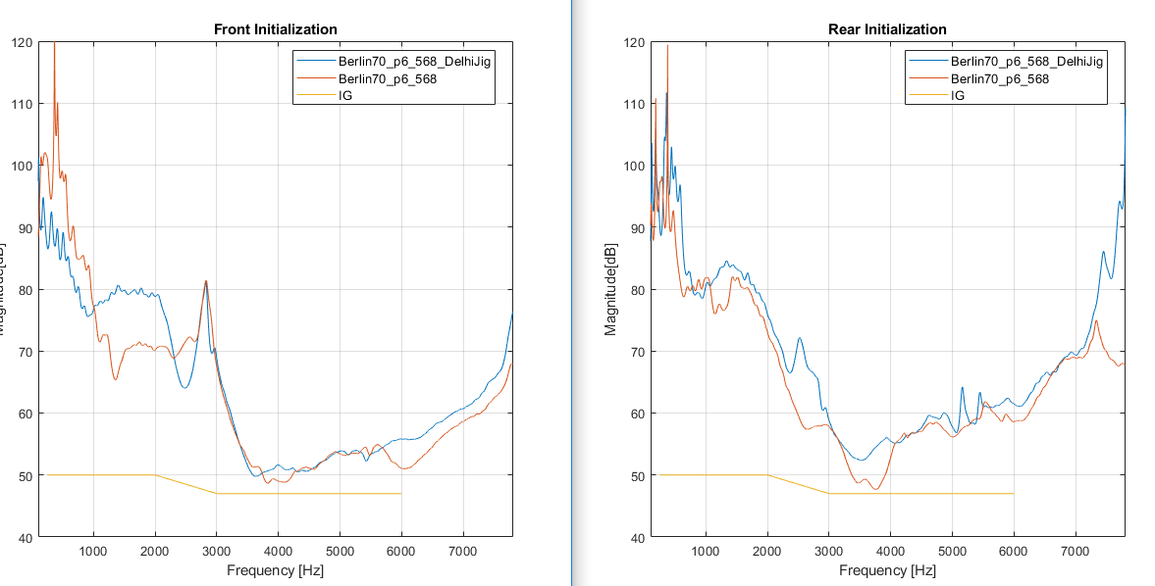
 |  |  |  |  |  |  |  |  | using the Delhi Jig
 |  |  |  |  |  |  |  |  |  | check if it can improve the performance

 |  |  |  |  |  |  |  |  | Name | FinalFrontMicStabilityFOGOffset
 |  |  |  |  |  |  |  |  | 3568 | Delhi Jig
 |  |  |  |  |  |  |  |  | 2.00 | 4

 |  |  |  |  |  |  |  |  | Name | FinalBackMicStabilityFOGOffset
 |  |  |  |  |  |  |  |  | 3568 | Delhi Jig
 |  |  |  |  |  |  |  |  | 4.00 | 4

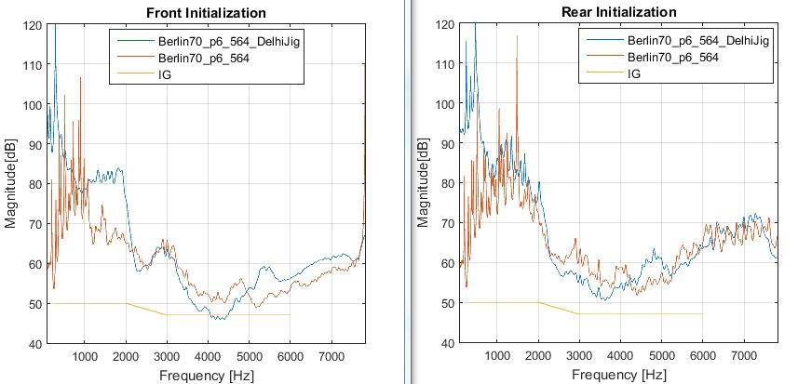

 |  |  |  |  |  |  |  |  | Name | FinalFrontMicStabilityFOGOffset
 |  |  |  |  |  |  |  |  | 2564 | Delhi Jig
 |  |  |  |  |  |  |  |  | 0.00 | 0

 |  |  |  |  |  |  |  |  | Name | FinalBackMicStabilityFOGOffset
 |  |  |  |  |  |  |  |  | 2564 | Delhi Jig
 |  |  |  |  |  |  |  |  | 2.00 | 2

 |  |  |  |  |  |  |  |  |  | prove it again: jig is not the root cause

