1. FOGOffset&MSG
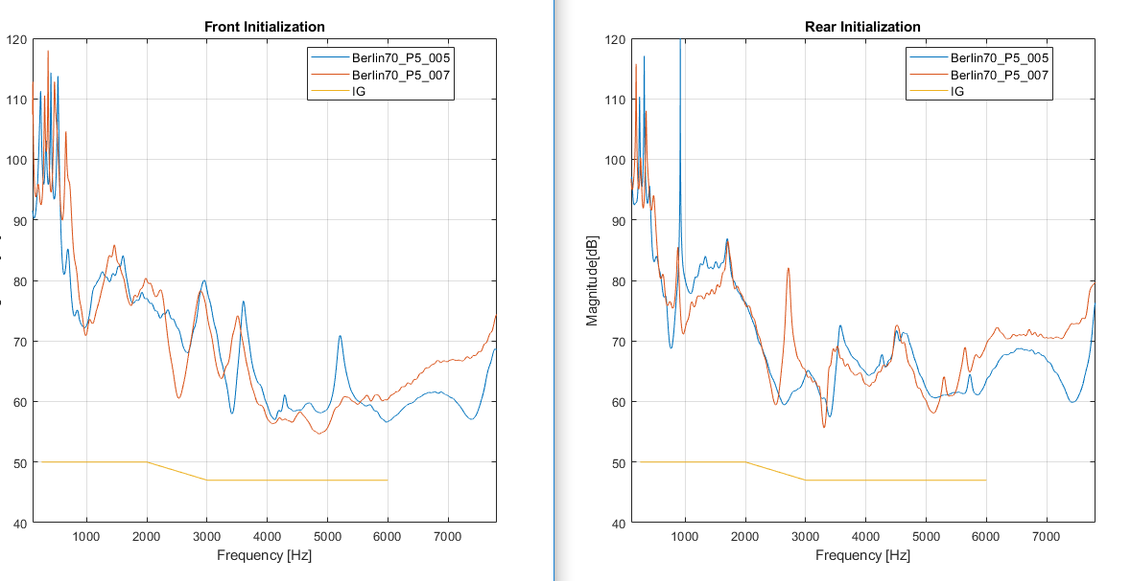
from ME TPI reports, pick out the stability failed HI, retest the TPI.
then, keep the HI no moved, do the DFS
get the MicStabilityFOGOffset to be reference
combine it with MSG

 | Name | FinalBackMicStabilityFOGOffset
 | 1800801007 | 4.00
 | 1800801005 | 4.00

 | Name | FinalFrontMicStabilityFOGOffset
 | 1800801007 | 4.00
 | 1800801005 | 4.00

 | Name | MicStabEXPOffAGCICFG
 | 1800801007 | 1.00
 | 1800801005 | 1.00

