Q8 (analysis)
Question 8 (15 points - anaysis question)
Database: Airbnb-complete-July 22, 2021.db
 |  |  |  | Grading criteria and scale
Instructions: |  |  |  | Points | Description
Use the data available in the Airbnb dataset to assess which of the Airbnb rental markets covered by this dataset is "the most affordable". The first step to doing so is to decide how to convert the broad question "which of these Airbnb rental markets is most affordable" into a more precise, specific question or set of questions and to define an associated set of quantitative metrics you can calculate for each metro area to evaluate how affordable each of the rental markets is. The simplest and most obvious way to calculate affordability is to just find the average rental price for a listing in each of the markets and declare the market with the lowest average rental price to be "the most affordable". That is, however, probably an overly simplistic way to evaluate affordability across the markets. You will receive only 1/2 credit for this question if you just do that basic analysis (correctly). A more sophisticated and nuanced analysis will recognize that individual rental listings are not commodities. The value of a rental, and its associated rental rate, can vary greatly depending on a listing's location and neighborhood (within a metro area), size (number of beds, bedrooms, bathrooms, people it can accommodate, etc.), time of year or day of the week (e.g. weekday vs. weekend), etc. To get full credit for the question, then, your analysis you will need to consider one or more of these factors (or any additional ones that you deem important) in the process of selecting the most affordable of these markets, presenting your findings, and supporting those findings with evidence from the data. In the space below, explain the metric(s) and/or analysis you are using to evaluate rental affordability in each market, along with a brief explanation of how to interpret the metrics. For example, "[higher or lower] values imply a [more or less] affordable rental market". You don't need to go into great detail here. A clear, precise, and brief explanation |  |  |  | 15 | Analysis clearly identifies the core question posed, provides a rigorous and compelling answer to that question, and does so in a way that is straightforward for a non-statistician and non-programmer to follow.
 |  |  |  | 10-14 | Analysis is mostly on the mark but either misses something important, does not interpret data and results correctly, and/or presents results in a way that is difficult for a non-statistician/programmer to follow.
 |  |  |  | 5-9 | Analysis misses a key point and/or the analysis process, formulas, or conclusions are incorrect in a material way. Poor presentation of results can also bring a score down to this range.
 |  |  |  | 0-4 | Analysis is substantially incorrect, or not attempted

Summarize your interpretation of your metrics using clear, precise, and specific English language.
The analysis involves evaluating the affordability of different types of accommodations in major urban markets by considering the average cost relative to perceived value. This evaluation is visually represented through scatterplots, correlating average prices with value scores for each room type in various cities. From these visual representations, we can draw the following conclusions: New Orleans stands out as an attractive market for Hotel Rooms, combining the second-highest value score with the most economical average price for hotel accommodations. Both New Orleans and Portland are notable choices for Shared Rooms, offering shared rooms with high value scores at affordable prices, making them excellent options in terms of affordability. Asheville takes the lead in private room offerings, presenting the highest average value score, coupled with a competitive average listing price, positioning it ahead of other markets for this room type. Portland excels in Entire Homes/Apartments category, with a high value score second only to one other city. Additionally, it has the advantage of the lowest average price, making it a top market for renting entire properties. Taking a comprehensive view of the scatterplot analysis, Portland emerges as the most favorable market overall. It consistently provides rooms with a high value-to-price ratio across all types, making it an ideal choice for those seeking a well-balanced combination of affordability and quality.

In the space below, provide any additional supporting evidence, charts, graphs, tables, etc. to support your conclusions. Insert rows as needed; use as much space as you need here

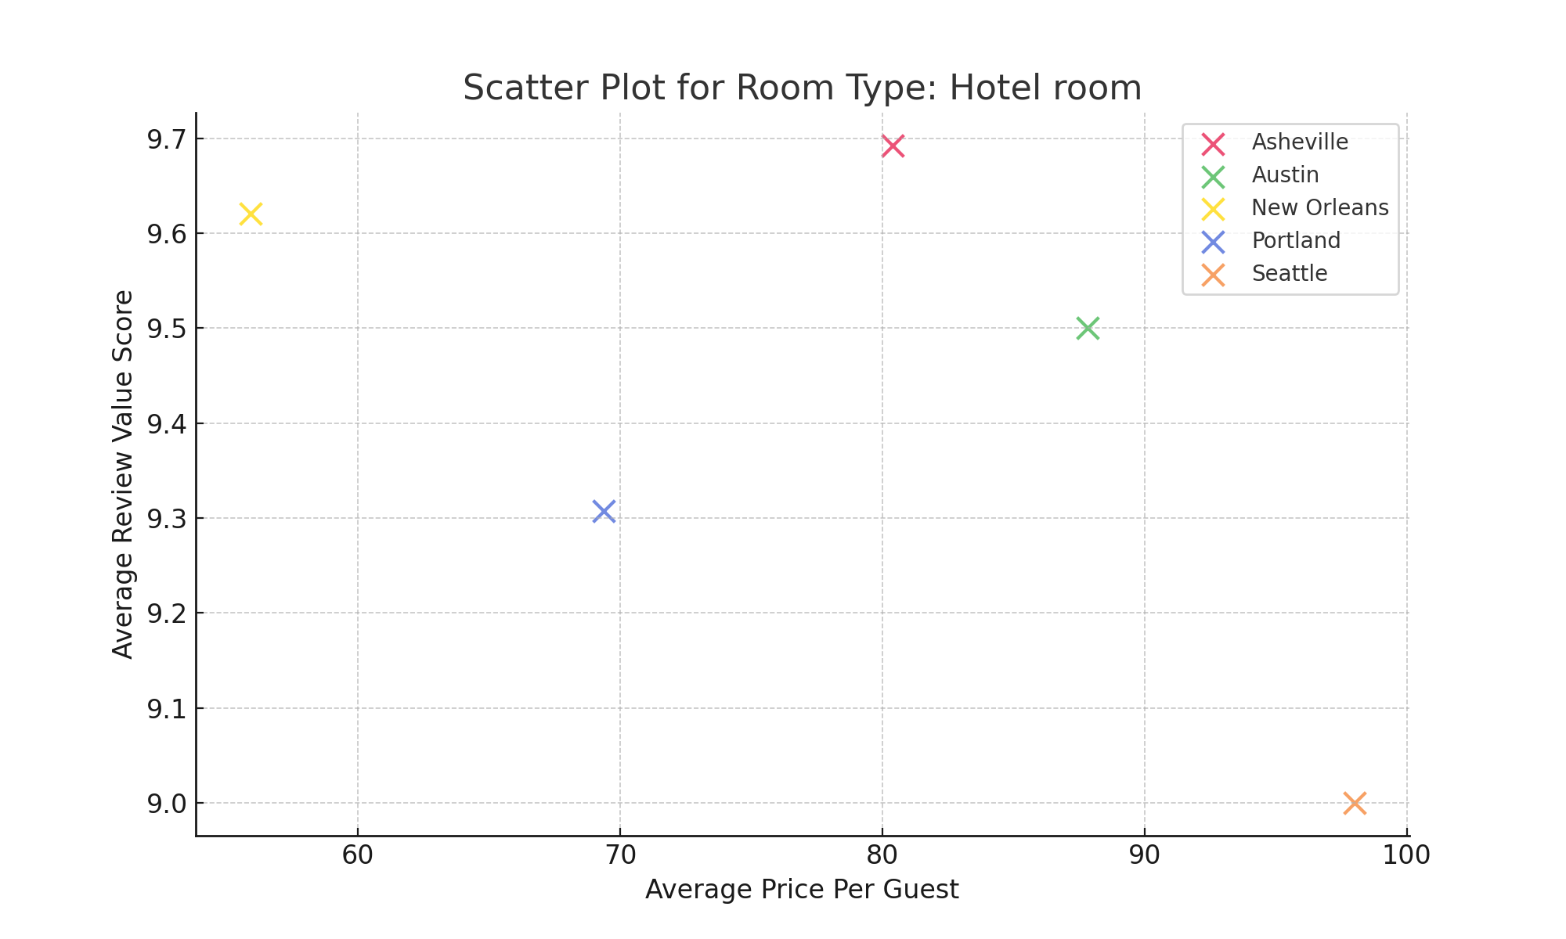
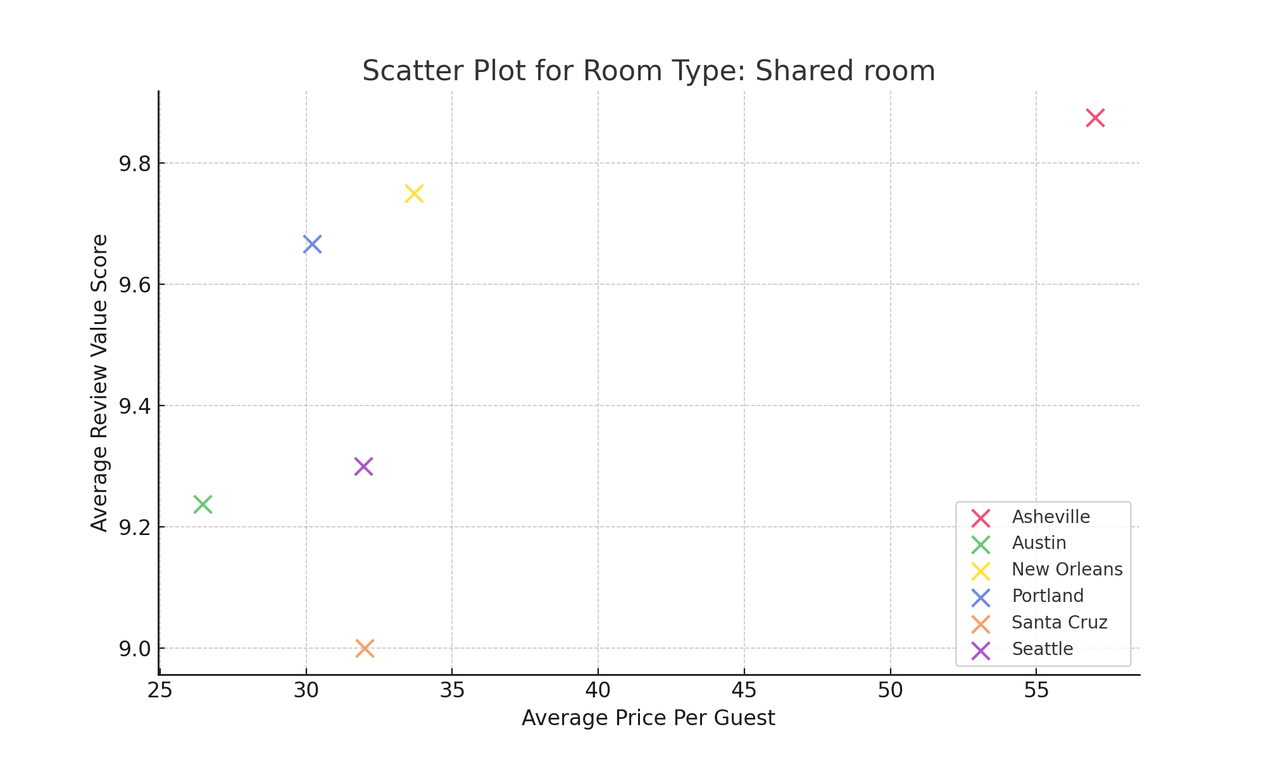

CoreCity | RoomType | AvgReviewValueScore | AvgPricePerGuest
Asheville | Entire home/apt | 10 | 39.258305
Asheville | Hotel room | 10 | 80.384615
Asheville | Private room | 10 | 39.938953
Asheville | Shared room | 10 | 57
Austin | Entire home/apt | 10 | 48.822802
Austin | Hotel room | 10 | 87.833333
Austin | Private room | 10 | 40.92568
Austin | Shared room | 9 | 26.463918
New Orleans | Entire home/apt | 10 | 38.965781
New Orleans | Hotel room | 10 | 55.913793
New Orleans | Private room | 10 | 40.337449
New Orleans | Shared room | 10 | 33.7
Portland | Entire home/apt | 10 | 33.896104
Portland | Hotel room | 9 | 69.384615
Portland | Private room | 10 | 34.32605
Portland | Shared room | 10 | 30.2
Santa Cruz | Entire home/apt | 9 | 63.98174
Santa Cruz | Private room | 10 | 119
Santa Cruz | Shared room | 9 | 32
Seattle | Entire home/apt | 10 | 36.731498
Seattle | Hotel room | 9 | 98
Seattle | Private room | 9 | 34.832797
Seattle | Shared room | 9 | 31.95

In the space below, show any SQL scripts or queries that you used to retrieve and analyse the data used.

SELECT ma.CoreCity, l.RoomType, AVG(l.ReviewScoresValue) AS AvgReviewValueScore, AVG(l.Price / NULLIF(l.Accommodates, 0)) As AvgPricePerGuest FROM Listing l INNER JOIN MetroArea ma ON l.MetroID = ma.MetroID WHERE l.Price IS NOT NULL AND l.Accommodates IS NOT NULL AND l.Accommodates > 0 AND l.ReviewScoresValue IS NOT NULL GROUP BY ma.CoreCity, l.RoomType;

