Radium Samples
S.No | Sample Image | Description | Quantity | UOM | Width | Source Photo
1 | 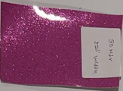 | Pink glitter | 30 | Meters | 52" | Photo 1
2 | 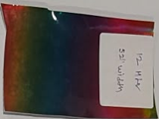 | Rainbow holographic | 12 | Meters | 52" | Photo 1
3 | 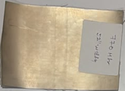 | Champagne gold metallic | 770 | Meters | 52" | Photo 1
4 | 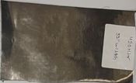 | Gunmetal / dark silver metallic | 430 | Meters | 52" | Photo 1
5 | 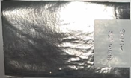 | Silver metallic | 30 | Meters | 52" | Photo 1
6 | 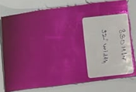 | Magenta metallic | 380 | Meters | 52" | Photo 1
7 | 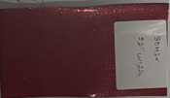 | Red glitter | 30 | Meters | 52" | Photo 1
8 | 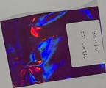 | Purple holographic (oil-slick) | 30 | Meters | 52" | Photo 1
9 | 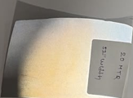 | White / silver reflective | 20 | Meters | 52" | Photo 1
10 | 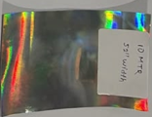 | Silver rainbow holographic | 10 | Meters | 52" | Photo 1
11 | 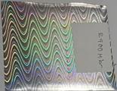 | Silver wave-pattern holographic | 2,900 | Yards | - | Photo 2
12 | 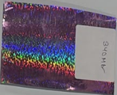 | Pink/purple rainbow holographic | 340 | Yards | - | Photo 2
13 | 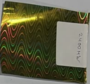 | Gold wave-pattern holographic | 2,400 | Yards | - | Photo 2
14 | 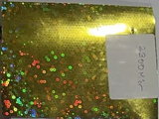 | Gold sequin-dot holographic | 2,300 | Yards | - | Photo 2
15 | 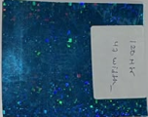 | Blue sequin-dot holographic | 120 | Yards | 47" | Photo 2
16 | 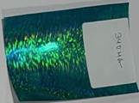 | Teal holographic | 340 | Yards | - | Photo 2
17 | 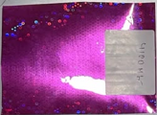 | Magenta sequin-dot holographic | 4,100 | Yards | - | Photo 2
18 | 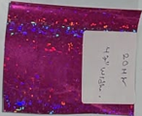 | Pink sequin-dot holographic | 20 | Yards | 47" | Photo 2
19 | 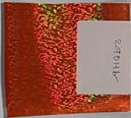 | Orange holographic | 290 | Yards | - | Photo 2
20 | 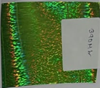 | Green holographic | 390 | Yards | - | Photo 2
21 | 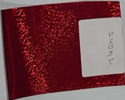 | Red holographic | 240 | Yards | - | Photo 2
22 | 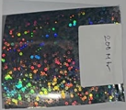 | Silver sequin-dot holographic | 200 | Yards | - | Photo 2
23 | 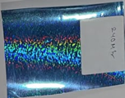 | Light blue rainbow holographic | 240 | Yards | - | Photo 2

 |  | Total (Meters)
 |  | Total (Yards)

