Sheet1
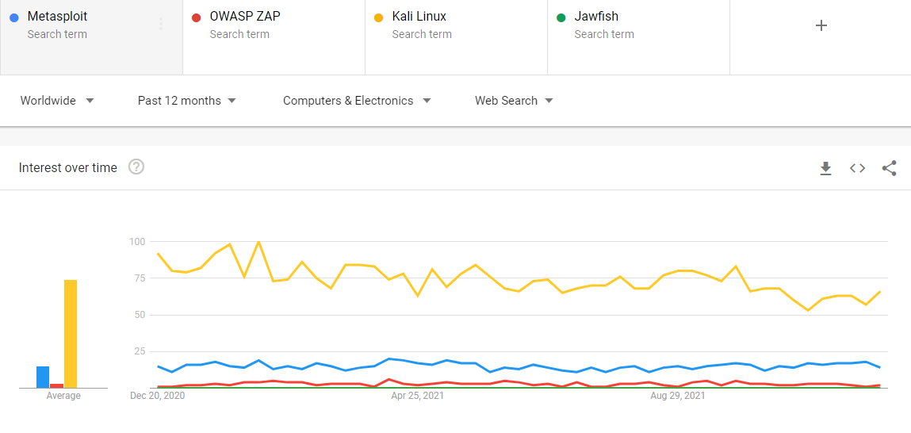
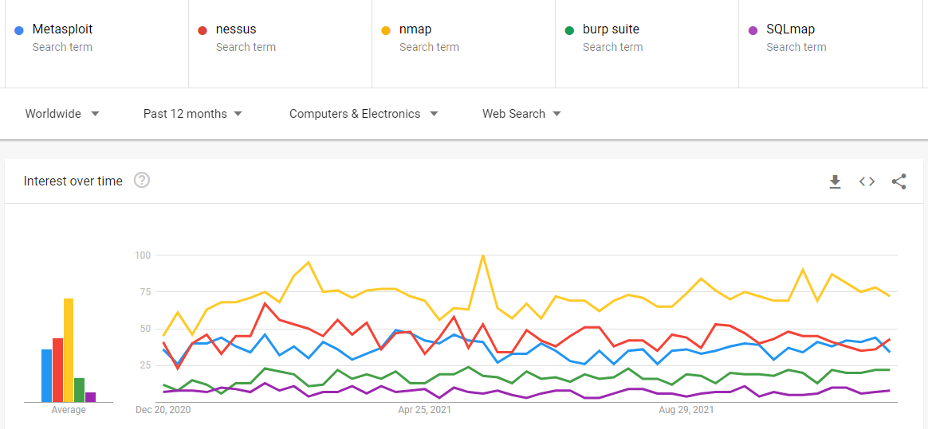
 | Ease of Install |  | Ease of Use, Flexibility |  | Licensing |  | Privacy |  | Reputation |  | Avg.
Metasploit | Installer, (>200Mb) heavy | 2 | CLI, WebUI(Pro) | 2 | Open limited version | 1 | Required Anti-Virus Off, ACL protected | 1 | Popular | 3 | 1.50
Nessus Vulnerability Scanner | Installer, (<100Mb) medium | 3 | WebUI | 3 | Open limited version | 1 | Web console port or agent, ACL protected | 3 | Popular | 3 | 2.17
Nmap | Package, light | 3 | CLI | 2 | Open | 3 | standalone | 3 | Popular | 3 | 2.33
Burp Suite | Installer / package, (>200Mb) heavy | 2 | UI console | 3 | Open limited version | 1 | standalone or agent, ACL protected | 3 | Normal | 2 | 1.83
OWASP ZAP | Installer / package, (>200Mb) heavy | 2 | UI console | 3 | Open | 3 | standalone | 3 | Normal | 2 | 2.17
SQLmap | Github, light | 2 | CLI | 2 | Open | 3 | standalone | 3 | Normal | 2 | 2.00
Kali Linux | Live CD, OS | 3 | OS with tools installed | 3 | Open | 3 | ACL protected | 3 | Very Popular | 3 | 2.50
Jawfish | Github, light, python requirements | 1 | CLI+WebUI, unclear menu | 1 | Open | 3 | Web console port, not password | 1 | Not popular | 1 | 1.17

