skill discretion and decision a
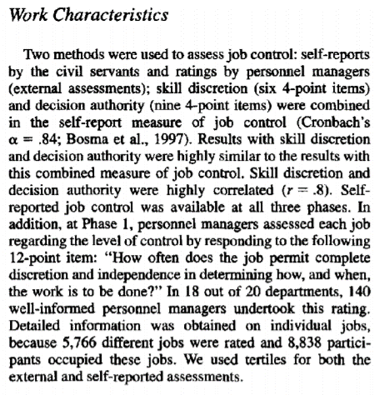
Fernet, C., Guay, F., & Senécal, C. (2004). Adjusting to job demands: The role of work self-determination and job control in predicting burnout. Journal of vocational behavior, 65(1), 39-56.

surveillance mornito priva
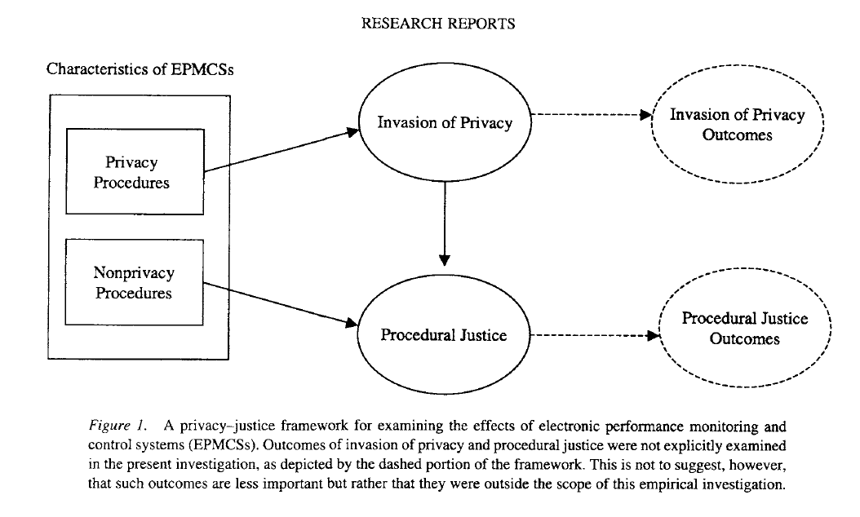
Alge, B. J. (2001). Effects of computer surveillance on perceptions of privacy and procedural justice. Journal of Applied Psychology, 86(4), 797.
The adoption of sophisticated surveillance and monitoring technologies that enable employers to observe the activities of their employees like never before is fueling concerns about privacy and fairness in organizations.
I collectively refer to these technologies as "electronic performance monitoring and control systems" (EPMCSs)—defined as systems in which electronic technologies are used to collect, store, analyze, and report the actions or performance of individuals or groups on the job (Nebeker & Tatum, 1993). Employers use EPMCSs to count keystrokes, read E-mail, track locations, monitor Web usage, videotape workstations or bathrooms, tap phone lines, and peer in on computer screens and files (Picard, 1994, p. 47).
Invasion of privacy. Invasion of privacy was measured using 13 items derived from prior privacy research (a = .96; Eddy et al., 1999; D. L. Stone, 1981;Tolchinsky etal., 1981). Slight modifications were required to fit the present context. Examples are "I felt like the manner in which I was evaluated was an invasion of my privacy" and "I feel that the information being collected is none of anybody's business but my own."
All self-report scales were rated on a 7-point Likert-type scale ranging from 1 (strongly disagree) to 7 (strongly agree). Scale reliabilities are reported in Table 1.
The experimental design was a 2 (relevance) X 2 (participation) X 2 (consistency) between-subjects factorial design. Participants who volunteered to work attended a 1-hr session at an office located on campus (maximum of 3 students per session). On arrival at the office, a confederate posing as a site supervisor greeted participants. Participants were led to believe that the campus-located office represented a satellite branch of a real organization—the Center of Excellence in Organizations (CEO). CEO was described as a partnership between the university and the local business community with a primary mission to support advances in the field of management. Participants were told that the satellite office was created to provide outreach to the student body as well as to capitalize on knowledge being generated within the university. Participants were instructed that they would be performing tasks supporting the maintenance of CEO's home page on the World Wide Web. In addition, "in support of CEO's mission" students were asked to participate in a study assessing their reactions to their "telework" experience. After consenting, participants toured the satellite office, which consisted of a main office flanked by three adjacent offices, all of which contained a desk and a personal computer. Participants were told that the computers were networked together and connected to the Internet and the main office downtown. After the tour, participants were provided task instructions. Participants received a hard copy listing of Internet Web addresses containing both valid and invalid sites. This task involved sequentially visiting each Web site on the list and verifying its existence by using a popular Web browser. Participants were given 5 min to verify the Web sites. They were then given a 5-min break followed by another 5-min session of entering Web sites. Students were asked to remain in their office during the 5-min break period. It was my expectat
Manipulations Participation. Those in the high-participation condition were given an opportunity to provide input into the monitoring and evaluation process. Specifically, they were given an "employee suggestion form" that allowed them to indicate their monitoring preferences, for example, preferences for physical supervision or electronic supervision. Moreover, they could provide input as to how collected data should be used to evaluate performance. They were led to believe that their opinions and preferences would be considered in determining their evaluations and would be helpful in establishing future monitoring norms for the center. Those in the noparticipation condition were not given an opportunity to provide input. Relevance. Participants were shown one of two versions of a blank performance evaluation form that the supervisor would fill out for each individual. In the high-relevance condition, the evaluation form contained only performance-relevant data, such as the number of Web sites verified. Participants in this condition were read a policy statement informing them that only their performance during assigned tasks (i.e., their "on-task" activities) were electronically monitored and that the monitoring system was deactivated during their break periods. Participants in the mixedrelevance condition were given a performance evaluation form that contained not only on-task performance criteria but also criteria related to break-period activities (e.g., number of unlisted or personal Web sites visited). Moreover, participants were read a different policy statement that indicated that not only their performance periods but also their break periods were being monitored. In addition, they were told that if they used the computer for personal use, such as visiting non-management-related Web sites, the site supervisor would know about it. Consistency. In the high-consistency condition, participants were informed, as part of the policy st
Manipulation checks. Twelve items were included to assess the effectiveness of the three manipulations: perceived relevance (5 items), with a sample item being "All data collected by the center are relevant in determining my performance"; perceived participation (2 items), with a sample item being "I was given an opportunity to influence the monitoring and evaluation process"; and consistency (5 items), with a sample item being "My performance is determined in the same manner as all other students participating in this project."

psychological entitlement

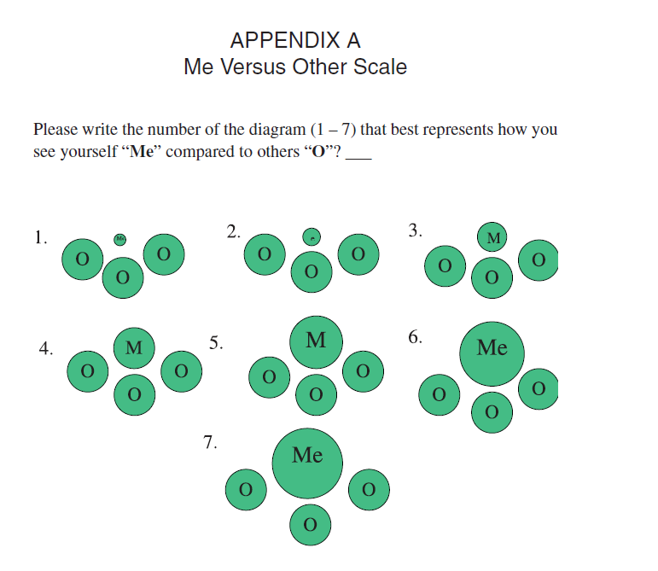
Campbell, W. K., Bonacci, A. M., Shelton, J., Exline, J. J., & Bushman, B. J. (2004). Psychological entitlement: Interpersonal consequences and validation of a self-report measure. Journal of personality assessment, 83(1), 29-45.

work Locus of control


