Exmpl1.2.1-exact
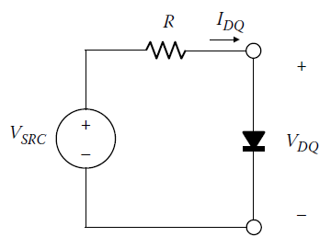
 |  |  | base | 10x | value
 |  | IS | 1.5 | -9 | 1.5E-09 | A |  |  | (1) | V | I from (1) | I from VAH(D)
 |  | η |  |  | 2 |  |  |  |  | 0 | 0.005 | 0
 |  | VT |  |  | 0.025852 | V |  |  |  | 0.01 | 0.004995 | 3.2006777948E-10
 |  | VSRC | 1 | 1 | 10 | V |  |  |  | 0.02 | 0.00499 | 7.0843114794E-10
 |  | R | 2 | 3 | 2000 | Ω |  |  | (2) | 0.03 | 0.004985 | 1.1796629171E-09
 |  |  |  |  |  |  |  |  |  | 0.04 | 0.00498 | 1.7514454235E-09
 |  |  |  |  |  |  |  |  |  | 0.05 | 0.004975 | 2.4452340347E-09
 |  |  |  |  |  | Iteration | VDQ, from (2) | IDQ, from (1) |  | 0.06 | 0.00497 | 3.2870622327E-09
 |  |  |  |  |  | 1 | 0.7 | 0.00465 |  | 0.07 | 0.004965 | 4.3085184854E-09
 |  |  |  |  |  | 2 | 0.77281518934 | 0.0046135924053 |  | 0.08 | 0.00496 | 5.5479315612E-09
 |  |  |  |  |  | 3 | 0.77240877522 | 0.0046137956124 |  | 0.09 | 0.004955 | 7.0518087644E-09
VDQ + RIDQ = VSRC |  |  |  |  |  | 4 | 0.77241105249 | 0.0046137944738 |  | 0.1 | 0.00495 | 8.8765810589E-09
 |  |  |  |  |  |  |  |  |  | 0.11 | 0.004945 | 1.1090720564E-08
 |  |  |  |  |  |  |  |  |  | 0.12 | 0.00494 | 1.377730988E-08
 |  |  |  |  |  |  | And from approx: | 0.004609929078 |  | 0.13 | 0.004935 | 1.7037159646E-08
 | 0.005 |  |  |  |  |  |  |  |  | 0.14 | 0.00493 | 2.099259133E-08
 |  |  |  |  |  |  |  |  |  | 0.15 | 0.004925 | 2.5792027171E-08
 |  |  |  |  |  |  |  |  |  | 0.16 | 0.00492 | 3.1615559527E-08
 |  |  |  |  |  |  |  |  |  | 0.17 | 0.004915 | 3.8681708597E-08
 |  |  |  |  |  |  |  |  |  | 0.18 | 0.00491 | 4.7255622095E-08
 |  |  |  |  |  |  |  |  |  | 0.19 | 0.004905 | 5.7659024562E-08
 |  |  |  |  |  |  |  |  |  | 0.2 | 0.0049 | 7.0282289647E-08
 |  |  |  |  |  |  |  |  |  | 0.21 | 0.004895 | 8.559908835E-08
 |  |  |  |  |  |  |  |  |  | 0.22 | 0.00489 | 1.0418416289E-07
 |  |  |  |  |  |  |  |  |  | 0.23 | 0.004885 | 1.2673489311E-07
 |  |  |  |  |  |  |  |  |  | 0.24 | 0.00488 | 1.5409746477E-07
 |  |  |  |  |  |  |  |  |  | 0.25 | 0.004875 | 1.8729862147E-07
 |  |  |  |  |  |  |  |  |  | 0.26 | 0.00487 | 2.2758419183E-07
 |  |  |  |  |  |  |  |  |  | 0.27 | 0.004865 | 2.7646583756E-07
 |  |  |  |  |  |  |  |  |  | 0.28 | 0.00486 | 3.3577777649E-07
 |  |  |  |  |  |  |  |  |  | 0.29 | 0.004855 | 4.0774560915E-07
 |  |  |  |  |  |  |  |  |  | 0.3 | 0.00485 | 4.9506983141E-07
 |  |  |  |  |  |  |  |  |  | 0.31 | 0.004845 | 6.0102716694E-07
 |  |  |  |  |  |  |  |  |  | 0.32 | 0.00484 | 7.2959352188E-07
 |  |  |  |  |  |  |  |  |  | 0.33 | 0.004835 | 8.8559317531E-07
 |  |  |  |  |  |  |  |  |  | 0.34 | 0.00483 | 1.0748798039E-06
 |  |  |  |  |  |  |  |  |  | 0.35 | 0.004825 | 1.304556133E-06
 |  |  |  |  |  |  |  |  |  | 0.36 | 0.00482 | 1.5832404572E-06
 |  |  |  |  |  |  |  |  |  | 0.37 | 0.004815 | 1.92139003E-06
 |  |  |  |  |  |  |  |  |  | 0.38 | 0.00481 | 2.3316934581E-06
 |  |  |  |  |  |  |  |  |  | 0.39 | 0.004805 | 2.8295468243E-06
 |  |  |  |  |  |  |  |  |  | 0.4 | 0.0048 | 3.4336314047E-06
 |  |  |  |  |  |  |  |  |  | 0.41 | 0.004795 | 4.1666146586E-06
 |  |  |  |  |  |  |  |  |  | 0.42 | 0.00479 | 5.0560007943E-06
 |  |  |  |  |  |  |  |  |  | 0.43 | 0.004785 | 6.1351628269E-06
 |  |  |  |  |  |  |  |  |  | 0.44 | 0.00478 | 7.4445948565E-06
 |  |  |  |  |  |  |  |  |  | 0.45 | 0.004775 | 9.0334315542E-06
 |  |  |  |  |  |  |  |  |  | 0.46 | 0.00477 | 1.0961291874E-05
 |  |  |  |  |  |  |  |  |  | 0.47 | 0.004765 | 1.3300516176E-05
 |  |  |  |  |  |  |  |  |  | 0.48 | 0.00476 | 1.6138880696E-05
 |  |  |  |  |  |  |  |  |  | 0.49 | 0.004755 | 1.9582891236E-05
 |  |  |  |  |  |  |  |  |  | 0.5 | 0.00475 | 2.3761779646E-05
 |  |  |  |  |  |  |  |  |  | 0.51 | 0.004745 | 2.8832353079E-05
 |  |  |  |  |  |  |  |  |  | 0.52 | 0.00474 | 3.4984877965E-05
 |  |  |  |  |  |  |  |  |  | 0.53 | 0.004735 | 4.2450219503E-05
 |  |  |  |  |  |  |  |  |  | 0.54 | 0.00473 | 5.1508504567E-05
 |  |  |  |  |  |  |  |  |  | 0.55 | 0.004725 | 6.2499633089E-05
 |  |  |  |  |  |  |  |  |  | 0.56 | 0.00472 | 7.5836032344E-05
 |  |  |  |  |  |  |  |  |  | 0.57 | 0.004715 | 9.201813273E-05
 |  |  |  |  |  |  |  |  |  | 0.58 | 0.00471 | 0.00011165314574
 |  |  |  |  |  |  |  |  |  | 0.59 | 0.004705 | 0.00013547784876
 |  |  |  |  |  |  |  |  |  | 0.6 | 0.0047 | 0.00016438623165
 |  |  |  |  |  |  |  |  |  | 0.61 | 0.004695 | 0.00019946304247
 |  |  |  |  |  |  |  |  |  | 0.62 | 0.00469 | 0.00024202449127
 |  |  |  |  |  |  |  |  |  | 0.63 | 0.004685 | 0.00029366763901
 |  |  |  |  |  |  |  |  |  | 0.64 | 0.00468 | 0.00035633032516
 |  |  |  |  |  |  |  |  |  | 0.65 | 0.004675 | 0.00043236388251
 |  |  |  |  |  |  |  |  |  | 0.66 | 0.00467 | 0.00052462136778
 |  |  |  |  |  |  |  |  |  | 0.67 | 0.004665 | 0.00063656461869
 |  |  |  |  |  |  |  |  |  | 0.68 | 0.00466 | 0.00077239415476
 |  |  |  |  |  |  |  |  |  | 0.69 | 0.004655 | 0.00093720679616
 |  |  |  |  |  |  |  |  |  | 0.7 | 0.00465 | 0.001137186915
 |  |  |  |  |  |  |  |  |  | 0.71 | 0.004645 | 0.0013798384956
 |  |  |  |  |  |  |  |  |  | 0.72 | 0.00464 | 0.0016742667112
 |  |  |  |  |  |  |  |  |  | 0.73 | 0.004635 | 0.0020315195836
 |  |  |  |  |  |  |  |  |  | 0.74 | 0.00463 | 0.0024650025451
 |  |  |  |  |  |  |  |  |  | 0.75 | 0.004625 | 0.0029909814591
 |  |  |  |  |  |  |  |  |  | 0.76 | 0.00462 | 0.0036291929753
 |  |  |  |  |  |  |  |  |  | 0.77 | 0.004615 | 0.0044035851199
 |  |  |  |  |  |  |  |  |  | 0.78 | 0.00461 | 0.0053432159141
 |  |  |  |  |  |  |  |  |  | 0.79 | 0.004605 | 0.0064833437361
 |  |  |  |  |  |  |  |  |  | 0.8 | 0.0046 | 0.007866750345
 |  |  |  |  |  |  |  |  |  | 0.81 | 0.004595 | 0.0095453462082
 |  |  |  |  |  |  |  |  |  | 0.82 | 0.00459 | 0.011582118372
 |  |  |  |  |  |  |  |  |  | 0.83 | 0.004585 | 0.014053493964
 |  |  |  |  |  |  |  |  |  | 0.84 | 0.00458 | 0.017052208023
 |  |  |  |  |  |  |  |  |  | 0.85 | 0.004575 | 0.020690783247
 |  |  |  |  |  |  |  |  |  | 0.86 | 0.00457 | 0.025105752267
 |  |  |  |  |  |  |  |  |  | 0.87 | 0.004565 | 0.030462780841
 |  |  |  |  |  |  |  |  |  | 0.88 | 0.00456 | 0.036962884242
 |  |  |  |  |  |  |  |  |  | 0.89 | 0.004555 | 0.044849970083
 |  |  |  |  |  |  |  |  |  | 0.9 | 0.00455 | 0.054419990626
 |  |  |  |  |  |  |  |  |  | 0.91 | 0.004545 | 0.066032047986
 |  |  |  |  |  |  |  |  |  | 0.92 | 0.00454 | 0.080121868955
 |  |  |  |  |  |  |  |  |  | 0.93 | 0.004535 | 0.097218155065
 |  |  |  |  |  |  |  |  |  | 0.94 | 0.00453 | 0.1179624214
 |  |  |  |  |  |  |  |  |  | 0.95 | 0.004525 | 0.14313306857
 |  |  |  |  |  |  |  |  |  | 0.96 | 0.00452 | 0.17367459117
 |  |  |  |  |  |  |  |  |  | 0.97 | 0.004515 | 0.21073301866
 |  |  |  |  |  |  |  |  |  | 0.98 | 0.00451 | 0.25569891854
 |  |  |  |  |  |  |  |  |  | 0.99 | 0.004505 | 0.31025957558
 |  |  |  |  |  |  |  |  |  | 1 | 0.0045 | 0.37646230485

P1.1.2
 | P1.1.2 |  | iD | 1 | A | at | vD | 0.7 | V | Main idea:
 |  |  | iD | 2 | A | at | vD | 0.73 | V | Use simplified diode current formula!
$$i_{S}=I_{S}e^{{v_{D}}/{ηV_{T}}}$$
VT | 0.026 | V |  | vD/VT (1) | 26.923076923
 |  |  |  | vD/VT (2) | 28.076923077
ln(2) | 0.69314718056

$$1=I_{S}e^{{26.9231}/η}$$
$$2=I_{S}e^{{28.0769}/η}$$
$$η=\frac{28.0769−26.9231}{0.69315}$$
From Condition (1) |  |  |  |  |  | Eta:
 |  |  |  |  |  |  |  |  |  |  | 1.6646481241

 |  |  |  |  |  | IS: |  |  |  |  | 9.4616475819E-08

$$2=\frac{e^{\frac{28.0769}{η}}}{e^{\frac{26.9231}{η}}}$$
$$\ln{2}= \ln\left(\frac{28.0769}{η}\right)−\ln\left(\frac{26.9231}{η}\right)$$
$$r_{d}=\frac{ηV_{T}}{i_{D}+I_{S}}≅\frac{ηV_{T}}{i_{D}}$$
Substituting IS from (1):
 |  |  |  |  |  | rd |  |  |  | rd 1 | 0.043280851227

 |  |  |  |  |  |  |  |  |  | rd 2 | 0.021640425613

P1.1.3-1.1.5
 | P1.1.3 |  | Eta = | 1 |  |  |  | Eta = | 2

$$e^{{v_{D}}/{ηV_{T}}}$$
$$e^{{v_{D}}/{ηV_{T}}}$$
VT | 0.026 | V |  | 10 | vD | 0.059867212418 |  |  | 10 |  | vD | 0.11973442484
$$e^{{v_{D}}/{ηV_{T}}}$$
$$e^{{v_{D}}/{ηV_{T}}}$$
 |  |  |  | 100 | vD | 0.11973442484 |  |  | 100 |  | vD | 0.23946884967

 |  |  | iD = 80% IS | 0.8 | vD | 0.015282453287 |  | iD = 80% IS | 0.8 |  | vD | 0.030564906575

 |  |  | iD = 95% IS | 0.95 | vD | 0.017363563687 |  | iD = 95% IS | 0.95 |  | vD | 0.034727127374

 | P1.1.4

 | iD | 1 | -3 | 0.001 | vD | 0.3 |  | IS | 9.7479671655E-09
 |  |  |  |  | vD | 0.5 |  | IS | 4.4481870587E-12
 |  |  |  |  | vD | 0.7 |  | IS | 2.0298140601E-15
 | Conclusion: IS controls the horizontal shift of VAH vertical raise branch
 |  | Lesser IS values mean the raise will be at more voltages

$\frac{ki_{S}}{i_{S}}=\frac{I_{S}e^{{v_{D}+∆v}/{ηV_{T}}}}{I_{S}e^{{v_{D}}/{ηV_{T}}}}→k=e^{\frac{v_{D}+∆v−v_{D}}{ηV_{T}}}$;
$$∆v=ηV_{T}\ln{k}$$
 | P1.1.5 |  |  |  |  |  |  |  |  | Eta | Eta
 |  |  |  |  |  |  |  |  | k | 2 | 1
 |  |  |  |  |  |  |  | (b): | 2 | 0.036043653389 | 0.018021826695
 | (a): |  |  |  |  |  |  | (c): | 10 | 0.11973442484 | 0.059867212418

 |  |  |  |  |  |  |  | η for 0,1V/decade diode: | 0.1 | 1.6703633919
 |  |  |  |  |  |  |  |  | 10

 | Conclusion: Eta is a slope of the "vertical" branch.
 |  | The more Eta value, the lower the slope
 |  |  |  |  |  |  |  | IS | 9.7479671655E-09

 |  |  |  |  |  |  | vD | iD
 |  |  |  |  |  |  |  | 1 | 1.67 | 2
 |  |  |  |  |  |  | 0 | 1.95E-08 | 1.95E-08 | 1.95E-08
 |  |  |  |  |  |  | 0.05 | 7.64E-08 | 4.06E-08 | 3.52E-08
 |  |  |  |  |  |  | 0.1 | 4.66E-07 | 1.07E-07 | 7.64E-08
 |  |  |  |  |  |  | 0.15 | 3.13E-06 | 3.18E-07 | 1.84E-07
 |  |  |  |  |  |  | 0.2 | 2.14E-05 | 9.86E-07 | 4.66E-07
 |  |  |  |  |  |  | 0.25 | 1.46E-04 | 3.10E-06 | 1.20E-06
 |  |  |  |  |  |  | 0.3 | 1.00E-03 | 9.77E-06 | 3.13E-06
 |  |  |  |  |  |  | 0.35 | 6.84E-03 | 3.09E-05 | 8.18E-06
 |  |  |  |  |  |  | 0.4 | 4.68E-02 | 9.77E-05 | 2.14E-05
 |  |  |  |  |  |  | 0.45 | 0.320 | 3.09E-04 | 5.59E-05
 |  |  |  |  |  |  | 0.5 | 2.191 | 9.77E-04 | 1.46E-04
 |  |  |  |  |  |  | 0.55 | 14.994 | 3.09E-03 | 3.82E-04 | 1.2

P1.1.6-1.1.9
 | P1.1.6

 | base | 10x | value
IS | 0.1 | -9 | 1E-10 | A |  | 5.101E+08
v | 1 | -3 | 0.001 | V
Eta |  |  | 2 |  |  | Don't know
VT |  |  | 0.026 | V |  | Can get correct answer if Eta = 1

 | P1.1.8

 | base | 10x | value
IS | 10 | -9 | 0.00000001 | A | vD | 0.29933632209
I | 1 | -3 | 0.001 | A
Eta |  |  | 1
 |  |  |  |  | Iterative change in V to get iD + iR = I:
R | 10 | 3 | 10000 | Ω | iD | 0.00094036940548 | iD | 0.00044362891532
R | 1 | 3 | 1000 | Ω | iR | 5.9547558734E-05 | iR | 0.00055640942052
 |  |  |  |  | I | 0.00099991696421 | I | 0.0010000383358
 |  |  |  |  | V | 0.59547558734 | V | 0.55640942052
 |  |  |  |  | vD | 0.29773779367 | vD | 0.27820471026

 | P1.1.9

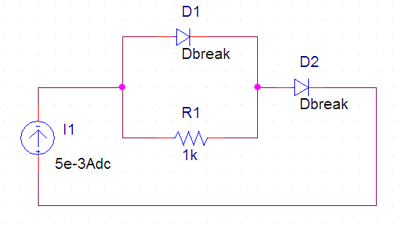
$$v_{D}=ηV_{T}\ln\left(\frac{i_{D}+I_{S}}{I_{S}}\right)$$
I | 5 | -3 | 0.005 | A | V1 will find by iterative change to get iD + iR = I:
 |  |  |  |  | iD | 0.0046606404783
 |  |  |  |  | iR | 0.00033935409277
 |  |  |  |  | I | 0.0049999945711
 |  |  |  |  | vD1 | 0.33935409277 | vD2 | 0.34118149981 | 0.68053559258

 |  |  |  |  |  | looks strange |  | this is correct

DP1.1.10-1.1.11
 | DP1.1.10

$$r_{d}=\frac{ηV_{T}}{i_{D}+I_{S}}≅\frac{ηV_{T}}{i_{D}}$$
 | base | 10x | value
IS | 14.11 | -9 | 1.411E-08 | A | ISRC | 0.011346230359
Eta |  |  | 1.98
Vref |  |  | 0.7 | V | RD | 4.5371840999
VT |  |  | 0.026 | V | Both | 9.0743681998

$$v_{D}=ηV_{T}\ln\left(\frac{i_{D}+I_{S}}{I_{S}}\right)$$
 |  |  |  |  | vref | Diff
I +10% |  |  | 0.012480853395 |  | 0.70490656224 | 0.0049065622364
I -10% |  |  | 0.010211607323 |  | 0.69457604777 | -0.0054239522328

I x2 |  |  | 0.022692460719

 | DP1.1.11
 |  |  |  |  | Current required for shunted diode: | 0.0016264117168
 |  |  |  |  | Current to branch out: | 0.0097198186426
 |  |  |  |  | R | 61.729546822
 |  |  |  |  | Rd | 31.652227328
Vd shunted |  |  | 0.6
 |  |  |  |  | Rout | 25.460727978

P1.1.12-1.1.13
 | P1.1.12

This equation states that for the decade (multiplier of 10) change in current, the diode voltage drop changes by 2,3*Eta*Vt
$$∆v=2,3ηV_{T}\log{\frac{i_{2}}{i_{1}}}$$

Will derive Eta from the condition ∆V = 0,1 V per ten factor:
Eta |  |  | 1.6722408027
VT |  |  | 0.026 | V

V1 |  |  | 0.7
i1 |  |  | 0.001

Find current based on the condition that 5VD + VR = 9V
 |  |  |  | VD | VR | VTotal
iUnknown |  | 0.0017911448806 |  | 0.72531307161 | 5.3734346419 | 9

From there, 5VD is |  |  |  | 3.6265653581

 | P1.1.13

$$v_{D}=ηV_{T}\ln\left(\frac{i_{D}+I_{S}}{I_{S}}\right)$$
VTotal |  |  | 10
IS1 | 1 | -6 | 0.000001
IS2 | 1 | -9 | 0.000000001
Eta |  |  | 2
R |  |  | 1000

 |  |  | VD1 | VD2 | VR | VTotal
iUnknown |  | 0.0086972798558 | 0.4716857895 | 0.83088309145 | 8.6972798558 | 9.9998487367

P1.1.14
$$I_{1}+I_{2}−I_{3}=0$$
$$4+R_{a}I_{1}−RI_{2}−5−R_{a}I_{2}=0$$
$$5+RI_{2}+R_{a}I_{3}−3+R_{a}I_{2}=0$$
We need to figure out what are current directions |  |  |  | From KCL:
For this: | - we remove ideal diode switches |  |  | KVL 1st loop:
 | - we will insert fake resistances |  |  | KVL 2nd loop:
$$\left(\begin{matrix}1 & 1 & −1 \\ R_{a} & −R−R_{a} & 0 \\ 0 & R+R_{a} & R_{a}\end{matrix}\right)\left(\begin{matrix}I_{1} \\ I_{2} \\ I_{3}\end{matrix}\right)=\left(\begin{matrix}0 \\ V_{2}−V_{1} \\ −V_{2}+V_{3}\end{matrix}\right)$$
 |  | (otherwise I1 and I3 would be infinite;
 |  | treat them like voltage source internal resistances) |  | Matrix
Arbitrary choose branch currents and loop directions: |  |  |  | solution
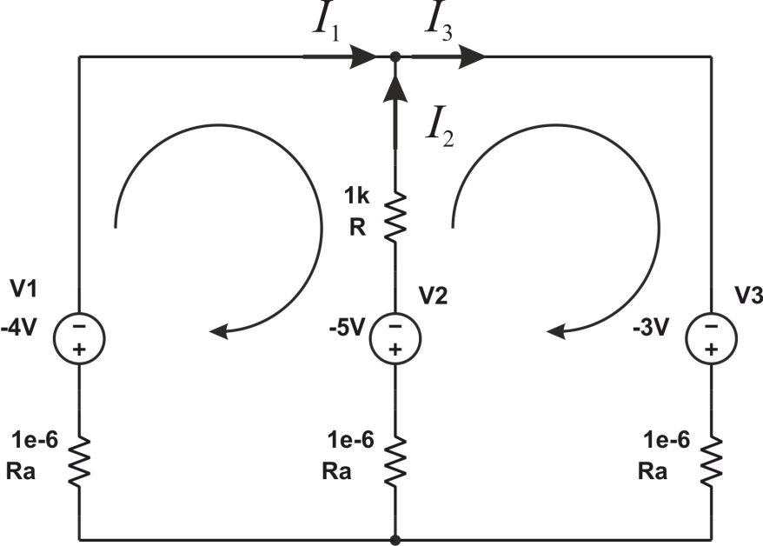

 |  |  | V1 | 4 |  | 1 | 1 | -1 |  | 0
 |  |  | V2 | 5 | A = | 0.000001 | -1000.000001 | 0 |  | 1
 |  |  | V3 | 3 |  | 0 | 1000.000001 | 0.000001 |  | -2

 |  |  | Rn | 1000 |  | 0.49999999975 | 500000.00025 | 499999.99975 | I1 | -5.0000E+05
 |  |  | Ra | 0.000001 | A-1 = | 4.9999999925E-10 | -0.00049999999925 | 0.00049999999925 | I2 | -1.5000E-03
 |  |  |  |  |  | -0.49999999975 | 499999.99975 | 500000.00025 | I3 | -5.0000E+05

Conclusion:
Regardless of resistances, the real current directions are always the same:
Since that, we discard the left branch due to the diode

Лист1
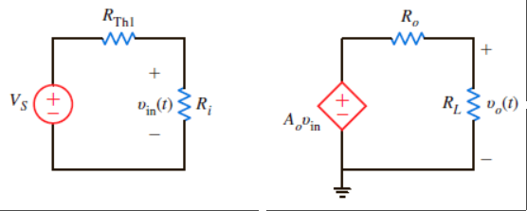

Driving circuit |  |  | Amplifier output
driving circuit voltage source | VS | 20 | amplifier gain |  | A0 | 100
driving circuit resistance | Rth | 2000 | output resistance |  | R0 | 20
 | Vin | 19.96 |  |  | A0Vin | 1996.007984
Amplifier input |  |  | Load
input resistance | Ri | 1.00E+06 | load resistance |  | RL | 10
 |  |  | output voltage |  | V0 | 665.33599468

 |  |  |  |  | Ri | 1.00E+06
 |  | 0.990099012 |  |  | R0 | 20
 |  |  |  |  | A0 | 100

 |  | 0.990099010

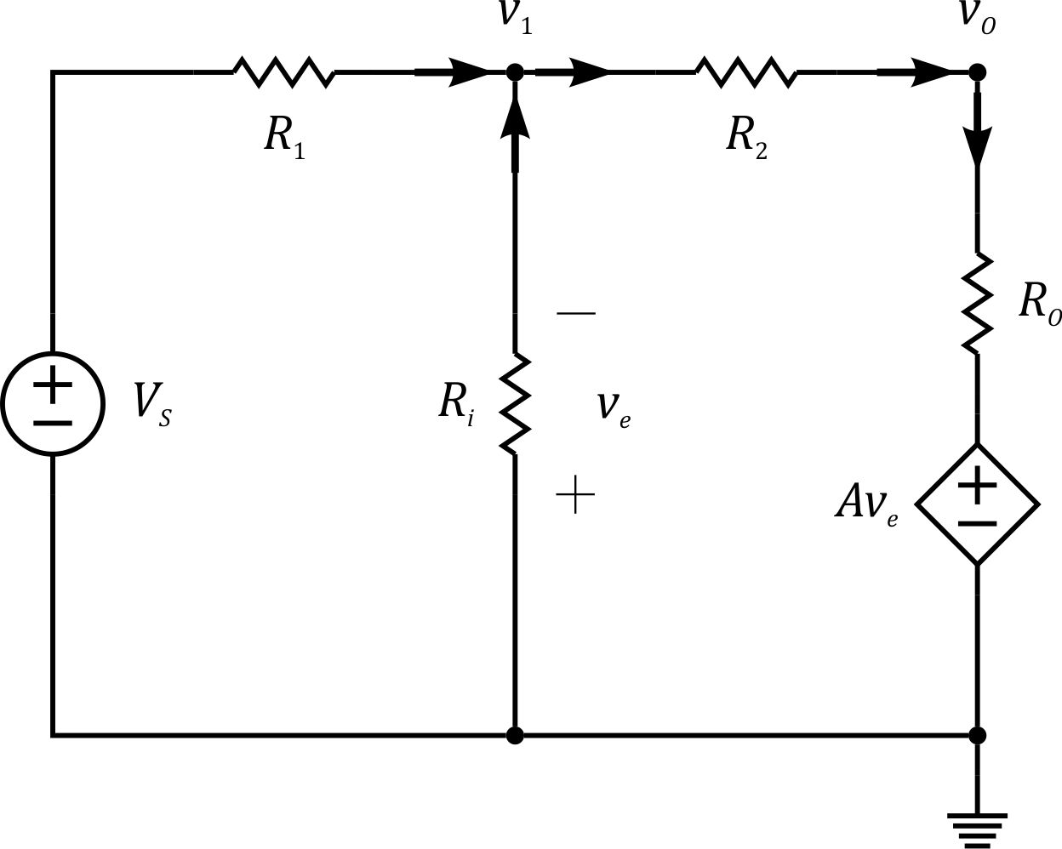

 |  |  |  | Ri | 1.00E+06 |  | R1 | 1000
 |  |  |  | R0 | 20 |  | R2 | 5000
 |  |  |  | VS | 1
 |  |  |  | A | 100 |  |  |  | But for LM324 the output is NOT ideal (not a –5V)

 |  |  |  | -0.0002 | 1.20E-03 |  | 0.001 |  | -4716.1259663 | 1.1309722456 | -4.7161259663
 |  |  |  | 0.0502 | 4.9998 |  | 0 |  | 47.351798774 | 0.18865258476 | 0.047351798774

 |  |  |  | Ri | 1.00E+06 |  | R1 | 1000
 |  |  |  | R0 | 20 |  | RF | 5000
 |  |  |  | VS | 1
 |  |  |  | A | 100
 |  |  |  |  |  |  |  |  |  |  | Real gain | Ideal gain

 |  |  |  | -0.0002 | 1.20E-03 |  | 1.00E-06 |  | -4715.6793745 | 1.1327514958 | 5.6590417998 | 6
 |  |  |  | 0.0502 | 4.9998 |  | 5 |  | 47.347314813 | 0.18863472037 | 0.94322094917
 |  |  |  |  |  |  |  |  |  |  |  | Gain error

 |  |  |  |  |  |  |  | Beta | 0.16666666667 |  |  | -0.056826366707

 |  |  |  |  |  |  |  |  | -0.056603773585

