baseline_fine
relation | relation id | precision | recall | f1-score | support | # train |  | overall | macro avg | weighted avg
adversative-antithesis | 0 | 0.00 | 0.00 | 0 | 61 | 380 | Test Accuracy | 0.5177
adversative-concession | 1 | 0.34 | 0.34 | 0.34 | 90 | 740 | Test Precision | 0.5316 | 0.50 | 0.53
adversative-contrast | 2 | 0.71 | 0.07 | 0.13 | 69 | 421 | Test Recall: | 0.5177 | 0.40 | 0.52
attribution-negative | 3 | 0.60 | 0.30 | 0.4 | 10 | 82 | Test F1-score | 0.4818 | 0.41 | 0.49
attribution-positive | 4 | 0.76 | 0.74 | 0.75 | 179 | 1339
causal-cause | 5 | 0.25 | 0.33 | 0.29 | 63 | 549
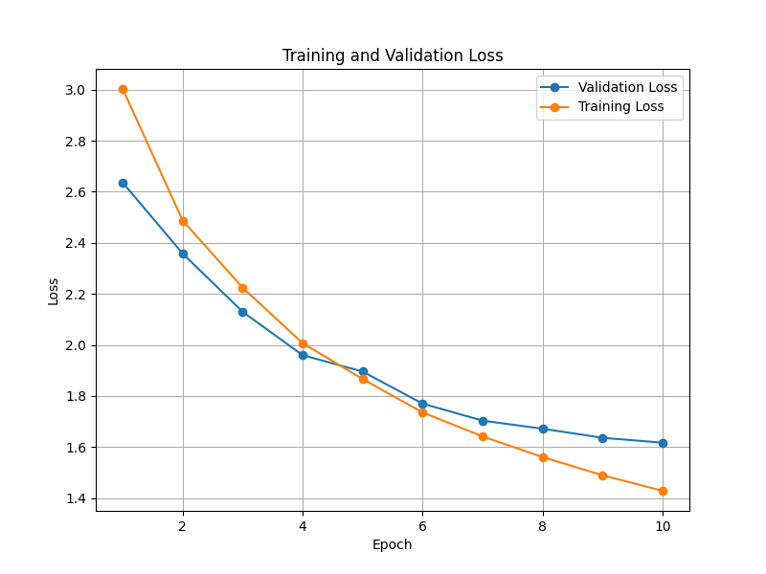
causal-result | 6 | 0.50 | 0.10 | 0.17 | 60 | 405
context-background | 7 | 0.32 | 0.12 | 0.17 | 159 | 1042
context-circumstance | 8 | 0.70 | 0.69 | 0.7 | 129 | 924
contingency-condition | 9 | 0.86 | 0.81 | 0.83 | 68 | 423
elaboration-additional | 10 | 0.30 | 0.69 | 0.42 | 325 | 2246
elaboration-attribute | 11 | 0.74 | 0.91 | 0.82 | 385 | 2132
evaluation-comment | 12 | 0.30 | 0.23 | 0.26 | 140 | 904
explanation-evidence | 13 | 1.00 | 0.24 | 0.39 | 115 | 662
explanation-justify | 14 | 0.25 | 0.04 | 0.07 | 77 | 477
explanation-motivation | 15 | 0.00 | 0.00 | 0 | 25 | 222
joint-disjunction | 16 | 0.92 | 0.48 | 0.63 | 25 | 177
joint-list | 17 | 0.54 | 0.59 | 0.56 | 338 | 2062
joint-other | 18 | 0.35 | 0.39 | 0.37 | 147 | 1125
joint-sequence | 19 | 0.51 | 0.71 | 0.59 | 151 | 1169
mode-manner | 20 | 0.40 | 0.15 | 0.22 | 39 | 255
mode-means | 21 | 0.75 | 0.72 | 0.73 | 25 | 152
organization-heading | 22 | 0.55 | 0.42 | 0.48 | 50 | 369
organization-phatic | 23 | 0.60 | 0.72 | 0.65 | 64 | 688
organization-preparation | 24 | 0.40 | 0.29 | 0.34 | 99 | 658
purpose-attribute | 25 | 0.40 | 0.50 | 0.45 | 46 | 288
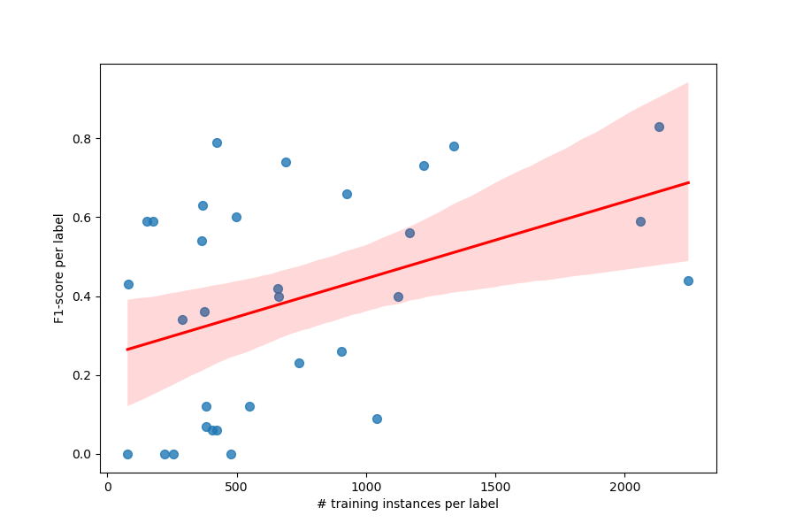
purpose-goal | 26 | 0.59 | 0.49 | 0.53 | 80 | 499
restatement-partial | 27 | 0.43 | 0.17 | 0.24 | 35 | 380
restatement-repetition | 28 | 0.58 | 0.23 | 0.33 | 31 | 376
same-unit | 29 | 0.79 | 0.71 | 0.75 | 167 | 1222
topic-question | 30 | 0.60 | 0.51 | 0.55 | 41 | 365
topic-solutionhood | 31 | 0.00 | 0.00 | 0 | 8 | 78
 |  |  |  |  | 3301 | 22811

 | acc
cluster0 | 0.5317 | 0.5160 | 0.5317 | 0.5039 | 442
cluster1 | 0.5347 | 0.5487 | 0.5347 | 0.5055 | 1339
cluster2 | 0.4676 | 0.4217 | 0.4676 | 0.4337 | 340
cluster3 | 0.4234 | 0.4125 | 0.4234 | 0.3939 | 959
cluster4 | 0.5294 | 0.5658 | 0.5294 | 0.4921 | 211

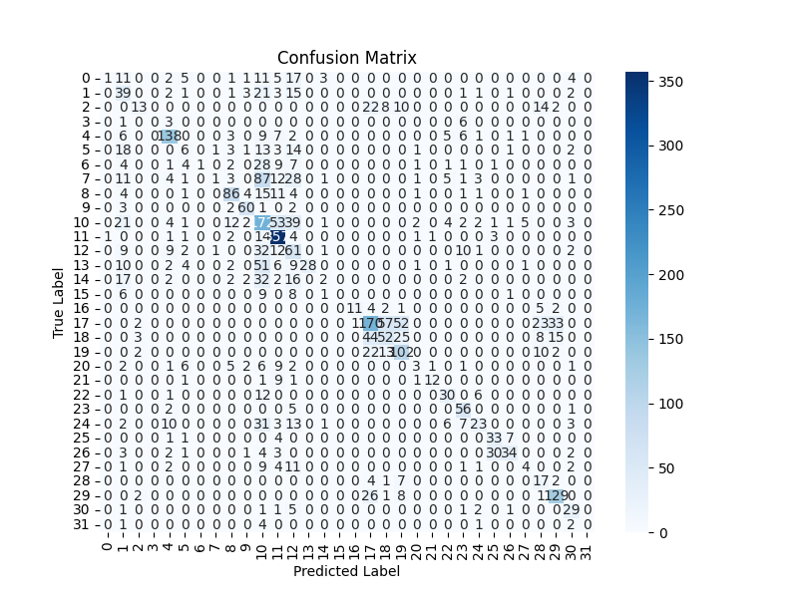
 |  |  |  |  |  |  | Pearson corr | 0.4138

baseline_coarse
relation | relation id | precision | recall | f1-score | support | # train |  | overall | macro avg | weighted avg
adversative | 0 | 0.44 | 0.30 | 0.35 | 220 | 1541 | Test Accuracy | 0.6480
attribution | 1 | 0.76 | 0.76 | 0.76 | 189 | 1421 | Test Precision | 0.6256 | 0.59 | 0.63
causal | 2 | 0.32 | 0.27 | 0.29 | 123 | 954 | Test Recall: | 0.6480 | 0.54 | 0.65
context | 3 | 0.54 | 0.46 | 0.5 | 288 | 1966 | Test F1-score | 0.6273 | 0.56 | 0.63
contingency | 4 | 0.82 | 0.82 | 0.82 | 68 | 423
elaboration | 5 | 0.59 | 0.79 | 0.68 | 710 | 4378
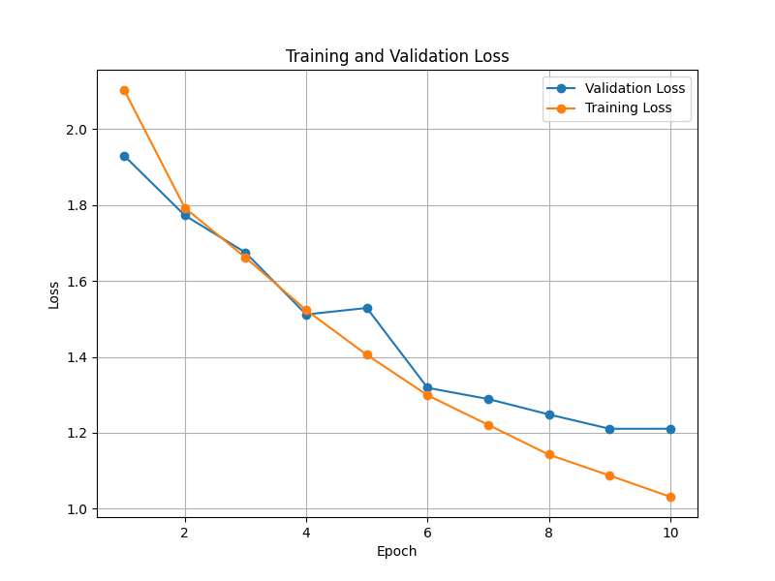
evaluation | 6 | 0.27 | 0.20 | 0.23 | 140 | 904
explanation | 7 | 0.48 | 0.27 | 0.35 | 217 | 1361
joint | 8 | 0.83 | 0.95 | 0.89 | 661 | 4533
mode | 9 | 0.55 | 0.33 | 0.41 | 64 | 407
organization | 10 | 0.60 | 0.66 | 0.63 | 213 | 1715
purpose | 11 | 0.90 | 0.88 | 0.89 | 126 | 787
restatement | 12 | 0.32 | 0.09 | 0.14 | 66 | 756
same-unit | 13 | 0.80 | 0.72 | 0.76 | 167 | 1222
topic | 14 | 0.69 | 0.59 | 0.64 | 49 | 443
 |  |  |  |  | 3301 | 22811

 | acc
cluster0 | 0.6900 | 0.6709 | 0.6900 | 0.6670 | 442
cluster1 | 0.6968 | 0.6903 | 0.6968 | 0.6811 | 1339
cluster2 | 0.5412 | 0.5397 | 0.5412 | 0.5167 | 340
cluster3 | 0.5819 | 0.5575 | 0.5819 | 0.5630 | 959
cluster4 | 0.7376 | 0.7542 | 0.7376 | 0.7332 | 211

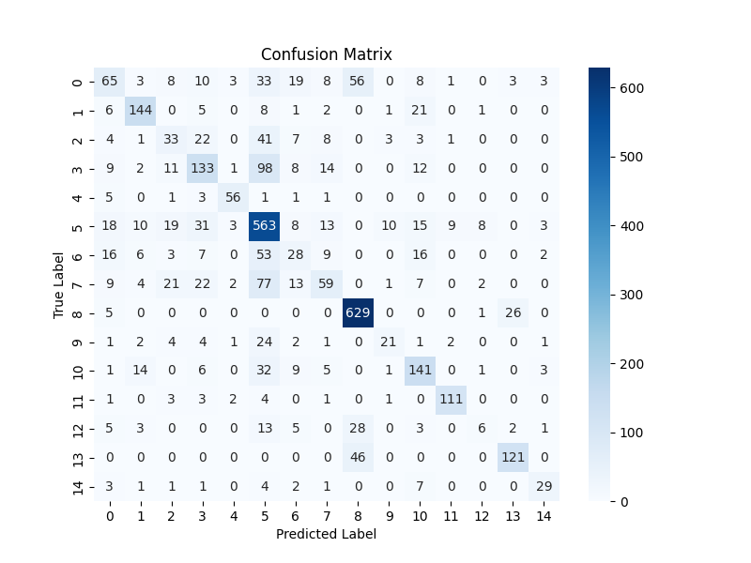

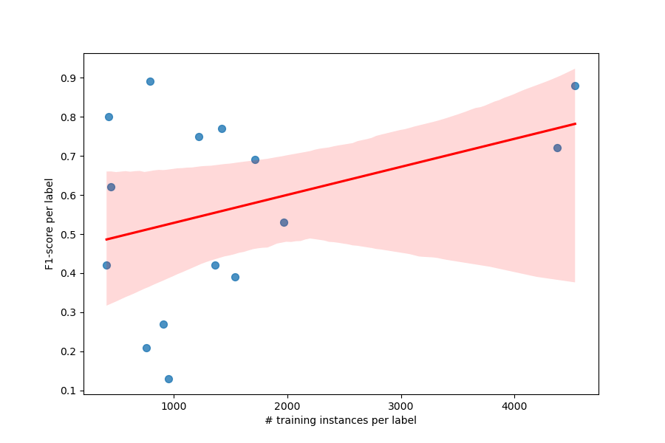

 |  |  |  |  |  |  | Pearson corr | 0.3718

T5_fine
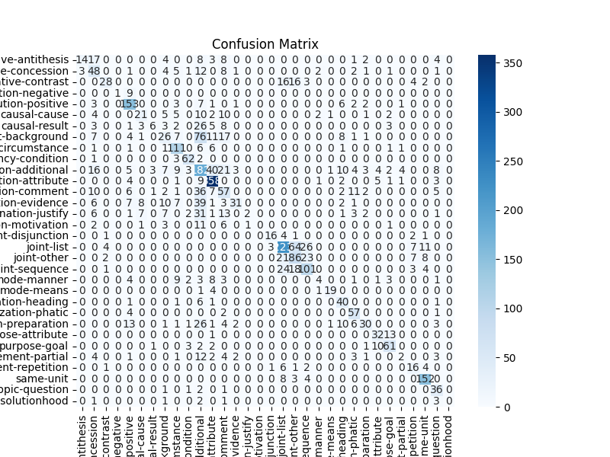
relation | relation id | precision | recall | f1-score | support | # train |  | overall | macro avg | weighted avg
adversative-antithesis | 0 | 0.92 | 0.26 | 0.40 | 61 | 380 | Test Accuracy | 0.6244
adversative-concession | 1 | 0.35 | 0.62 | 0.45 | 90 | 740 | Test Precision | 0.6251 | 0.60 | 0.63
adversative-contrast | 2 | 0.70 | 0.38 | 0.49 | 69 | 421 | Test Recall: | 0.6244 | 0.54 | 0.62
attribution-negative | 3 | 0.86 | 0.67 | 0.75 | 10 | 82 | Test F1-score | 0.6008 | 0.54 | 0.50
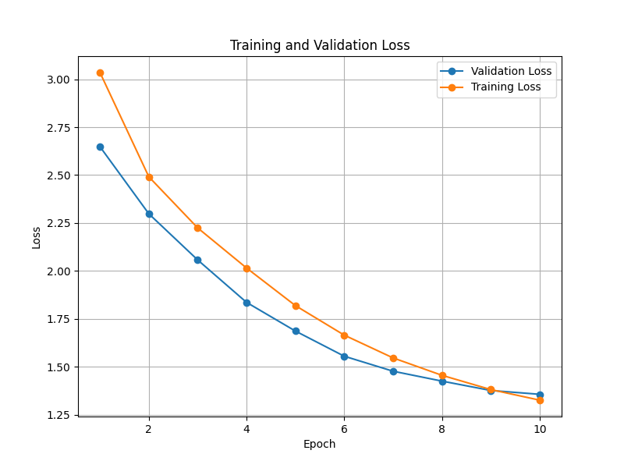
attribution-positive | 4 | 0.76 | 0.87 | 0.81 | 179 | 1339
causal-cause | 5 | 0.52 | 0.44 | 0.48 | 63 | 549
causal-result | 6 | 0.73 | 0.15 | 0.25 | 60 | 405
context-background | 7 | 0.38 | 0.16 | 0.22 | 159 | 1042
context-circumstance | 8 | 0.63 | 0.86 | 0.73 | 129 | 924
contingency-condition | 9 | 0.81 | 0.89 | 0.84 | 68 | 423
elaboration-additional | 10 | 0.40 | 0.59 | 0.48 | 325 | 2246
elaboration-attribute | 11 | 0.81 | 0.94 | 0.87 | 385 | 2132
evaluation-comment | 12 | 0.36 | 0.42 | 0.39 | 140 | 904
explanation-evidence | 13 | 0.94 | 0.34 | 0.50 | 115 | 662
explanation-justify | 14 | 0.00 | 0.00 | 0.00 | 77 | 477
explanation-motivation | 15 | 0.00 | 0.00 | 0.00 | 25 | 222
joint-disjunction | 16 | 0.75 | 0.60 | 0.67 | 25 | 177
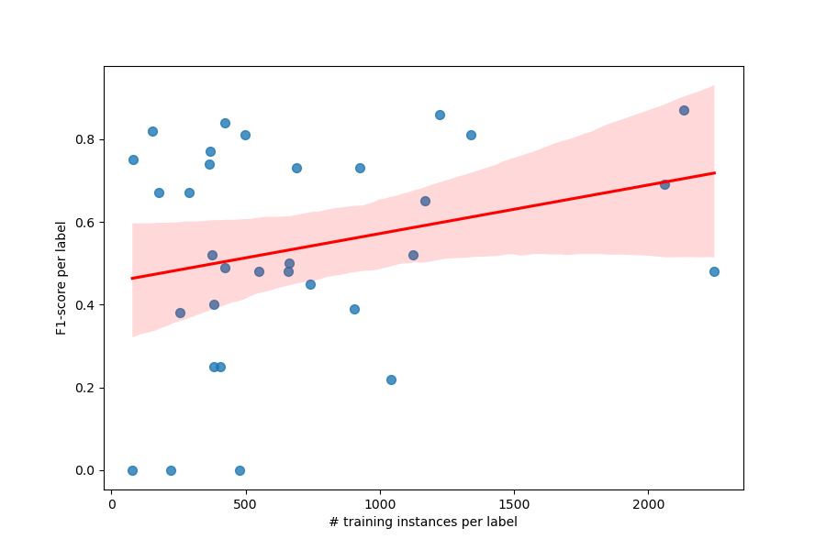
joint-list | 17 | 0.68 | 0.71 | 0.69 | 338 | 2062
joint-other | 18 | 0.50 | 0.55 | 0.52 | 147 | 1125
joint-sequence | 19 | 0.70 | 0.62 | 0.65 | 151 | 1169
mode-manner | 20 | 0.64 | 0.27 | 0.38 | 39 | 255
mode-means | 21 | 0.84 | 0.80 | 0.82 | 25 | 152
organization-heading | 22 | 0.72 | 0.83 | 0.77 | 50 | 369
organization-phatic | 23 | 0.61 | 0.92 | 0.73 | 64 | 688
organization-preparation | 24 | 0.78 | 0.35 | 0.48 | 99 | 658
purpose-attribute | 25 | 0.79 | 0.57 | 0.67 | 46 | 288
purpose-goal | 26 | 0.75 | 0.88 | 0.81 | 80 | 499
restatement-partial | 27 | 0.38 | 0.19 | 0.25 | 35 | 380
restatement-repetition | 28 | 0.48 | 0.56 | 0.52 | 31 | 376
same-unit | 29 | 0.80 | 0.92 | 0.86 | 167 | 1222
topic-question | 30 | 0.64 | 0.90 | 0.74 | 41 | 365
topic-solutionhood | 31 | 0.00 | 0.00 | 0.00 | 8 | 78
 |  |  |  |  | 3301 | 22811
 | acc
cluster0 | 0.6357 | 0.6283 | 0.6357 | 0.6179 | 442 |  | Pearson corr | 0.2650
cluster1 | 0.6527 | 0.6611 | 0.6527 | 0.6365 | 1339
cluster2 | 0.5471 | 0.5278 | 0.5471 | 0.6073 | 340
cluster3 | 0.5714 | 0.5825 | 0.5714 | 0.5454 | 959
cluster4 | 0.6244 | 0.6404 | 0.6244 | 0.5974 | 211

T5_fine_b4
relation | relation id | precision | recall | f1-score | support | # train |  | overall | macro avg | weighted avg
adversative-antithesis | 0 | 0.55 | 0.38 | 0.45 | 61 | 380 | Test Accuracy | 0.62
adversative-concession | 1 | 0.33 | 0.63 | 0.43 | 90 | 740 | Test Precision | 0.60 | 0.56 | 0.61
adversative-contrast | 2 | 0.70 | 0.43 | 0.54 | 69 | 421 | Test Recall: | 0.62 | 0.55 | 0.62
attribution-negative | 3 | 0.70 | 0.70 | 0.70 | 10 | 82 | Test F1-score | 0.60 | 0.55 | 0.60
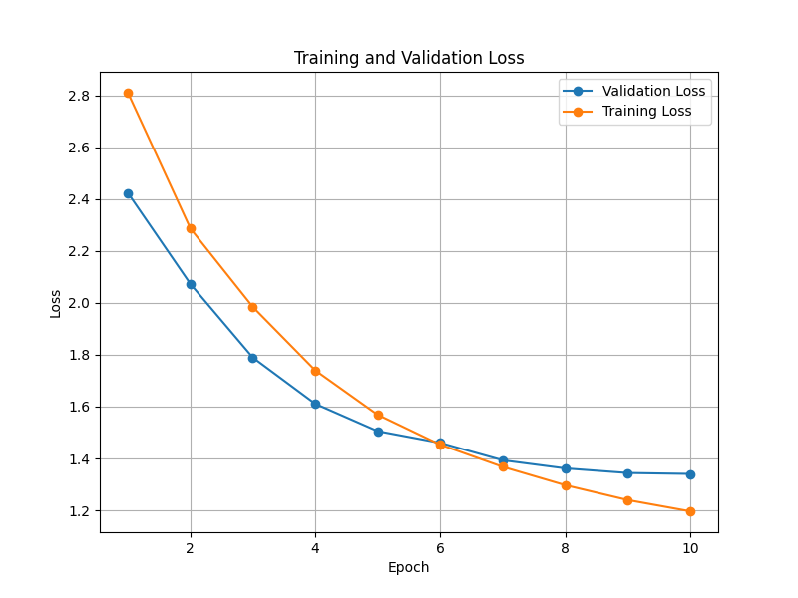
attribution-positive | 4 | 0.79 | 0.84 | 0.81 | 179 | 1339
causal-cause | 5 | 0.44 | 0.43 | 0.43 | 63 | 549
causal-result | 6 | 0.43 | 0.27 | 0.33 | 60 | 405
context-background | 7 | 0.30 | 0.23 | 0.26 | 159 | 1042
context-circumstance | 8 | 0.70 | 0.82 | 0.76 | 129 | 924
contingency-condition | 9 | 0.81 | 0.94 | 0.87 | 68 | 423
elaboration-additional | 10 | 0.38 | 0.48 | 0.43 | 325 | 2246
elaboration-attribute | 11 | 0.82 | 0.94 | 0.87 | 385 | 2132
evaluation-comment | 12 | 0.41 | 0.36 | 0.38 | 140 | 904
explanation-evidence | 13 | 0.76 | 0.30 | 0.42 | 115 | 662
explanation-justify | 14 | 0.00 | 0.00 | 0.00 | 77 | 477
explanation-motivation | 15 | 0.00 | 0.00 | 0.00 | 25 | 222
joint-disjunction | 16 | 0.84 | 0.64 | 0.73 | 25 | 177
joint-list | 17 | 0.69 | 0.74 | 0.71 | 338 | 2062
joint-other | 18 | 0.51 | 0.59 | 0.55 | 147 | 1125
joint-sequence | 19 | 0.72 | 0.59 | 0.65 | 151 | 1169
mode-manner | 20 | 0.44 | 0.46 | 0.45 | 39 | 255
mode-means | 21 | 0.86 | 0.76 | 0.81 | 25 | 152
organization-heading | 22 | 0.62 | 0.70 | 0.66 | 50 | 369
organization-phatic | 23 | 0.65 | 0.94 | 0.76 | 64 | 688
organization-preparation | 24 | 0.63 | 0.39 | 0.48 | 99 | 658
purpose-attribute | 25 | 0.81 | 0.83 | 0.82 | 46 | 288
purpose-goal | 26 | 0.85 | 0.84 | 0.84 | 80 | 499
restatement-partial | 27 | 0.35 | 0.17 | 0.23 | 35 | 380
restatement-repetition | 28 | 0.52 | 0.45 | 0.48 | 31 | 376
same-unit | 29 | 0.86 | 0.92 | 0.89 | 167 | 1222
topic-question | 30 | 0.61 | 0.85 | 0.71 | 41 | 365
topic-solutionhood | 31 | 0.00 | 0.00 | 0.00 | 8 | 78
 |  |  |  |  |  | 22811

T5_coarse
relation | relation id | precision | recall | f1-score | support | # train |  | overall | macro avg | weighted avg
adversative | 0 | 0.61 | 0.54 | 0.57 | 220 | 1541 | Test Accuracy | 0.7116
attribution | 1 | 0.80 | 0.85 | 0.82 | 189 | 1421 | Test Precision | 0.7002 | 0.67 | 0.70
causal | 2 | 0.46 | 0.54 | 0.50 | 123 | 954 | Test Recall: | 0.7116 | 0.65 | 0.71
context | 3 | 0.57 | 0.53 | 0.55 | 288 | 1966 | Test F1-score | 0.6998 | 0.65 | 0.70
contingency | 4 | 0.85 | 0.90 | 0.87 | 68 | 423
elaboration | 5 | 0.68 | 0.80 | 0.74 | 710 | 4378
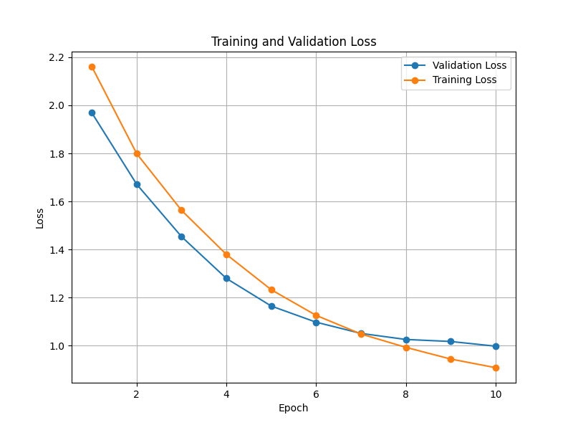
evaluation | 6 | 0.35 | 0.34 | 0.34 | 140 | 904
explanation | 7 | 0.46 | 0.21 | 0.29 | 217 | 1361
joint | 8 | 0.90 | 0.94 | 0.92 | 661 | 4533
mode | 9 | 0.75 | 0.52 | 0.61 | 64 | 407
organization | 10 | 0.67 | 0.69 | 0.68 | 213 | 1715
purpose | 11 | 0.92 | 0.91 | 0.92 | 126 | 787
restatement | 12 | 0.57 | 0.30 | 0.40 | 66 | 756
same-unit | 13 | 0.87 | 0.90 | 0.89 | 167 | 1222
topic | 14 | 0.58 | 0.80 | 0.67 | 49 | 443
 |  |  |  |  | 3301 | 22811

cluster0 | 0.6991 | 0.7101 | 0.6991 | 0.6947 | 442
cluster1 | 0.7498 | 0.7467 | 0.7498 | 0.7449 | 1339
cluster2 | 0.5882 | 0.5874 | 0.5882 | 0.5676 | 340
cluster3 | 0.6684 | 0.6514 | 0.6684 | 0.6563 | 959
cluster4 | 0.8009 | 0.8171 | 0.8009 | 0.8039 | 221

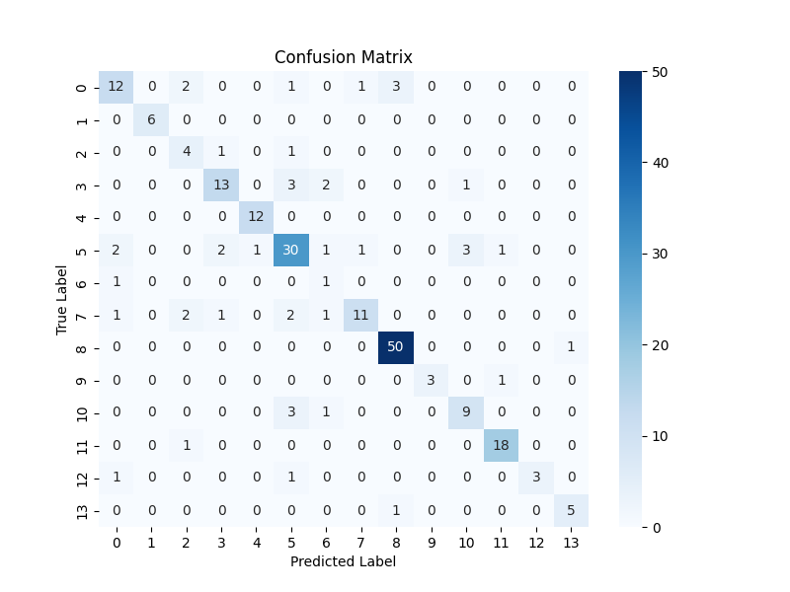

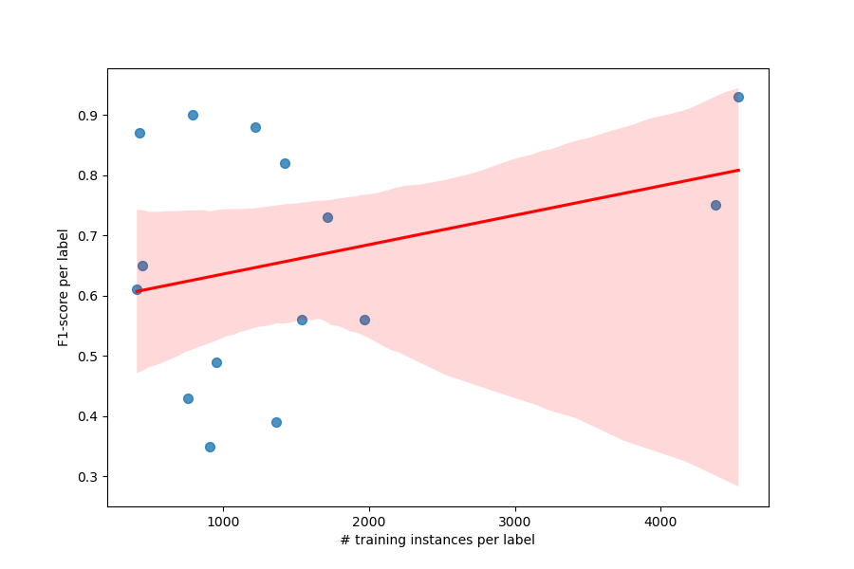

 |  |  |  |  |  |  | Pearson corr | 0.3197

