Chart List
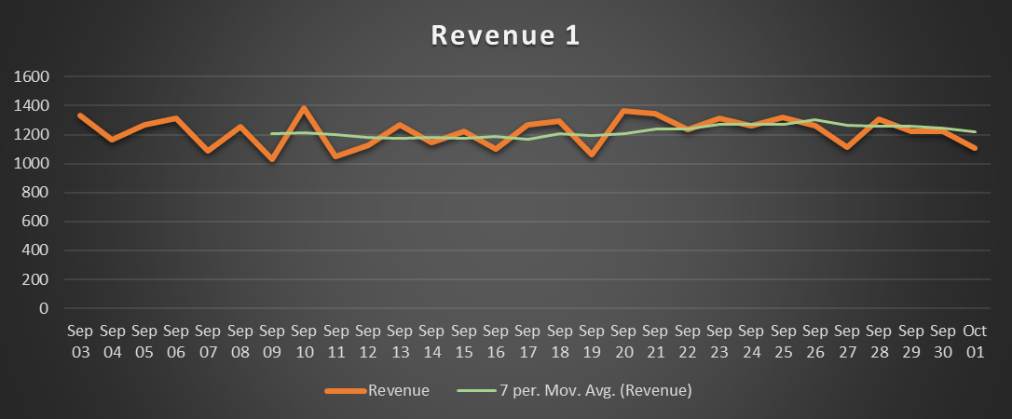
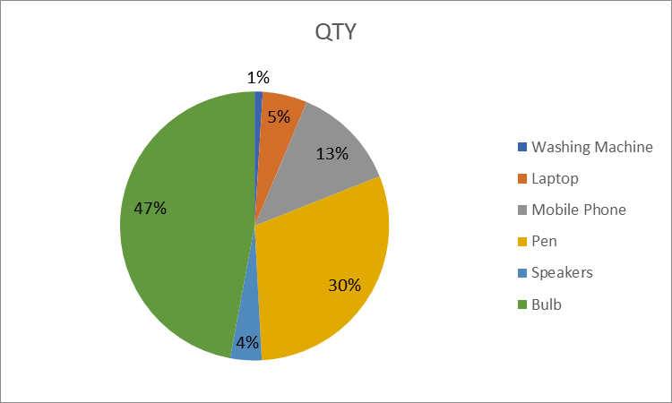
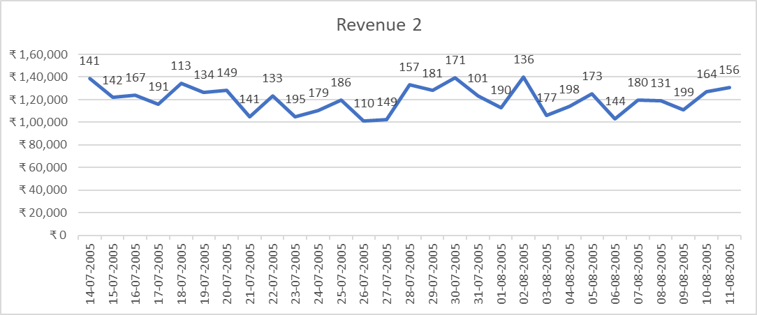
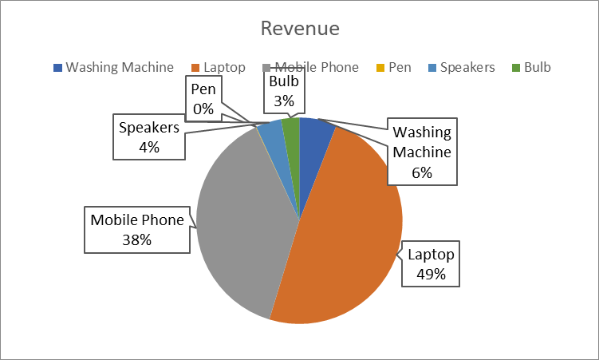
Line charts | Pie Charts

Combo Chart Sheet
Revenue and QTY
 | Revenue 4 | Qty
6/11/2005 | 1303419 | 123
6/12/2005 | 1368177 | 284
6/13/2005 | 1123413 | 172
6/14/2005 | 1291591 | 145
6/15/2005 | 1083560 | 138
6/16/2005 | 1121314 | 234
6/17/2005 | 1186701 | 287
6/18/2005 | 1098871 | 210
6/19/2005 | 1092795 | 154
6/20/2005 | 1216522 | 101
6/21/2005 | 1027508 | 105
6/22/2005 | 1263669 | 290
6/23/2005 | 1278680 | 213
6/24/2005 | 1352527 | 143
6/25/2005 | 1162771 | 257
6/26/2005 | 1173180 | 192
6/27/2005 | 1163031 | 196
6/28/2005 | 1222184 | 199
6/29/2005 | 1379700 | 219
6/30/2005 | 1260224 | 276
7/1/2005 | 1220900 | 159
7/2/2005 | 1027203 | 203
7/3/2005 | 1311714 | 138
7/4/2005 | 1076684 | 206
7/5/2005 | 1035058 | 124
7/6/2005 | 1147605 | 217
7/7/2005 | 1091289 | 167
7/8/2005 | 1104225 | 299
7/9/2005 | 1013751 | 254

answer sheets
 | Revenue
2006-09-03 | 1332
2006-09-04 | 1165
2006-09-05 | 1268
2006-09-06 | 1316
2006-09-07 | 1088
2006-09-08 | 1255
2006-09-09 | 1033
2006-09-10 | 1384
2006-09-11 | 1048
2006-09-12 | 1127
2006-09-13 | 1266
2006-09-14 | 1147
2006-09-15 | 1225
2006-09-16 | 1101
2006-09-17 | 1266
2006-09-18 | 1296
2006-09-19 | 1059
2006-09-20 | 1367
2006-09-21 | 1344
2006-09-22 | 1234
2006-09-23 | 1314
2006-09-24 | 1263
2006-09-25 | 1317
2006-09-26 | 1264
2006-09-27 | 1115
2006-09-28 | 1304
2006-09-29 | 1220
2006-09-30 | 1225
2006-10-01 | 1105
 | QTY
Washing Machine | 331
Laptop | 1821
Mobile Phone | 4291
Pen | 10230
Speakers | 1283
Bulb | 15972
Combo chart-1
 | Revenue 4 | Qty
6/11/2005 | 1303419 | 123
6/12/2005 | 1368177 | 284
6/13/2005 | 1123413 | 172
6/14/2005 | 1291591 | 145
6/15/2005 | 1083560 | 138
6/16/2005 | 1121314 | 234
6/17/2005 | 1186701 | 287
6/18/2005 | 1098871 | 210
6/19/2005 | 1092795 | 154
6/20/2005 | 1216522 | 101
6/21/2005 | 1027508 | 105
6/22/2005 | 1263669 | 290
6/23/2005 | 1278680 | 213
6/24/2005 | 1352527 | 143
6/25/2005 | 1162771 | 257
6/26/2005 | 1173180 | 192
6/27/2005 | 1163031 | 196
6/28/2005 | 1222184 | 199
6/29/2005 | 1379700 | 219
6/30/2005 | 1260224 | 276
7/1/2005 | 1220900 | 159
7/2/2005 | 1027203 | 203
7/3/2005 | 1311714 | 138
7/4/2005 | 1076684 | 206
7/5/2005 | 1035058 | 124
7/6/2005 | 1147605 | 217
7/7/2005 | 1091289 | 167
7/8/2005 | 1104225 | 299
7/9/2005 | 1013751 | 254

Revenue 2
 | Revenue 2 | Data Labels
7/14/2005 | ₹ 138,576 | 141
7/15/2005 | ₹ 121,831 | 142
7/16/2005 | ₹ 123,963 | 167
7/17/2005 | ₹ 116,021 | 191
7/18/2005 | ₹ 134,565 | 113
7/19/2005 | ₹ 126,362 | 134
7/20/2005 | ₹ 128,405 | 149
7/21/2005 | ₹ 105,143 | 141
7/22/2005 | ₹ 123,349 | 133
7/23/2005 | ₹ 104,705 | 195
7/24/2005 | ₹ 110,691 | 179
7/25/2005 | ₹ 119,971 | 186
7/26/2005 | ₹ 101,178 | 110
7/27/2005 | ₹ 102,175 | 149
7/28/2005 | ₹ 133,281 | 157
7/29/2005 | ₹ 128,002 | 181
7/30/2005 | ₹ 139,623 | 171
7/31/2005 | ₹ 123,532 | 101
8/1/2005 | ₹ 113,162 | 190
8/2/2005 | ₹ 139,893 | 136
8/3/2005 | ₹ 106,341 | 177
8/4/2005 | ₹ 113,834 | 198
8/5/2005 | ₹ 125,406 | 173
8/6/2005 | ₹ 102,855 | 144
8/7/2005 | ₹ 119,915 | 180
8/8/2005 | ₹ 119,062 | 131
8/9/2005 | ₹ 111,354 | 199
8/10/2005 | ₹ 126,884 | 164
8/11/2005 | ₹ 130,659 | 156
 | Revenue
Washing Machine | 6620000
Laptop | 54630000
Mobile Phone | 42910000
Pen | 102300
Speakers | 4490500
Bulb | 3194400
Revenue and QTY
 | Revenue 4 | Qty
6/11/2005 | 1303419 | 123
6/12/2005 | 1368177 | 284
6/13/2005 | 1123413 | 172
6/14/2005 | 1291591 | 145
6/15/2005 | 1083560 | 138
6/16/2005 | 1121314 | 234
6/17/2005 | 1186701 | 287
6/18/2005 | 1098871 | 210
6/19/2005 | 1092795 | 154
6/20/2005 | 1216522 | 101
6/21/2005 | 1027508 | 105
6/22/2005 | 1263669 | 290
6/23/2005 | 1278680 | 213
6/24/2005 | 1352527 | 143
6/25/2005 | 1162771 | 257
6/26/2005 | 1173180 | 192
6/27/2005 | 1163031 | 196
6/28/2005 | 1222184 | 199
6/29/2005 | 1379700 | 219
6/30/2005 | 1260224 | 276
7/1/2005 | 1220900 | 159
7/2/2005 | 1027203 | 203
7/3/2005 | 1311714 | 138
7/4/2005 | 1076684 | 206
7/5/2005 | 1035058 | 124
7/6/2005 | 1147605 | 217
7/7/2005 | 1091289 | 167
7/8/2005 | 1104225 | 299
7/9/2005 | 1013751 | 254

