Sheet4
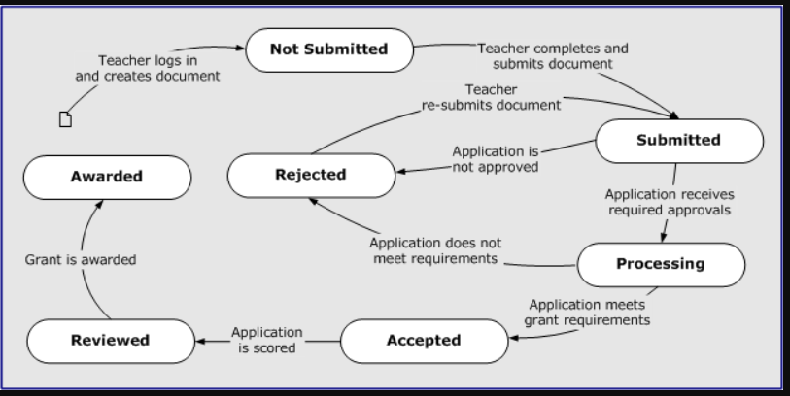
Name | College | Employee Code
Alla Laasya Priya | VNRVJIET | 85010869

State Transition Technique

Scenario 1 : Cash Withdrawal using Card

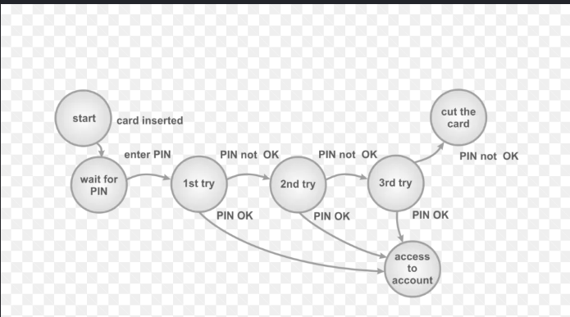

Scenario 2 : Cart functionality in various websites

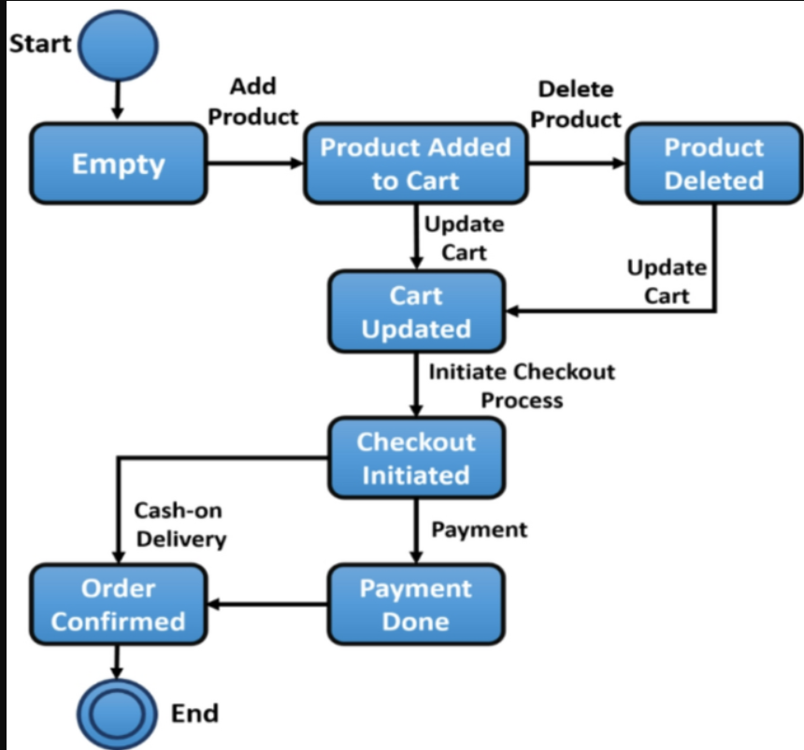

Scenario 3 : Working of a Vending Machine

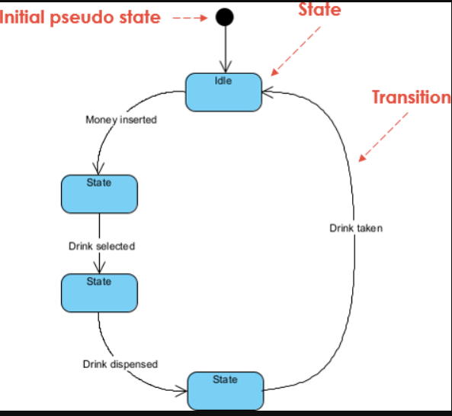

Scenario 4 : Lifecycle of a Bank Account

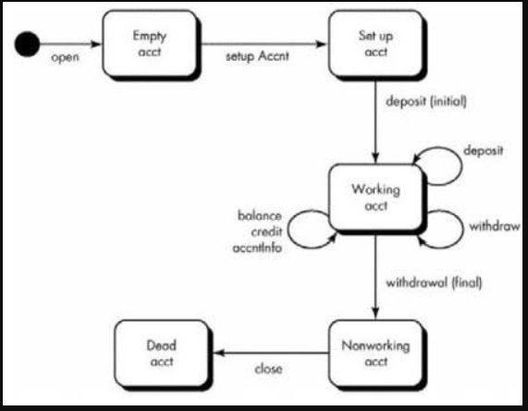

Scenario 5 : Grant Application Submission and Approval Lifecycle

