NOTES
Screening SULFANILAMIDE

Collection version: EUROSCARF 2003
Collection Background: BY4742 (MATalpha his3Δ1 leu2Δ0 lys2Δ0 ura3Δ0)
Media: Synthetic Minimal Media +URA+LEU+HIS+LYS
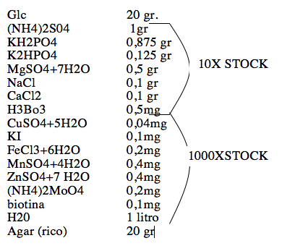

Screening with SULFA 0,1 mg/ml: OD readings at 77 and 120h |  | Col. O-R

Re-Screening Selected Strains (Master Plates) with: SULFA 0,05/0,2/0,2 mg/ml at 77h and 120h

 | SULFA 0,05/0,1/0,2 mg/ml at 77h and 120h | Col. Z-AC | Col. AD-AG
 | SULFA 0,1 mg/ml + PABA 2 µg/ml at 77h and 122h | Col. AH-AK | Col. AL-AO

