Plan 4
The REVIGO Tree analysis of the over-represented GO terms
obtained with DAVID (GO terms with a P-value< 0.05).
Term | PValue
GO:0016192 | 1.2409426734E-09
GO:0005794 | 1.409514187E-07
GO:0048193 | 1.3131993668E-06
GO:0048193 | 1.3131993668E-06
GO:0006892 | 0.00011061916262
GO:0044431 | 0.00013289754487
GO:0007034 | 0.00046280442447
GO:0015031 | 0.00053939945121
GO:0016044 | 0.00073308461611
GO:0046907 | 0.00073978608266
GO:0045184 | 0.00085676761189
GO:0008104 | 0.0011029149475
GO:0006896 | 0.0017603206351
GO:0006896 | 0.0017603206351
GO:0006886 | 0.0035782022497
GO:0005783 | 0.0038412038053
GO:0034613 | 0.005669201129
GO:0030123 | 0.0060036242428
GO:0070727 | 0.0084295388973
GO:0006897 | 0.011020419574
GO:0006623 | 0.017571949062
GO:0043254 | 0.02179593394
GO:0045332 | 0.025448911424
GO:0010324 | 0.030610119801
GO:0030832 | 0.032036279375
GO:0030833 | 0.032036279375
GO:0008064 | 0.032036279375
GO:0032271 | 0.032036279375
GO:0034204 | 0.032036279375
GO:0004012 | 0.034208782568
GO:0015247 | 0.034208782568
GO:0048610 | 0.048586811565
GO:0042175 | 0.051375683616
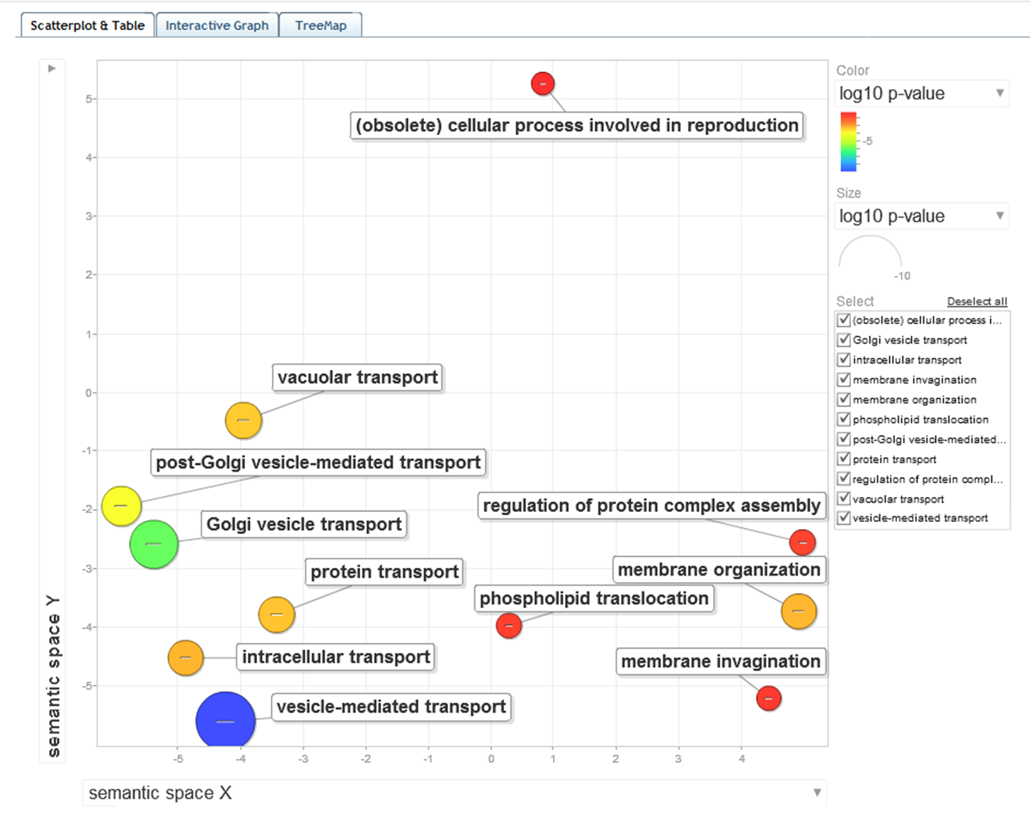
GO:0032970 | 0.055146526189
GO:0032956 | 0.055146526189
GO:0022413 | 0.05671676848
GO:0031410 | 0.056975544155
GO:0044087 | 0.059768423466
GO:0031982 | 0.065826297419
GO:0030437 | 0.071248725524
GO:0034293 | 0.071248725524
GO:0043935 | 0.071248725524
GO:0051327 | 0.072084743234
GO:0007126 | 0.072084743234
GO:0015914 | 0.072928586254
GO:0033043 | 0.075319801686
GO:0033043 | 0.075319801686
GO:0040007 | 0.076168766547
GO:0044432 | 0.082891073904
GO:0006605 | 0.083061417275
GO:0051321 | 0.085195390686
GO:0005548 | 0.087627682339
GO:0032507 | 0.10169920995
GO:0030119 | 0.10342244303
GO:0009101 | 0.10582754673
GO:0045185 | 0.10844756918
GO:0009100 | 0.11020364966
GO:0044439 | 0.11682724127
GO:0044438 | 0.11682724127
GO:0051651 | 0.12244521916
GO:0000151 | 0.12318569792
GO:0010638 | 0.12359609584
GO:0005938 | 0.13933321298
GO:0045727 | 0.14570346726
GO:0051235 | 0.15224479644
GO:0000267 | 0.15395300014
GO:0005319 | 0.15426596704
GO:0030447 | 0.15639248027
GO:0042546 | 0.15851904461
GO:0015629 | 0.16112863419
GO:0005789 | 0.16165865153
GO:0030435 | 0.17098718872
GO:0043934 | 0.17098718872
GO:0032535 | 0.17505606817
GO:0032535 | 0.17505606817
GO:0000741 | 0.18018526318
GO:0006696 | 0.18018526318
GO:0016129 | 0.18018526318
GO:0032505 | 0.18130973086
GO:0048284 | 0.18175391472
GO:0016125 | 0.18406746754
GO:0016410 | 0.18915330844
GO:0006887 | 0.20059555487
GO:0007131 | 0.20059555487
GO:0016128 | 0.20379753526
GO:0008204 | 0.20379753526
GO:0005778 | 0.20558934555
GO:0031903 | 0.20558934555
GO:0006486 | 0.20828935129
GO:0043413 | 0.20828935129
GO:0070085 | 0.20828935129
GO:0006944 | 0.20828935129
GO:0008202 | 0.20898955592
GO:0042144 | 0.2157323969
GO:0003006 | 0.21814030202
GO:0008092 | 0.21915868886
GO:0005624 | 0.2235851098
GO:0005626 | 0.2235851098
GO:0042763 | 0.22968577148
GO:0042764 | 0.22968577148
GO:0005628 | 0.22968577148
GO:0032940 | 0.24327650768
GO:0046903 | 0.24327650768
GO:0043414 | 0.24327650768
GO:0009272 | 0.24327650768
GO:0042274 | 0.24327650768
GO:0022627 | 0.24593716927
GO:0032259 | 0.25199382269
GO:0012505 | 0.25588588782
GO:0030479 | 0.27242330087
GO:0051130 | 0.27603055635
GO:0032270 | 0.27603055635
GO:0000279 | 0.28258065766
GO:0051247 | 0.28811393304
GO:0031669 | 0.2961501537
GO:0016126 | 0.30017560737
GO:0006694 | 0.30017560737
GO:0007117 | 0.30017560737
GO:0048590 | 0.30017560737
GO:0031988 | 0.31029569558
GO:0016023 | 0.31029569558
GO:0006644 | 0.31248094817
GO:0031668 | 0.31397308908
GO:0000329 | 0.31902866175
GO:0000726 | 0.33612303333
GO:0019637 | 0.33819018013
GO:0006302 | 0.34074833632
GO:0042579 | 0.34408893041
GO:0005777 | 0.34408893041
GO:0033279 | 0.346676537
GO:0003735 | 0.34681643029
GO:0051493 | 0.34799402301
GO:0031667 | 0.35856993419
GO:0030863 | 0.37095116582
GO:0030864 | 0.37095116582
GO:0006869 | 0.37151746492
GO:0000322 | 0.37177431371
GO:0000323 | 0.37177431371
GO:0000324 | 0.37177431371
GO:0005774 | 0.37525180828
GO:0009991 | 0.37632727065
GO:0006400 | 0.37632727065
GO:0045944 | 0.38188089922
GO:0022403 | 0.38483407557
GO:0008080 | 0.38857497436
GO:0010876 | 0.3947004141
GO:0000315 | 0.39755824552
GO:0005762 | 0.39755824552
GO:0043492 | 0.39828693671
GO:0019953 | 0.40275992154
GO:0009267 | 0.40614781545
GO:0005934 | 0.40644180556
GO:0030117 | 0.40905129507
GO:0048475 | 0.40905129507
GO:0006997 | 0.41152059465
GO:0044437 | 0.4208592641
GO:0005856 | 0.42283346503
GO:0000030 | 0.43562996652
GO:0010557 | 0.43583501682
GO:0010557 | 0.43583501682
GO:0042594 | 0.43984689855
GO:0033554 | 0.44936338412
GO:0031328 | 0.4571579723
GO:0009891 | 0.4571579723
GO:0031328 | 0.4571579723
GO:0009891 | 0.4571579723
GO:0009898 | 0.45952614575
GO:0044257 | 0.46021624897
GO:0006974 | 0.46050271347
GO:0006650 | 0.47149993562
GO:0030384 | 0.48311113903
GO:0006730 | 0.48814627566
GO:0044448 | 0.48824129992
GO:0005085 | 0.49161259782
GO:0007031 | 0.49360531251
GO:0044430 | 0.49665960357
GO:0030427 | 0.49665960357
GO:0030695 | 0.49770023911
GO:0007127 | 0.50453883066
GO:0005829 | 0.50638864312
GO:0005773 | 0.50645915189
GO:0022626 | 0.50989211201
GO:0030163 | 0.51239800923
GO:0004842 | 0.51252571553
GO:0046486 | 0.52066134108
GO:0030490 | 0.52066134108
GO:0007033 | 0.52427255938
GO:0007039 | 0.52523123752
GO:0007114 | 0.52861675836
GO:0019954 | 0.52861675836
GO:0010604 | 0.53020471593
GO:0010604 | 0.53020471593
GO:0015935 | 0.53269435657
GO:0008610 | 0.54697318381
GO:0022402 | 0.54822783425
GO:0015934 | 0.55025634366
GO:0009266 | 0.55542111983
GO:0009628 | 0.55761175991
GO:0019787 | 0.5613520911
GO:0042592 | 0.56155618201
GO:0005740 | 0.56594707174
GO:0007047 | 0.56619481867
GO:0045229 | 0.56619481867
GO:0044445 | 0.58661252867
GO:0060249 | 0.59086516211
GO:0000723 | 0.59086516211
GO:0032200 | 0.59086516211
GO:0006348 | 0.59086516211
GO:0016407 | 0.59257625789
GO:0005741 | 0.59366260595
GO:0050801 | 0.59887653626
GO:0035091 | 0.60181853526
GO:0048878 | 0.60443879586
GO:0005933 | 0.60727257913
GO:0006733 | 0.60858341452
GO:0010033 | 0.60995774565
GO:0016481 | 0.61140616915
GO:0006412 | 0.61271751294
GO:0031968 | 0.61517239187
GO:0016881 | 0.62170030447
GO:0019867 | 0.62217180662
GO:0060589 | 0.6261541228
GO:0010629 | 0.62633643294
GO:0045814 | 0.63179138122
GO:0006342 | 0.63179138122
GO:0045893 | 0.63940856716
GO:0032561 | 0.64970085166
GO:0005525 | 0.64970085166
GO:0019001 | 0.64970085166
GO:0007049 | 0.65217504242
GO:0019941 | 0.65417534851
GO:0055066 | 0.65824274694
GO:0030005 | 0.65824274694
GO:0019236 | 0.66466587718
GO:0045892 | 0.66767004089
GO:0051254 | 0.66779895548
GO:0003700 | 0.6679592423
GO:0051253 | 0.67263419215
GO:0008361 | 0.6772102716
GO:0040029 | 0.6772102716
GO:0008033 | 0.6772102716
GO:0030003 | 0.68335256849
GO:0016458 | 0.68335256849
GO:0051301 | 0.69164859947
GO:0006281 | 0.69232149986
GO:0051603 | 0.69232149986
GO:0006281 | 0.69232149986
GO:0007124 | 0.69569458578
GO:0031966 | 0.69957965555
GO:0031966 | 0.69957965555
GO:0034605 | 0.7013971146
GO:0005198 | 0.70440487468
GO:0005840 | 0.70680515045
GO:0055080 | 0.7070584849
GO:0006511 | 0.71958889221
GO:0045934 | 0.72119195865
GO:0051172 | 0.72119195865
GO:0010558 | 0.72119195865
GO:0005543 | 0.72189235492
GO:0044429 | 0.72323993696
GO:0000313 | 0.72633518728
GO:0005761 | 0.72633518728
GO:0043632 | 0.72769597714
GO:0005935 | 0.72929683574
GO:0000902 | 0.72959476565
GO:0016049 | 0.72971325968
GO:0045449 | 0.73238654056
GO:0030686 | 0.73285200889
GO:0005083 | 0.73537948268
GO:0000747 | 0.74526257571
GO:0009451 | 0.74526257571
GO:0010605 | 0.75324261633
GO:0019866 | 0.75424804891
GO:0000462 | 0.75457321236
GO:0019318 | 0.7603866674
GO:0031327 | 0.76375530288
GO:0055082 | 0.76526545441
GO:0006873 | 0.76526545441
GO:0070783 | 0.76625277153
GO:0009890 | 0.77096116778
GO:0000746 | 0.77478293492
GO:0044265 | 0.77492054478
GO:0030135 | 0.78039782916
GO:0008289 | 0.78391188996
GO:0009408 | 0.79171545808
GO:0030684 | 0.79201032626
GO:0032543 | 0.80342254876
GO:0045941 | 0.81297341282
GO:0030529 | 0.81577987945
GO:0010628 | 0.81653117949
GO:0016879 | 0.81737637237
GO:0005996 | 0.82164489775
GO:0006355 | 0.82332040052
GO:0006355 | 0.82332040052
GO:0009057 | 0.82460868054
GO:0016569 | 0.83103208117
GO:0016570 | 0.83103208117
GO:0016887 | 0.83204088313
GO:0009277 | 0.83366106753
GO:0006006 | 0.83943387221
GO:0006417 | 0.83991875663
GO:0005743 | 0.84128032352
GO:0051252 | 0.84262895402
GO:0051252 | 0.84262895402
GO:0045935 | 0.84612851573
GO:0051173 | 0.84612851573
GO:0009060 | 0.84745820847
GO:0006325 | 0.84864394189
GO:0031967 | 0.85095681076
GO:0031975 | 0.85095681076
GO:0006970 | 0.85511879584
GO:0034470 | 0.85691527405
GO:0034470 | 0.85691527405
GO:0051329 | 0.85881691076
GO:0006357 | 0.86268419839
GO:0005618 | 0.86480723612
GO:0030312 | 0.86480723612
GO:0019725 | 0.86912754773
GO:0030528 | 0.87112001109
GO:0030528 | 0.87112001109
GO:0030528 | 0.87112001109
GO:0043332 | 0.87171717998
GO:0010608 | 0.87422980286
GO:0051325 | 0.87605183725
GO:0034622 | 0.87761061386
GO:0030010 | 0.87925900643
GO:0000278 | 0.87965286859
GO:0000278 | 0.87965286859
GO:0044463 | 0.88760289815
GO:0032268 | 0.89565090961
GO:0022618 | 0.89695408005
GO:0034660 | 0.89791268
GO:0034660 | 0.89791268
GO:0005759 | 0.90062503587
GO:0031980 | 0.90062503587
GO:0005937 | 0.90166047594
GO:0042995 | 0.90166047594
GO:0006796 | 0.90410082131
GO:0045333 | 0.90487325671
GO:0016072 | 0.90959834617
GO:0032989 | 0.91004640041
GO:0007163 | 0.91222450822
GO:0006793 | 0.91261728928
GO:0042623 | 0.91334750883
GO:0043623 | 0.9145550085
GO:0005739 | 0.91615692432
GO:0006399 | 0.91768104262
GO:0007067 | 0.92868274232
GO:0006310 | 0.93204121751
GO:0000087 | 0.93204121751
GO:0004674 | 0.93477146586
GO:0006468 | 0.94166492207
GO:0000280 | 0.94407804496
GO:0004672 | 0.94507113595
GO:0055114 | 0.94528308891
GO:0016568 | 0.94543620894
GO:0034621 | 0.9458416596
GO:0008270 | 0.94661038453
GO:0044451 | 0.95005701852
GO:0003677 | 0.95244378088
GO:0006396 | 0.95304123091
GO:0048285 | 0.95412332636
GO:0006364 | 0.95479907648
GO:0006732 | 0.95703441924
GO:0043169 | 0.95841091203
GO:0043167 | 0.95901822374
GO:0006508 | 0.96283698562
GO:0046872 | 0.96622502982
GO:0006259 | 0.96668977624
GO:0043565 | 0.96930299943
GO:0016310 | 0.97016105345
GO:0046914 | 0.97040941484
GO:0042254 | 0.97493951108
GO:0007010 | 0.97695914794
GO:0005654 | 0.9770403069
GO:0022613 | 0.97713087331
GO:0065003 | 0.97851090747
GO:0070013 | 0.97980941025
GO:0043233 | 0.97980941025
GO:0003723 | 0.97990357035
GO:0015980 | 0.98121667646
GO:0031974 | 0.98220671978
GO:0000228 | 0.98337084672
GO:0031981 | 0.98756638314
GO:0044454 | 0.98834504058
GO:0000166 | 0.98876456559
GO:0043933 | 0.98992530057
GO:0051186 | 0.99098566026
GO:0006091 | 0.99272128497
GO:0032553 | 0.99341692637
GO:0032555 | 0.99341692637
GO:0017076 | 0.993839227
GO:0005694 | 0.99545406026
GO:0001883 | 0.99594354509
GO:0001882 | 0.9963517552
GO:0006461 | 0.9971348547
GO:0070271 | 0.9971348547
GO:0005524 | 0.99802708215
GO:0032559 | 0.99811586911
GO:0030554 | 0.99813833559
GO:0044427 | 0.99896039428

