NAV-5-2G
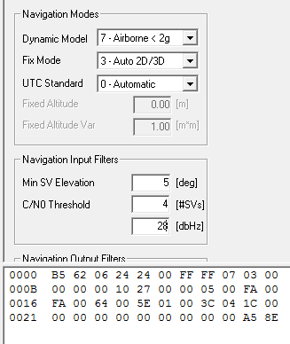

0xB5,0x62,0x06,0x24,0x24,0x00,0xFF,0xFF,0x07,0x03,0x00 0x00,0x00,0x00,0x10,0x27,0x00,0x00,0x05,0x00,0xFA,0x00 0xFA,0x00,0x64,0x00,0x5E,0x01,0x00,0x3C,0x04,0x1C,0x00 0x00,0x00,0x00,0x00,0x00,0x00,0x00,0x00,0x00,0xA5,0x8E

波特率
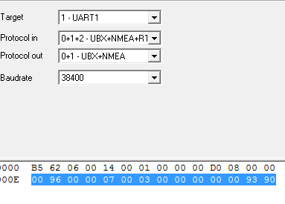

0xB5,0x62,0x06,0x00,0x14,0x00,0x01,0x00,0x00,0x00,0xD0,0x08,0x00,0x00 0x00,0x96,0x00,0x00,0x07,0x00,0x03,0x00,0x00,0x00,0x00,0x00,0x93,0x90

刷新率
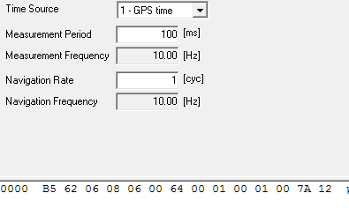

0xB5,0x62,0x06,0x08,0x06,0x00,0x64,0x00,0x01,0x00,0x01,0x00,0x7A,0x12

打开AOP
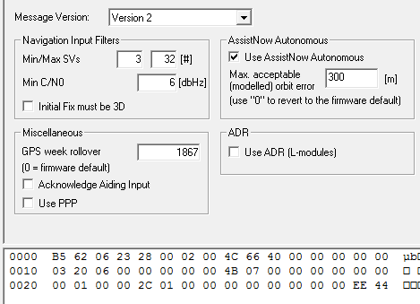

0xB5,0x62,0x06,0x23,0x28,0x00,0x02,0x00,0x4C,0x66,0x40,0x00,0x00,0x00,0x00,0x00 0x03,0x20,0x06,0x00,0x00,0x00,0x00,0x00,0x4B,0x07,0x00,0x00,0x00,0x00,0x00,0x00 0x00,0x01,0x00,0x00,0x2C,0x01,0x00,0x00,0x00,0x00,0x00,0x00,0x00,0x00,0xEE,0x44

备份AOP
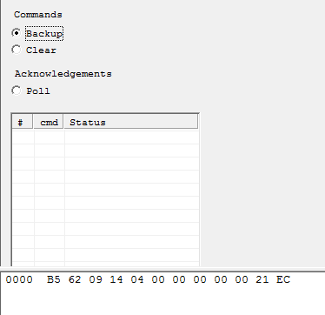

0xB5,0x62,0x09,0x14,0x04,0x00,0x00,0x00,0x00,0x00,0x21,0xEC
1，上电第60S发一次 2，60S后没隔30S发一次，发10次 3，发10次后，每10分钟发一次,

