上电第一组
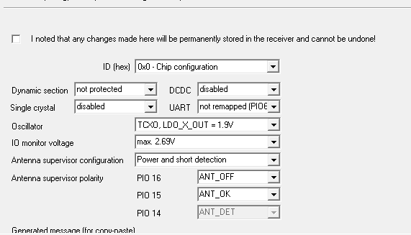

0000 B5 62 06 41 0C 00 00 00 03 1F 78 B7 58 B7 FF 76 CF FF F6 6B

GPS
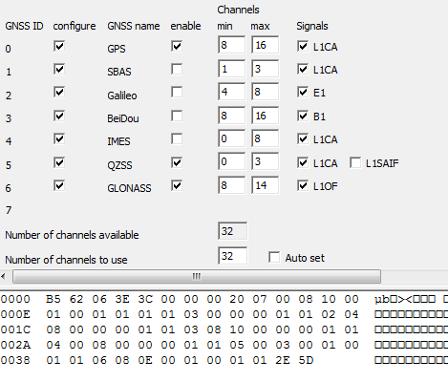

0xB5,0x62,0x06,0x3E,0x3C,0x00,0x00,0x00,0x20,0x07,0x00,0x08,0x10,0x00 0x01,0x00,0x01,0x01,0x01,0x01,0x03,0x00,0x00,0x00,0x01,0x01,0x02,0x04 0x08,0x00,0x00,0x00,0x01,0x01,0x03,0x08,0x10,0x00,0x00,0x00,0x01,0x01 0x04,0x00,0x08,0x00,0x00,0x00,0x01,0x01,0x05,0x00,0x03,0x00,0x01,0x00 0x01,0x01,0x06,0x08,0x0E,0x00,0x01,0x00,0x01,0x01,0x2E,0x5D

NAV-5-2G
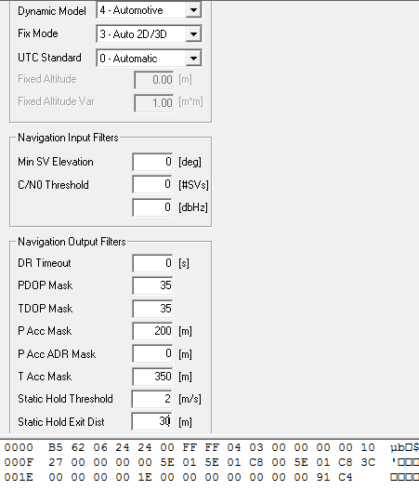

0xB5,0x62,0x06,0x24,0x24,0x00,0xFF,0xFF,0x04,0x03,0x00,0x00,0x00,0x00,0x10 0x27,0x00,0x00,0x00,0x00,0x5E,0x01,0x5E,0x01,0xC8,0x00,0x5E,0x01,0xC8,0x3C 0x00,0x00,0x00,0x00,0x1E,0x00,0x00,0x00,0x00,0x00,0x00,0x00,0x91,0xC4

过滤卫星
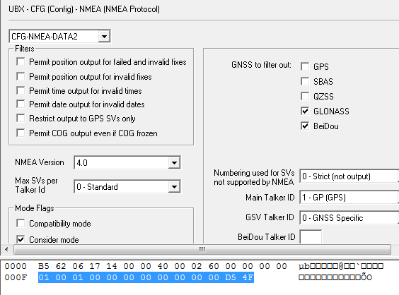

0xB5，0x62，0x06，0x17，0x14，0x00，0x00，0x40，0x00，0x02，0x60，0x00，0x00，0x00，0x00 0x01，0x00，0x01，0x00，0x00，0x00，0x00，0x00，0x00，0x00，0x00，0xD5，0x4F

AOP
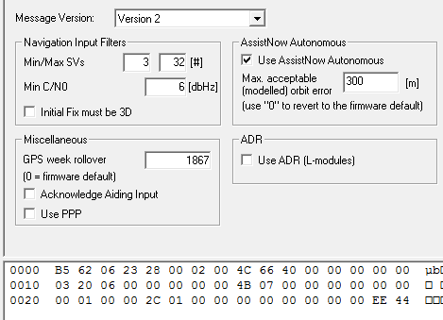

0xB5，0x62，0x06，0x23，0x28，0x00，0x02，0x00，0x4C，0x66，0x40，0x00，0x00，0x00，0x00，0x00 0x03，0x20，0x06，0x00，0x00，0x00，0x00，0x00，0x4B，0x07，0x00，0x00，0x00，0x00，0x00，0x00 0x00，0x01，0x00，0x00，0x2C，0x01，0x00，0x00，0x00，0x00，0x00，0x00，0x00，0x00，0xEE，0x44

GPS-Time
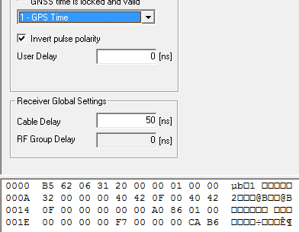

0xB5，0x62，0x06，0x31，0x20，0x00，0x00，0x01，0x00，0x00 0x32，0x00，0x00，0x00，0x40，0x42，0x0F，0x00，0x40，0x42 0x0F，0x00，0x00，0x00，0x00，0x00，0xA0，0x86，0x01，0x00 0x00，0x00，0x00，0x00，0xF7，0x00，0x00，0x00，0xCA，0xB6

打开UPD
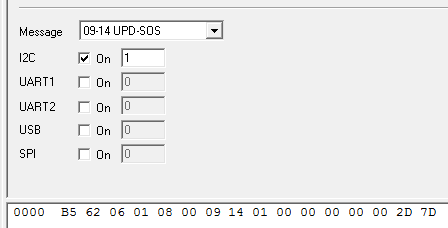

0xB5，0x62，0x06，0x01，0x08，0x00，0x09，0x14，0x01，0x00，0x00，0x00，0x00，0x00，0x2D，0x7D

备份AOP
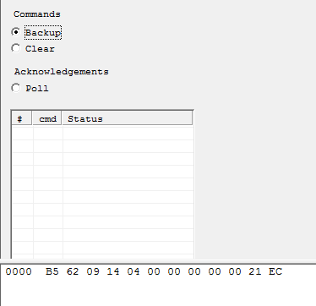

0xB5，0x62，0x09，0x14，0x04，0x00，0x00，0x00，0x00，0x00，0x21，0xEC
上电30S发第一次，每间隔30S发1次，共发10次后，发完10次后每隔5分钟发一次，一直发下去

