单北斗
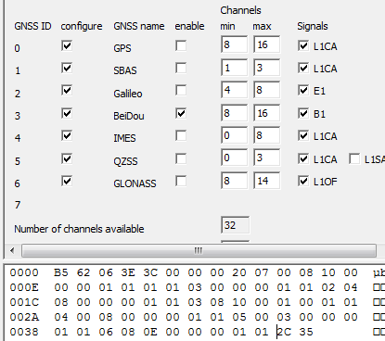

0xB5,0x62,0x06,0x3E,0x3C,0x00,0x00,0x00,0x20,0x07,0x00,0x08,0x10,0x00, 0x00,0x00,0x01,0x01,0x01,0x01,0x03,0x00,0x00,0x00,0x01,0x01,0x02,0x04, 0x08,0x00,0x00,0x00,0x01,0x01,0x03,0x08,0x10,0x00,0x01,0x00,0x01,0x01, 0x04,0x00,0x08,0x00,0x00,0x00,0x01,0x01,0x05,0x00,0x03,0x00,0x00,0x00, 0x01,0x01,0x06,0x08,0x0E,0x00,0x00,0x00,0x01,0x01,0x2C,0x35,

NAV-5-2G
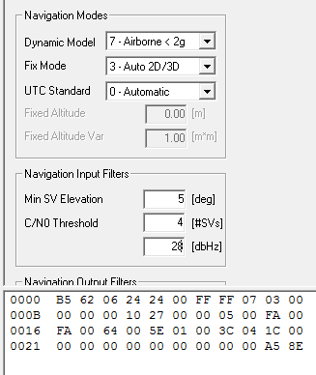

0xB5,0x62,0x06,0x24,0x24,0x00,0xFF,0xFF,0x07,0x03,0x00 0x00,0x00,0x00,0x10,0x27,0x00,0x00,0x05,0x00,0xFA,0x00 0xFA,0x00,0x64,0x00,0x5E,0x01,0x00,0x3C,0x04,0x1C,0x00 0x00,0x00,0x00,0x00,0x00,0x00,0x00,0x00,0x00,0xA5,0x8E

波特率
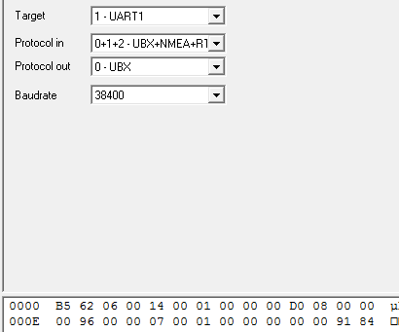

0xB5,0x62,0x06,0x00,0x14,0x00,0x01,0x00,0x00,0x00,0xD0,0x08,0x00,0x00 0x00,0x96,0x00,0x00,0x07,0x00,0x01,0x00,0x00,0x00,0x00,0x00,0x91,0x84

刷新率
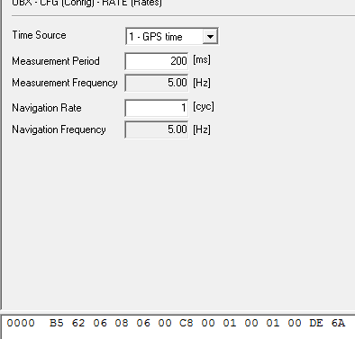

0xB5,0x62,0x06,0x08,0x06,0x00,0xC8,0x00,0x01,0x00,0x01,0x00,0xDE,0x6A

